Sheet2
Table S1 Chromosomal locations and primer sequences for the KASP markers used in this study
Marker | SNP position |  |  | Genotype |  |  | Primers |  |  | Genotyping
 | Chr | Darmor | ZS11 | DW2 | SC4 | Westar | Primer_Allele X | Primer_Allele Y | Primer_Common
KASP66 | chrC01 | 3328364 | 3687335 | AA | GG | GG | GAAGGTGACCAAGTTCATGCTGAGCTGAGCGTAATAGGTAAGCATAGC | GAAGGTCGGAGTCAACGGATTGGAGCTGAGCGTAATAGGTAAGCATAGT | TTTGCGTTAGTTGATCCGTGAGTGTT | 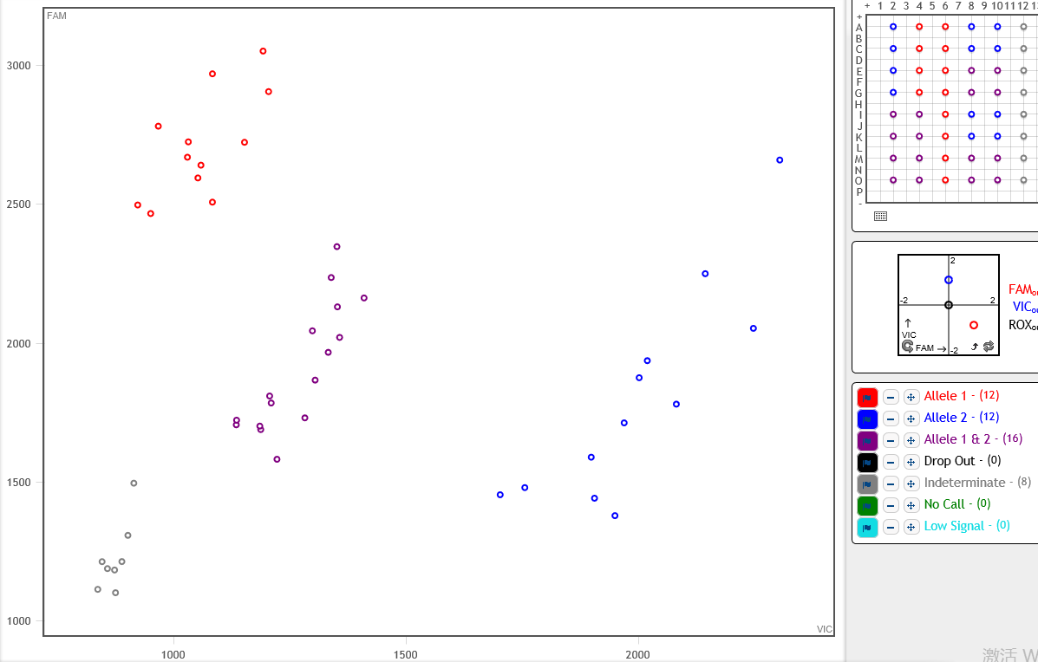
KASP71 | chrC01 | 6375324 | 7593571 | AA | GG | GG | GAAGGTGACCAAGTTCATGCTGTTCACAGGGCAGACGACAATG | GAAGGTCGGAGTCAACGGATTGGTTCACAGGGCAGACGACAATA | TCACCACTATGTCACATTTATTACTTTGG | 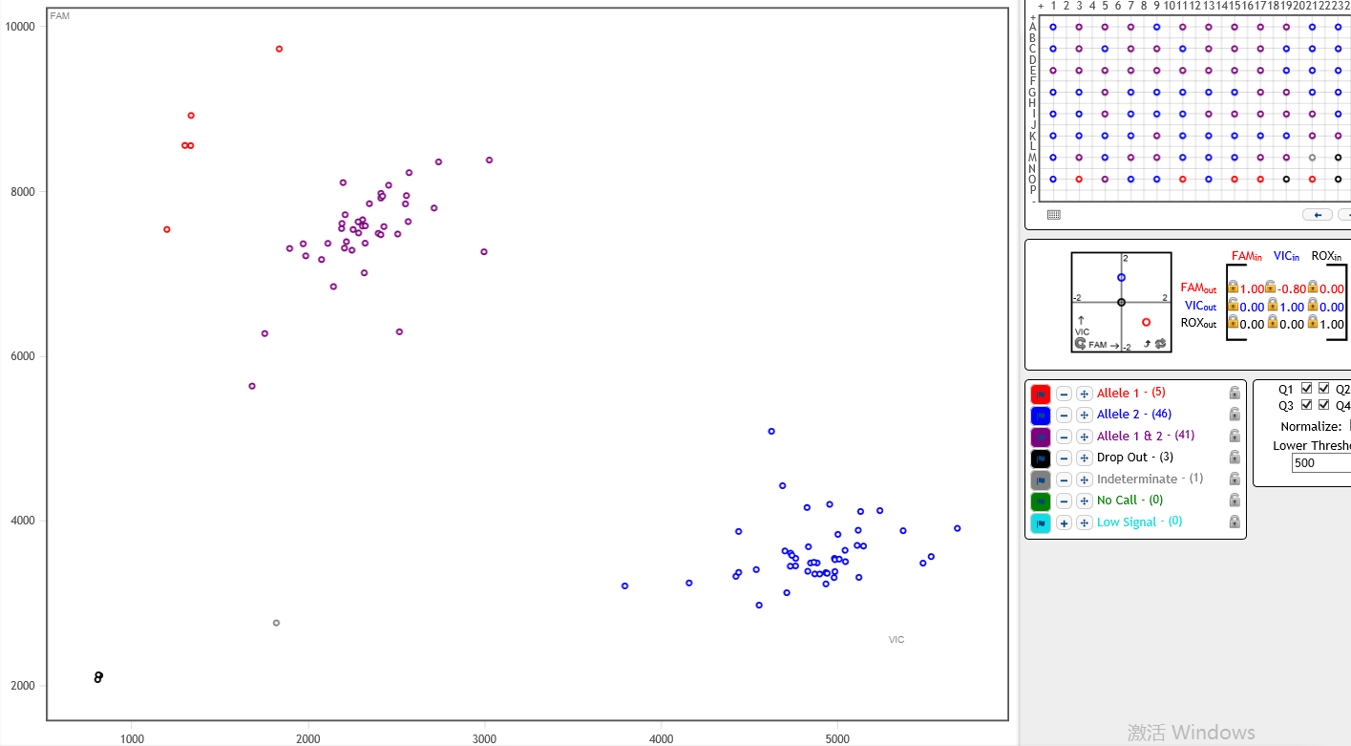
KASP90 | chrC01 | 6945960 | 8086086 | TT | CC | CC | GAAGGTGACCAAGTTCATGCTCCGCAGATAAAGGCACATCC | GAAGGTCGGAGTCAACGGATTCCGCAGATAAAGGCACATCT | GCAGCCTTGATGCAAAATCAATG
KASP78 | chrC01 | 7032414 | 8177018 | GG | AA | AA | GAAGGTGACCAAGTTCATGCTTGAAATGTGCTTCCTTTGTCGAA | GAAGGTCGGAGTCAACGGATTTGAAATGTGCTTCCTTTGTCGAG | ATATCAAACCGTTGTTCCAGAAAGAG | 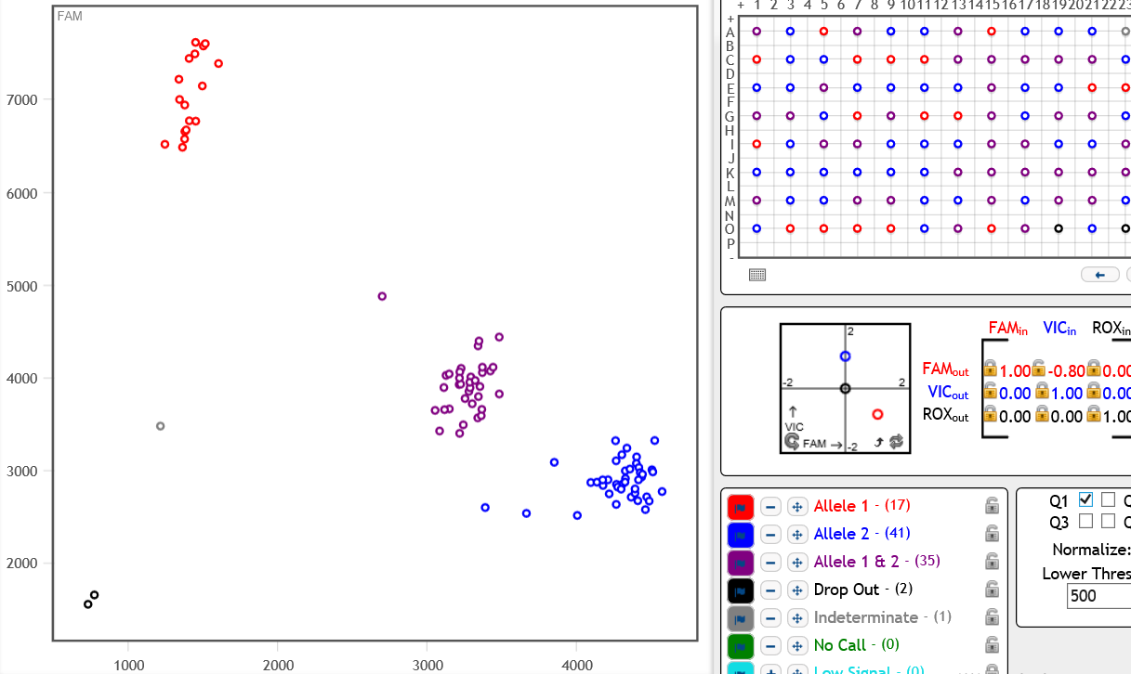
KASP67 | chrC01 | 7322793 | 8509890 | CC | AA | AA | GAAGGTGACCAAGTTCATGCTGCAGAAAAGTTCGTACTCCCAGTTAAGT | GAAGGTCGGAGTCAACGGATTGCAGAAAAGTTCGTACTCCCAGTTAAGG | GTTGTACTCGAAATCTGTCGGCTCTG | 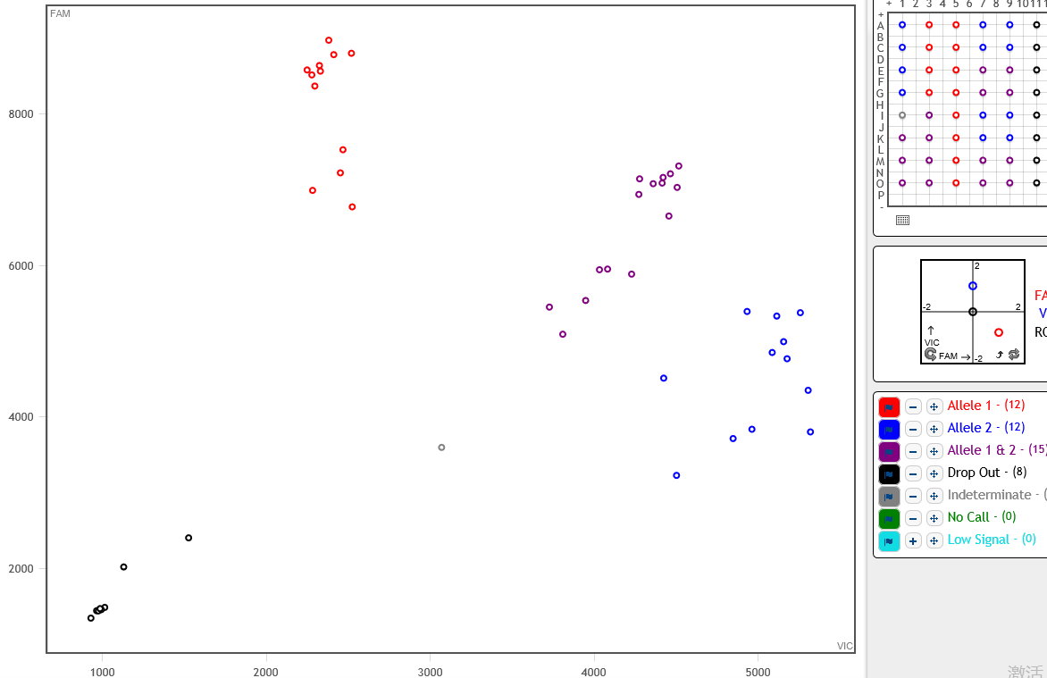
KASP64 | chrC01 | 16248674 | 19850779 | GG | AA | GG | GAAGGTGACCAAGTTCATGCTAATCACTCAAAGGTTGAAAAGAATCCA | GAAGGTCGGAGTCAACGGATTTCACTCAAAGGTTGAAAAGAATCCG | TAATTCAAGATTCCATCCGTTTCTCG | 