Table S3
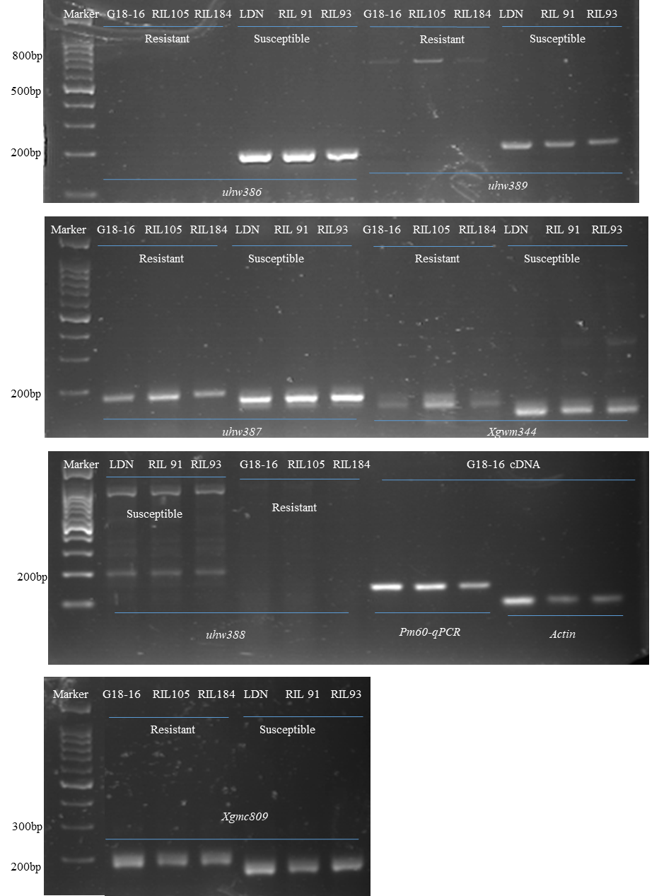
Table S3 Primers used for the genetic mapping, PCR sequencing and RT-qPCR.
Marker/Primer pair | Sequence (5'–3') | Purpose | Description
Xgwm344 | F: CAAGGAAATAGGCGGTAACT | Genetic mapping | Co-dominant (See the Figure right)
 | R:ATTTGAGTCTGAAGTTTGCA
Xgmc809 | F: CAGGTCGTAGTTGGTACCCTGAA | Genetic mapping | Co-dominant (See the Figure right)
 | R:TGAACACGGCTGGATGTGA
uhw386 | F: CCTAGTCGCTCCCTTTTACTA | Genetic mapping | Dominant on LDN (See the Figure right)
 | R: GATGGCTGTAGAAGTCGTTC
uhw387 | F: AGCGCCATTAACAACATATAG | Genetic mapping | Co-dominant (See the Figure right)
 | R: AGTGTTTGGAAAAGGAGAAAA
uhw388 | F: GGGGAAACTTGGATCGATTT | Genetic mapping | Dominant on LDN (See the Figure right)
 | R: TTGAAGGAATTAGGGGCGTA
uhw389 | F: GGTGGTTTGACAGATTAGATG | Genetic mapping | Co-dominant (See the Figure right)
 | R: TGATTGTTTTGTGTCTTGTTG
uhw390 | F: GCAATGGGTACTTCTTGACTA | Genetic mapping | Co-dominant (See the Figure 6b)
 | R: TAGCCAGTTTTATTGGGAGA
M-Pm60-S1 | F: CTCACAGTTCCACACTGATAT | Screening of the functional Pm60 alleles | See Figure 4A and Figure S2
 | R: CTCCATCAATCTCAAGTTCTTCG
M-Pm60-S3 | F: CCAAGCTTGAGTCAAAAGGT | Screening of the functional Pm60 alleles in WEW | See Figure S2
 | R: GGAAGCAGGCAAAGGATTGA
M-Pm60-S4 | F-A:GAAGGTGACCAAGTTCATGCTTGTAGTTGGTCCAGGTGGC | KASP markers for screening of the functional Pm60 alleles | KASP Marker see Figure 4D
 | F-B:GAAGGTCGGAGTCAACGGATTTGTAGTTGGTCCAGGTGGT
 | R-C:GCACATCAAAATCAGTCG
Pm60-1 | F: AATCCCACCTGCCATAAGC | PCR and sequencing from -65 to 1683 of TdPm60 (F target before ATG 65 bp) | See Figure 3B
 | R: TGAGGAAACACATCGGGAC
Pm60-2 | F:AAGGCCTCGAGTCTGATGA | PCR and sequencing from 1175 to 2459 of TdPm60 | See Figure 3B
 | R:CTATGATGCCAAGTGCTG
Pm60-3 | F:CCAAGCTTGAGTCAAAAGGT | PCR and screening of the functional Pm60 alleles/sequencing from 2336 to 3683 bp of TdPm60 | See Figure 3B
 | R:GGAAGCAGGCAAAGGATTGA
Pm60-4 | F:CTCACAGTTCCACACTGATAT | PCR and sequencing from 2900 to 4365 of TdPm60 (R target after ATG 77 bp) | See Figure 3B
 | R:TACACAATGGTAGGCGGAG
Actin | F:ACCTTCAGTTGCCCAGCAAT | House keeping gene for qPCR | See the Figure right
 | R:CAGAGTCGAGCACAATACCAGTTG
Pm60-qPCR | F:CTATGATGCCAAGTGCTG (same with Pm60-S2-R) | Pm60 target segments for qPCR | See the Figure right
 | R:CCAAGCTTGAGTCAAAAGGT (same with Pm60-S3-F)
Note : “F” represents forward primer ; “R” represents reverse primer; The two short blue sequences in the M-Pm60-S4 is the addapters specfic for KASP markers A and B, recognising the allele-1 tail FAM-labelled oligo primer and allele-2 tail HEX-labelled oligo primers in the KASP Assay mix (LGC Genomics, USA), respectively.

