Fig. 1
Fig. 1F/G
Relative Viability at D12 compared to D2 after transduction
 | Days after Transduction | sg_scr_1 |  |  |  | sg_scr_2 |  |  |  | sg_P3F_1 |  |  |  | sg_P3F_2 |  |  |  | sg_BRG1_1 |  |  |  | sg_BRG1_2 |  |  |  | sg_BAF47_1 |  |  |  | sg_BAF47_2 |  |  |  | sg_BRM_1 |  |  |  | sg_BRM_2
RH4 | 2 | 100 | 100 | 100 | 100 | 100 | 100 | 100 | 100 | 100 | 100 | 100 | 100 | 100 | 100 | 100 | 100 | 100 | 100 | 100 | 100 | 100 | 100 | 100 | 100 | 100 | 100 | 100 | 100 | 100 | 100 | 100 | 100 | 100 | 100 | 100 | 100 | 100 | 100 | 100 | 100
RH4 | 12 | 112.5 | 127.4 | 143 | 85.5 | 117 | 121.8 | 91.23 | 83.07 | 8.3 | 2.6 | 9.95 | 9.38 | 27.3 | 14.9 | 3.77 | 3.04 | 45.9 | 55.6 | 46.6 | 29.6 | 44.9 | 57.6 | 26.1 | 37.89 | 9.186047 | 10.4 | 9.6 | 13.31 | 28.4 | 26.5 | 27.39 | 28.43 | 102.6 | 88.82 | 89.31 | 91.38 | 82.6 | 84.45 | 80.94 | 87.76

Group A | sg_BRG1_1 | sg_BRG1_2 | sg_BAF47_1 | sg_BAF47_2 | sg_P3F_1 | sg_P3F_2 | sg_scr_2 | sg_BRM_1 | sg_BRM_2 |  | Gating Strategy for Fig. 1F/G
vs. | vs. | vs. | vs. | vs. | vs. | vs. | vs. | vs. | vs.
Group B | sg_scr_1 | sg_scr_1 | sg_scr_1 | sg_scr_1 | sg_scr_1 | sg_scr_1 | sg_scr_1 | sg_scr_1 | sg_scr_1

Paired t test
P value | 0.0034 | 0.0143 | 0.0038 | 0.0057 | 0.0033 | 0.0043 | 0.3599 | 0.1725 | 0.0916
P value summary | ** | * | ** | ** | ** | ** | ns | ns | ns
Significantly different (P < 0.05)? | Yes | Yes | Yes | Yes | Yes | Yes | No | No | No
One- or two-tailed P value? | Two-tailed | Two-tailed | Two-tailed | Two-tailed | Two-tailed | Two-tailed | Two-tailed | Two-tailed | Two-tailed
t, df | t=8.477, df=3 | t=5.141, df=3 | t=8.204, df=3 | t=7.120, df=3 | t=8.635, df=3 | t=7.874, df=3 | t=1.078, df=3 | t=1.784, df=3 | t=2.451, df=3
Number of pairs | 4 | 4 | 4 | 4 | 4 | 4 | 4 | 4 | 4

How big is the difference?
Mean of differences | -72.68 | -75.48 | -106.5 | -89.42 | -109.5 | -104.8 | -13.83 | -24.07 | -33.16
SD of differences | 17.15 | 29.36 | 25.96 | 25.12 | 25.37 | 26.63 | 25.65 | 26.99 | 27.06
SEM of differences | 8.573 | 14.68 | 12.98 | 12.56 | 12.69 | 13.32 | 12.82 | 13.5 | 13.53
95% confidence interval | -99.96 to -45.39 | -122.2 to -28.75 | -147.8 to -65.17 | -129.4 to -49.45 | -149.9 to -69.17 | -147.2 to -62.47 | -54.63 to 26.98 | -67.02 to 18.88 | -76.22 to 9.891
R squared (partial eta squared) | 0.9599 | 0.8981 | 0.9573 | 0.9441 | 0.9613 | 0.9538 | 0.2793 | 0.5147 | 0.667

How effective was the pairing?
Correlation coefficient (r) | 0.7966 | -0.1391 | -0.7842 | -0.6886 | -0.2022 | 0.03519 | 0.3253 | -0.2767 | -0.8711
P value (one tailed) | 0.1017 | 0.4304 | 0.1079 | 0.1557 | 0.3989 | 0.4824 | 0.3373 | 0.3616 | 0.0644
P value summary | ns | ns | ns | ns | ns | ns | ns | ns | ns
Was the pairing significantly effective? | No | No | No | No | No | No | No | No | No

Fig. 1H |  |  |  |  |  |  |  |  |  |  |  |  |  |  |  |  |  |  | same samples loaded again
merged raw image (* indicates corrsponding unmerged raw image) |  |  |  |  |  |  |  |  |  |  | long exposure |  |  |  |  |  |  |  | merged raw image (* indicates corrsponding unmerged raw image)
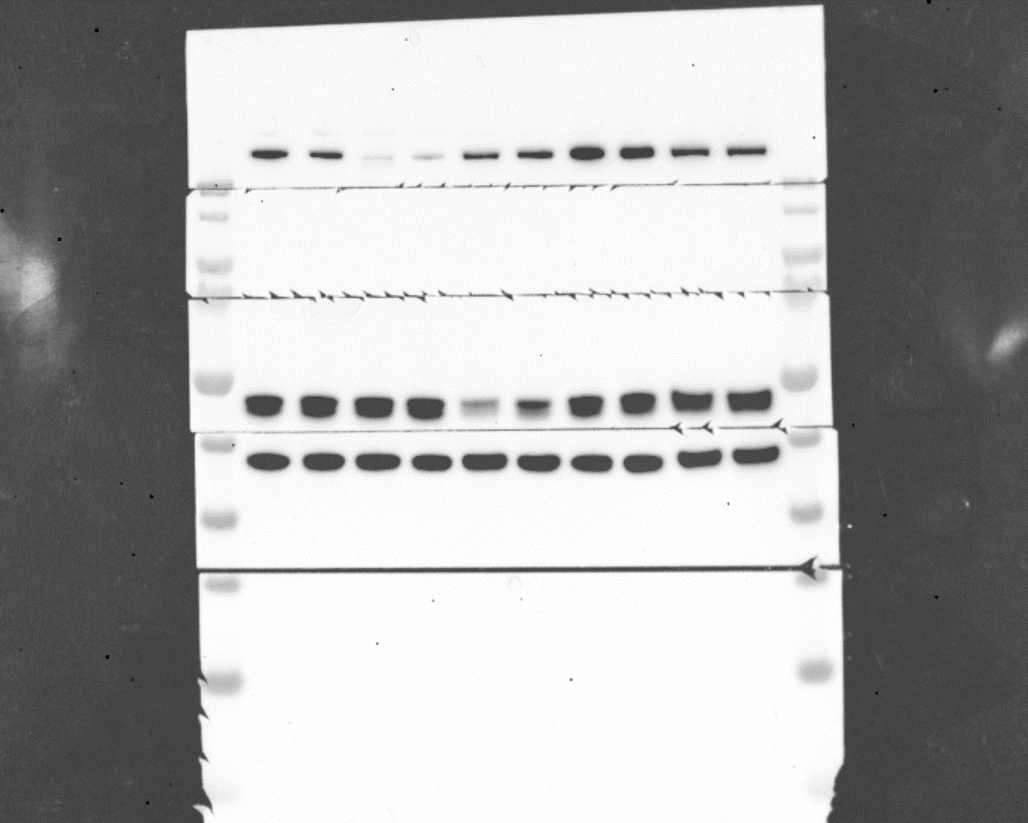
1
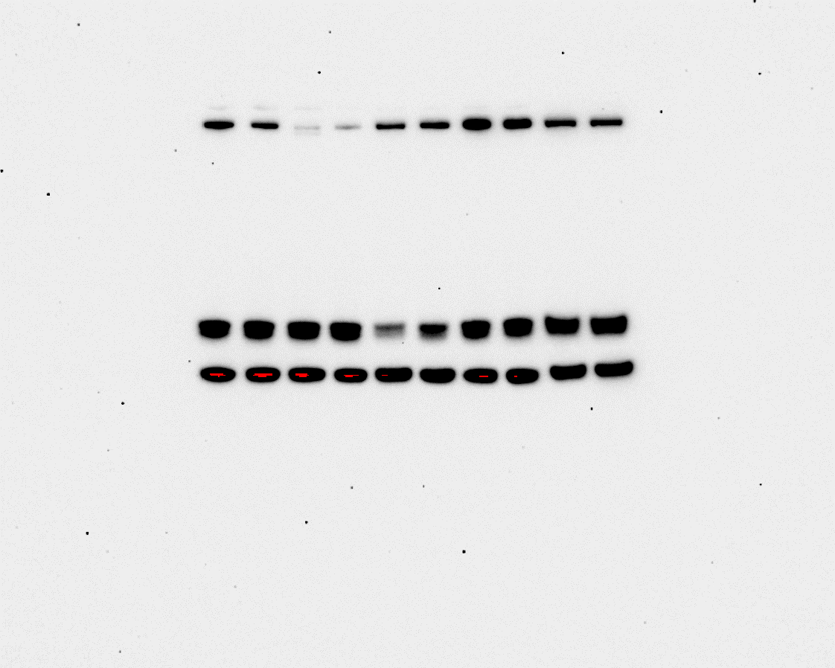
1
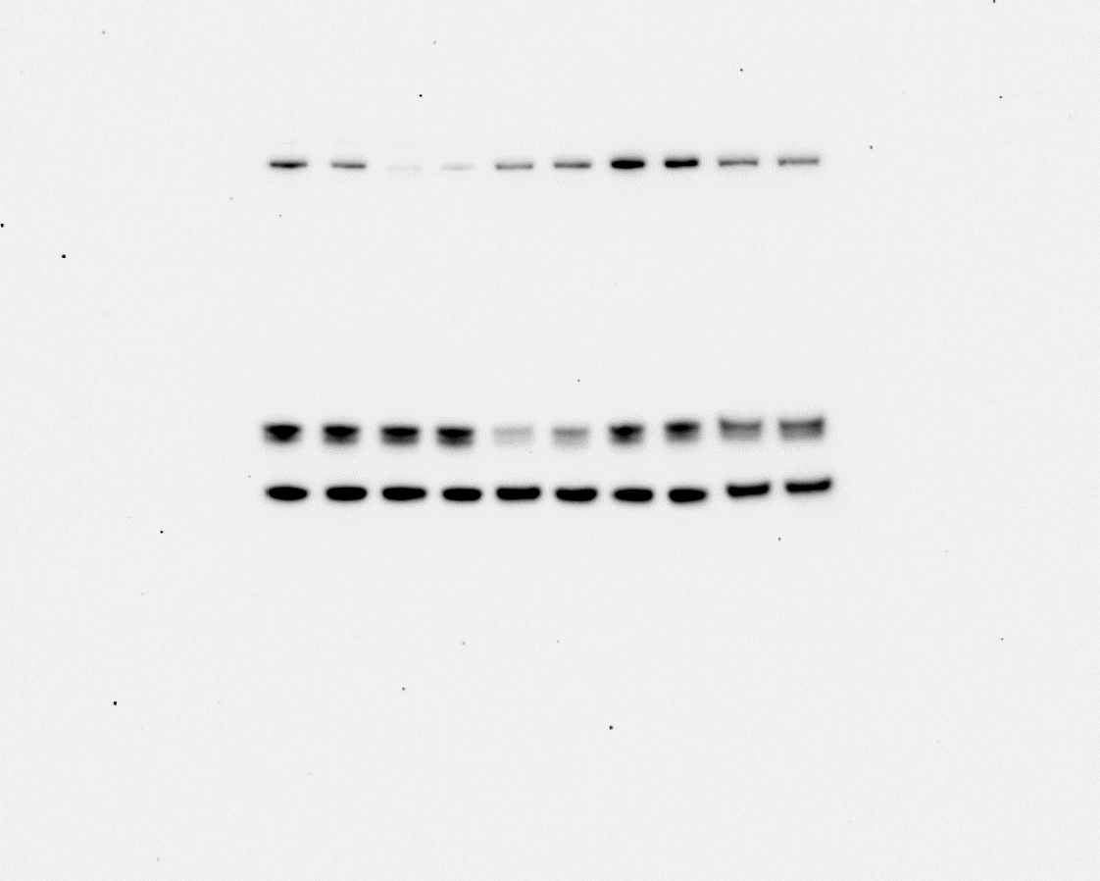
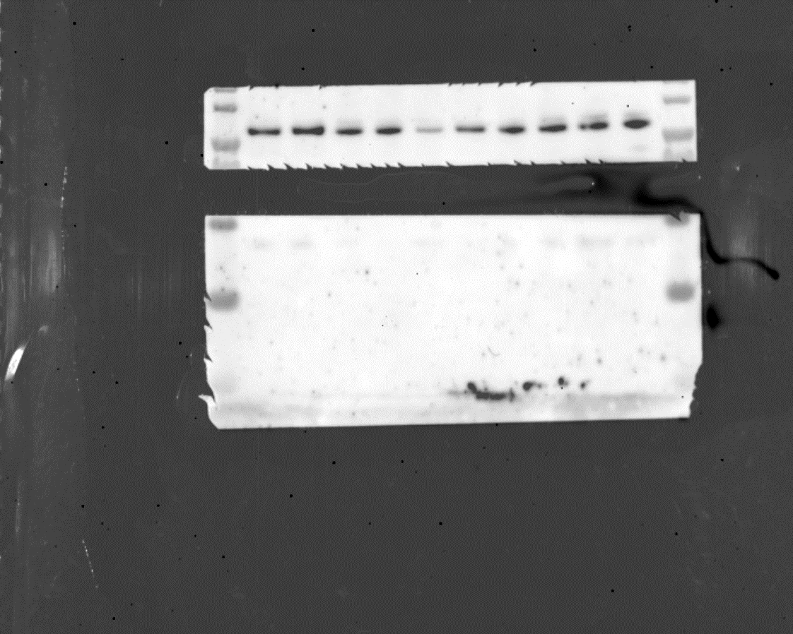
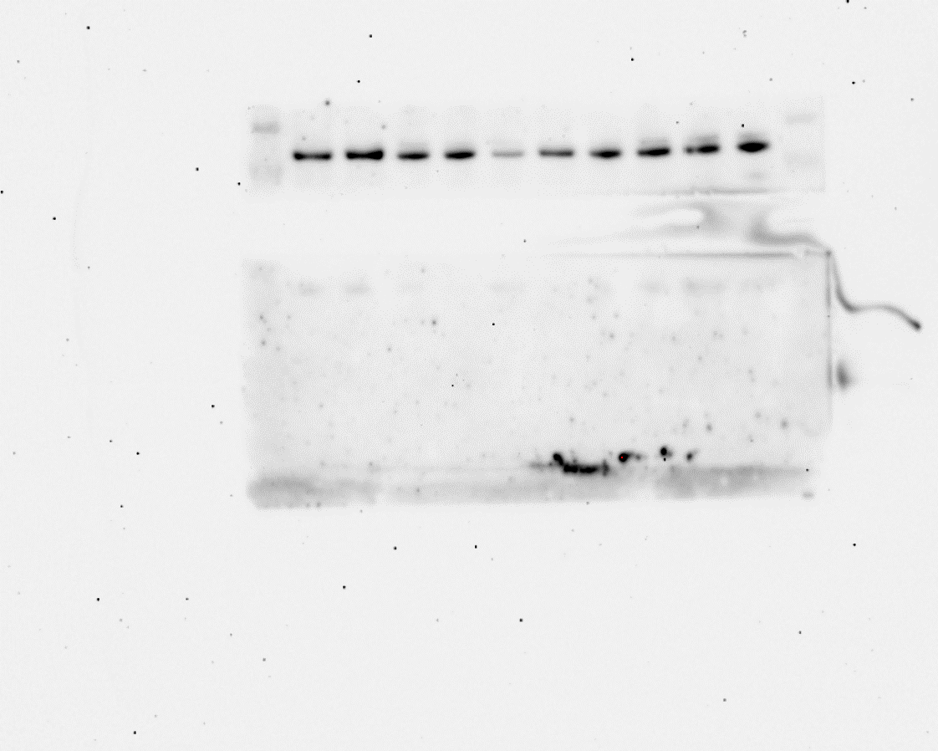
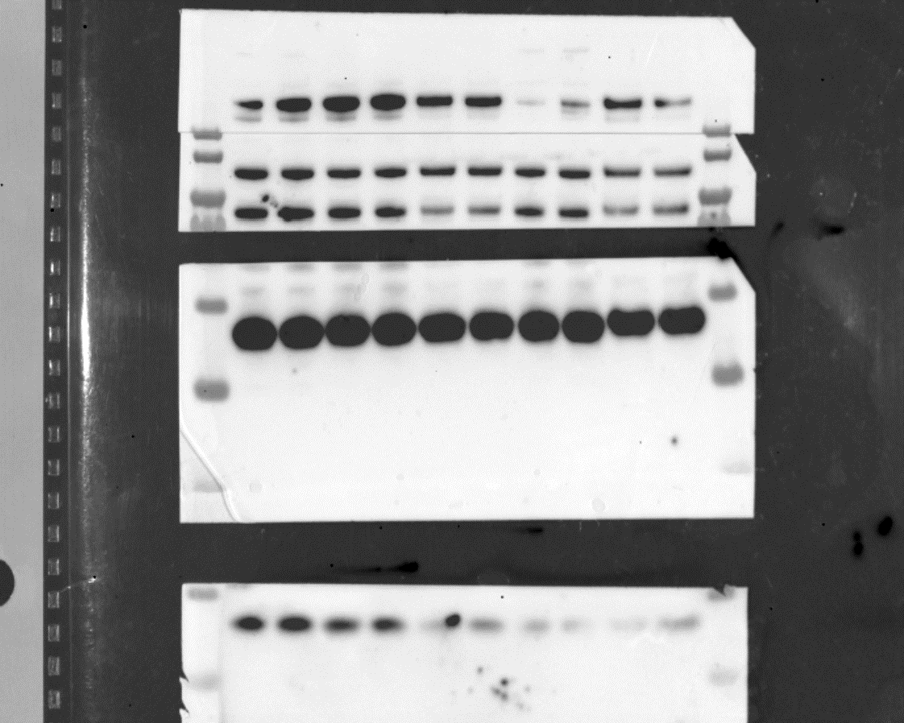
6
*
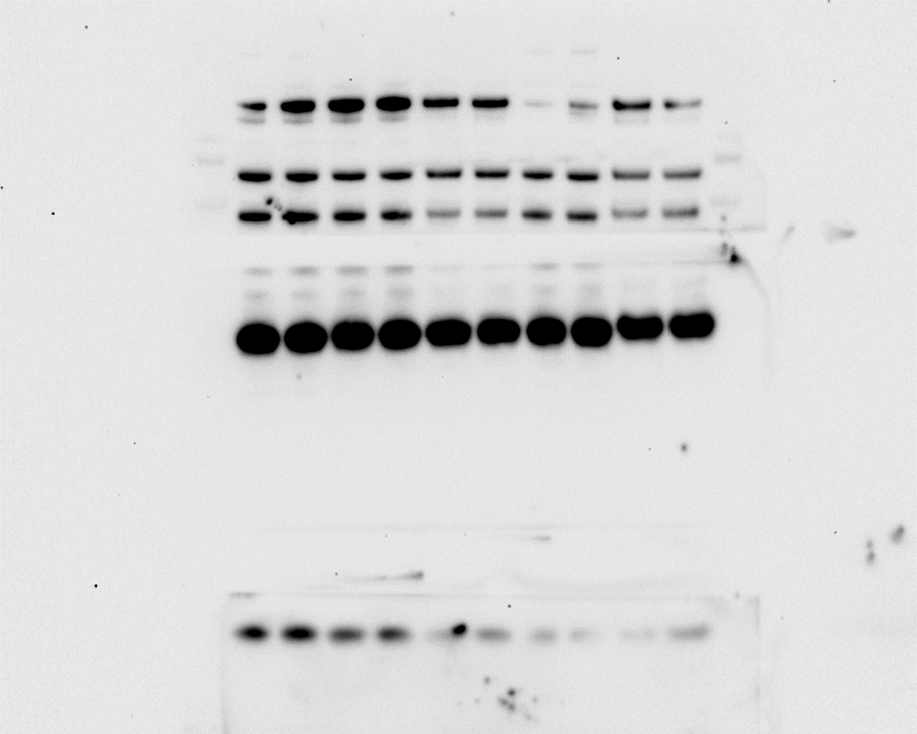
*
6
*
*
4
*
4
*
BRM
BRG1
anti-PARP
*
*
P3F
anti-FOXO1 antibody
4
FOXO1
*
5
*
7
7
2
2
5
Cleaved
Casp 7
*
*
BAF47
*
*
(GAPDH)
(GAPDH)
GAPDH

3
3
5

Fig. 1I |  |  |  |  |  |  |  |  |  |  |  |  |  |  |  |  |  |  |  |  |  |  | Gating Strategy for Fig. 1F/G
Cell cycle phase distribution 7d after transduction | G1 |  |  |  |  |  |  | S |  |  |  |  |  |  | G2/M
 | sgscr 1 | sgBRM_1 | sgBRM_2 | sgBRG1_1 | sgBRG1_2 | sgBAF47_1 | sgBAF47_2 | sgscr 1 | sgBRM_1 | sgBRM_2 | sgBRG1_1 | sgBRG1_2 | sgBAF47_1 | sgBAF47_2 | sgscr 1 | sgBRM_1 | sgBRM_2 | sgBRG1_1 | sgBRG1_2 | sgBAF47_1 | sgBAF47_2
 | 42.5 | 40.8 | 41.3 | 47.3 | 46.7 | 56.2 | 50.4 | 32.7 | 34.5 | 32.9 | 27.9 | 26.8 | 21.8 | 25 | 22.2 | 22.5 | 22.9 | 22.5 | 23.5 | 20.2 | 22.1
 | 48.4 | 50.1 | 47.8 | 59.4 | 63.7 | 70.2 | 73 | 30.3 | 28.4 | 31.8 | 20.9 | 17.8 | 16 | 12.3 | 19 | 19 | 18 | 18 | 16 | 12 | 13
 | 46 | 44.8 | 41.9 | 52.6 | 56.3 | 64.8 | 57.7 | 31.4 | 30.9 | 34.7 | 25.4 | 22.4 | 17.8 | 22.5 | 20.8 | 22.1 | 21.2 | 20.1 | 19.3 | 15.3 | 17.9
 | 46.5 | 42.7 | 45 | 51.5 | 55.4 | 64.7 | 59.2 | 29.7 | 32.3 | 31.1 | 25 | 23.1 | 17.8 | 21.4 | 21.7 | 22.6 | 21.9 | 21.8 | 19.3 | 15.2 | 17.5
 | G1 |  |  |  |  |  |  | S |  |  |  |  |  |  | G2/M
Group A | sgBRM_1 | sgBRM_2 | sgBRG1_1 | sgBRG1_2 | sgSMARCB1_1 | sgSMARCB1_2 |  | sgBRM_1 | sgBRM_2 | sgBRG1_1 | sgBRG1_2 | sgSMARCB1_1 | sgSMARCB1_2 |  | sgBRM_1 | sgBRM_2 | sgBRG1_1 | sgBRG1_2 | sgSMARCB1_1 | sgSMARCB1_2
vs. | vs. | vs. | vs. | vs. | vs. | vs. |  | vs. | vs. | vs. | vs. | vs. | vs. |  | vs. | vs. | vs. | vs. | vs. | vs.
Group B | sgscr 1 | sgscr 1 | sgscr 1 | sgscr 1 | sgscr 1 | sgscr 1 |  | sgscr 1 | sgscr 1 | sgscr 1 | sgscr 1 | sgscr 1 | sgscr 1 |  | sgscr 1 | sgscr 1 | sgscr 1 | sgscr 1 | sgscr 1 | sgscr 1

Paired t test
P value | 0.3505 | 0.0965 | 0.0177 | 0.0241 | 0.0017 | 0.0291 |  | 0.6622 | 0.0874 | 0.0109 | 0.0107 | 0.0005 | 0.0218 |  | 0.1223 | 0.8534 | 0.374 | 0.2375 | 0.0187 | 0.0765
P value summary | ns | ns | * | * | ** | * |  | ns | ns | * | * | *** | * |  | ns | ns | ns | ns | * | ns
Significantly different (P < 0.05)? | No | No | Yes | Yes | Yes | Yes |  | No | No | Yes | Yes | Yes | Yes |  | No | No | No | No | Yes | No
One- or two-tailed P value? | Two-tailed | Two-tailed | Two-tailed | Two-tailed | Two-tailed | Two-tailed |  | Two-tailed | Two-tailed | Two-tailed | Two-tailed | Two-tailed | Two-tailed |  | Two-tailed | Two-tailed | Two-tailed | Two-tailed | Two-tailed | Two-tailed
t, df | t=1.103, df=3 | t=2.393, df=3 | t=4.754, df=3 | t=4.236, df=3 | t=10.84, df=3 | t=3.941, df=3 |  | t=0.4830, df=3 | t=2.504, df=3 | t=5.665, df=3 | t=5.707, df=3 | t=16.31, df=3 | t=4.400, df=3 |  | t=2.136, df=3 | t=0.2012, df=3 | t=1.042, df=3 | t=1.472, df=3 | t=4.657, df=3 | t=2.658, df=3
Number of pairs | 4 | 4 | 4 | 4 | 4 | 4 |  | 4 | 4 | 4 | 4 | 4 | 4 |  | 4 | 4 | 4 | 4 | 4 | 4

How big is the difference?
Mean of differences | -1.25 | -1.85 | 6.85 | 9.675 | 18.13 | 14.23 |  | 0.5 | 1.6 | -6.225 | -8.5 | -12.68 | -10.73 |  | 0.625 | 0.075 | -0.325 | -1.4 | -5.25 | -3.3
SD of differences | 2.266 | 1.546 | 2.882 | 4.568 | 3.344 | 7.219 |  | 2.07 | 1.278 | 2.198 | 2.979 | 1.554 | 4.875 |  | 0.5852 | 0.7455 | 0.6238 | 1.903 | 2.255 | 2.483
SEM of differences | 1.133 | 0.773 | 1.441 | 2.284 | 1.672 | 3.61 |  | 1.035 | 0.639 | 1.099 | 1.489 | 0.7771 | 2.437 |  | 0.2926 | 0.3728 | 0.3119 | 0.9513 | 1.127 | 1.242
95% confidence interval | -4.856 to 2.356 | -4.310 to 0.6100 | 2.265 to 11.44 | 2.406 to 16.94 | 12.80 to 23.45 | 2.738 to 25.71 |  | -2.795 to 3.795 | -0.4336 to 3.634 | -9.722 to -2.728 | -13.24 to -3.760 | -15.15 to -10.20 | -18.48 to -2.968 |  | -0.3062 to 1.556 | -1.111 to 1.261 | -1.318 to 0.6677 | -4.428 to 1.628 | -8.838 to -1.662 | -7.251 to 0.6514
R squared (partial eta squared) | 0.2886 | 0.6563 | 0.8828 | 0.8567 | 0.9751 | 0.8381 |  | 0.07215 | 0.6764 | 0.9145 | 0.9157 | 0.9888 | 0.8658 |  | 0.6033 | 0.01331 | 0.2657 | 0.4193 | 0.8785 | 0.7019

How effective was the pairing?
Correlation coefficient (r) | 0.8621 | 0.8588 | 0.9282 | 0.9817 | 0.9954 | 0.9251 |  | 0.5914 | 0.6207 | 0.695 | 0.6683 | 0.8245 | 0.5942 |  | 0.9484 | 0.9914 | 0.9942 | 0.902 | 0.8761 | 0.9214
P value (one tailed) | 0.0689 | 0.0706 | 0.0359 | 0.0092 | 0.0023 | 0.0374 |  | 0.2043 | 0.1896 | 0.1525 | 0.1659 | 0.0877 | 0.2029 |  | 0.0258 | 0.0043 | 0.0029 | 0.049 | 0.0619 | 0.0393
P value summary | ns | ns | * | ** | ** | * |  | ns | ns | ns | ns | ns | ns |  | * | ** | ** | * | ns | *
Was the pairing significantly effective? | No | No | Yes | Yes | Yes | Yes |  | No | No | No | No | No | No |  | Yes | Yes | Yes | Yes | No | Yes

Fig.2
Fig. 2C left
merged raw image (* indicates corrsponding unmerged raw image) | long exposure
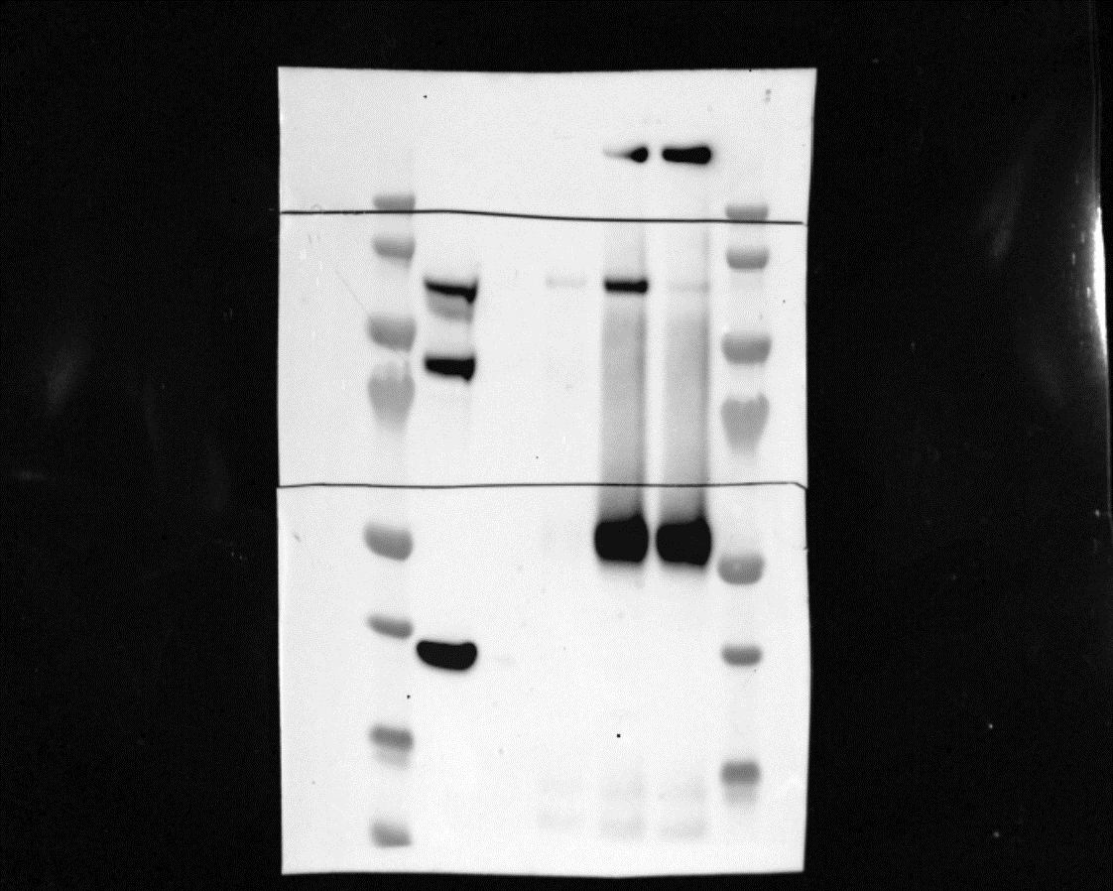
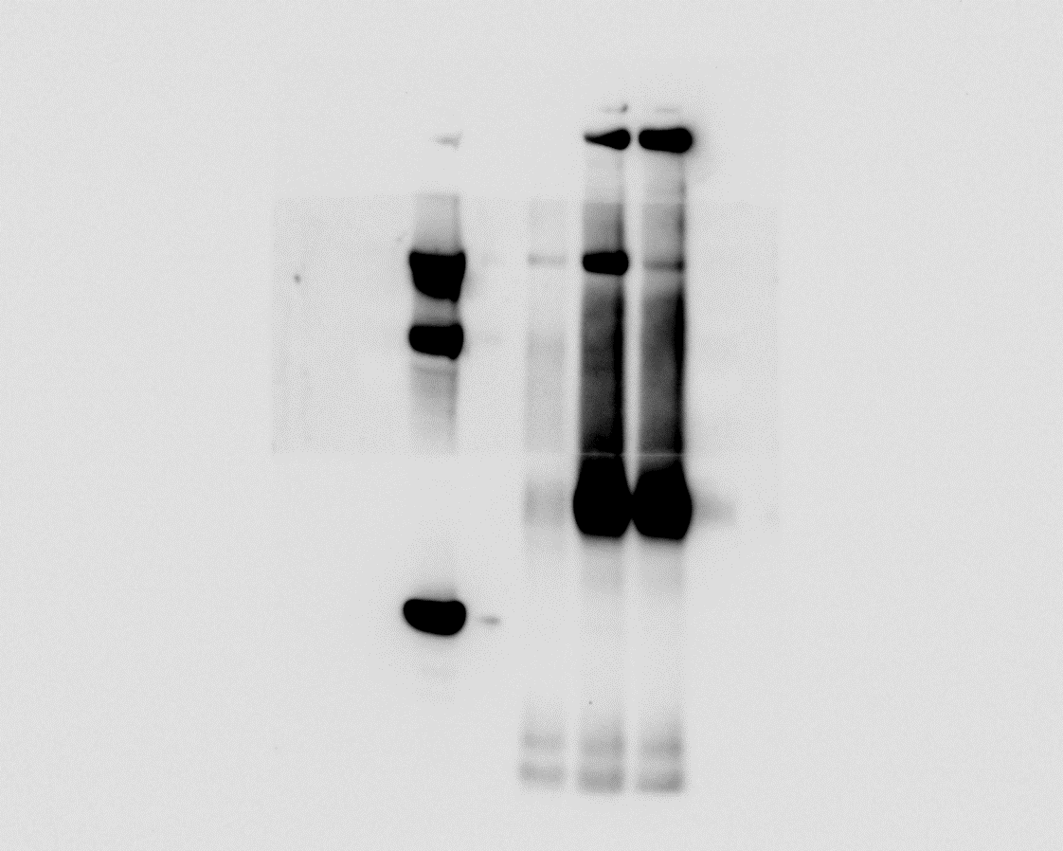
1
*
1
*
BRG1

2
anti-FOXO1 AB
P3F

FOXO1

3

GAPDH

Fig. 2C right
merged raw image (* indicates corrsponding unmerged raw image) |  | long exposure
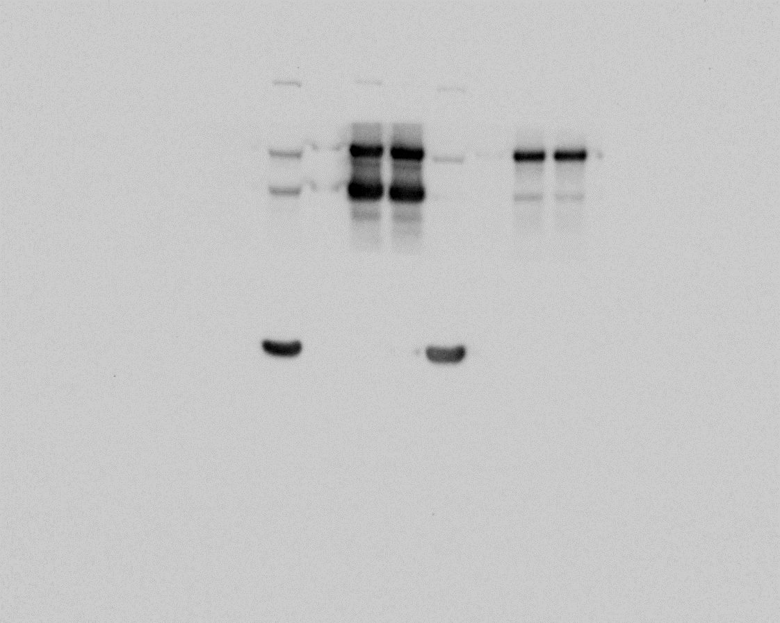
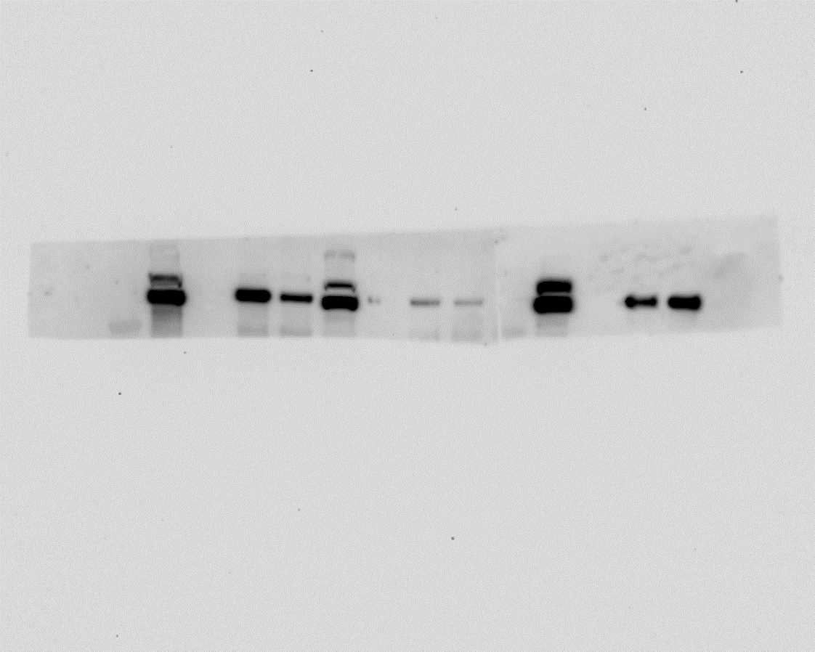
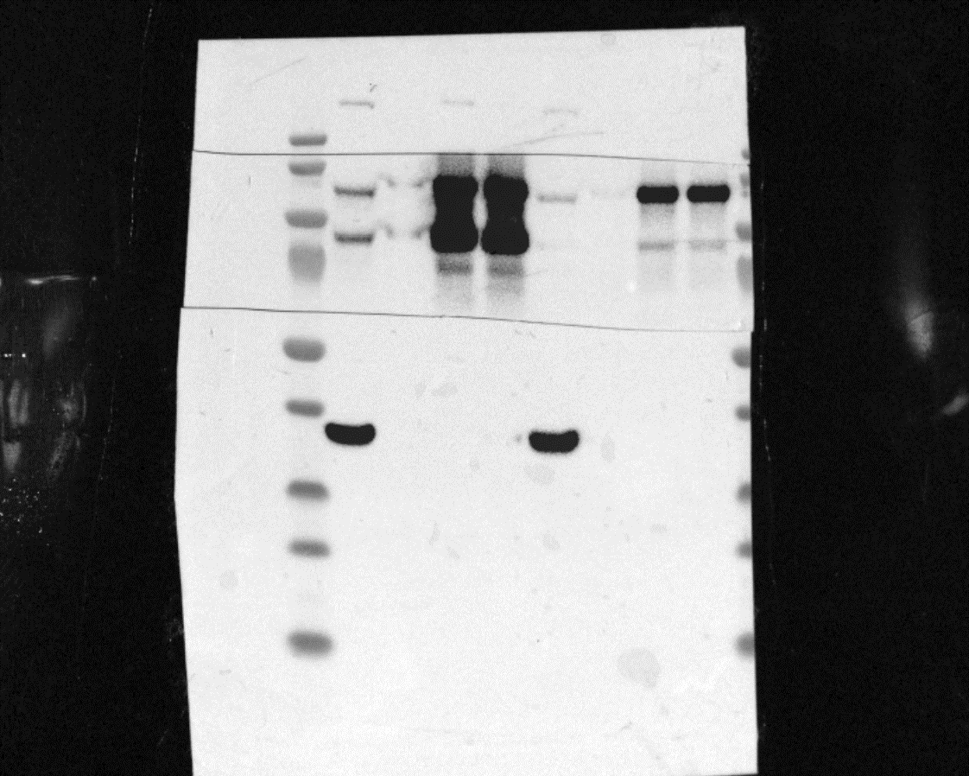
1
*

anti-FOXO1 AB
*
2
*
2
P3F
FOXO1
*
1
BRG1
3
*
3
*
GAPDH

Fig. 2D | Fig. 2E

BRG1
BRG1

BAF47

BAF47

PBRM1

BAF47
PBRM1

BAF47

Fig. S2
Fig. S2B
merged raw image (* indicates corrsponding unmerged raw image) | merged raw image (* indicates corrsponding unmerged raw image)
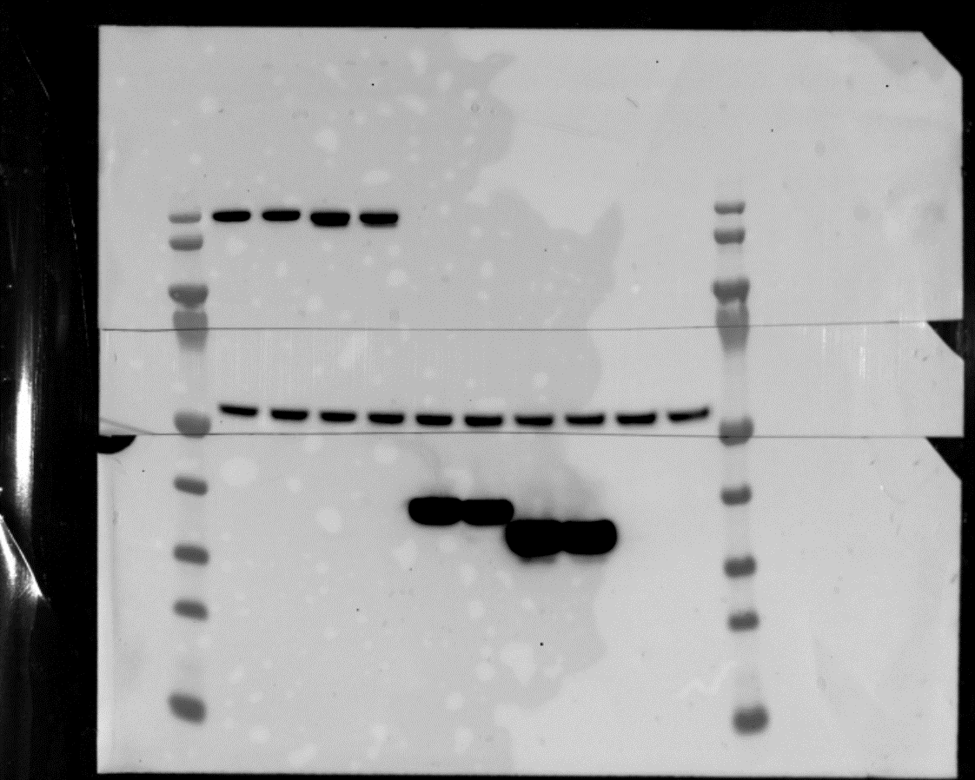
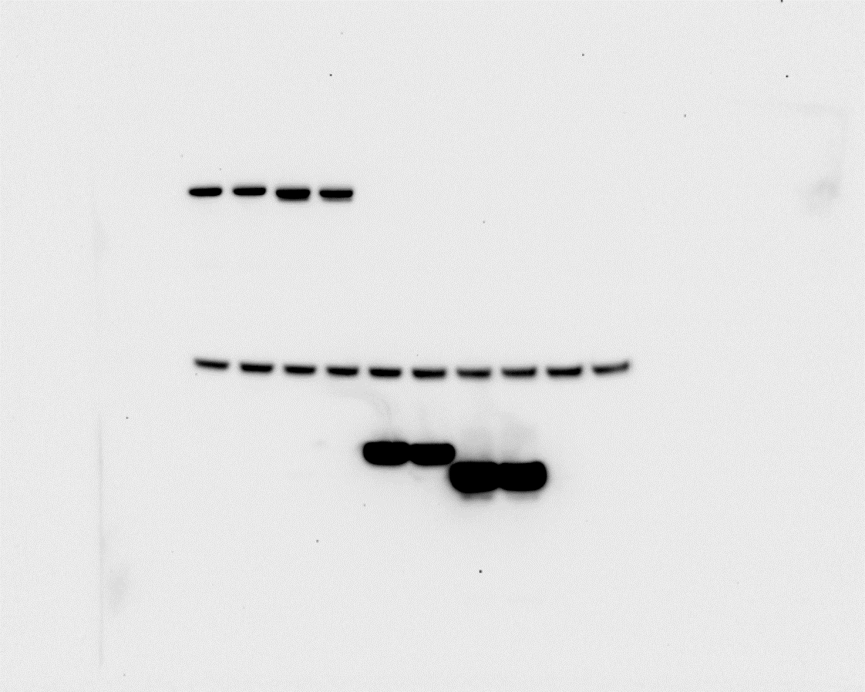
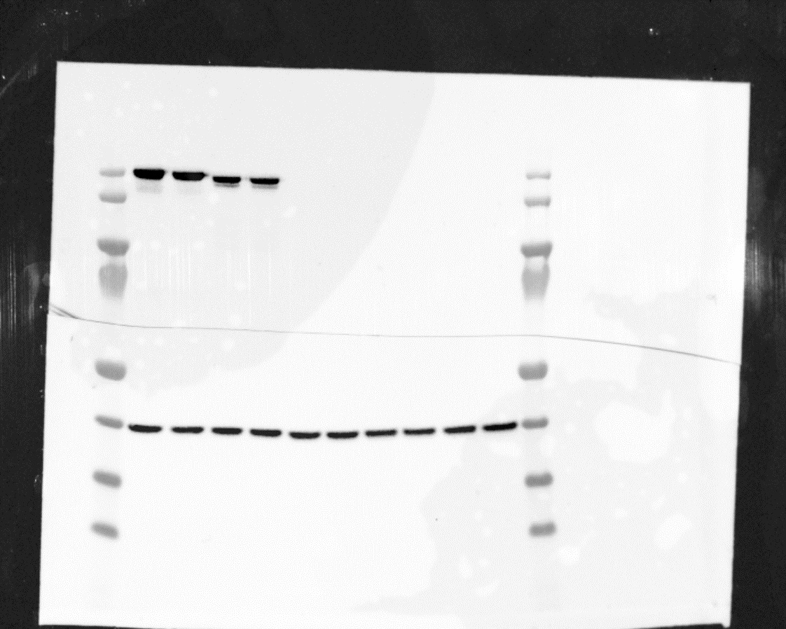
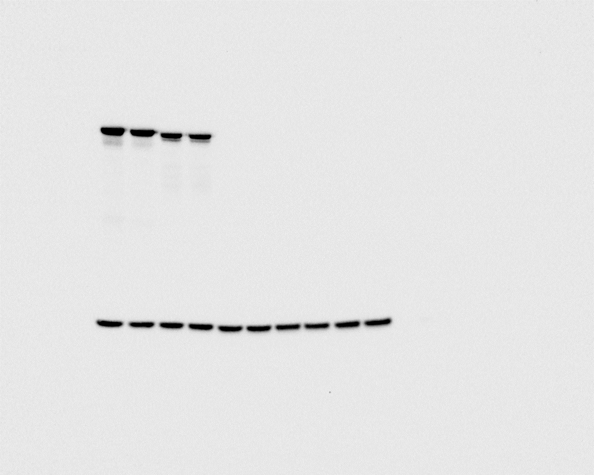

1
*
*
*
4
*
1
4
BirA-P3F
anti-Flag AB
BirA-P3F
anti-FOXO1 AB

2
*
*
2
beta-Tubulin
3
*
*
3
5
*
5
*
BirA
anti-Flag AB
GAPDH

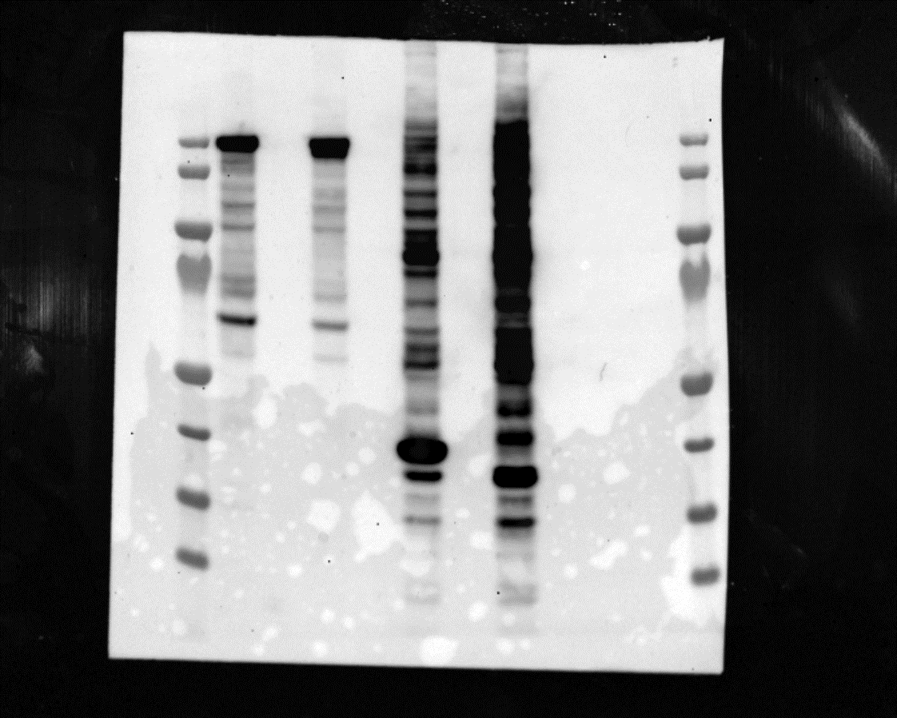
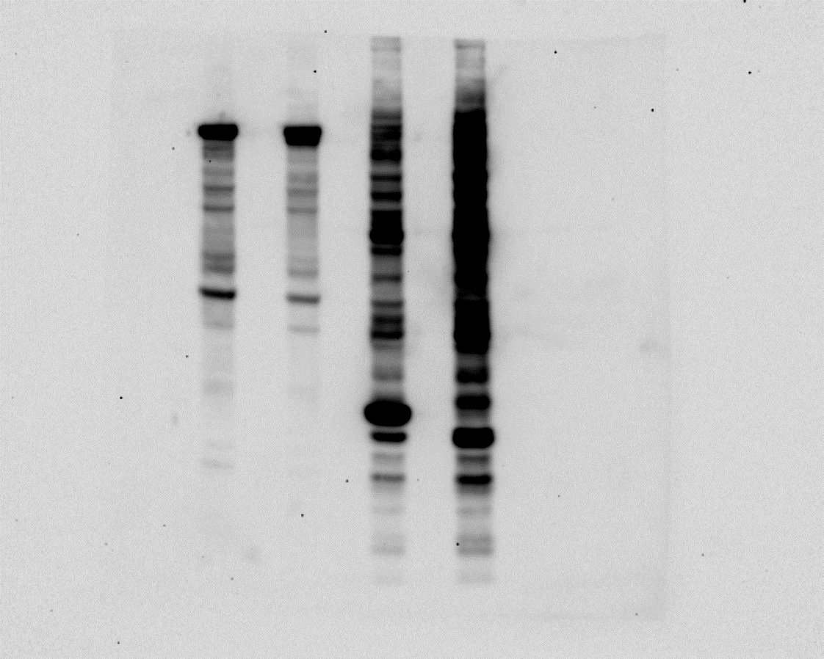
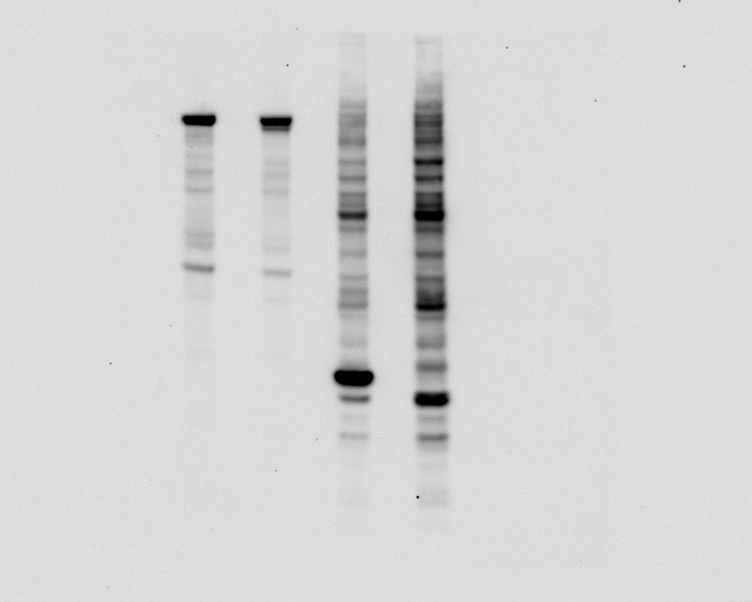
6
7
6
7

Strep-HRP
Strep-HRP

Fig. S2D
merged raw image (* indicates corrsponding unmerged raw image)
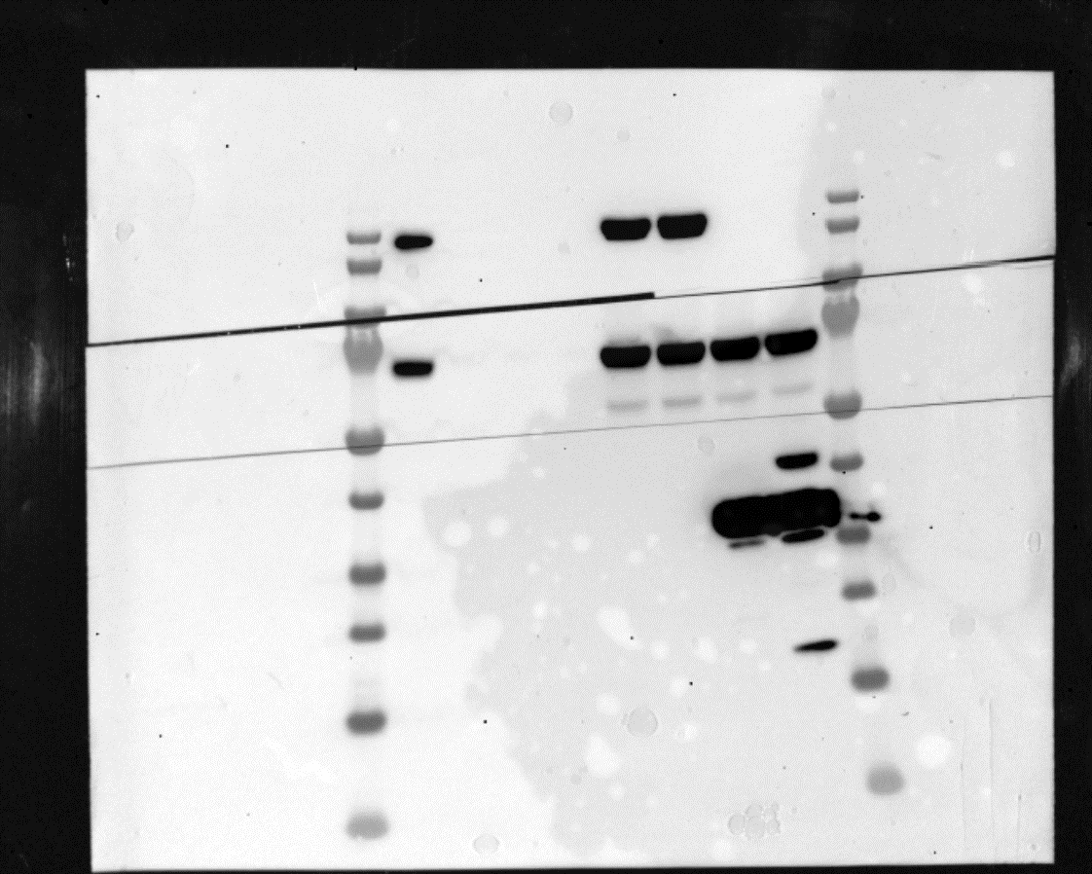

Input
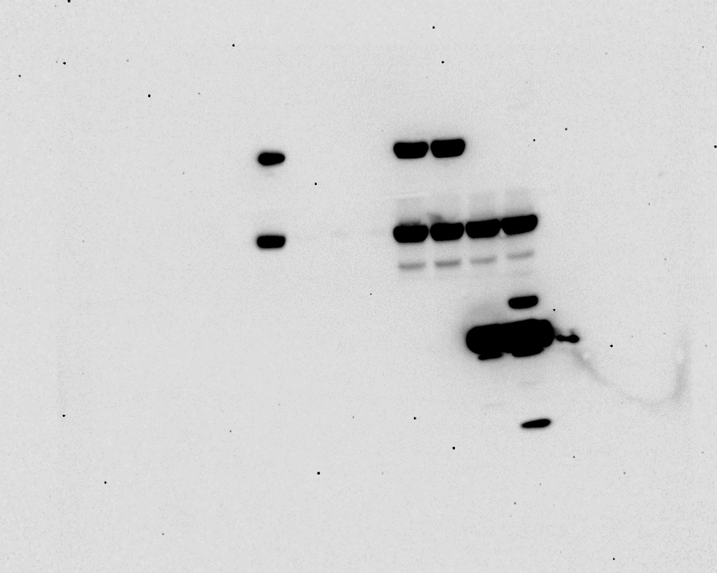
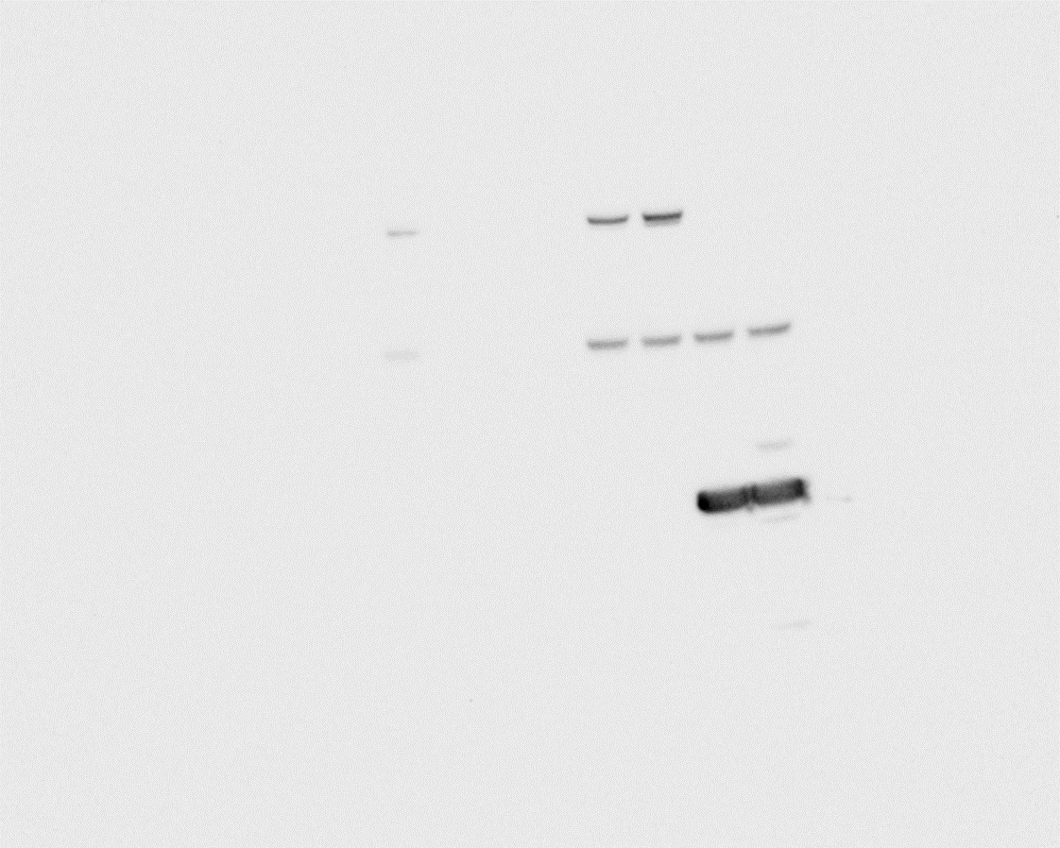
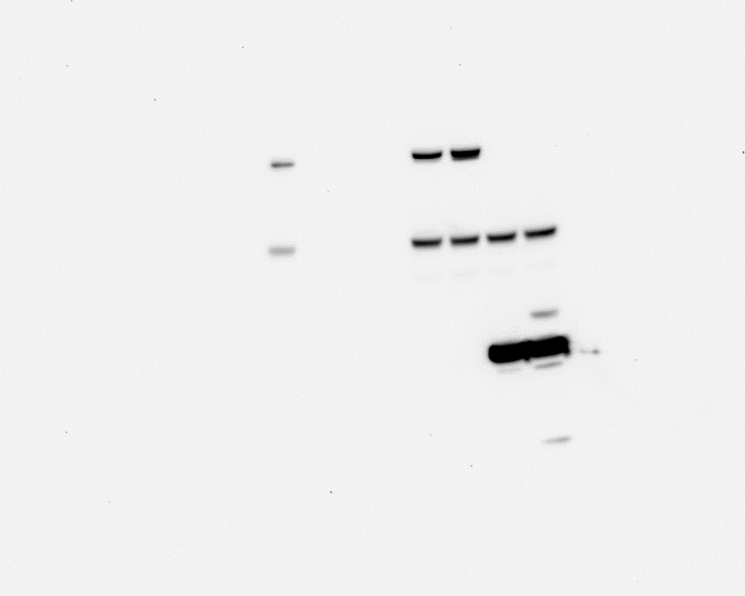
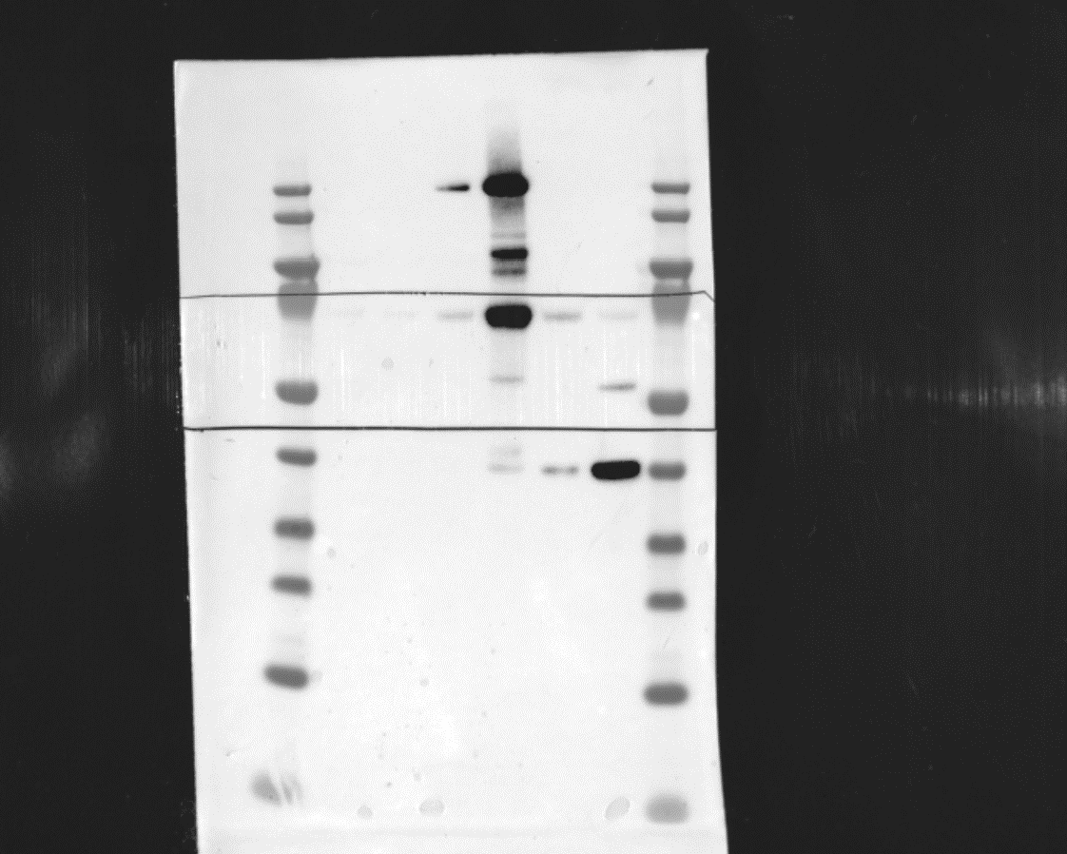
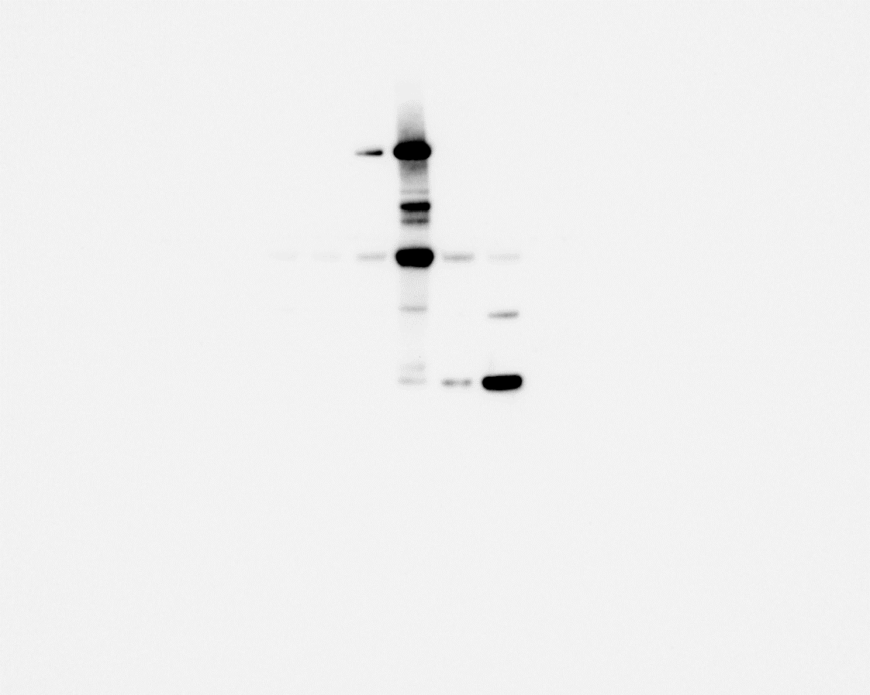

1
*
IP
IP
1
*
*
*
4
BirA-P3F
4
anti-Flag AB
*
BirA-P3F
anti-Flag AB
*
*
2
2
*
5
PLK1
5
PLK1
3
*
3
*
*
*
6
6
anti-Flag AB
BirA only
anti-Flag AB
BirA only

same samples reloaded

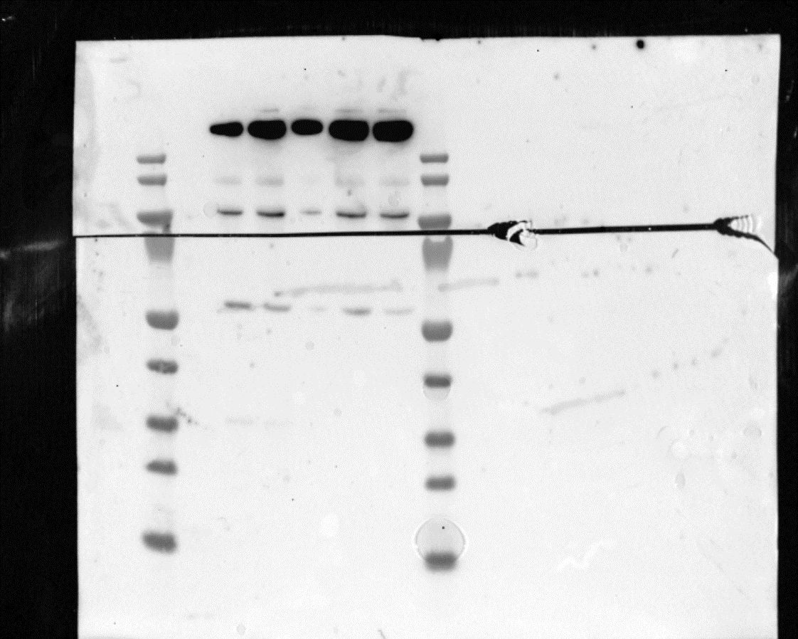
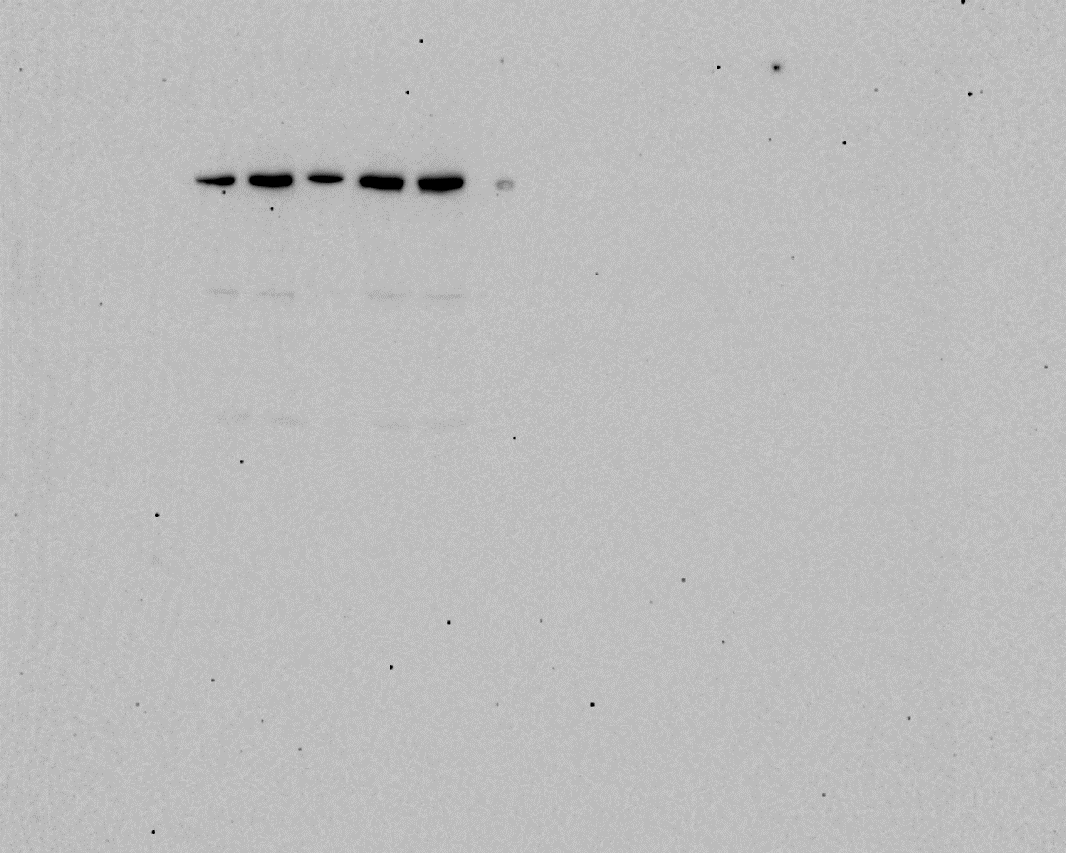
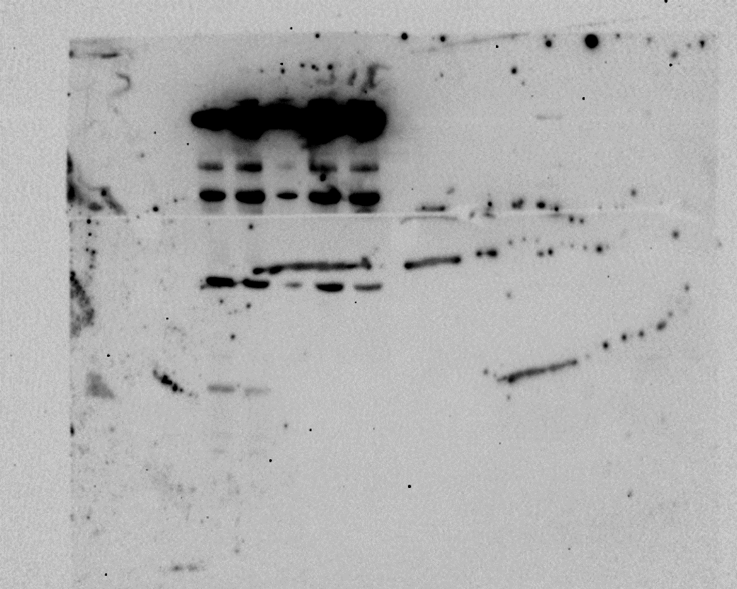
Input
IP
Input
IP
Input
IP
7
7
*
9
*
9
*
*
BRG1
BRG1

8
10
8
*
10
*
*
*
MYCN
MYCN

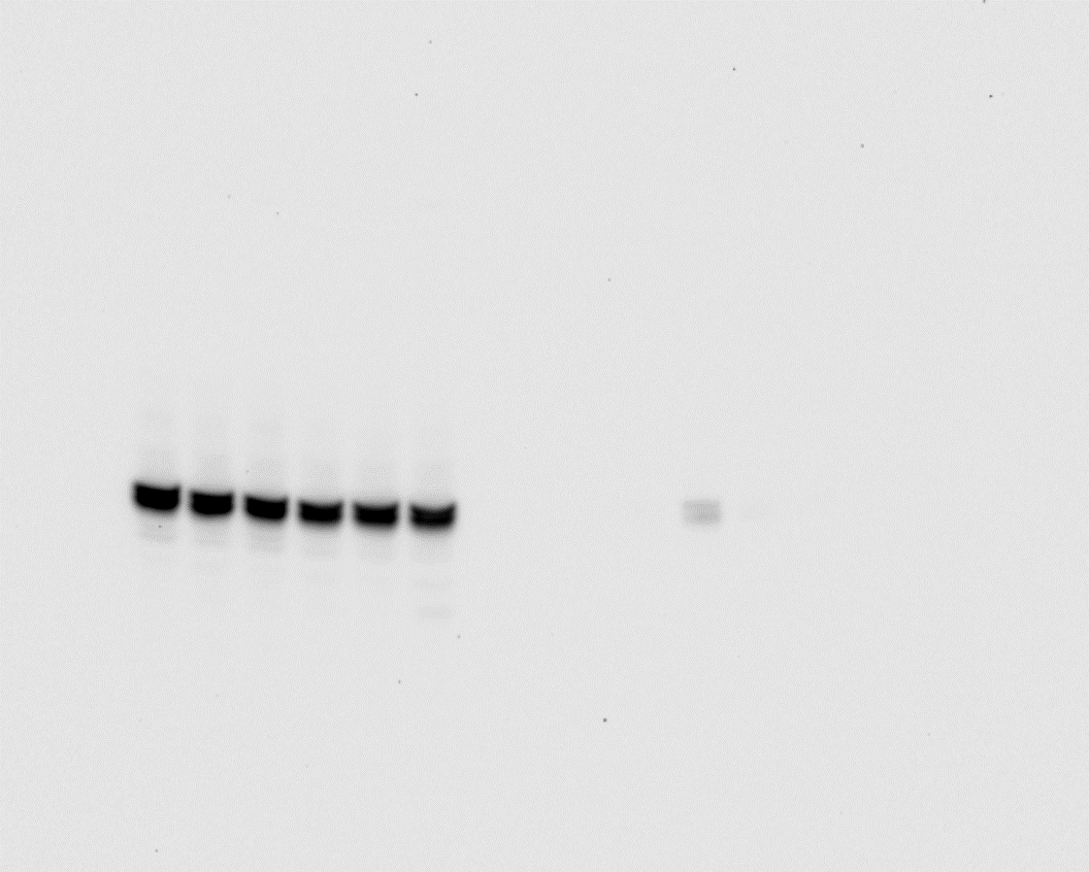
same samples reloaded
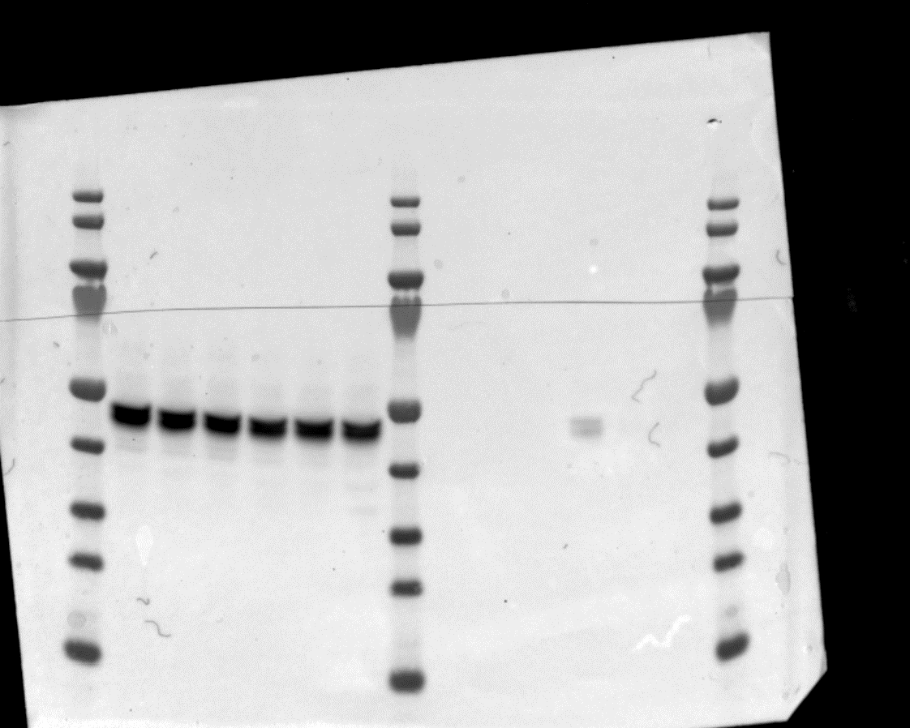
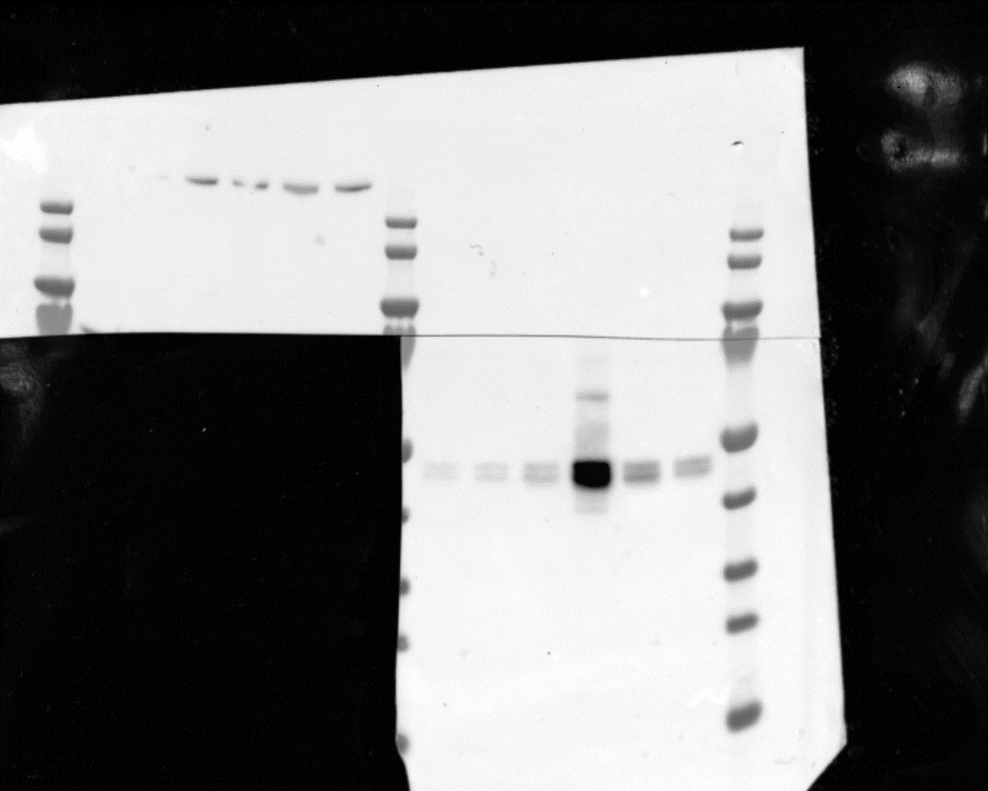
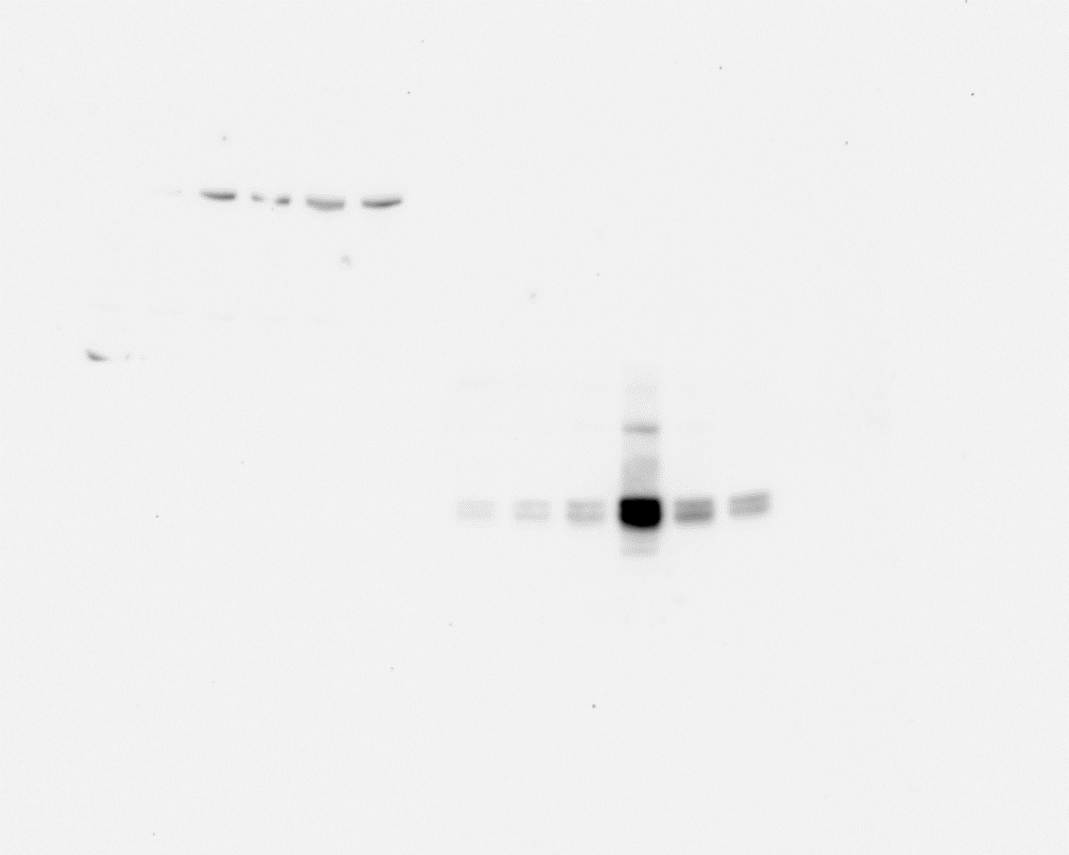

Input
IP
Input
IP
Input
IP
Input
IP

*
11
11
12
*
12
*
*
BAF47
BAF47

same blot restained
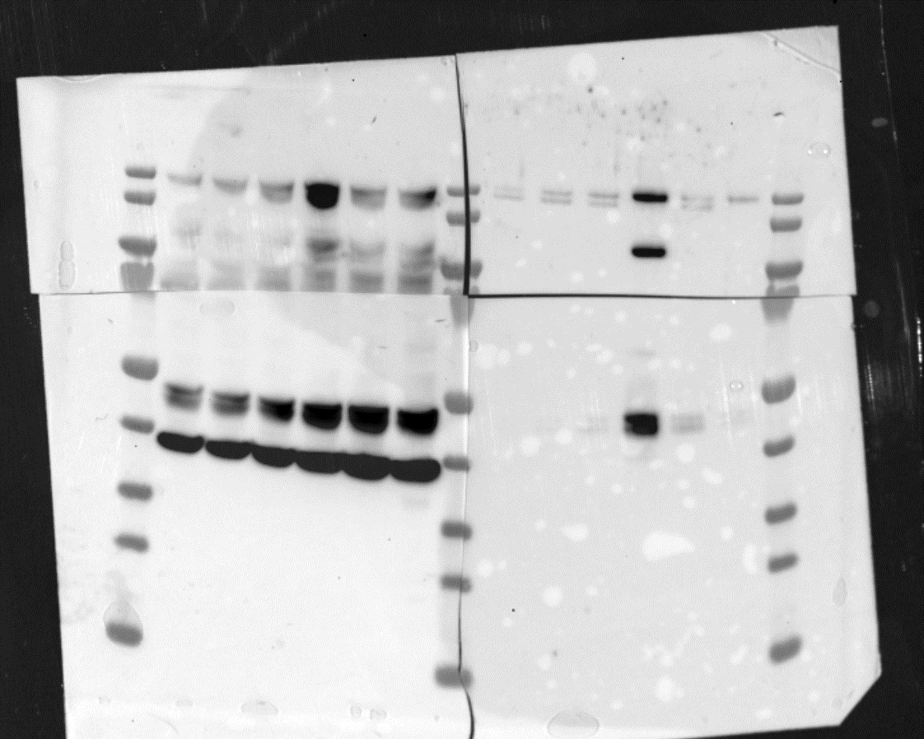
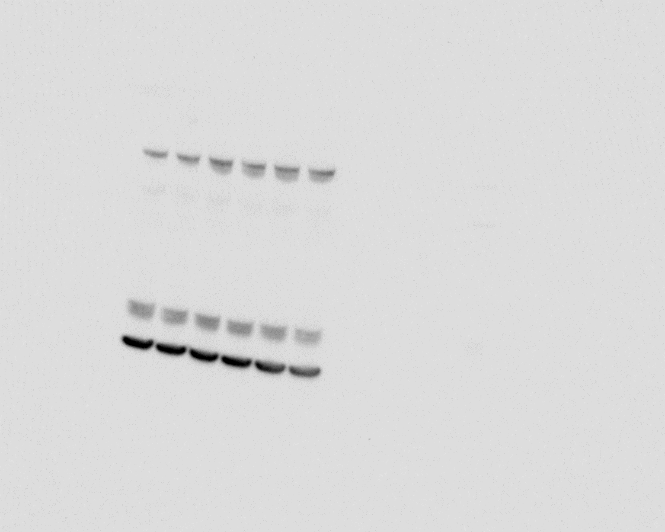
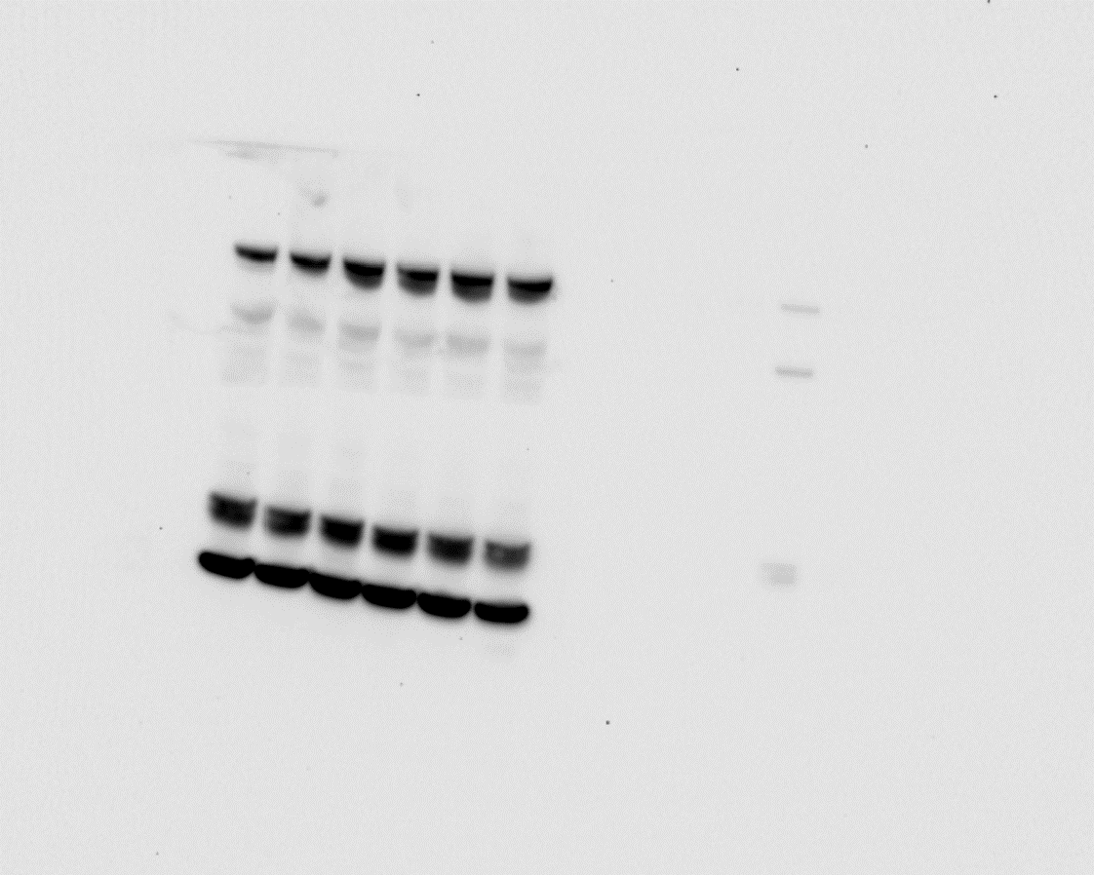
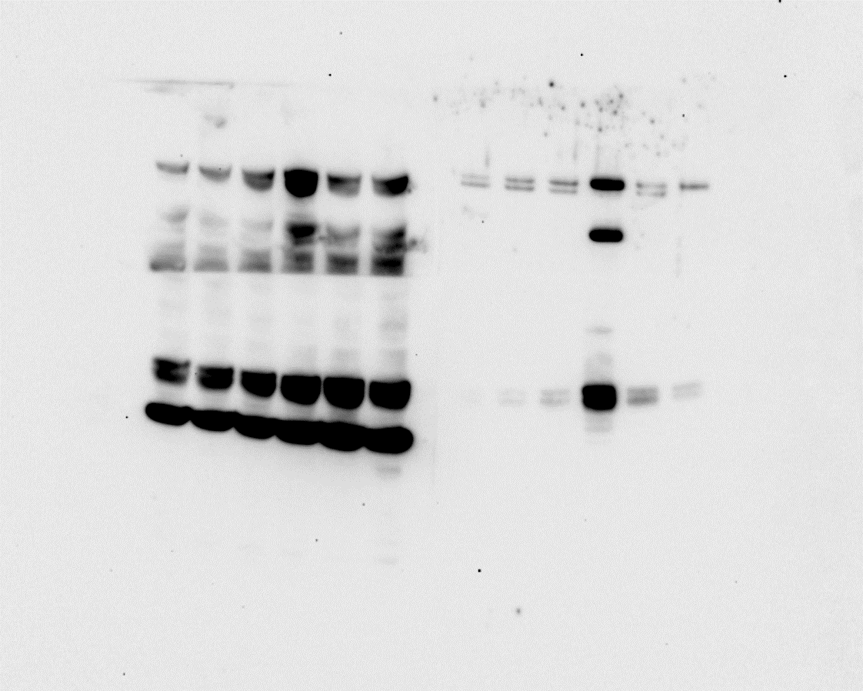

Input
IP
Input
IP
Input
IP
13
14
Input
IP
*
*
13
14
*
*
SMARCC1
SMARCC1

15
16
*
*
*
15
16
*

Fig. S2E
merged raw image (* indicates corrsponding unmerged raw image) |  | same samples reloaded
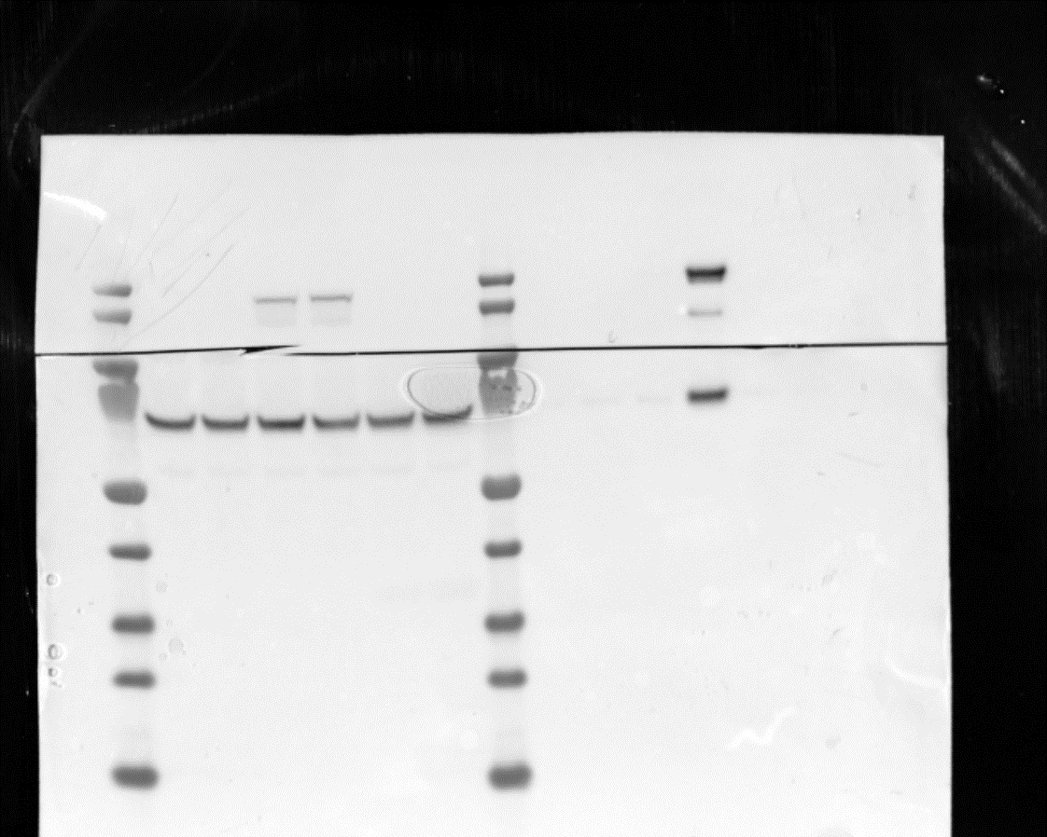
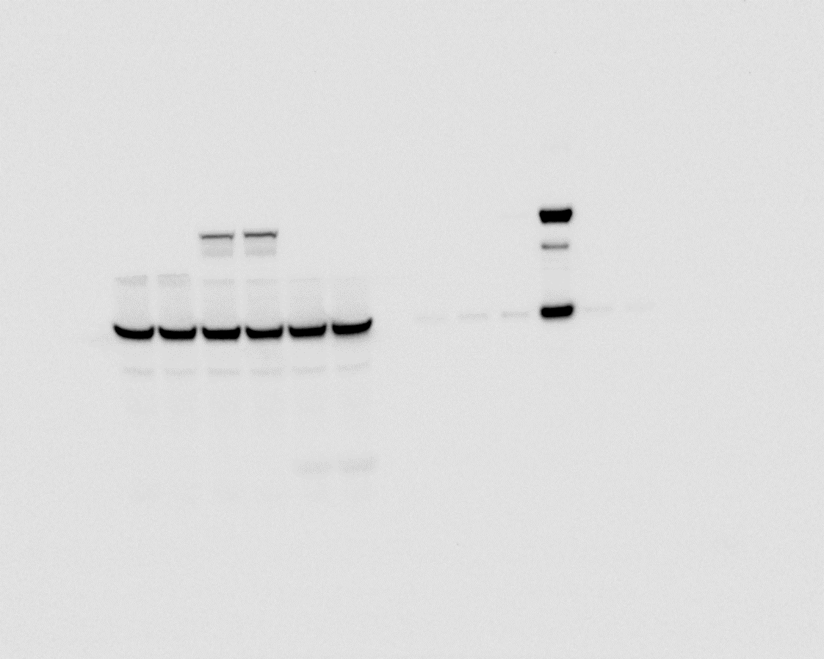
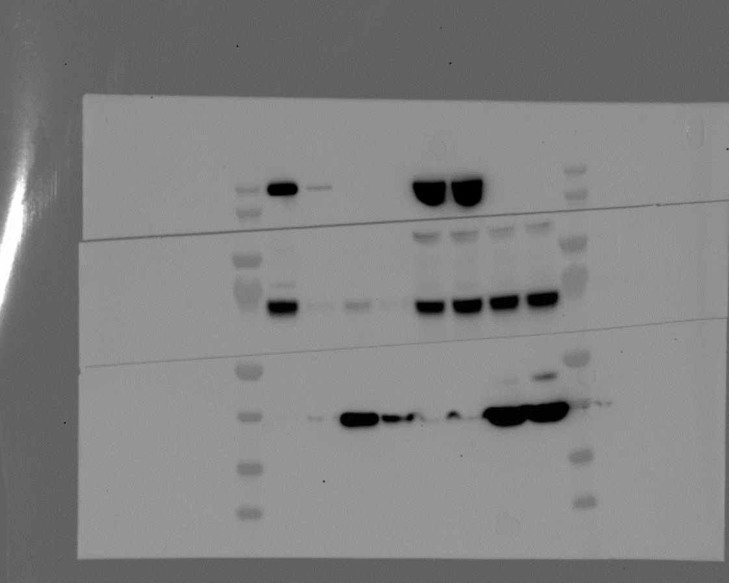
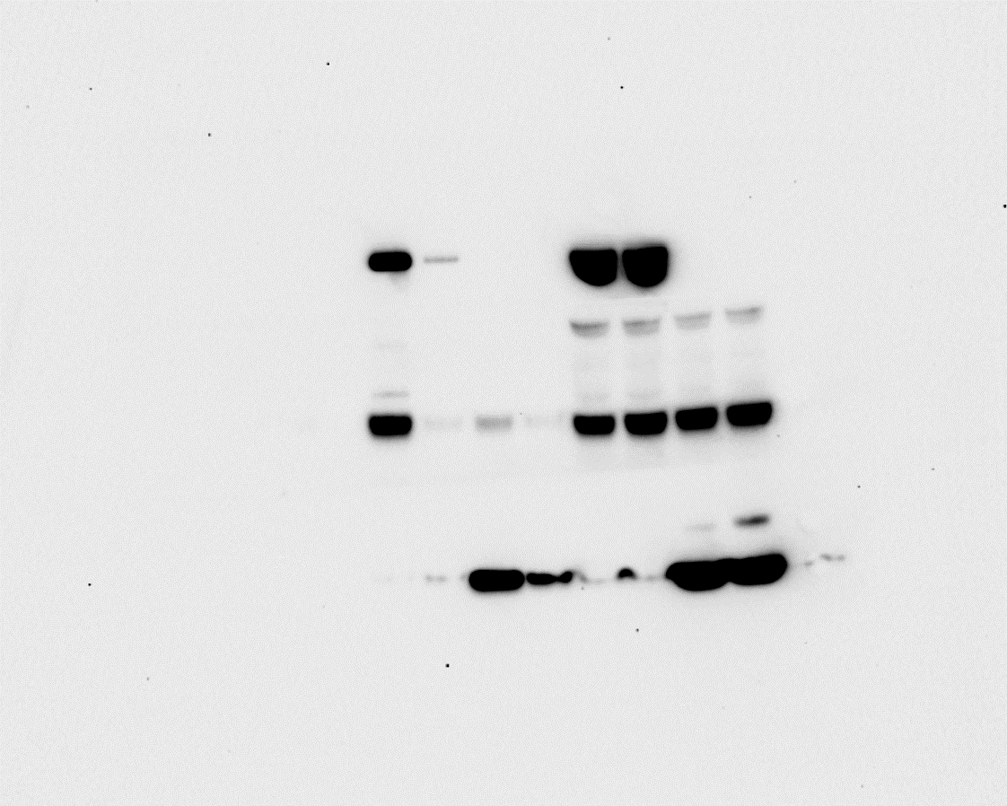

Input
IP
IP
anti-Flag AB
IP
Input
Input
Input
IP
*
1
2
1
2
*
*
BirA-P3F
*
BirA-P3F

4
4
*
3
*
*
3
*
PLK1
PLK1

5
*
6
*
5
*
6
*

BirA only

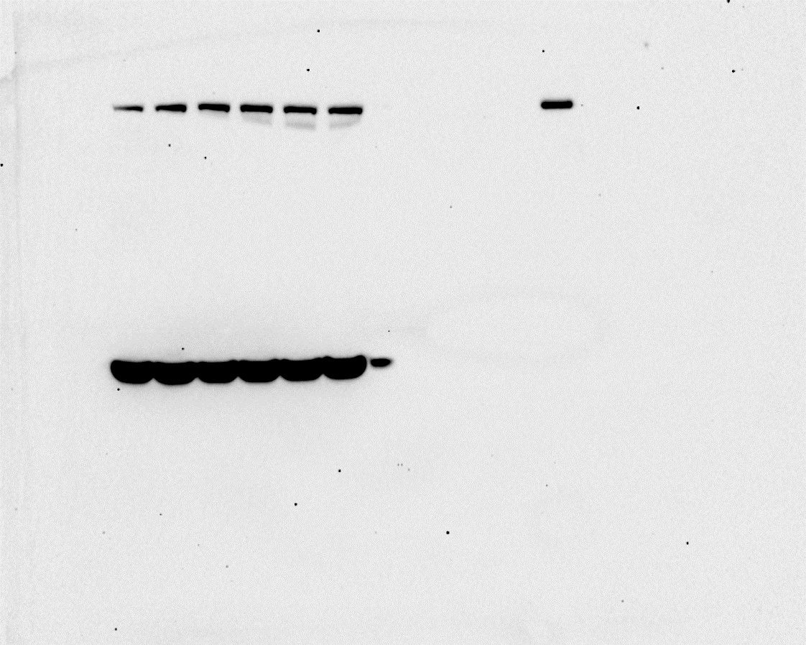
same samples reloaded
 |  |  | long exposure
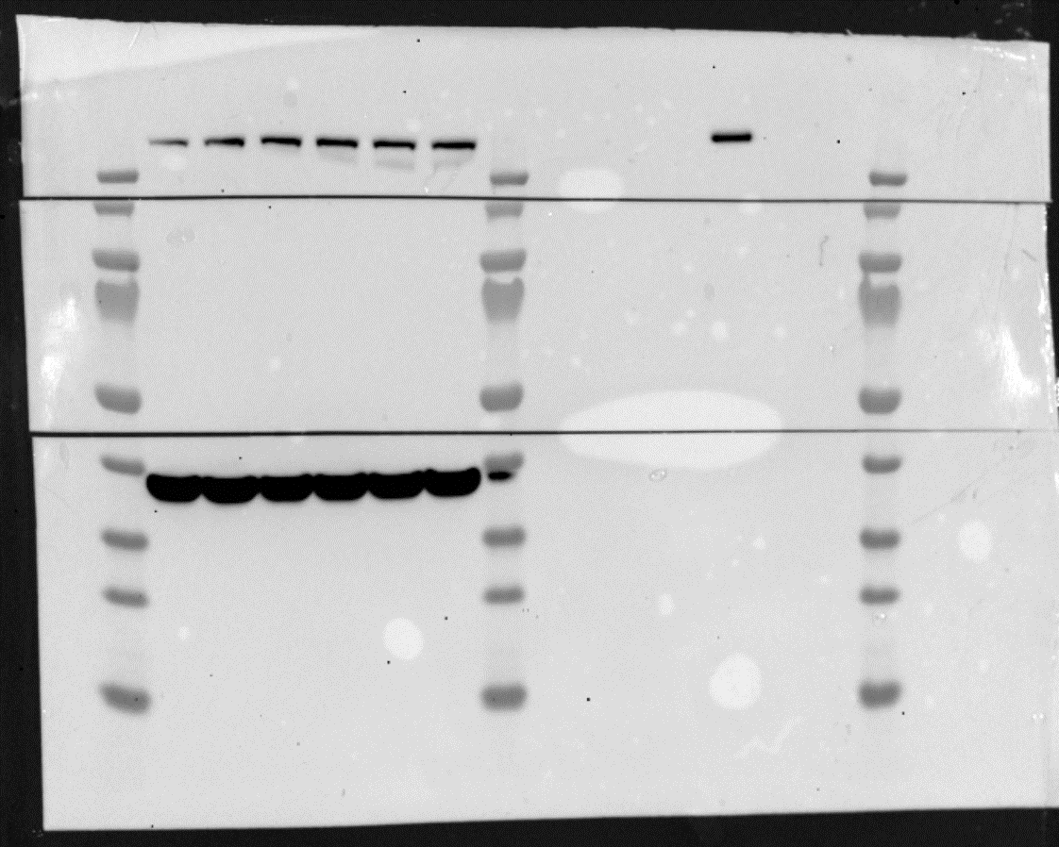
Input
IP
Input
IP
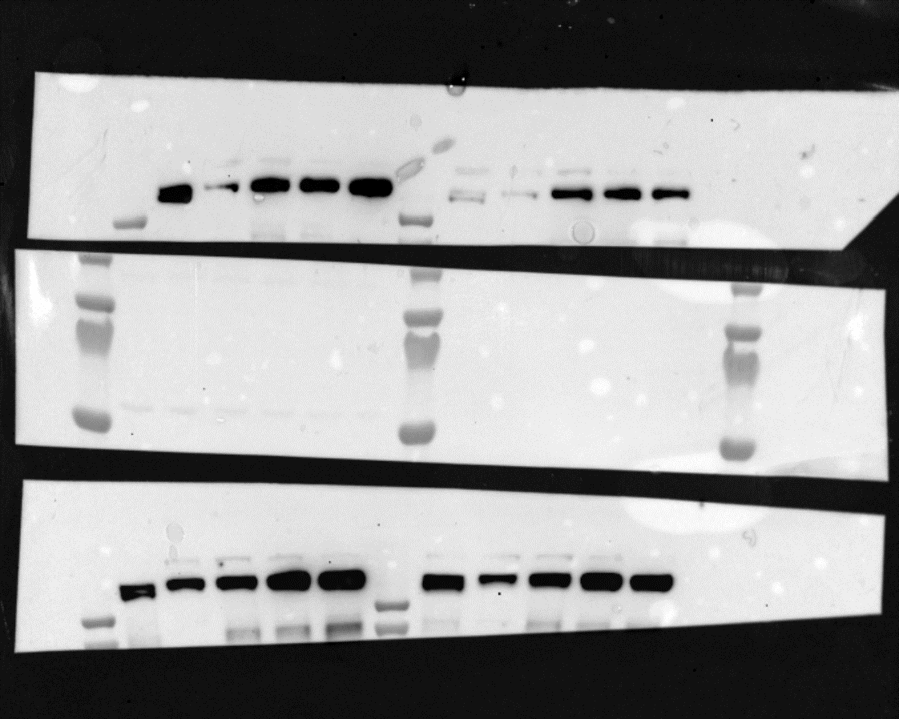
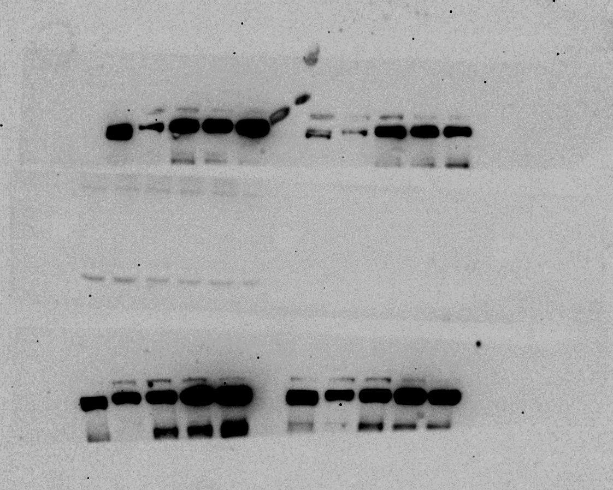
Input
IP
7
8
BRG1
7
8
*
*
*
*
BRG1

*
*
9
10
9

same samples reloaded
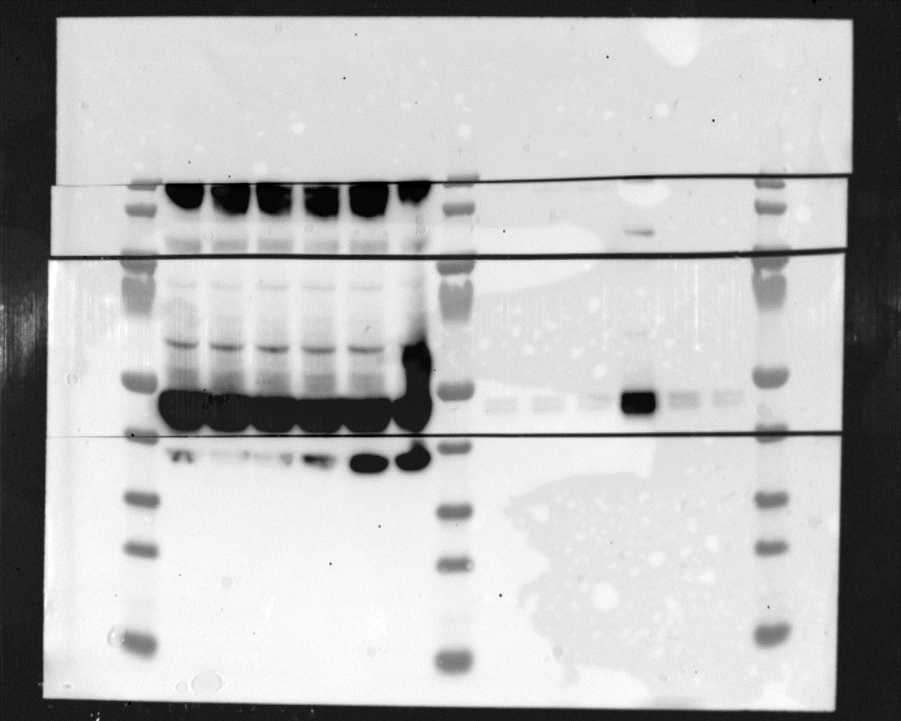
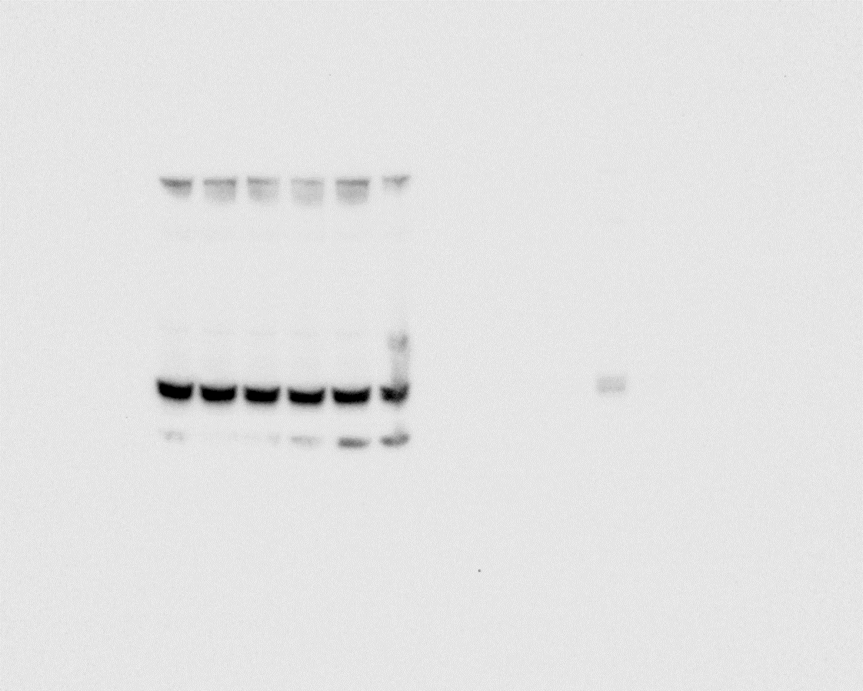
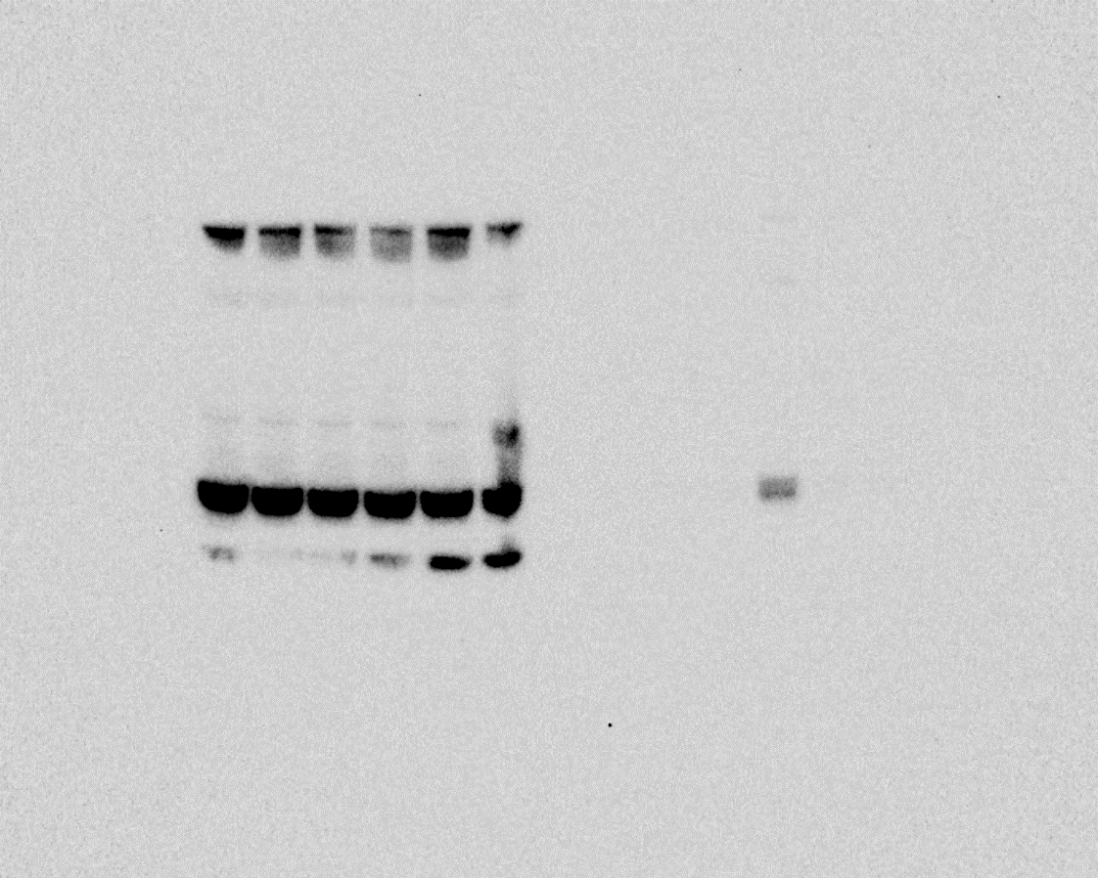
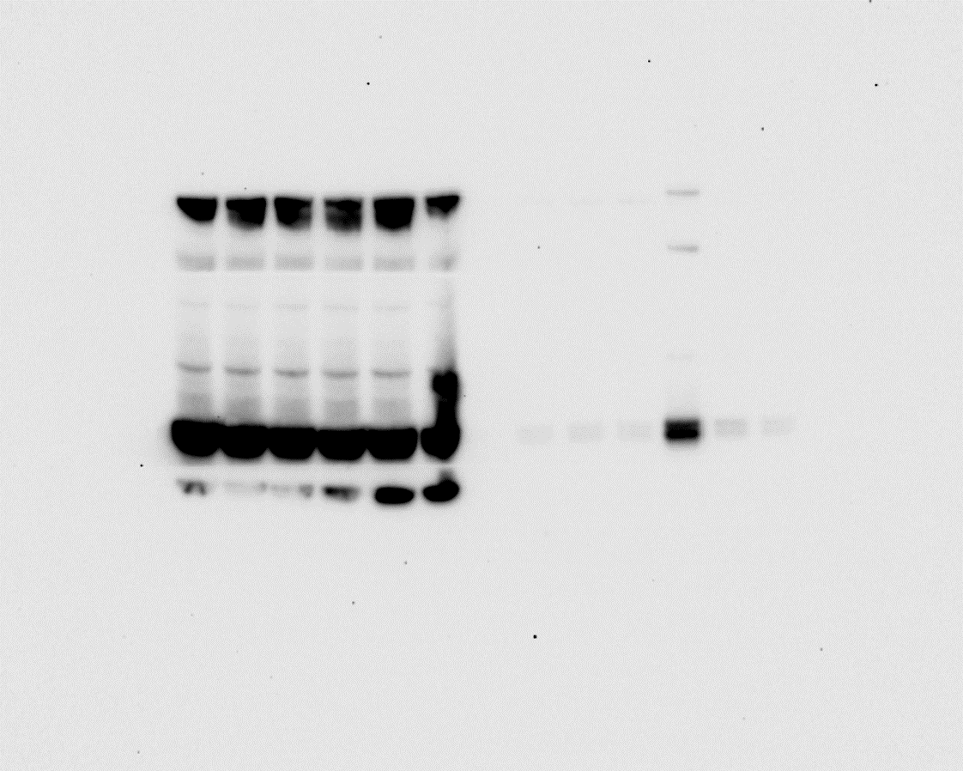
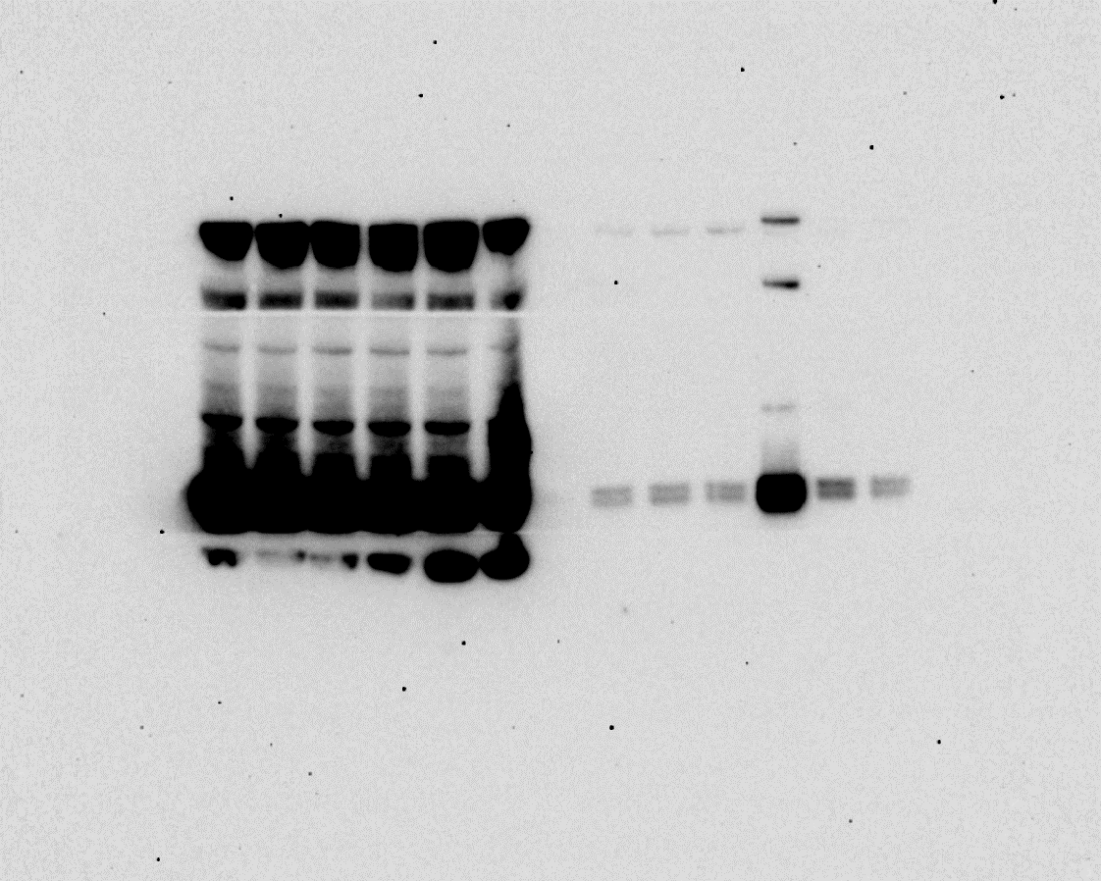

Fig. S2F
merged raw image (* indicates corrsponding unmerged raw image) |  | long exposure

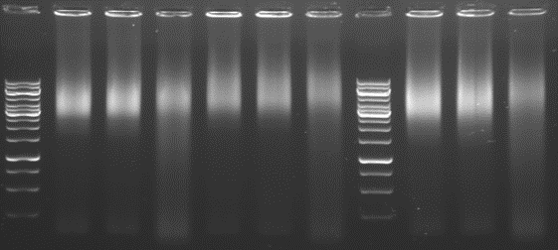

Fig. S3
Fig.S3C
merged raw image (* indicates corrsponding unmerged raw image) |  |  | long exposure
*
1

*
anti-FOXO1 AB
*
2
2
P3F
FOXO1
*
*
*
*
3
3
1
1
MHC

beta-Tubulin

Fig.S3D
RH4 | % of Input (spike-in normalized) | Corresponding spike-in normalized dCt Values = Ctinput-corr.fact.-Ctsample | Statistics based on dCt Values
...

Fig.S6
Fig.S6A
merged raw image (* indicates corrsponding unmerged raw image) |  |  |  |  |  |  | long exposure |  |  |  |  | same samples reloaded
2
*
*
*
2
2
1
*
*
1
*
BRG1
4
*
4
BRM
*
1
X
P3F
3
*
FOXO1
X
anti-FOXO1 AB
GAPDH

 |  |  |  | RH4 |  | RH5 |  | RHJT
 |  |  | Relative intensities | cis | ACBI1 | cis | ACBI1 | cis | ACBI1
 |  | X | GAPDH | 1 | 0.94 | 1 | 0.31 | 1 | 0.38
 |  | X | P3F | 1 | 0.78 | 1 | 0.37 | 1 | 0.45

 |  | normalized
 |  | to GAPDH |  | 1.00 | 0.83 | 1.00 | 1.19 | 1.00 | 1.18

Fig.S6B
merged raw image (* indicates corrsponding unmerged raw image) |  |  |  |  |  | long exposure |  |  |  |  | same samples reloaded
1
*

BRM
3
*
*
1
BRG1
*
4
*
4
*
1

2
2
3
*
3
*
*
*

GAPDH
FOXO1

Fig.S6C | relative viabilities compared to DMSO
Drug concentration (uM) | RD BRG ATPI |  | RH36 BRG ATPI |  |  |  | RH4 BRG ATPI |  |  | RHJT BRG ATPI | RH5 BRG ATPI
...

