Figure S4(a)
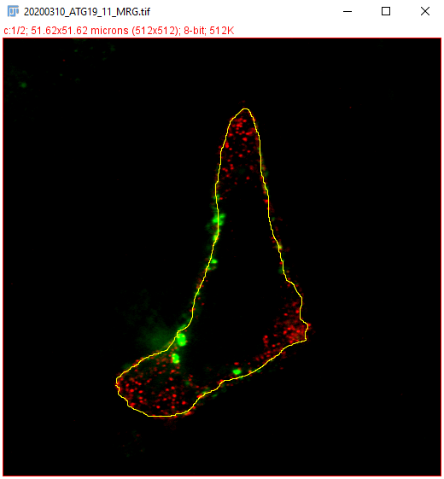
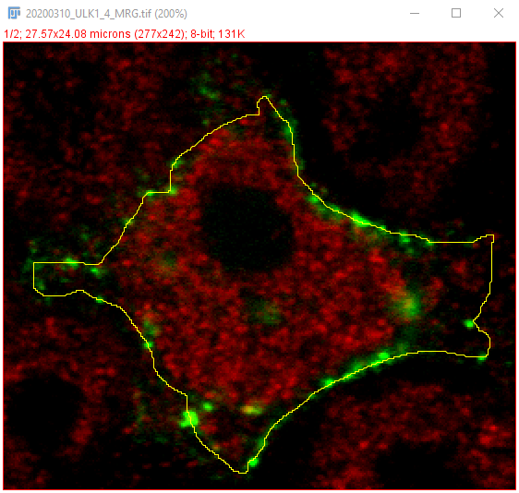
Line profiles
 | LC3B vs ATG9 |  |  |  |  |  |  | LC3B vs ATG14 |  |  |  |  |  |  | LC3B vs ULK1
 | Line length (um) | GFP | Bkg GFP | GFP MINUS Bkg | RFP | Bkg RFP | RFP MINUS Bkg | Line length (um) | GFP | Bkg GFP | GFP MINUS Bkg | RFP | Bkg RFP | RFP MINUS Bkg | Line length (um) | GFP | Bkg GFP | GFP MINUS Bkg | RFP | Bkg RFP | RFP MINUS Bkg
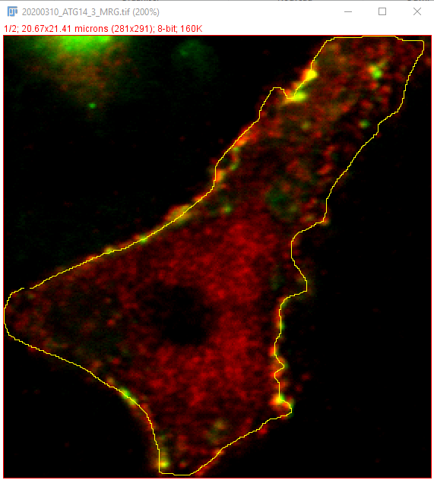
 | 0 | 28 | 11 | 17 | 132 | 6.15 | 125.85 | 0 | 28 | 19.75 | 8.25 | 37 | 6.4 | 30.6 | 0 | 32 | 9.6 | 22.4 | 11 | 9.8 | 1.2
 | 0.101 | 33.314 | 11 | 22.314 | 110.994 | 6.15 | 104.844 | 0.0736 | 33 | 19.75 | 13.25 | 37 | 6.4 | 30.6 | 0.0995 | 41 | 9.6 | 31.4 | 24 | 9.8 | 14.2
 | 0.202 | 35.3 | 11 | 24.3 | 85.5 | 6.15 | 79.35 | 0.1471 | 37 | 19.75 | 17.25 | 49 | 6.4 | 42.6 | 0.199 | 45 | 9.6 | 35.4 | 27 | 9.8 | 17.2
 | 0.302 | 38.32 | 11 | 27.32 | 74.36 | 6.15 | 68.21 | 0.2207 | 39.828 | 19.75 | 20.078 | 55.914 | 6.4 | 49.514 | 0.2985 | 60 | 9.6 | 50.4 | 25 | 9.8 | 15.2
 | 0.403 | 36.36 | 11 | 25.36 | 65.08 | 6.15 | 58.93 | 0.2943 | 47.6 | 19.75 | 27.85 | 58.04 | 6.4 | 51.64 | 0.3981 | 81 | 9.6 | 71.4 | 19 | 9.8 | 9.2
 | 0.504 | 34.34 | 11 | 23.34 | 60.34 | 6.15 | 54.19 | 0.3678 | 41.6 | 19.75 | 21.85 | 60.7 | 6.4 | 54.3 | 0.4976 | 133 | 9.6 | 123.4 | 14 | 9.8 | 4.2
 | 0.605 | 34 | 11 | 23 | 58.68 | 6.15 | 52.53 | 0.4414 | 45 | 19.75 | 25.25 | 66 | 6.4 | 59.6 | 0.5971 | 100 | 9.6 | 90.4 | 14 | 9.8 | 4.2
 | 0.706 | 41.393 | 11 | 30.393 | 54.67 | 6.15 | 48.52 | 0.5149 | 46 | 19.75 | 26.25 | 72 | 6.4 | 65.6 | 0.6966 | 148 | 9.6 | 138.4 | 18 | 9.8 | 8.2
 | 0.807 | 42.181 | 11 | 31.181 | 53.642 | 6.15 | 47.492 | 0.5885 | 44.793 | 19.75 | 25.043 | 63.565 | 6.4 | 57.165 | 0.7961 | 163 | 9.6 | 153.4 | 20 | 9.8 | 10.2
 | 0.907 | 37.612 | 11 | 26.612 | 46.463 | 6.15 | 40.313 | 0.6621 | 45.98 | 19.75 | 26.23 | 62.34 | 6.4 | 55.94 | 0.8956 | 108 | 9.6 | 98.4 | 13 | 9.8 | 3.2
 | 1.008 | 38.86 | 11 | 27.86 | 58.95 | 6.15 | 52.8 | 0.7356 | 45.12 | 19.75 | 25.37 | 51.66 | 6.4 | 45.26 | 0.9951 | 95 | 9.6 | 85.4 | 20 | 9.8 | 10.2
 | 1.109 | 41.79 | 11 | 30.79 | 73.95 | 6.15 | 67.8 | 0.8092 | 42 | 19.75 | 22.25 | 44 | 6.4 | 37.6 | 1.0947 | 53 | 9.6 | 43.4 | 21 | 9.8 | 11.2
 | 1.21 | 45 | 11 | 34 | 67 | 6.15 | 60.85 | 0.8828 | 34 | 19.75 | 14.25 | 36 | 6.4 | 29.6 | 1.1942 | 43 | 9.6 | 33.4 | 22 | 9.8 | 12.2
 | 1.311 | 50 | 11 | 39 | 85 | 6.15 | 78.85 | 0.9563 | 33 | 19.75 | 13.25 | 33 | 6.4 | 26.6 | 1.2937 | 39 | 9.6 | 29.4 | 16 | 9.8 | 6.2
 | 1.411 | 51 | 11 | 40 | 61 | 6.15 | 54.85 | 1.0299 | 32.621 | 19.75 | 12.871 | 32.914 | 6.4 | 26.514 | 1.3932 | 39.621 | 9.6 | 30.021 | 16.2929 | 9.8 | 6.4929
 | 1.512 | 50.672 | 11 | 39.672 | 61.157 | 6.15 | 55.007 | 1.1034 | 33.64 | 19.75 | 13.89 | 37.28 | 6.4 | 30.88 | 1.4927 | 37.68 | 9.6 | 28.08 | 21.62 | 9.8 | 11.82
 | 1.613 | 46.889 | 11 | 35.889 | 59.81 | 6.15 | 53.66 | 1.177 | 36.32 | 19.75 | 16.57 | 40.66 | 6.4 | 34.26 | 1.5922 | 31.36 | 9.6 | 21.76 | 14.6 | 9.8 | 4.8
 | 1.714 | 38.717 | 11 | 27.717 | 66.549 | 6.15 | 60.399 | 1.2506 | 37 | 19.75 | 17.25 | 46.64 | 6.4 | 40.24 | 1.6917 | 47 | 9.6 | 37.4 | 24 | 9.8 | 14.2
 | 1.815 | 45.653 | 11 | 34.653 | 84.692 | 6.15 | 78.542 | 1.3241 | 37 | 19.75 | 17.25 | 47 | 6.4 | 40.6 | 1.7913 | 36 | 9.6 | 26.4 | 21 | 9.8 | 11.2
 | 1.916 | 46.714 | 11 | 35.714 | 104.492 | 6.15 | 98.342 | 1.3977 | 35.5 | 19.75 | 15.75 | 45.95 | 6.4 | 39.55 | 1.8908 | 48 | 9.6 | 38.4 | 25 | 9.8 | 15.2
 | 2.016 | 50.87 | 11 | 39.87 | 115.01 | 6.15 | 108.86 | 1.4713 | 37.96 | 19.75 | 18.21 | 51.9 | 6.4 | 45.5 | 1.9903 | 49.207 | 9.6 | 39.607 | 28.3787 | 9.8 | 18.5787
 | 2.117 | 60.3 | 11 | 49.3 | 114.27 | 6.15 | 108.12 | 1.5448 | 39.34 | 19.75 | 19.59 | 53.04 | 6.4 | 46.64 | 2.0898 | 62.54 | 9.6 | 52.94 | 28.38 | 9.8 | 18.58
 | 2.218 | 64.948 | 11 | 53.948 | 97.098 | 6.15 | 90.948 | 1.6184 | 39 | 19.75 | 19.25 | 48.952 | 6.4 | 42.552 | 2.1893 | 66.36 | 9.6 | 56.76 | 24.02 | 9.8 | 14.22
 | 2.319 | 64.48 | 11 | 53.48 | 89.82 | 6.15 | 83.67 | 1.6919 | 41.058 | 19.75 | 21.308 | 50.212 | 6.4 | 43.812 | 2.2888 | 56.42 | 9.6 | 46.82 | 21.02 | 9.8 | 11.22
 | 2.42 | 60.423 | 11 | 49.423 | 95.153 | 6.15 | 89.003 | 1.7655 | 44.849 | 19.75 | 25.099 | 56.463 | 6.4 | 50.063 | 2.3883 | 46.72 | 9.6 | 37.12 | 19.34 | 9.8 | 9.54
 | 2.52 | 62.881 | 11 | 51.881 | 64.824 | 6.15 | 58.674 | 1.8391 | 45 | 19.75 | 25.25 | 55.14 | 6.4 | 48.74 | 2.4879 | 29.9 | 9.6 | 20.3 | 21.82 | 9.8 | 12.02
 | 2.621 | 62.85 | 11 | 51.85 | 56.319 | 6.15 | 50.169 | 1.9126 | 53.37 | 19.75 | 33.62 | 49.42 | 6.4 | 43.02 | 2.5874 | 43 | 9.6 | 33.4 | 29 | 9.8 | 19.2
 | 2.722 | 61 | 11 | 50 | 54.58 | 6.15 | 48.43 | 1.9862 | 48.877 | 19.75 | 29.127 | 50.123 | 6.4 | 43.723 | 2.6869 | 38.515 | 9.6 | 28.915 | 27.7426 | 9.8 | 17.9426
 | 2.823 | 66.67 | 11 | 55.67 | 58.05 | 6.15 | 51.9 | 2.0598 | 47.76 | 19.75 | 28.01 | 42.94 | 6.4 | 36.54 | 2.7864 | 42.3 | 9.6 | 32.7 | 21.36 | 9.8 | 11.56
 | 2.924 | 61.631 | 11 | 50.631 | 56.962 | 6.15 | 50.812 | 2.1333 | 45.037 | 19.75 | 25.287 | 40.213 | 6.4 | 33.813 | 2.8859 | 35.957 | 9.6 | 26.357 | 22.8474 | 9.8 | 13.0474
 | 3.024 | 52.207 | 11 | 41.207 | 56.221 | 6.15 | 50.071 | 2.2069 | 44.7 | 19.75 | 24.95 | 43.45 | 6.4 | 37.05 | 2.9854 | 30.68 | 9.6 | 21.08 | 27.17 | 9.8 | 17.37
 | 3.125 | 47.5 | 11 | 36.5 | 64.6 | 6.15 | 58.45 | 2.2804 | 43.55 | 19.75 | 23.8 | 50.45 | 6.4 | 44.05 | 3.0849 | 35.63 | 9.6 | 26.03 | 25.84 | 9.8 | 16.04
 | 3.226 | 56.9 | 11 | 45.9 | 76.65 | 6.15 | 70.5 | 2.354 | 42.04 | 19.75 | 22.29 | 47.4 | 6.4 | 41 | 3.1845 | 49.7 | 9.6 | 40.1 | 16.18 | 9.8 | 6.38
 | 3.327 | 54.9 | 11 | 43.9 | 89.1 | 6.15 | 82.95 | 2.4276 | 42.03 | 19.75 | 22.28 | 49.85 | 6.4 | 43.45 | 3.284 | 51 | 9.6 | 41.4 | 26 | 9.8 | 16.2
 | 3.428 | 55.4 | 11 | 44.4 | 101.2 | 6.15 | 95.05 | 2.5011 | 42 | 19.75 | 22.25 | 57.76 | 6.4 | 51.36 | 3.3835 | 54 | 9.6 | 44.4 | 18 | 9.8 | 8.2
 | 3.529 | 61 | 11 | 50 | 129.26 | 6.15 | 123.11 | 2.5747 | 46 | 19.75 | 26.25 | 62 | 6.4 | 55.6 | 3.483 | 44.757 | 9.6 | 35.157 | 14.3431 | 9.8 | 4.5431
 | 3.629 | 59.463 | 11 | 48.463 | 125.755 | 6.15 | 119.605 | 2.6483 | 49 | 19.75 | 29.25 | 61 | 6.4 | 54.6 | 3.5825 | 34.7 | 9.6 | 25.1 | 14.66 | 9.8 | 4.86
 | 3.73 | 58.71 | 11 | 47.71 | 110.97 | 6.15 | 104.82 | 2.7218 | 50 | 19.75 | 30.25 | 76 | 6.4 | 69.6 | 3.682 | 29.24 | 9.6 | 19.64 | 13.12 | 9.8 | 3.32
 | 3.831 | 50.44 | 11 | 39.44 | 97.36 | 6.15 | 91.21 | 2.7954 | 49.586 | 19.75 | 29.836 | 74.343 | 6.4 | 67.943 | 3.7815 | 32 | 9.6 | 22.4 | 11 | 9.8 | 1.2
 | 3.932 | 57.82 | 11 | 46.82 | 75.44 | 6.15 | 69.29 | 2.8689 | 50 | 19.75 | 30.25 | 76.66 | 6.4 | 70.26 | 3.8811 | 27 | 9.6 | 17.4 | 10 | 9.8 | 0.2
 | 4.033 | 58 | 11 | 47 | 55.4 | 6.15 | 49.25 | 2.9425 | 51.32 | 19.75 | 31.57 | 81.62 | 6.4 | 75.22 | 3.9806 | 41 | 9.6 | 31.4 | 10 | 9.8 | 0.2
 | 4.133 | 51 | 11 | 40 | 50 | 6.15 | 43.85 | 3.0161 | 46.36 | 19.75 | 26.61 | 74.6 | 6.4 | 68.2 | 4.0801 | 42.257 | 9.6 | 32.657 | 12.2426 | 9.8 | 2.4426
 | 4.234 | 46 | 11 | 35 | 66 | 6.15 | 59.85 | 3.0896 | 46 | 19.75 | 26.25 | 76 | 6.4 | 69.6 | 4.1796 | 42.7 | 9.6 | 33.1 | 9.36 | 9.8 | -0.44
 | 4.335 | 52 | 11 | 41 | 57 | 6.15 | 50.85 | 3.1632 | 47 | 19.75 | 27.25 | 88 | 6.4 | 81.6 | 4.2791 | 36.3 | 9.6 | 26.7 | 8 | 9.8 | -1.8
 | 4.436 | 50 | 11 | 39 | 71 | 6.15 | 64.85 | 3.2368 | 48 | 19.75 | 28.25 | 84 | 6.4 | 77.6 | 4.3786 | 34.12 | 9.6 | 24.52 | 10.82 | 9.8 | 1.02
 | 4.537 | 53 | 11 | 42 | 89 | 6.15 | 82.85 | 3.3103 | 56 | 19.75 | 36.25 | 90 | 6.4 | 83.6 | 4.4781 | 33 | 9.6 | 23.4 | 11 | 9.8 | 1.2
 | 4.638 | 55 | 11 | 44 | 106 | 6.15 | 99.85 | 3.3839 | 60 | 19.75 | 40.25 | 79 | 6.4 | 72.6 | 4.5777 | 39 | 9.6 | 29.4 | 12 | 9.8 | 2.2
 | 4.738 | 59 | 11 | 48 | 102 | 6.15 | 95.85 | 3.4574 | 58 | 19.75 | 38.25 | 88 | 6.4 | 81.6 | 4.6772 | 28 | 9.6 | 18.4 | 30 | 9.8 | 20.2
 | 4.839 | 58.464 | 11 | 47.464 | 89.944 | 6.15 | 83.794 | 3.531 | 65 | 19.75 | 45.25 | 87 | 6.4 | 80.6 | 4.7767 | 34 | 9.6 | 24.4 | 33 | 9.8 | 23.2
 | 4.94 | 62.851 | 11 | 51.851 | 100.729 | 6.15 | 94.579 | 3.6046 | 74 | 19.75 | 54.25 | 75 | 6.4 | 68.6 | 4.8762 | 27 | 9.6 | 17.4 | 25 | 9.8 | 15.2
 | 5.041 | 67.08 | 11 | 56.08 | 104.48 | 6.15 | 98.33 | 3.6781 | 77.343 | 19.75 | 57.593 | 96.092 | 6.4 | 89.692 | 4.9757 | 31 | 9.6 | 21.4 | 53 | 9.8 | 43.2
 | 5.142 | 66.177 | 11 | 55.177 | 78.991 | 6.15 | 72.841 | 3.7517 | 82.68 | 19.75 | 62.93 | 105.34 | 6.4 | 98.94 | 5.0752 | 28 | 9.6 | 18.4 | 34 | 9.8 | 24.2
 | 5.242 | 75.618 | 11 | 64.618 | 57.402 | 6.15 | 51.252 | 3.8253 | 83.88 | 19.75 | 64.13 | 122.86 | 6.4 | 116.46 | 5.1747 | 25.879 | 9.6 | 16.279 | 31 | 9.8 | 21.2
 | 5.343 | 70.63 | 11 | 59.63 | 48.63 | 6.15 | 42.48 | 3.8988 | 76 | 19.75 | 56.25 | 113 | 6.4 | 106.6 | 5.2743 | 27.64 | 9.6 | 18.04 | 20.08 | 9.8 | 10.28
 | 5.444 | 70.729 | 11 | 59.729 | 63.332 | 6.15 | 57.182 | 3.9724 | 66 | 19.75 | 46.25 | 116 | 6.4 | 109.6 | 5.3738 | 29.94 | 9.6 | 20.34 | 13.18 | 9.8 | 3.38
 | 5.545 | 70.6 | 11 | 59.6 | 72 | 6.15 | 65.85 | 4.0459 | 54 | 19.75 | 34.25 | 104 | 6.4 | 97.6 | 5.4733 | 28 | 9.6 | 18.4 | 15 | 9.8 | 5.2
 | 5.646 | 77.8 | 11 | 66.8 | 70.2 | 6.15 | 64.05 | 4.1195 | 46 | 19.75 | 26.25 | 78 | 6.4 | 71.6 | 5.5728 | 30 | 9.6 | 20.4 | 12 | 9.8 | 2.2
 | 5.747 | 64.541 | 11 | 53.541 | 58.616 | 6.15 | 52.466 | 4.1931 | 49 | 19.75 | 29.25 | 71 | 6.4 | 64.6 | 5.6723 | 23 | 9.6 | 13.4 | 8 | 9.8 | -1.8
 | 5.847 | 51.801 | 11 | 40.801 | 50.809 | 6.15 | 44.659 | 4.2666 | 49 | 19.75 | 29.25 | 66 | 6.4 | 59.6 | 5.7718 | 19.464 | 9.6 | 9.864 | 13.3787 | 9.8 | 3.5787
 | 5.948 | 53.074 | 11 | 42.074 | 51.264 | 6.15 | 45.114 | 4.3402 | 44.672 | 19.75 | 24.922 | 57.565 | 6.4 | 51.165 | 5.8713 | 17.826 | 9.6 | 8.226 | 17.8834 | 9.8 | 8.0834
...

