Figure 1
Fig. 1a - Workflow ilustration

Fig. 1b - WB membrane for G9a

G9a (132 kDa) |  |  |  | GAPDH (37 kDa)
ND 1
ND
2
AD
1
AD
2
AD 3
AD
4
ND 3
ND
4
ND
5
ND
6
AD
5
AD
6
AD
7
AD
8
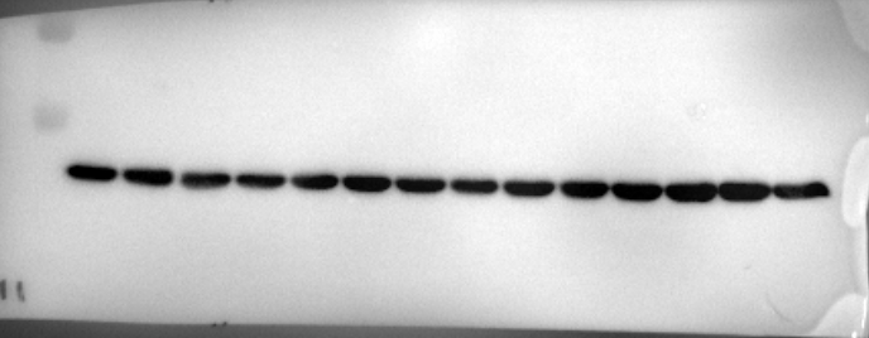
ND 1
ND
2
AD
1
AD
2
AD 3
AD
4
ND 3
ND
4
ND
5
ND
6
AD
5
AD
6
AD
7
AD
8
 |  |  |  |  |  | Antibody | Host | Source/Catalog | WB dilution
 |  |  |  |  |  | H3K9me2 | Rabbit | Epigentek/A-4035 | 1:500
 |  |  |  |  |  | Histone H3 total | Rabbit | Cell signaling/#9715 | 1:1000

Fig. 1c - Individual blots for G9a, and statistics

ND | AD |  | Satistical analysis | t-test
856,6111515* | 238.098978 |  | Unpaired t test
110.787311 | 165.3812691 |  | P value | 0.0488
45.84791805 | 78.11623804 |  | P value summary | *
106.9372749 | 176.5807773 |  | Significantly different (P < 0.05)? | Yes
103.3469246 | 213.0738328 |  | One- or two-tailed P value? | Two-tailed
133.0805715 | 184.5085237 |  | t, df | t=2,215, df=11
 | 117.4516457
 | 109.3897256

Fig. 1d - WB membrane for H3K9me2/H3 total

H3K9me2 (15 kDa) |  |  |  | H3 total (15 kDa)

ND 1
AD
2
ND 2
AD
2
ND 3
AD
3
ND 4
AD
4
AD
5
ND
5
AD
6
AD
7
ND
6
AD
8
 |  |  |  |  |  |  | Antibody | Host | Source/Catalog | WB dilution
 |  |  |  |  |  |  | G9a | Rabbit | Abcam/ab40542 | 0.73611111111
 |  |  |  |  |  |  | H3K9me2 | Rabbit | Epigentek/A-4035 | 0.38888888889
ND 1
AD
2
ND 2
AD
2
ND 3
AD
3
ND 4
AD
4
AD
5
ND
5
AD
6
AD
7
ND
6
AD
8
 |  |  |  |  |  |  | Histone H3 total | Rabbit | Cell signaling/#9715 | 0.73611111111

Fig. 1e - Individual blots for H3K9me2/H3 total, and statistics

ND | AD |  | Satistical analysis | t-test
145.1299 | 74,26628* |  | Unpaired t test
77.51754 | 122.9033 |  | P value | 0.0161
28.76472 | 151.5443 |  | P value summary | *
136.3991 | 232.0121 |  | Significantly different (P < 0.05)? | Yes
116.1831 | 144.1115 |  | One- or two-tailed P value? | Two-tailed
96.00571 | 127.7837 |  | t, df | t=2,838, df=11
 | 239.0367
 | 190.4003

Fig. 1f - Individual blots for the ratio of Aβ42/Aβ40

ND | AD |  | Satistical analysis | t-test
76.8749591 | 457.070306 |  | Unpaired t test
104.206302 | 595.294652 |  | P value | 0.0004
120.178101 | 234.514714 |  | P value summary | ***
93.7762228 | 391.638617 |  | Significantly different (P < 0.05)? | Yes
101.955473 | 239.766197 |  | One- or two-tailed P value? | Two-tailed
103.008942 | 439.399165 |  | t, df | t=5,157, df=10

Fig. 1g - Correlation H3K9me2/H3 total and Aβ42/Aβ40

 | Aβ42/Aβ40 | H3k9me2/H3 total |  | Satistical analysis | Simple Linear regression
ND | 76.8749591 | 28.76472 |  | Best-fit values
ND | 104.206302 | 96.00571 |  | Slope | 0.2394
ND | 120.178101 | 145.1299 |  | Y-intercept | 81.4
ND | 93.7762228 | 77.51754 |  | X-intercept | -340.1
ND | 101.955473 | 116.1831 |  | 1/slope | 4.177
ND | 103.008942 | 136.3991
AD | 457.070306 | 151.5443 |  | Std. Error
AD | 595.294652 | 239.0367 |  | Slope | 0.07444
AD | 234.514714 | 127.7837 |  | Y-intercept | 22.37
AD | 391.638617 | 144.1115
AD | 239.766197 | 232.0121 |  | 95% Confidence Intervals
AD | 439.399165 | 190.4003 |  | Slope | 0,07352 to 0,4053
 |  |  |  | Y-intercept | 31,57 to 131,2
 |  |  |  | X-intercept | -1681 to -82,75

 |  |  |  | Goodness of Fit
 |  |  |  | R squared | 0.5084
 |  |  |  | Sy.x | 44.31

 |  |  |  | Is slope significantly non-zero?
 |  |  |  | F | 10.34
 |  |  |  | DFn, DFd | 1, 10
 |  |  |  | P value | 0.0092
 |  |  |  | Deviation from zero? | Significant

 |  |  |  | Equation | Y = 0,2394*X + 81,40

Figure 2
Fig. 2a - WB membrane for G9a

SR1
1
SR1
2
SP8
1
SP8 2
SR1 3
SR1
4
SP8
3
SP8
4
SR1
5
SR1
6
SP8
5
SP8
6
SR1
1
SR1
2
SP8
1
SP8 2
SR1 3
SR1
4
SP8
3
SP8
4
SR1
5
SR1
6
SP8
5
SP8
6
G9a (132 kDa) |  |  |  | GAPDH (37 kDa)
 |  |  |  |  |  |  |  |  | Antibody | Host | Source/Catalog | WB dilution
 |  |  |  |  |  |  |  |  | G9a | Rabbit | Abcam/ab40542 | 1:1000
 |  |  |  |  |  |  |  |  | H3K9me2 | Rabbit | Epigentek/A-4035 | 1:500
 |  |  |  |  |  |  |  |  | Histone H3 total | Rabbit | Cell signaling/#9715 | 1:1000
 |  |  |  |  |  |  |  |  | GAPDH | Mouse | Millipore/MAB374 | 1:5000

Fig. 2b - Individual blots for G9a, and statistics

SAMR1 | SAMP8 |  | Satistical analysis | t-test
44.8086 | 122.5423 |  | Unpaired t test
96.34198 | 181.4646 |  | P value | 0.0108
114.7294 | 170.6148 |  | P value summary | *
144.2545 | 145.6653 |  | Significantly different (P < 0.05)? | Yes
103.7824 | 126.4649 |  | One- or two-tailed P value? | Two-tailed
96.08303 | 161.743 |  | t, df | t=3,123, df=10

Fig. 2c - WB membrane for H3K9me2/H3 total

SR1
1
SP8
Ct 1
SP8 Tr 1
SR1 2
SP8
Ct 2
SP8
Tr 2
SR1
3
SP8
Ct 3
SP8
Tr 3
SR1
1
SP8
Ct 1
SP8 Tr 1
SR1 2
SP8
Ct 2
SP8
Tr 2
SR1
3
SP8
Ct 3
SP8
Tr 3
H3K9me2 (15 kDa) |  |  | H3 total (15 kDa)

SR1
4
SP8
Ct 4
SP8 Tr 4
SR1 5
SP8
Ct 5
SP8
Tr 5
SR1
6
SP8
Ct 6
SP8
Tr 6
SR1
4
SP8
Ct 4
SP8 Tr 4
SR1 5
SP8
Ct 5
SP8
Tr 5
SR1
6
SP8
Ct 6
SP8
Tr 6

Fig. 2d - Individual blots for H3K9me2/H3 total, and statistics

SAMR1 | SAMP8 Control | SAMP8 Treated |  | Satistical analysis | Ordinary One-way ANOVA |  | Tukey's multiple comparisons test | Mean Diff, | 95,00% CI of diff, | Below threshold? | Summary | Adjusted P Value
93.01522908 | 127.2438481 | 72.15422612 |  | ANOVA summary |  |  | SAMR1 vs. SAMP8 Control | -37.69 | -76,63 to 1,240 | No | ns | 0.0583
109.4007946 | 197.2731381 | 85.49509094 |  | F | 8.653 |  | SAMR1 vs. SAMP8 Treated | 26.4 | -14,43 to 67,23 | No | ns | 0.2426
87.12893975 | 131.5454022 | 221,8605906* |  | P value | 0.0036 |  | SAMP8 Control vs. SAMP8 Treated | 64.09 | 23,26 to 104,9 | Yes | ** | 0.0029
119.8558312 | 92.2356096 | 96.36126083 |  | P value summary | **
102.3881325 | 116.9877366 | 41.03363488 |  | Significant diff. among means (P < 0.05)? | Yes
88.21107286 | 160.8710841 | 72.95991873 |  | R squared | 0.5528

Fig. 2e - Individual blots for the ratio of Aβ42/Aβ40

SAMR1 | SAMP8 Control | SAMP8 Treated |  | Satistical analysis | Ordinary One-way ANOVA |  | Tukey's multiple comparisons test | Mean Diff, | 95,00% CI of diff, | Below threshold? | Summary | Adjusted P Value
95.2101 | 130.3905 | 104.293 |  | ANOVA summary |  |  | SAMR1 vs. SAMP8 Control | -39.44 | -66,91 to -11,96 | Yes | ** | 0.0054
81.96955 | 127.2269 | 85.58585 |  | F | 12.77 |  | SAMR1 vs. SAMP8 Treated | 11.53 | -15,95 to 39,01 | No | ns | 0.5344
101.5507 | 107.0366 | 106.7089 |  | P value | 0.0006 |  | SAMP8 Control vs. SAMP8 Treated | 50.97 | 23,49 to 78,45 | Yes | *** | 0.0006
105.4753 | 176.4743 | 94.21129 |  | P value summary | ***
110.1983 | 161.408 | 74.99912 |  | Significant diff. among means (P < 0.05)? | Yes
105.596 | 134.0793 | 65.00208 |  | R squared | 0.6299

Fig. 2f - Correlation H3K9me2/H3 total and Aβ42/Aβ40

 | Aβ42/Aβ40 | H3k9me2/H3 total |  | Satistical analysis | Simple Linear regression
SAMR1 | 95.2101 | 87.12893975 |  | Best-fit values
SAMR1 | 81.96955 | 93.01522908 |  | Slope | 0.8168
SAMR1 | 101.5507 | 109.4007946 |  | Y-intercept | 16.13
SAMR1 | 105.4753 | 88.21107286 |  | X-intercept | -19.75
SAMR1 | 110.1983 | 102.3881325 |  | 1/slope | 1.224
SAMR1 | 105.596 | 119.8558312
SP8 | 130.3905 | 127.2438481 |  | Std. Error
SP8 | 127.2269 | 197.2731381 |  | Slope | 0.2395
SP8 | 107.0366 | 92.2356096 |  | Y-intercept | 27.08
SP8 | 176.4743 | 131.5454022
SP8 | 161.408 | 116.9877366 |  | 95% Confidence Intervals
SP8 | 134.0793 | 160.8710841 |  | Slope | 0,3063 to 1,327
SP8 UNC | 104.293 | 96.36126083 |  | Y-intercept | -41,58 to 73,85
SP8 UNC | 85.58585 | 85.49509094 |  | X-intercept | -237,1 to 31,87
SP8 UNC | 106.7089 | 221,8605906*
SP8 UNC | 94.21129 | 72.15422612 |  | Goodness of Fit
SP8 UNC | 74.99912 | 41.03363488 |  | R squared | 0.4367
SP8 UNC | 65.00208 | 72.95991873 |  | Sy.x | 27.94

 |  |  |  | Is slope significantly non-zero?
 |  |  |  | F | 11.63
 |  |  |  | DFn, DFd | 1, 15
 |  |  |  | P value | 0.0039
 |  |  |  | Deviation from zero? | Significant

 |  |  |  | Equation | Y = 0,8168*X + 16,13

 |  |  |  | Data
 |  |  |  | Number of X values | 18
 |  |  |  | Maximum number of Y replicates | 1
 |  |  |  | Total number of values | 17
 |  |  |  | Number of missing values | 1

Fig. 2g - Individual blots for time in Chamber: Sociability

 | Empty chamber | Intruder |  |  | Empty chamber | Intruder |  |  | Empty chamber | Intruder
SAMR1 1 | 94.11 | 210.5 |  | SAMP8 Control 1 | 121.01 | 438.9 |  | SAMP8 Treated 1 | 0* | 564,6*
SAMR1 2 | 160 | 340.3 |  | SAMP8 Control 2 | 228.4 | 316.1 |  | SAMP8 Treated 2 | 79.4 | 444.1
SAMR1 3 | 87.6 | 469.3 |  | SAMP8 Control 3 | 133.3 | 387.3 |  | SAMP8 Treated 3 | 164 | 323
SAMR1 4 | 140.1 | 423.5 |  | SAMP8 Control 4 | 124 | 446.2 |  | SAMP8 Treated 4 | 135.6 | 268.7
SAMR1 5 | 150.5 | 333.8 |  | SAMP8 Control 5 | 114.2 | 361.3 |  | SAMP8 Treated 5 | 98.4 | 445.8
SAMR1 6 | 368.4 | 154.9 |  | SAMP8 Control 6 | 161.5 | 365.4 |  | SAMP8 Treated 6 | 166.5 | 365
SAMR1 7 | 172.6 | 343.7 |  | SAMP8 Control 7 | 282.2 | 289.7 |  | SAMP8 Treated 7 | 150 | 360.9
SAMR1 8 | 133.6 | 346.4 |  | SAMP8 Control 8 | 206.3 | 298.5 |  | SAMP8 Treated 8 | 159.6 | 310.8
SAMR1 9 | 288.2 | 118.4 |  | SAMP8 Control 9 | 143.5 | 392.8 |  | SAMP8 Treated 9 | 190.9 | 343.3
SAMR1 10 | 123.2 | 259.7 |  | SAMP8 Control 10 | 226.7 | 281.7 |  | SAMP8 Treated 10 | 211.2 | 325.1

Fig. 2h - Individual blots for sniffing Time: Sociability

SAMR1 | SAMP8 Control | SAMP8 Treated |  | Satistical analysis | Ordinary One-way ANOVA
125.9 | 151,9* | 6,8* |  | ANOVA summary
132.8 | 92.8 | 249.4 |  | F | 4.481
143.1 | 78.6 | 131 |  | P value | 0.0213
229.9 | 81.8 | 73.4 |  | P value summary | *
134.8 | 57.7 | 116.6 |  | Significant diff. among means (P < 0.05)? | Yes
52.8 | 71.7 | 125.6 |  | R squared | 0.2563
147.9 | 78.1 | 129.3
43.6 | 48.6 | 90.8
61.5 | 44.2 | 162.8
20.8 | 25.9 | 111.8
77.2

Fig. 2i - Individual blots for familiarization time

 | Left Object | Right Object |  |  | Left Object | Right Object |  |  | Left Object | Right Object
SAMR1 1 | 35.5 | 37.6 |  | SAMP8 Control 1 | 33.1 | 29.8 |  | SAMP8 Treated 1 | 40.6 | 41.2
SAMR1 2 | 34.2 | 33.2 |  | SAMP8 Control 2 | 30 | 32.4 |  | SAMP8 Treated 2 | 42.3 | 39
SAMR1 3 | 33.8 | 34.8 |  | SAMP8 Control 3 | 27.8 | 29.6 |  | SAMP8 Treated 3 | 33.2 | 34.67
SAMR1 4 | 37.5 | 35 |  | SAMP8 Control 4 | 34.8 | 33.4 |  | SAMP8 Treated 4 | 30.1 | 32.1
SAMR1 5 | 39.7 | 32.8 |  | SAMP8 Control 5 | 45.3 | 23.5 |  | SAMP8 Treated 5 | 33.8 | 35.7
SAMR1 6 | 30.1 | 33.2 |  | SAMP8 Control 6 | 38.5 | 39.6 |  | SAMP8 Treated 6 | 36.4 | 33.6
SAMR1 7 | 29.8 | 28.3 |  | SAMP8 Control 7 | 29.66 | 30.1 |  | SAMP8 Treated 7 | 28.9 | 30.1
SAMR1 8 | 34.76 | 32 |  | SAMP8 Control 8 | 30.2 | 33.2 |  | SAMP8 Treated 8 | 31 | 32.3
SAMR1 9 | 40.2 | 37.93 |  | SAMP8 Control 9 | 33.5 | 36.5 |  | SAMP8 Treated 9 | 22.5 | 26.67
SAMR1 10 | 38.9 | 38.4 |  | SAMP8 Control 10 | 30.2 | 33.1 |  | SAMP8 Treated 10 | 33.9 | 33.6

Fig. 2j - Individual blots for NORT 2h

SAMR1 | SAMP8 Control | SAMP8 Treated |  | Satistical analysis | Ordinary One-way ANOVA
0.74 | -0.04 | 0.38 |  | ANOVA summary
0.37 | 0.01 | 0.36 |  | F | 6.967
0.56 | 0.33 | 0.49 |  | P value | 0.0036
0.22 | 0.63 | 0.49 |  | P value summary | **
0.36 | 0.31 | 0.45 |  | Significant diff. among means (P < 0.05)? | Yes
0.67 | -0.43 | 0.43 |  | R squared | 0.3404
0.24 | -0.19 | 0.677159
0.37 | 0.2 | 0.00143062
0.29 | -0.71 | 0.06398104
0.36 | -0.23 | 0.21230769

Fig. 2k - Individual blots for NORT 24h

SAMR1 | SAMP8 Control | SAMP8 Treated |  | Satistical analysis | Ordinary One-way ANOVA
0.13 | 0.13 | 0.49 |  | ANOVA summary
0.52 | 0.03 | 0.22 |  | F | 19.97
0.21 | 0.02 | 0.48 |  | P value | <0,0001
0.48 | -0.3 | 0.27 |  | P value summary | ****
0.13 | 0.06 | 0.28 |  | Significant diff. among means (P < 0.05)? | Yes
0.45 | -0.38 | 0.24 |  | R squared | 0.5966
0.18 | -0.07 | 0.50285063
0.41 | -0.19 | 0.44352617
0.46 | 0.17 | 0.42753623
0.75 | -0.07 | 0.18811881

Fig. 2l - Individual blots for habitutation phase

 | Object 1 | Object 2 |  |  | Object 1 | Object 2 |  |  | Object 1 | Object 2
SAMR1 1 | 7.72 | 9.36 |  | SAMP8 Control 1 | 20.4 | 26.22 |  | SAMP8 Treated 1 | 4.38 | 5.76
SAMR1 2 | 14.97 | 29.56 |  | SAMP8 Control 2 | 6.96 | 9.42 |  | SAMP8 Treated 2 | 22.68 | 17.16
SAMR1 3 | 23.4 | 14.02 |  | SAMP8 Control 3 | 12.18 | 13.98 |  | SAMP8 Treated 3 | 19.62 | 20.64
SAMR1 4 | 18.82 | 26.09 |  | SAMP8 Control 4 | 21.78 | 23.34 |  | SAMP8 Treated 4 | 24.72 | 23.28
SAMR1 5 | 19.58 | 22.08 |  | SAMP8 Control 5 | 12.6 | 21.3 |  | SAMP8 Treated 5 | 26.34 | 22.86
SAMR1 6 | 24.62 | 19.21 |  | SAMP8 Control 6 | 25.8 | 24.96 |  | SAMP8 Treated 6 | 30.9 | 22.86
SAMR1 7 | 20.88 | 18.17 |  | SAMP8 Control 7 | 22.68 | 27 |  | SAMP8 Treated 7 | 34.8 | 29.4
SAMR1 8 | 34.61 | 32.01 |  | SAMP8 Control 8 | 34.2 | 32.4 |  | SAMP8 Treated 8 | 20.28 | 31.2
SAMR1 9 | 21.07 | 16.07 |  | SAMP8 Control 9 | 25.38 | 25.8 |  | SAMP8 Treated 9 | 26.7 | 33
SAMR1 10 | 24.92 | 24.75 |  | SAMP8 Control 10 | 28.38 | 30.6 |  | SAMP8 Treated 10 | 20.04 | 21.84

Fig. 2m - Individual blots for OLT

SAMR1 | SAMP8 Control | SAMP8 Treated |  | Satistical analysis | Ordinary One-way ANOVA
0.19298246 | 0.190661479 | 0.384615385 |  | ANOVA summary
0.44960362 | 0.001801802 | 0.464373464 |  | F | 19.21
0.12987013 | -0.293103448 | 0.3 |  | P value | <0,0001
0.3298791 | 0.070110701 | 0.176470588 |  | P value summary | ****
0.1952487 | 0.044776119 | 0.3128655 |  | Significant diff. among means (P < 0.05)? | Yes
0.19315811 | -0.188700565 | 0.534351145 |  | R squared | 0.5873
0.04170364 | -0.152136752 | 0.406451613
0.21917808 | -0.09383378 | 0.514074074
0.16386555 | -0.30075188 | 0.567732116
0.21568627 | 0.068211068 | -0.032786885

Fig. 2n - Polygonal graph

Figure 4
Fig. 4a - WB membranes

SP8
Ct 1
SP8 Tr 1
SP8
Ct 2
SP8
Tr 2
SP8
Ct 3
SP8
Tr 3
SP8
Ct 1
SP8 Tr 1
SP8
Ct 2
SP8
Tr 2
SP8
Ct 3
SP8
Tr 3
SP8
Ct 1
SP8 Tr 1
SP8
Ct 2
SP8
Tr 2
SP8
Ct 3
SP8
Tr 3
SP8
Ct 1
SP8
Tr 1
SP8
Ct 2
SP8
Tr 2
SP8
Ct 3
SP8
Tr 3
SP8
Ct 1
SP8 Tr 1
SP8
Ct 2
SP8
Tr 2
SP8
Ct 3
SP8
Tr 3
SP8
Ct 1
SP8 Tr 1
SP8
Ct 2
SP8
Tr 2
SP8
Ct 3
SP8
Tr 3
GMFB (15-20 kDa) |  | GAPDH (37 kDa) |  | p-CREB (43 kDa) | GAPDH (37 kDa) | BDNF (15-20 kDa) | GAPDH (37 kDa) | Antibody | Host | Source/Catalog | WB dilution | bdnf
 |  |  |  |  |  |  |  | GMFB | Mouse | Santa Cruz/ sc-134347 | 1:500
 |  |  |  |  |  |  |  | p38 | Mouse | Santa Cruz/sc-81621 | 1:500
SP8
Ct 4
SP8Tr 4
SP8
Ct 5
SP8
Tr 5
SP8
Tr 6
SP8
Ct 6
SP8
Ct 4
SP8Tr 4
SP8
Ct 5
SP8
Tr 5
SP8
Tr 6
SP8
Ct 6
 |  |  |  |  |  |  |  | p-p38 | Mouse | Santa Cruz/sc-166182 | 1:500
 |  |  |  |  |  |  |  | CREB | Rabbit | Cell signaling/#4820 | 1:1000
 |  |  |  |  |  |  |  | p-CREB (Ser133) | Rabbit | Cell signaling/#9198 | 1:1000
SP8
Ct 4
SP8Tr 4
SP8
Ct 5
SP8
Tr 5
SP8
Tr 6
SP8
Ct 6
 |  |  |  |  |  |  |  | BDNF | Rabbit | Bios/BS-4989R | 1:1000
SP8
Ct 4
SP8Tr 4
SP8
Ct 5
SP8
Tr 5
SP8
Tr 6
SP8
Ct 6
 |  |  |  |  |  |  |  | GAPDH | Mouse | Millipore/MAB374 | 1:5000
SP8
Ct 4
SP8
Tr 4
SP8
Ct 5
SP8
Tr 5
SP8
Tr 6
SP8
Ct 6
SP8
Ct 4
SP8
Tr 4
SP8
Ct 5
SP8
Tr 5
SP8
Tr 6
SP8
Ct 6

p-p38 (43 kDa) |  | GAPDH (37 kDa) |  | CREB (43 kDa) | GAPDH (37 kDa)
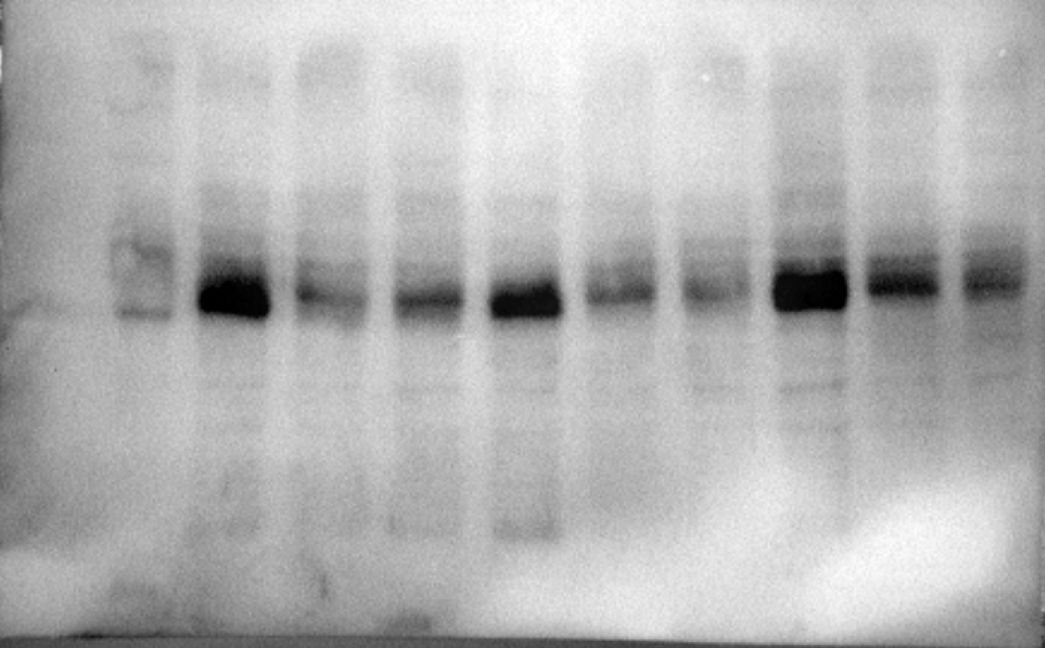
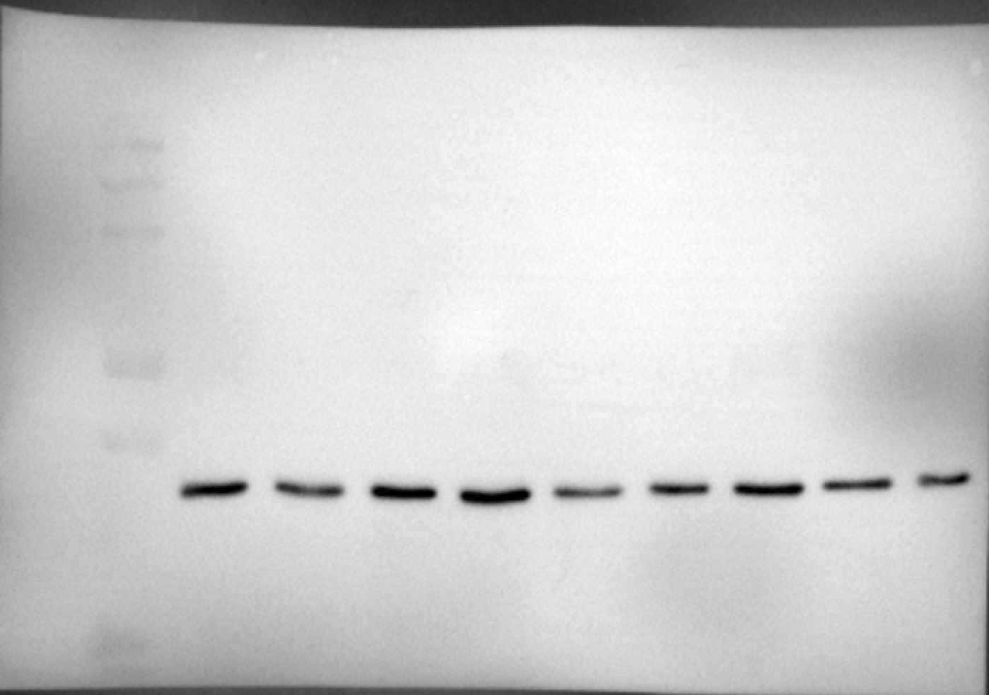
SP8
Ct 1
SP8 Tr 1
SP8
Ct 2
SP8
Tr 2
SP8
Ct 3
SP8
Tr 3
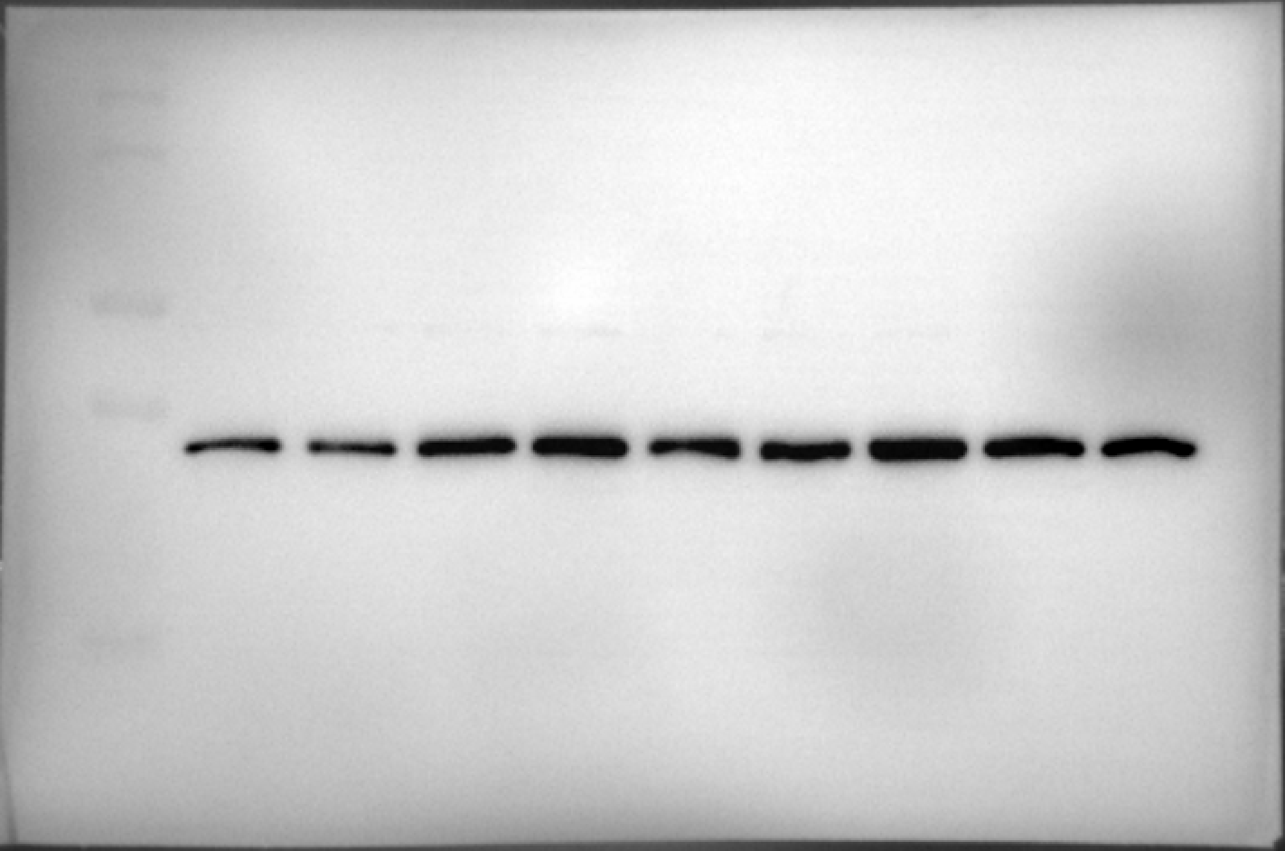
SP8
Ct 1
SP8 Tr 1
SP8
Ct 2
SP8
Tr 2
SP8
Ct 3
SP8
Tr 3
SP8
Ct 1
SP8 Tr 1
SP8
Ct 2
SP8
Tr 2
SP8
Ct 3
SP8
Tr 3

SP8
Ct 1
SP8
Tr 1
SP8
Ct 2
SP8
Tr 2
SP8
Ct 3
SP8
Tr 3

SP8
Ct 4
SP8
Tr 4
SP8
Ct 5
SP8
Tr 5
SP8
Tr 6
SP8
Ct 6
SP8
Ct 4
SP8
Tr 4
SP8
Ct 5
SP8
Tr 5
SP8
Tr 6
SP8
Ct 6
SP8
Ct 4
SP8
Tr 4
SP8
Ct 5
SP8
Tr 5
SP8
Tr 6
SP8
Ct 6
SP8
Ct 4
SP8
Tr 4
SP8
Ct 5
SP8
Tr 5
SP8
Tr 6
SP8
Ct 6

SP8
Ct 1
SP8 Tr 1
SP8
Ct 2
SP8
Tr 2
SP8
Ct 3
SP8
Tr 3
p38 (43 kDa) |  | GAPDH (37 kDa)
SP8
Ct 1
SP8
Tr 1
SP8
Ct 2
SP8
Tr 2
SP8
Ct 3
SP8
Tr 3

SP8
Ct 4
SP8
Tr 4
SP8
Ct 5
SP8
Tr 5
SP8
Tr 6
SP8
Ct 6

SP8
Ct 4
SP8
Tr 4
SP8
Ct 5
SP8
Tr 5
SP8
Tr 6
SP8
Ct 6

Fig. 4b - Individual blots for GMFB, and statistics

SAMP8 Control | SAMP8 Treated |  | Satistical analysis | t-test
87.09364383 | 261.1468904 |  | Unpaired t test
35.19056642 | 123.8771376 |  | P value | 0.0147
112.9063562 | 350.865057 |  | P value summary | *
82.90385698 | 135.7387482 |  | Significantly different (P < 0.05)? | Yes
117.096143 | 53,52946201* |  | One- or two-tailed P value? | Two-tailed
360,7408923* | 269.8461033 |  | t, df | t=3,098, df=8

Fig. 4c - Individual blots for p-p-38/p-38, and statistics

SAMP8 Control | SAMP8 Treated |  | Satistical analysis | t-test
85.9706413 | 88.5920345 |  | Unpaired t test
106.840638 | 137.066888 |  | P value | 0.0316
107.188721 | 153.856776 |  | P value summary | *
73.9477434 | 92,0542342* |  | Significantly different (P < 0.05)? | Yes
90.8177599 | 193.32975 |  | One- or two-tailed P value? | Two-tailed
135.234497 | 229.331361 |  | t, df | t=2,542, df=9

Fig. 4d - Individual blots for p-CREB/CREB, and statistics

SAMP8 Control | SAMP8 Treated |  | Satistical analysis | t-test
0.959828 | 0.936922 |  | Unpaired t test
0.980558 | 0.716018 |  | P value | 0.0121
1.062511 | 0.687619 |  | P value summary | *
1.28955 | 0.37293 |  | Significantly different (P < 0.05)? | Yes
0.752416 | 2,691431* |  | One- or two-tailed P value? | Two-tailed
1.030633 | 0.538155 |  | t, df | t=3,132, df=9

Fig. 4e - Individual blots for BDNF, and statistics

SAMP8 Control | SAMP8 Treated |  | Satistical analysis | t-test
93.717399 | 187.2004 |  | Unpaired t test
82.140827 | 165.62291 |  | P value | 0.0184
124.14177 | 379,69033* |  | P value summary | *
96.137127 | 95.787188 |  | Significantly different (P < 0.05)? | Yes
63.775939 | 154.05372 |  | One- or two-tailed P value? | Two-tailed
140.08693 | 167.59988 |  | t, df | t=2,873, df=9

Fig. 4f - Representative image of fendritic length

Fig. 4g- Representative image of spine density

Fig. 4h - Individual blots for dendritic length quantification, and statistics

SAMP8 Control | SAMP8 Treated
1.78571429 | 1.98989899 |  | Satistical analysis | t-test
3.69387755 | 3.95959596 |  | Unpaired t test
4.97959184 | 5.14141414 |  | P value | 0.0128
5.03061224 | 5.49494949 |  | P value summary | *
5.13265306 | 5.48484848 |  | Significantly different (P < 0.05)? | Yes
5.14285714 | 5.48484848 |  | One- or two-tailed P value? | Two-tailed
5.15306122 | 5.48484848 |  | t, df | t=2,496, df=618
5.17346939 | 5.48484848
5.16326531 | 5.50505051
5.16326531 | 5.54545455
5.15306122 | 5.61616162
5.24489796 | 5.5959596
5.18367347 | 5.68686869
5.19387755 | 5.68686869
5.15306122 | 5.54545455
5.23469388 | 5.56565657
5.26530612 | 5.56565657
5.2244898 | 5.62626263
5.10204082 | 5.70707071
5.10204082 | 5.49494949
5.04081633 | 5.44444444
4.94897959 | 5.55555556
4.83673469 | 5.3030303
4.84693878 | 5.29292929
4.96938776 | 5.36363636
4.84693878 | 5.27272727
4.56122449 | 5.22222222
4.53061224 | 5.13131313
4.37755102 | 5.25252525
4.40816327 | 4.97979798
4.26530612 | 5.06060606
4.2244898 | 4.8989899
4.06122449 | 4.84848485
4.05102041 | 4.81818182
3.91836735 | 4.5959596
3.68367347 | 4.56565657
3.65306122 | 4.63636364
3.59183673 | 4.48484848
3.41836735 | 4.37373737
3.32653061 | 4.39393939
3.21428571 | 4.28282828
3.19387755 | 4.29292929
3.02040816 | 4.14141414
3.05102041 | 4.19191919
2.92857143 | 3.98989899
2.83673469 | 3.94949495
2.7755102 | 3.77777778
2.64285714 | 3.73737374
2.54081633 | 3.73737374
2.45918367 | 3.74747475
2.32653061 | 3.63636364
2.26530612 | 3.58585859
2.2244898 | 3.43434343
2.12244898 | 3.41414141
2.15306122 | 3.25252525
2.09183673 | 3.21212121
2.03061224 | 2.96969697
1.92857143 | 2.90909091
1.89795918 | 2.83838384
1.82653061 | 2.8989899
1.7755102 | 2.81818182
1.74489796 | 2.7979798
1.67346939 | 2.74747475
1.68367347 | 2.64646465
1.59183673 | 2.67676768
1.53061224 | 2.52525253
1.58163265 | 2.55555556
1.45918367 | 2.48484848
1.44897959 | 2.43434343
1.33673469 | 2.3030303
1.21428571 | 2.22222222
1.18367347 | 2.21212121
1.13265306 | 2.25252525
1.13265306 | 2.2020202
1.06122449 | 2.11111111
1.05102041 | 2.12121212
0.97959184 | 2.03030303
1.05102041 | 1.97979798
0.97959184 | 1.97979798
0.95918367 | 1.94949495
0.8877551 | 1.81818182
0.85714286 | 1.7979798
0.85714286 | 1.76767677
0.83673469 | 1.72727273
0.80612245 | 1.66666667
0.81632653 | 1.5959596
0.83673469 | 1.5959596
0.76530612 | 1.53535354
0.76530612 | 1.51515152
0.7244898 | 1.44444444
0.70408163 | 1.39393939
0.70408163 | 1.36363636
0.70408163 | 1.37373737
0.67346939 | 1.32323232
0.63265306 | 1.29292929
0.6122449 | 1.32323232
0.60204082 | 1.23232323
0.59183673 | 1.22222222
0.54081633 | 1.19191919
0.53061224 | 1.18181818
0.55102041 | 1.08080808
0.53061224 | 1.04040404
0.59183673 | 0.97979798
0.58163265 | 0.94949495
0.48979592 | 0.93939394
0.46938776 | 0.8989899
0.44897959 | 0.87878788
0.43877551 | 0.87878788
0.42857143 | 0.88888889
0.41836735 | 0.8989899
0.40816327 | 0.86868687
0.40816327 | 0.81818182
0.3877551 | 0.80808081
0.37113402 | 0.77777778
0.35714286 | 0.74747475
0.35714286 | 0.71717172
0.35714286 | 0.68686869
0.34693878 | 0.66666667
0.33673469 | 0.63636364
0.30612245 | 0.64646465
0.29591837 | 0.64646465
0.29591837 | 0.63636364
0.28571429 | 0.58585859
0.2755102 | 0.55555556
0.2755102 | 0.62626263
0.25510204 | 0.62626263
0.24489796 | 0.58585859
0.24489796 | 0.52525253
0.23469388 | 0.51515152
0.21428571 | 0.52525253
0.2244898 | 0.48484848
0.20408163 | 0.47474747
0.20408163 | 0.47474747
0.19387755 | 0.47474747
0.20408163 | 0.44444444
0.20408163 | 0.48484848
0.18367347 | 0.45454545
0.17346939 | 0.43434343
0.17346939 | 0.42424242
0.18367347 | 0.42424242
0.19387755 | 0.43434343
0.18367347 | 0.44444444
0.18367347 | 0.44444444
0.20408163 | 0.51515152
0.17346939 | 0.44444444
0.17346939 | 0.43434343
0.17346939 | 0.43434343
0.15306122 | 0.43434343
0.15306122 | 0.41414141
0.15306122 | 0.41414141
0.15306122 | 0.43434343
0.15306122 | 0.47474747
0.15306122 | 0.41414141
0.14285714 | 0.41414141
0.13265306 | 0.35353535
0.13265306 | 0.33333333
0.13265306 | 0.32323232
0.13265306 | 0.32323232
0.13265306 | 0.34343434
0.13265306 | 0.35353535
0.13265306 | 0.31313131
0.13265306 | 0.3030303
0.13265306 | 0.3030303
0.13265306 | 0.3030303
0.13265306 | 0.27272727
0.16326531 | 0.25510204
0.1122449 | 0.24242424
0.09183673 | 0.24242424
0.09183673 | 0.23232323
0.09183673 | 0.23232323
0.09183673 | 0.21212121
0.09183673 | 0.2020202
0.09183673 | 0.2020202
0.08163265 | 0.19191919
0.08163265 | 0.18181818
0.08163265 | 0.18181818
0.08163265 | 0.15151515
0.08163265 | 0.15151515
0.08163265 | 0.14141414
0.08163265 | 0.14141414
0.08163265 | 0.14141414
0.08163265 | 0.13131313
0.08163265 | 0.14141414
0.08163265 | 0.13131313
0.08163265 | 0.12121212
0.07142857 | 0.14141414
0.07142857 | 0.13131313
0.07142857 | 0.14141414
0.07142857 | 0.13131313
0.06122449 | 0.13131313
0.06122449 | 0.13131313
0.06122449 | 0.13131313
0.04081633 | 0.12121212
0.04081633 | 0.12121212
0.04081633 | 0.11111111
0.05102041 | 0.11111111
0.05102041 | 0.11111111
0.05102041 | 0.11111111
0.04081633 | 0.11111111
0.04081633 | 0.11111111
0.04081633 | 0.1010101
0.04081633 | 0.1010101
0.04081633 | 0.09090909
0.04081633 | 0.08080808
0.04081633 | 0.07070707
0.04081633 | 0.07070707
0.04081633 | 0.07070707
0.04081633 | 0.06060606
0.04081633 | 0.06060606
0.04081633 | 0.06060606
0.04081633 | 0.08080808
0.04081633 | 0.08080808
0.04081633 | 0.11111111
0.04081633 | 0.1010101
0.04081633 | 0.09090909
0.04081633 | 0.09090909
0.04081633 | 0.1010101
0.04081633 | 0.1010101
0.04081633 | 0.09090909
0.04081633 | 0.09090909
0.04081633 | 0.07070707
0.04081633 | 0.07070707
0.04081633 | 0.07070707
0.04081633 | 0.07070707
0.04081633 | 0.07070707
0.04081633 | 0.07070707
0.04081633 | 0.07070707
0.04081633 | 0.09090909
0.04081633 | 0.09090909
0.04081633 | 0.08080808
0.04081633 | 0.08080808
0.04081633 | 0.08080808
0.03061224 | 0.07070707
0.03061224 | 0.09090909
0.03061224 | 0.07070707
0.03061224 | 0.07070707
0.03061224 | 0.07070707
0.03061224 | 0.07070707
0.03061224 | 0.07070707
0.02040816 | 0.07070707
0.02040816 | 0.08080808
0.02040816 | 0.05050505
0.02040816 | 0.05050505
0.02040816 | 0.06060606
0.02040816 | 0.06060606
0.02040816 | 0.06060606
0.02040816 | 0.06060606
0.02040816 | 0.06060606
0.02040816 | 0.06060606
0.02040816 | 0.06060606
0.02040816 | 0.06060606
0.02040816 | 0.06060606
0.02040816 | 0.06060606
0.02040816 | 0.06060606
0.02040816 | 0.03030303
0.02040816 | 0.03030303
0.02040816 | 0.03030303
0.02040816 | 0.03030303
0.02040816 | 0.03030303
0.02040816 | 0.03030303
0.02040816 | 0.03030303
0 | 0.03030303
0 | 0.03030303
0 | 0.02020202
0 | 0.02020202
0 | 0.02020202
0 | 0.02020202
0 | 0.02020202
0 | 0.02020202
0 | 0.02020202
0 | 0.02020202
0 | 0.02020202
0 | 0.02020202
0 | 0.02020202
0 | 0.01010101
0 | 0.01010101
0 | 0.01010101
0 | 0.01010101
0 | 0.01010101
0 | 0.01010101
0 | 0.01010101
0 | 0.01010101
0 | 0.01010101
0 | 0.01010101
0 | 0.01010101
0 | 0.01010101
0 | 0.01010101
0 | 0.01010101
0 | 0.01010101
0 | 0.01010101
0 | 0.01010101
0 | 0.01010101
0 | 0.01010101
0 | 0.01010101
0 | 0.01010101
0 | 0.01010101
0 | 0.01010101
0 | 0.01010101
0 | 0.01010101
0 | 0.01010101
0 | 0.01010101
0 | 0.01010101
0 | 0.01010101
0 | 0.01010101
0 | 0.01010101
0 | 0.01010101
0 | 0.01010101
0 | 0.01010101
0 | 0.01010101
0 | 0.01010101

Fig. 4i - Individual blots for spine density quantification, and statistics

SAMP8 Control | SAMP8 Treated |  | Satistical analysis | t-test
0.4308593 | 0.55693486 |  | Unpaired t test
0.12564438 | 0.10271352 |  | P value | 0.0214
0.34050037 | 0.3170729 |  | P value summary | *
0.4927851 | 0.71787498 |  | Significantly different (P < 0.05)? | Yes
0.03586912 | 0.37876324 |  | One- or two-tailed P value? | Two-tailed
0.04110236 | 0.89770173 |  | t, df | t=2,334, df=113
0.23476345 | 0.35383859
0.15860787 | 0.1922094
0.12030817 | 0.861442
0.10134341 | 0.70892172
0.17480487 | 0.41783253
0.06696623 | 0.20672426
0.43036977 | 0.57597613
0.41347547 | 0.49099135
0.62373675 | 0.571263
0.62096113 | 0.86249942
0.39768531 | 0.45825643
0.15556947 | 0.10471204
0.4609912 | 1,50092471*
0.67830776 | 0.68292424
0.5552246 | 0.60150456
0.24367829 | 0.11454169
0.37464814 | 0.68341964
0.43939058 | 0.2911797
0.60156113 | 0.32863887
0.41135182 | 0.5749101
0.57555206 | 0.17118417
0.14462844 | 0.45739395
0.75138764 | 0.83849896
1.00664676 | 0.67942525
0.19557589 | 1.1192676
0.90257973 | 0.55950514
0.91636777 | 0.79715883
0.49816515 | 0.50880331
0.56191552 | 0.61742355
0.52019984 | 0.93005148
0.96068628 | 0.53218451
0.90015403 | 0.29309501
0.3044459 | 0.94779997
0.692349 | 0.56774579
0.62213293 | 1.28110851
0.33056592 | 0.71192361
0.72411927 | 0.53073425
0.73868546 | 0.7785425
0.4764076 | 0.53924629
0.71474106 | 0.25699206
0.26663862 | 0.83667554
0.66074035 | 0.61014336
0.35423121 | 0.62718376
0.43330807 | 1.18027615
0.76310541 | 0.49519608
0.45052869 | 0.55568187
0.72229113 | 1.13507138
0.77491002 | 0.58980576
0.82035693 | 0.80475859
0.39968348 | 0.51586617
0.5893176
0.45399753
0.33727215
0.36333253

Fig. 5j - Schematic representation

Figure 5
Fig. 5a - WB membrane for NF-κB

SP8
Ct 1
SP8 Tr 1
SP8
Ct 2
SP8
Tr 2
SP8
Ct 3
SP8
Tr 3
SP8
Ct 1
SP8 Tr 1
SP8
Ct 2
SP8
Tr 2
SP8
Ct 3
SP8
Tr 3
NF-κB (65 kDa) |  | GAPDH (37 kDa) |  |  | Antibody | Host | Source/Catalog | WB dilution
 |  |  |  |  | NF-κB | Rabbit | Cell signaling/# 8242S | 1:1000
 |  |  |  |  | GAPDH | Mouse | Millipore/MAB374 | 1:5000

SP8
Ct 4
SP8Tr 4
SP8
Ct 5
SP8
Tr 5
SP8
Tr 6
SP8
Ct 6
SP8
Ct 4
SP8
Tr 4
SP8
Ct 5
SP8
Tr 5
SP8
Tr 6
SP8
Ct 6

Fig. 5b - Individual blots for NF-κB, and statistics

SAMP8 Control | SAMP8 Treated |  | Satistical analysis | t-test
92.184945 | 57.094514 |  | Unpaired t test
32,002486* | 49.567771 |  | P value | 0.0017
107.81505 | 89.183633 |  | P value summary | **
111.64608 | 77.240328 |  | Significantly different (P < 0.05)? | Yes
96.147285 | 68.295053 |  | One- or two-tailed P value? | Two-tailed
92.206631 | 58.56551 |  | t, df | t=4,408, df=9

Fig. 5c - Individual blots for NF-κB targeted genes, and statistics

Il-6
SAMP8 Control | SAMP8 Treated |  | Satistical analysis | t-test
1.168808 | 0.890601 |  | Unpaired t test
0.984163 | 0.578282 |  | P value | 0.0035
0.86934 | 0.343348 |  | P value summary | **
0.900153 | 0.72693 |  | Significantly different (P < 0.05)? | Yes
1.002551 | 0.80444 |  | One- or two-tailed P value? | Two-tailed
1.108096 | 0.522455 |  | t, df | t=3,806, df=10

Cxcl10
SAMP8 Control | SAMP8 Treated |  | Satistical analysis | t-test
0.77319 | 0.333788 |  | Unpaired t test
1.30956 | 0.281513 |  | P value | <0,0001
0.987616 | 0.157203 |  | P value summary | ****
0.9376 | 1,295321* |  | Significantly different (P < 0.05)? | Yes
1.066553 | 0.317589 |  | One- or two-tailed P value? | Two-tailed
0,276512* | 0.398221 |  | t, df | t=7,429, df=8

Tnf-α
SAMP8 Control | SAMP8 Treated |  | Satistical analysis | t-test
1.086062 | 0.691528 |  | Unpaired t test
0.947037 | 0.488492 |  | P value | 0.0003
0.972251 | 0.535377 |  | P value summary | ***
1.097176 | 3,342436* |  | Significantly different (P < 0.05)? | Yes
1,4781* | 0.670308 |  | One- or two-tailed P value? | Two-tailed
0.911431 | 0.752066 |  | t, df | t=6,028, df=8

Fig. 5d - GSEA plot

Fig. 5e - Individual blots for primary mixed culture of neurons and microglia from cortex, and statistics

Control | Compound | LPS | LPS+Compound |  | Satistical analysis | Two-way ANOVA |  |  |  |  | post-hoc Tukey’s test
103.067485 | 71.1656442 | 90.797546 | 98.1595092 |  | Two-way ANOVA | Ordinary |  |  |  |  | Compare column means (main column effect)
100.613497 | 132.515337 | 63.803681 | 117.791411 |  | Alpha | 0.05 |  |  |  |  | Number of families | 1
95.7055215 | 127.607362 | 70.06135 | 82.515337 |  | Source of Variation | % of total variation | P value | P value summary | Significant? |  | Number of comparisons per family | 6
105.521472 | 115.337423 | 77.97546 | 92.331288 |  | Row Factor | 16.25 | 0.2919 | ns | No |  | Alpha | 0.05
78.5276074 | 93.2515337 | 84.785276 | 117.791411 |  | Column Factor | 44.92 | <0,0001 | **** | Yes |  | Tukey's multiple comparisons test | Mean Diff, | 95,00% CI of diff, | Below threshold? | Summary | Adjusted P Value
93.2515337 | 85.8895706 | 90.429448 | 130.06135 |  |  |  |  |  |  |  | Control vs. Compound | -13.91 | -30,47 to 2,656 | No | ns | 0.1256
90.797546 | 117.791411 | 93.2515337 | 127.607362 |  | ANOVA table | SS (Type III) | DF | MS | F (DFn, DFd) | P value | Control vs. LPS | 21.3 | 4,742 to 37,87 | Yes | ** | 0.0075
107.97546 | 127.607362 | 83.4355828 | 105.521472 |  | Row Factor | 3107 | 11 | 282.5 | F (11, 33) = 1,256 | P=0,2919 | Control vs. LPS+Compound | -8.282 | -24,84 to 8,280 | No | ns | 0.5371
110.429448 | 134.969325 | 72.331288 | 114.233129 |  | Column Factor | 8587 | 3 | 2862 | F (3, 33) = 12,73 | P<0,0001 | Compound vs. LPS | 35.21 | 18,65 to 51,77 | Yes | **** | <0,0001
115.337423 | 147.239264 | 82.515337 | 125.153374 |  | Residual | 7423 | 33 | 224.9 |  |  | Compound vs. LPS+Compound | 5.624 | -10,94 to 22,19 | No | ns | 0.7952
95.7055215 | 107.97546 | 68.7116564 | 99.877301 |  |  |  |  |  |  |  | LPS vs. LPS+Compound | -29.59 | -46,15 to -13,02 | Yes | *** | 0.0002
103.067485 | 105.521472 | 66.2576687 | 88.3435583 |  |  |  |  |  |  |  | Test details | Mean 1 | Mean 2 | Mean Diff, | SE of diff, | N1 | N2 | q | DF
 |  |  |  |  |  |  |  |  |  |  | Control vs. Compound | 100 | 113.9 | -13.91 | 6.123 | 12 | 12 | 3.212 | 33
 |  |  |  |  |  |  |  |  |  |  | Control vs. LPS | 100 | 78.7 | 21.3 | 6.123 | 12 | 12 | 4.921 | 33
 |  |  |  |  |  |  |  |  |  |  | Control vs. LPS+Compound | 100 | 108.3 | -8.282 | 6.123 | 12 | 12 | 1.913 | 33
 |  |  |  |  |  |  |  |  |  |  | Compound vs. LPS | 113.9 | 78.7 | 35.21 | 6.123 | 12 | 12 | 8.132 | 33
 |  |  |  |  |  |  |  |  |  |  | Compound vs. LPS+Compound | 113.9 | 108.3 | 5.624 | 6.123 | 12 | 12 | 1.299 | 33
 |  |  |  |  |  |  |  |  |  |  | LPS vs. LPS+Compound | 78.7 | 108.3 | -29.59 | 6.123 | 12 | 12 | 6.834 | 33

Fig. 5f - Individual blots for primary mixed culture of neurons and microglia from striatum, and statistics

Control | Compound | LPS | LPS+Compound |  | Satistical analysis | Two-way ANOVA |  |  |  |  | post-hoc Tukey’s test
69.6132597 | 96.4088398 | 74.7697974 | 69.6132597 |  | Two-way ANOVA | Ordinary |  |  |  |  | Compare column means (main column effect)
85.0828729 | 74.7697974 | 43.8305709 | 33.5174954 |  | Alpha | 0.05 |  |  |  |  | Number of families | 1
59.3001842 | 79.9263352 | 82.5046041 | 126.335175 |  | Source of Variation | % of total variation | P value | P value summary | Significant? |  | Number of comparisons per family | 6
108.287293 | 103.8305709 | 152.117864 | 121.178637 |  | Row Factor | 31.39 | 0.0603 | ns | No |  | Alpha | 0.05
87.6611418 | 96.7219153 | 72.1915285 | 107.900552 |  | Column Factor | 19.18 | 0.0048 | ** | Yes |  | Tukey's multiple comparisons test | Mean Diff, | 95,00% CI of diff, | Below threshold? | Summary | Adjusted P Value
64.4567219 | 69.6132597 | 85.0828729 | 131.491713 |  |  |  |  |  |  |  | Control vs. Compound | 8.685 | -16,58 to 33,94 | No | ns | 0.793
116.022099 | 77.3480663 | 74.7697974 | 157.274401 |  | ANOVA table | SS (Type III) | DF | MS | F (DFn, DFd) | P value | Control vs. LPS | 23.57 | -1,687 to 48,83 | No | ns | 0.0749
121.178637 | 98.6740331 | 69.6132597 | 152.117864 |  | Row Factor | 15363 | 13 | 1182 | F (13, 39) = 1,905 | P=0,0603 | Control vs. LPS+Compound | -11.94 | -37,20 to 13,32 | No | ns | 0.5879
105.709024 | 106.7219153 | 36.0957643 | 82.5046041 |  | Column Factor | 9388 | 3 | 3129 | F (3, 39) = 5,045 | P=0,0048 | Compound vs. LPS | 14.89 | -10,37 to 40,15 | No | ns | 0.4007
72.1915285 | 77.3480663 | 43.8305709 | 141.804788 |  | Residual | 24192 | 39 | 620.3 |  |  | Compound vs. LPS+Compound | -20.63 | -45,89 to 4,633 | No | ns | 0.1436
108.287293 | 85.0828729 | 85.0828729 | 82.5046041 |  |  |  |  |  |  |  | LPS vs. LPS+Compound | -35.52 | -60,78 to -10,26 | Yes | ** | 0.0029
123.756906 | 95.3959484 | 118.600368 | 110.865562 |  |  |  |  |  |  |  | Test details | Mean 1 | Mean 2 | Mean Diff, | SE of diff, | N1 | N2 | q | DF
144.383057 | 105.709024 | 82.5046041 | 126.335175 |  |  |  |  |  |  |  | Control vs. Compound | 100 | 91.32 | 8.685 | 9.414 | 14 | 14 | 1.305 | 39
134.069982 | 110.865562 | 48.9871087 | 123.756906 |  |  |  |  |  |  |  | Control vs. LPS | 100 | 76.43 | 23.57 | 9.414 | 14 | 14 | 3.541 | 39
 |  |  |  |  |  |  |  |  |  |  | Control vs. LPS+Compound | 100 | 111.9 | -11.94 | 9.414 | 14 | 14 | 1.794 | 39
 |  |  |  |  |  |  |  |  |  |  | Compound vs. LPS | 91.32 | 76.43 | 14.89 | 9.414 | 14 | 14 | 2.237 | 39
 |  |  |  |  |  |  |  |  |  |  | Compound vs. LPS+Compound | 91.32 | 111.9 | -20.63 | 9.414 | 14 | 14 | 3.099 | 39
 |  |  |  |  |  |  |  |  |  |  | LPS vs. LPS+Compound | 76.43 | 111.9 | -35.52 | 9.414 | 14 | 14 | 5.336 | 39

Fig. 5g - Representative image

Fig. 5h - Individual blots for Iba1, and statistics

Control | Compound | LPS | LPS+Compound |  | Satistical analysis | Two-way ANOVA |  |  |  |  | post-hoc Tukey’s test
1344529 | 1899588 | 3594552 | 1608162 |  | Two-way ANOVA | Ordinary |  |  |  |  | Compare column means (main column effect)
1705263 | 2294131 | 2689493 | 3439238 |  | Alpha | 0.05 |  |  |  |  | Number of families | 1
1740171 | 1669819 | 2938212 | 2687498 |  | Source of Variation | % of total variation | P value | P value summary | Significant? |  | Number of comparisons per family | 6
1839558 | 1831173 | 3766155 | 1251452 |  | Row Factor | 3.944 | 0.9162 | ns | No |  | Alpha | 0.05
1238291 | 2676277 | 3462196 | 2275786 |  | Column Factor | 67.49 | <0,0001 | **** | Yes |  | Tukey's multiple comparisons test | Mean Diff, | 95,00% CI of diff, | Below threshold? | Summary | Adjusted P Value
1987908 | 2257559 | 5375963 | 1240445 |  |  |  |  |  |  |  | Control vs. Compound | -436538 | -1394669 to 521592 | No | ns | 0.6034
1911692 | 1111401 | 5987777 | 1613209 |  | ANOVA table | SS (Type III) | DF | MS | F (DFn, DFd) | P value | Control vs. LPS | -2521464 | -3479594 to -1563333 | Yes | **** | <0,0001
1871993 | 2936614 | 4830037 | 1932909 |  | Row Factor | 2285096696090 | 9 | 253899632899 | F (9, 27) = 0,4142 | P=0,9162 | Control vs. LPS+Compound | -377197 | -1335327 to 580934 | No | ns | 0.706
1606123 | 1375448 | 4858680 | 2427381 |  | Column Factor | 39097351404478 | 3 | 13032450468159 | F (3, 27) = 21,26 | P<0,0001 | Compound vs. LPS | -2084926 | -3043056 to -1126795 | Yes | **** | <0,0001
1065320 | 2624222 | 4022422 | 1606736 |  | Residual | 16549008000232 | 27 | 612926222231 |  |  | Compound vs. LPS+Compound | 59342 | -898789 to 1017472 | No | ns | 0.9982
 |  |  |  |  |  |  |  |  |  |  | LPS vs. LPS+Compound | 2144267 | 1186137 to 3102398 | Yes | **** | <0,0001
 |  |  |  |  |  |  |  |  |  |  | Test details | Mean 1 | Mean 2 | Mean Diff, | SE of diff, | N1 | N2 | q | DF
 |  |  |  |  |  |  |  |  |  |  | Control vs. Compound | 1631085 | 2067623 | -436538 | 350122 | 10 | 10 | 1.763 | 27
 |  |  |  |  |  |  |  |  |  |  | Control vs. LPS | 1631085 | 4152549 | -2521464 | 350122 | 10 | 10 | 10.18 | 27
 |  |  |  |  |  |  |  |  |  |  | Control vs. LPS+Compound | 1631085 | 2008282 | -377197 | 350122 | 10 | 10 | 1.524 | 27
 |  |  |  |  |  |  |  |  |  |  | Compound vs. LPS | 2067623 | 4152549 | -2084926 | 350122 | 10 | 10 | 8.421 | 27
 |  |  |  |  |  |  |  |  |  |  | Compound vs. LPS+Compound | 2067623 | 2008282 | 59342 | 350122 | 10 | 10 | 0.2397 | 27
 |  |  |  |  |  |  |  |  |  |  | LPS vs. LPS+Compound | 4152549 | 2008282 | 2144267 | 350122 | 10 | 10 | 8.661 | 27

Fig. 5i - Schematic representation

Figure 6
Fig. 6a - Volcano plot

Fig. 6b - Top 10 differentially expressed microRNAs

Fig. 6c - Representative network between co-regulation of up-miRNAs and down-mRNAs

Fig. 6d - Representative network between co-regulation of down-miRNAs and up-mRNAs.

Fig. 6e - Individual blots for mir-129, and statistics

SAMP8 Control | SAMP8 Treated | Satistical analysis | t-test
0.338363 | 1.303177 | Unpaired t test
0.795576 | 1.298443 | P value | 0.0061
1.260517 | 1.595924 | P value summary | **
1.123803 | 1.518992 | Significantly different (P < 0.05)? | Yes
0.927712 | 1.232655 | One- or two-tailed P value? | Two-tailed
0.956458 | 1.413912 | t, df | t=3,459, df=10

Fig. 6f - Individual blots for mir-669, and statistics

SAMP8 Control | SAMP8 Treated | Satistical analysis | t-test
0.724391 | 0.982632 | Unpaired t test
0.999195 | 1.204734 | P value | 0.0717
1.196557 | 1.154946 | P value summary | ns
1.104392 | 1.881995 | Significantly different (P < 0.05)? | No
1,55405* | 1.274757 | One- or two-tailed P value? | Two-tailed
1.04549 | 1.657945 | t, df | t=2,041, df=9

Fig. 6g - Individual blots for mir-677, and statistics

SAMP8 Control | SAMP8 Treated | Satistical analysis | t-test
1.063754 | 0.752395 | Unpaired t test
0.856607 | 0.798911 | P value | 0.0211
0.899295 | 0.800607 | P value summary | *
1.220322 | 0.938031 | Significantly different (P < 0.05)? | Yes
0,434941* | 0.686259 | One- or two-tailed P value? | Two-tailed
0,617217* | 0.67367 | t, df | t=2,863, df=8

Fig. 6h - WB membrane for FOXO1a

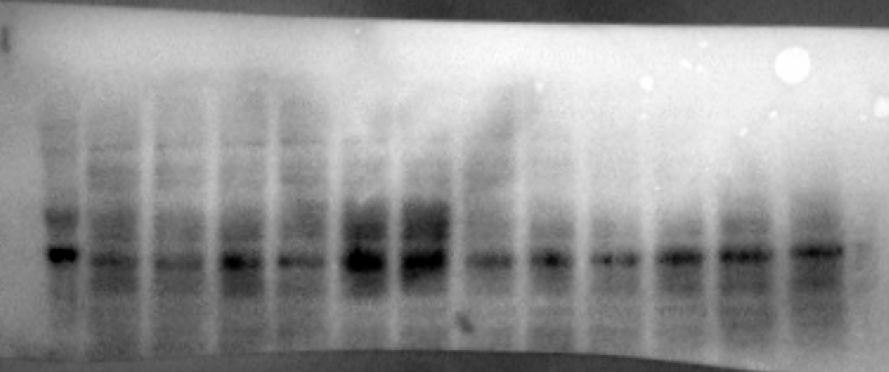
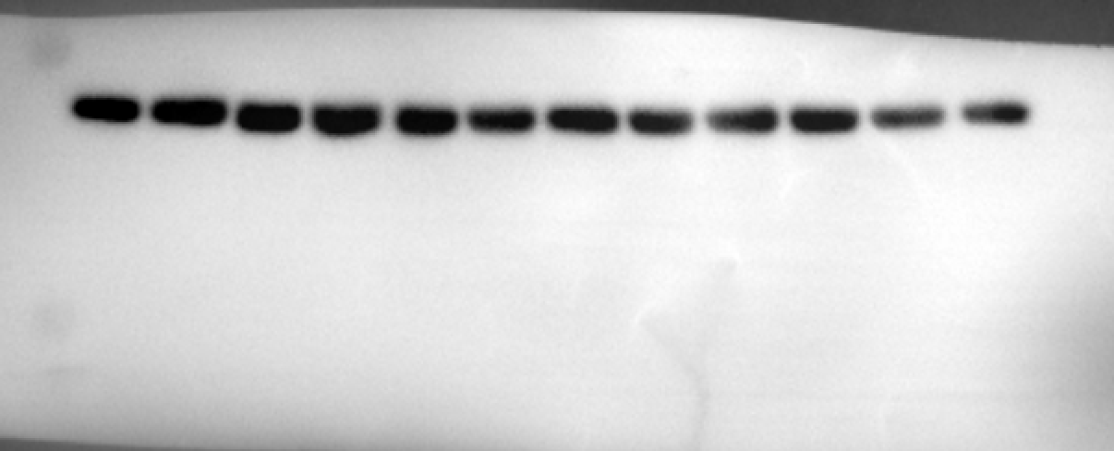
SP8
Ct1
SP8
Tr1
SP8
Ct2
SP8
Tr2
SP8
Ct3
SP8
Tr3
SP8
Ct4
SP8
Tr4
SP8
Ct5
SP8
Tr5
SP8
Ct6
SP8
Tr6
FOXO (80 kDa) |  |  |  | GAPDH (37kDa)
 |  |  |  |  | Antibody | Host | Source/Catalog | WB dilution
 |  |  |  |  | Foxo1a | Rabbit | Cell signaling/#2880 | 1:1000
 |  |  |  |  | GAPDH | Mouse | Millipore/MAB374 | 1:5000
SP8
Ct1
SP8
Tr1
SP8
Ct2
SP8
Tr2
SP8
Ct3
SP8
Tr3
SP8
Ct4
SP8
Tr4
SP8
Ct5
SP8
Tr5
SP8
Ct6
SP8
Tr6

Fig. 6i - Individual blots for FOXO1a, and statistics

SAMP8 Control | SAMP8 Treated | Satistical analysis | t-test
58.56718638 | 36,69049127* | Unpaired t test
87.66067177 | 81.91112248 | P value | 0.055
211,9868226* | 267.2361309 | P value summary | ns
91.07479927 | 173.3341469 | Significantly different (P < 0.05)? | No
121.7978398 | 183.7113333 | One- or two-tailed P value? | Two-tailed
140.8995028 | 161.9672837 | t, df | t=2,245, df=8

Fig. 6j - Individual blots for Sirt-1, and statistics

SAMP8 Control | SAMP8 Treated | Satistical analysis | t-test
8,942697* | 3.100928 | Unpaired t test
0.663482 | 0,618631* | P value | 0.0493
1.165242 | 1.091022 | P value summary | *
1.125222 | 1.79118 | Significantly different (P < 0.05)? | Yes
2,608572* | 1.737737 | One- or two-tailed P value? | Two-tailed
1.149519 | 3.323377 | t, df | t=2,375, df=7

Fig. 6k - Individual blots for Oxidative stress resistance-related genes, and statistics

Sod-1
SAMP8 Control | SAMP8 Treated | Satistical analysis | t-test
2,55233* | 1.658576 | Unpaired t test
1.025109 | 1.430947 | P value | 0.0187
0.686603 | 1.362164 | P value summary | *
0.809561 | 1.272615 | Significantly different (P < 0.05)? | Yes
1.337969 | 1.656336 | One- or two-tailed P value? | Two-tailed
1.311681 | 1.27104 | t, df | t=2,863, df=9

Hmox-1
SAMP8 Control | SAMP8 Treated | Satistical analysis | t-test
0.915978 | 1.239865 | Unpaired t test
1.015895 | 1.137955 | P value | 0.0009
1.080188 | 1.262754 | P value summary | ***
0.996432 | 1.128595 | Significantly different (P < 0.05)? | Yes
0.998434 | 1.206287 | One- or two-tailed P value? | Two-tailed
 |  | t, df | t=5,164, df=8

Fig. 6l - Schematic representation

Figure 8
Fig. 8a - Individual blots for set-25, and statistics

N2 (WT) | CL2006 Control | CL2006 (set-25 (RNAi)) |  | Satistical analysis | Ordinary One-way ANOVA | Tukey's multiple comparisons test | Mean Diff, | 95,00% CI of diff, | Below threshold? | Summary | Adjusted P Value
0.99 | 3.42 | 0.0486 |  | ANOVA summary |  | N2 (WT) vs. CL2006 Control | -2.721 | -3,155 to -2,286 | Yes | **** | <0,0001
1.01 | 4.02 | 0.0161 |  | F | 364.2 | N2 (WT) vs. CL2006 (set-25 (RNAi)) | 0.9678 | 0,5330 to 1,403 | Yes | ** | 0.0012
1 | 3.722 | 0.032 |  | P value | <0,0001 | CL2006 Control vs. CL2006 (set-25 (RNAi)) | 3.688 | 3,254 to 4,123 | Yes | **** | <0,0001
 |  |  |  | P value summary | ****
 |  |  |  | Significant diff. among means (P < 0.05)? | Yes
 |  |  |  | R squared | 0.9918

Fig. 8b - WB membrane for H3K9me2/H3 total

H3K9me2 (15 kDa) |  |  |  | H3 total (15 kDa)
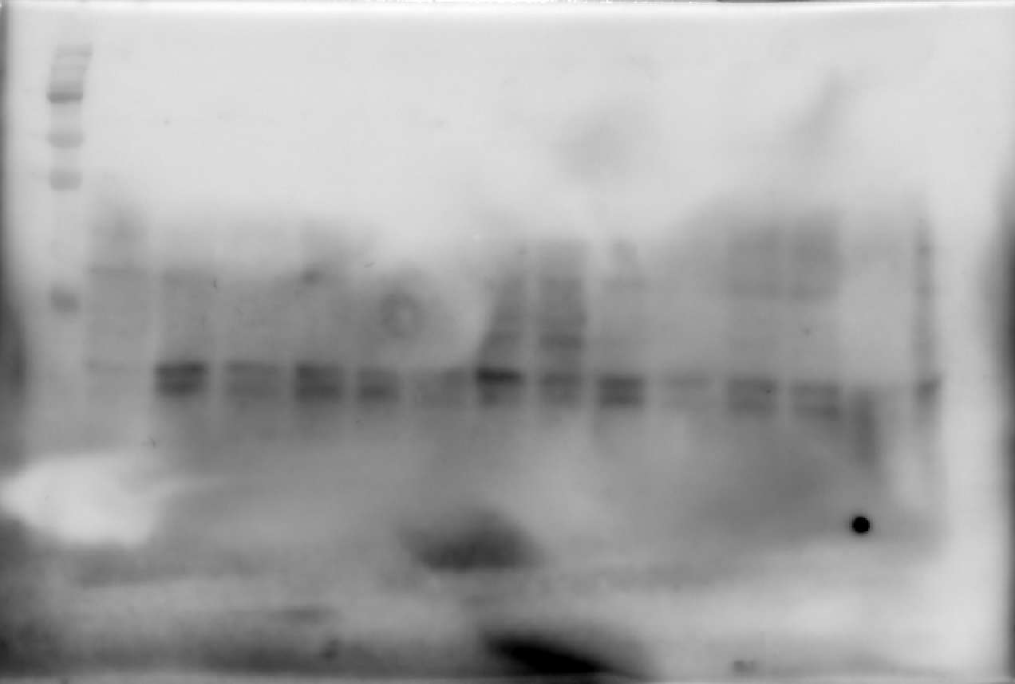
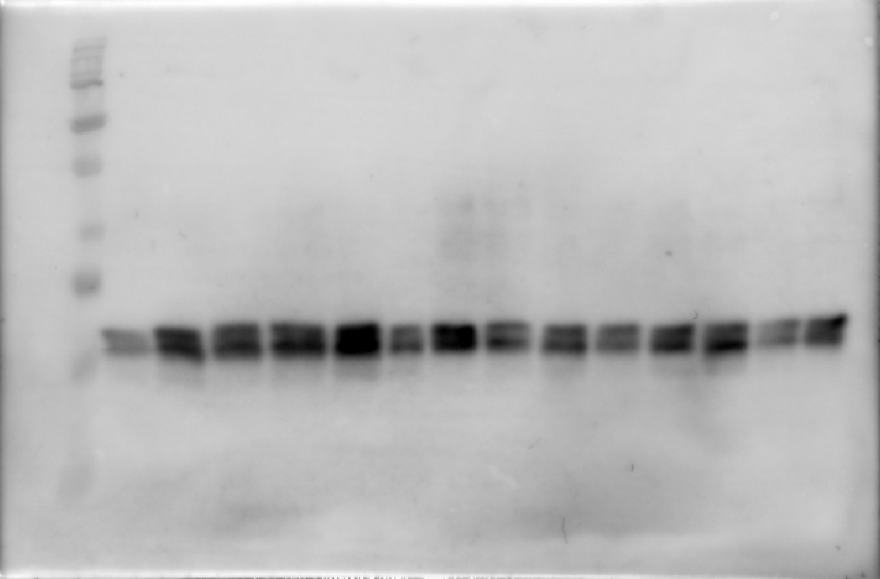
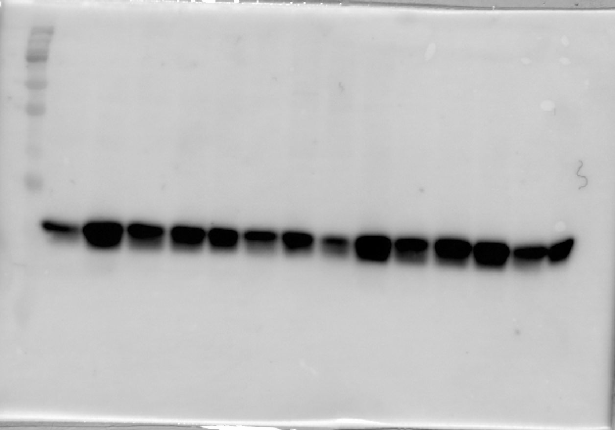
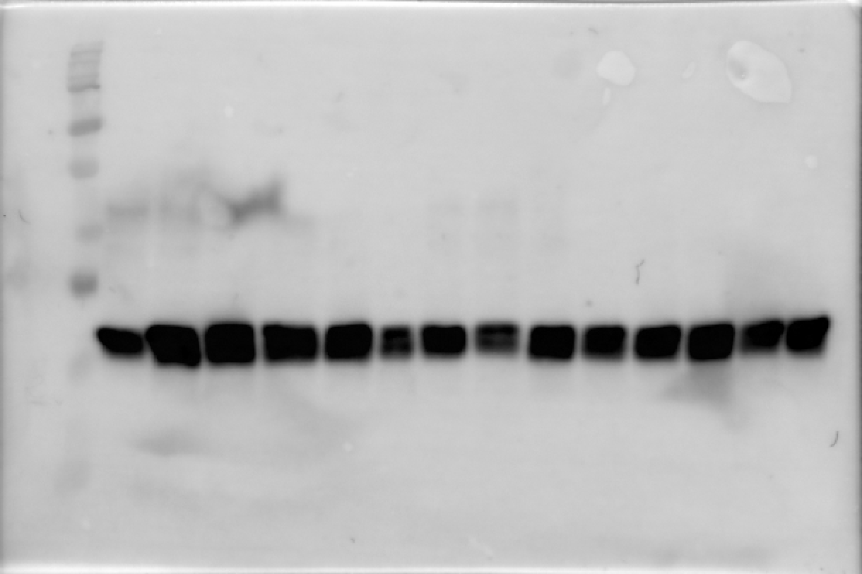
N2
1
CL
1
KO
1
N2
2
CL
2
KO
2
N2
3
CL
3
KO
3
N2
4
CL
4
KO
4
N2
1
CL
1
KO
1
N2
2
CL
2
KO
2
N2
3
CL
3
KO
3
N2
4
CL
4
KO
4
 |  |  |  |  |  |  |  | Antibody | Host | Source/Catalog | WB dilution
 |  |  |  |  |  |  |  | H3K9me2 | Rabbit | Epigentek/A-4035 | 1:500
 |  |  |  |  |  |  |  | Histone H3 total | Rabbit | Cell signaling/#9715 | 1:1000

Fig. 8c - Individual blots for H3K9me2/H3 total, and statistics

N2 (WT) | CL2006 Control | CL2006 (set-25 (RNAi)) |  | Satistical analysis | Ordinary One-way ANOVA | Tukey's multiple comparisons test | Mean Diff, | 95,00% CI of diff, | Below threshold? | Summary | Adjusted P Value
81.782017 | 163.0493105 | 95.27094233 |  | ANOVA summary |  | N2 (WT) vs. CL2006 Control | -57.43 | -99,13 to -15,72 | Yes | * | 0.0117
118.2179829 | 178.2236927 | 32,90592369* |  | F | 9.223 | N2 (WT) vs. CL2006 (set-25 (RNAi)) | -6.498 | -48,21 to 35,21 | No | ns | 0.8921
86.473569 | 106,0827974* | 115.7022839 |  | P value | 0.0109 | CL2006 Control vs. CL2006 (set-25 (RNAi)) | 50.93 | 6,341 to 95,52 | Yes | * | 0.0285
113.5264309 | 131.006445 | 108.5210212 |  | P value summary | *
 |  |  |  | Significant diff. among means (P < 0.05)? | Yes
 |  |  |  | R squared | 0.7249

Fig. 8d - Individual blots for CI in set-25 knoeckouts, and statistics

CL2122 Control | CL2355 Control | CL2355 (set-25 (RNAi)) |  | Satistical analysis | Ordinary One-way ANOVA | Tukey's multiple comparisons test | Mean Diff, | 95,00% CI of diff, | Below threshold? | Summary
0.1694 | -0.1857 | 0.197 |  | ANOVA summary |  | CL2122 Control vs. CL2355 Control | 0.1708 | 0,02016 to 0,3213 | Yes | *
0.0505 | 0.0984 | 0.1837 |  | F | 7.126 | CL2122 Control vs. CL2355 (set-25 (RNAi)) | -0.0332 | -0,1838 to 0,1174 | No | ns
0.0644 | 0.0744 | 0.0519 |  | P value | 0.0067 | CL2355 Control vs. CL2355 (set-25 (RNAi)) | -0.204 | -0,3545 to -0,05336 | Yes | **
0.3441 | -0.061 | 0.2719 |  | P value summary | **
0.0328 | -0.0659 | 0.1383 |  | Significant diff. among means (P < 0.05)? | Yes
0.1875 | -0.036 | 0.2051 |  | R squared | 0.4872

Fig. 8e- Representative image

Fig. 8f- Individual blots for Aβ staining, and statistics

CL2006 Control | CL2006 (set-25 (RNAi)) |  | Satistical analysis | t-test
129.308807 | 67.6567463 |  | Unpaired t test
140.577103 | 75.9492258 |  | P value | <0,0001
140.377627 | 61.8292485 |  | P value summary | ****
163.660899 | 55.1748129 |  | Significantly different (P < 0.05)? | Yes
75.6006737 | 42.181094 |  | One- or two-tailed P value? | Two-tailed
75.2510126 | 59.7053564 |  | t, df | t=5,649, df=86
104.520205 | 48.0493461
94.6646329 | 71.3521481
167.275081 | 78.0605934
94.0312773 | 87.4435131
130.046232 | 106.382203
84.4503499 | 109.593103
98.1554597 | 50.6679647
68.2361551 | 100.405626
102.579095 | 91.1199532
55.0790676 | 63.9789583
81.0797864 | 63.2464824
80.7500144 | 99.5099935
82.8328885 | 63.876034
82.7105589 | 80.8324268
57.3351744 | 62.0970606
104.193448 | 85.9645457
86.6975438 | 62.9611044
109.158147 | 65.5784225
121.913378 | 76.3605257
102.956387 | 50.821009
95.3780471 | 48.30064
187,173275* | 109.707341
104.457178 | 72.2874039
104.076198 | 110.667425
102.736025 | 48.6365313
62.6597309 | 80.9565946
77.128843 | 64.0305432
97.5796933 | 57.9470219
111.408399 | 82.8793011
82.8426857 | 63.5754211
96.6287884 | 33.9293118
123.228604 | 44.3322093
67.3400615 | 58.9280258
113.729876 | 65.0359877
107.250363
71.2725607
72.4169678
96.3265925
81.0249878
126.56299
113.728735
91.5287808
80.0796116

Fig. 8g - Individual blots for ric-4, and statistics

N2 (WT) | CL2006 Control | CL2006 (set-25 (RNAi)) |  | Satistical analysis | Ordinary One-way ANOVA | Tukey's multiple comparisons test | Mean Diff, | 95,00% CI of diff, | Below threshold? | Summary | Adjusted P Value
1.23 | 5.02 | 1.14 |  | ANOVA summary |  | N2 (WT) vs. CL2006 Control | -4.514 | -5,548 to -3,479 | Yes | **** | <0,0001
0.81 | 6.05 | 0.24 |  | F | 128.8 | N2 (WT) vs. CL2006 (set-25 (RNAi)) | 0.331 | -0,7038 to 1,366 | No | ns | 0.6139
1.021 | 5.532 | 0.688 |  | P value | <0,0001 | CL2006 Control vs. CL2006 (set-25 (RNAi)) | 4.845 | 3,810 to 5,879 | Yes | **** | <0,0001
 |  |  |  | P value summary | ****
 |  |  |  | Significant diff. among means (P < 0.05)? | Yes
 |  |  |  | R squared | 0.9772

Fig. 8h - Individual blots for unc-43, and statistics

N2 (WT) | CL2006 Control | CL2006 (set-25 (RNAi)) |  | Satistical analysis | Ordinary One-way ANOVA | Tukey's multiple comparisons test | Mean Diff, | 95,00% CI of diff, | Below threshold? | Summary | Adjusted P Value
1.04 | 2.4 | 0.05 |  | ANOVA summary |  | N2 (WT) vs. CL2006 Control | -1.464 | -1,609 to -1,319 | Yes | **** | <0,0001
0.96 | 2.53 | 0.18 |  | F | 1261 | N2 (WT) vs. CL2006 (set-25 (RNAi)) | 0.885 | 0,7400 to 1,030 | Yes | **** | <0,0001
1.001 | 2.464 | 0.116 |  | P value | <0,0001 | CL2006 Control vs. CL2006 (set-25 (RNAi)) | 2.349 | 2,204 to 2,494 | Yes | **** | <0,0001
 |  |  |  | P value summary | ****
 |  |  |  | Significant diff. among means (P < 0.05)? | Yes
 |  |  |  | R squared | 0.9976

Fig. 8i - Individual blots for crh-1c, and statistics

N2 (WT) | CL2006 Control | CL2006 (set-25 (RNAi)) |  | Satistical analysis | Ordinary One-way ANOVA | Tukey's multiple comparisons test | Mean Diff, | 95,00% CI of diff, | Below threshold? | Summary | Adjusted P Value
0.99 | 0.78 | 1.21 |  | ANOVA summary |  | N2 (WT) vs. CL2006 Control | 0.141 | -0,004392 to 0,2864 | No | ns | 0.0561
1.01 | 0.94 | 1.09 |  | F | 18.78 | N2 (WT) vs. CL2006 (set-25 (RNAi)) | -0.1493 | -0,2947 to -0,003941 | Yes | * | 0.0452
1 | 0.857 | 1.148 |  | P value | 0.0026 | CL2006 Control vs. CL2006 (set-25 (RNAi)) | -0.2903 | -0,4357 to -0,1449 | Yes | ** | 0.0021
 |  |  |  | P value summary | **
 |  |  |  | Significant diff. among means (P < 0.05)? | Yes
 |  |  |  | R squared | 0.8622

Fig. 8j - Individual blots for daf-16, and statistics

N2 (WT) | CL2006 Control | CL2006 (set-25 (RNAi)) |  | ANOVA summary |  | Tukey's multiple comparisons test | Mean Diff, | 95,00% CI of diff, | Below threshold? | Summary | Adjusted P Value
1.13 | 0.87 | 1.56 |  | F | 21.84 | N2 (WT) vs. CL2006 Control | 0.3717 | -0,02644 to 0,7698 | No | ns | 0.0644
0.88 | 0.4 | 1.42 |  | P value | 0.0018 | N2 (WT) vs. CL2006 (set-25 (RNAi)) | -0.4833 | -0,8814 to -0,08523 | Yes | * | 0.0228
1.008 | 0.633 | 1.488 |  | P value summary | ** | CL2006 Control vs. CL2006 (set-25 (RNAi)) | -0.855 | -1,253 to -0,4569 | Yes | ** | 0.0014
 |  |  |  | Significant diff. among means (P < 0.05)? | Yes
 |  |  |  | R squared | 0.8792

Fig. 8k - Schematic representation

Supplementary Figure 3
Supplementary Fig. 3a - WB membrane for pTrkB/TrkB

SP8
Ct 1
SP8 Tr 1
SP8
Ct 2
SP8
Tr 2
SP8
Ct 3
SP8
Tr 3
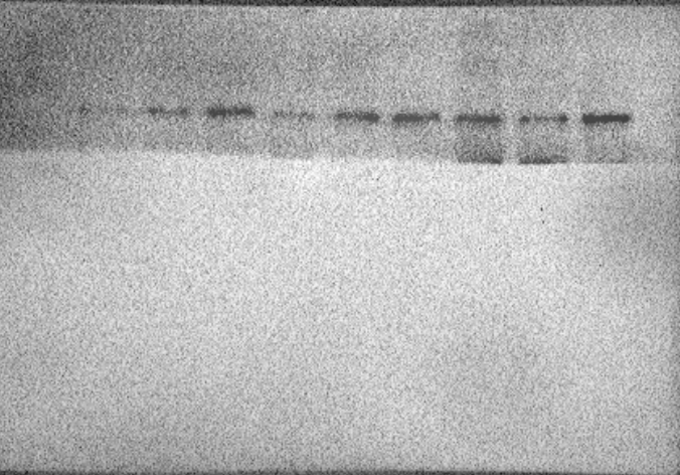
SP8
Ct 1
SP8 Tr 1
SP8
Ct 2
SP8
Tr 2
SP8
Ct 3
SP8
Tr 3
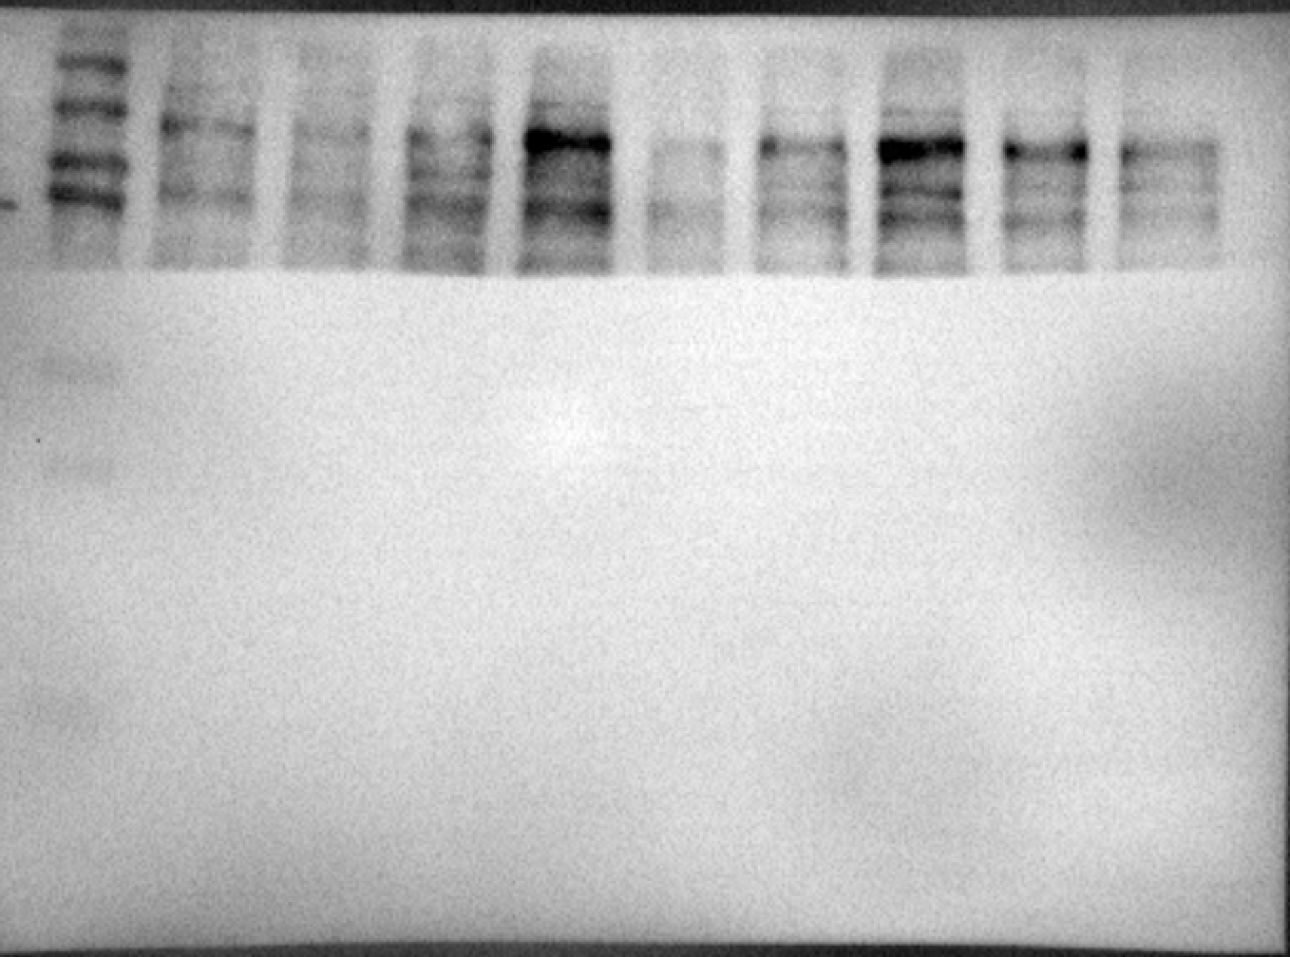
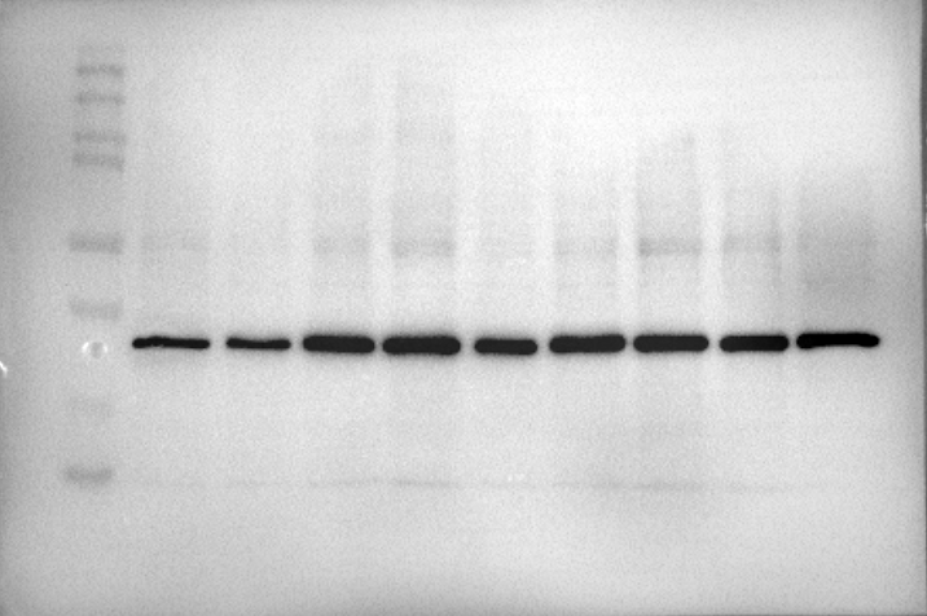
pTrKB (90-100 kDa) |  | GAPDH (37 kDa) |  | TrKB (90-100 kDa) | GAPDH (37 kDa)
 |  |  |  |  |  | Antibody | Host | Source/Catalog | WB dilution
 |  |  |  |  |  | p-TrkB | Mouse | Santa Cruz/sc-8052 | 1:500
SP8
Ct 1
SP8 Tr 1
SP8
Ct 2
SP8
Tr 2
SP8
Ct 3
SP8
Tr 3
SP8
Ct 1
SP8 Tr 1
SP8
Ct 2
SP8
Tr 2
SP8
Ct 3
SP8
Tr 3
 |  |  |  |  |  | TrkB | Mouse | Santa Cruz/sc-377218 | 1:500
 |  |  |  |  |  | GAPDH | Mouse | Millipore/MAB374 | 1:5000

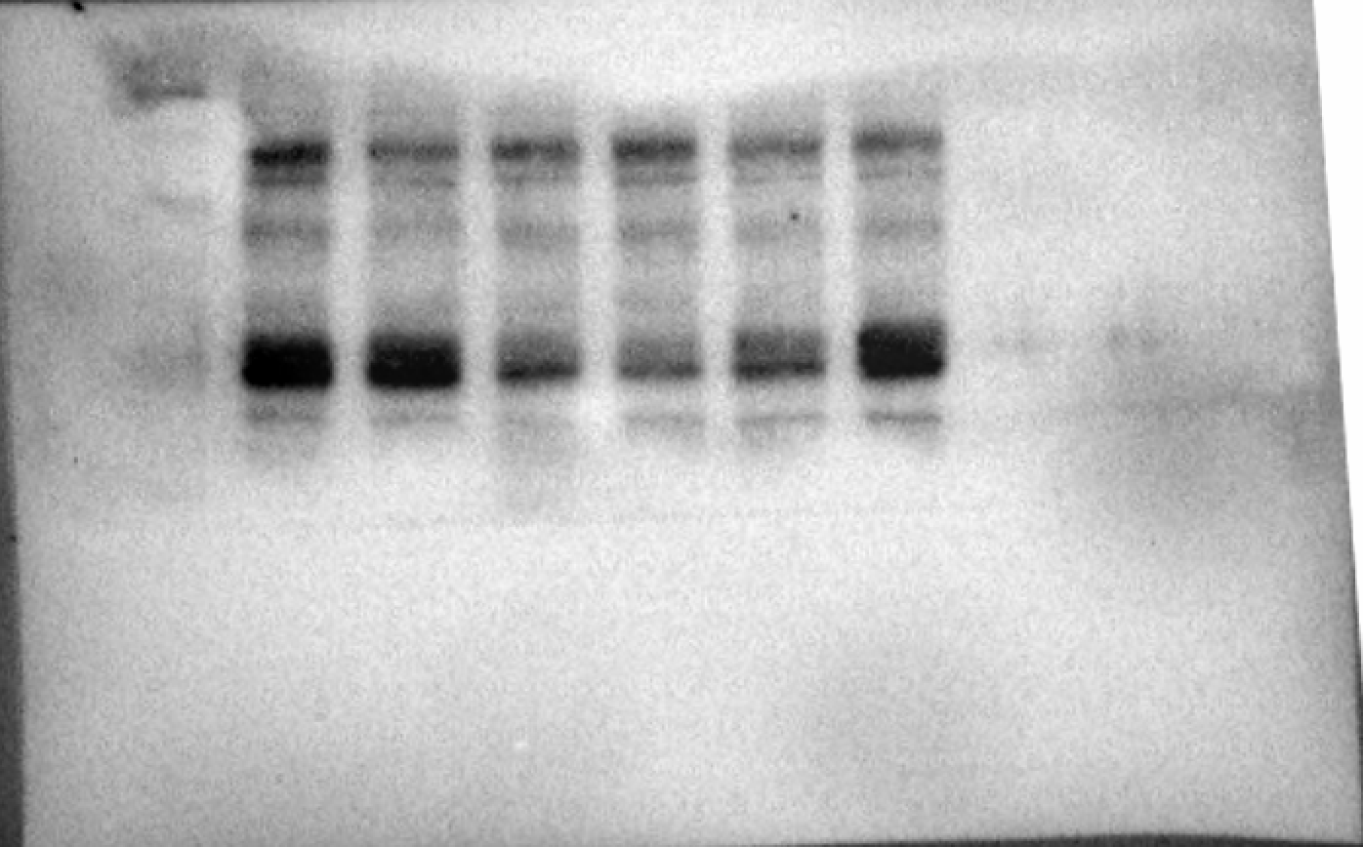
SP8
Ct 4
SP8Tr 4
SP8
Ct 5
SP8
Tr 5
SP8
Tr 6
SP8
Ct 6
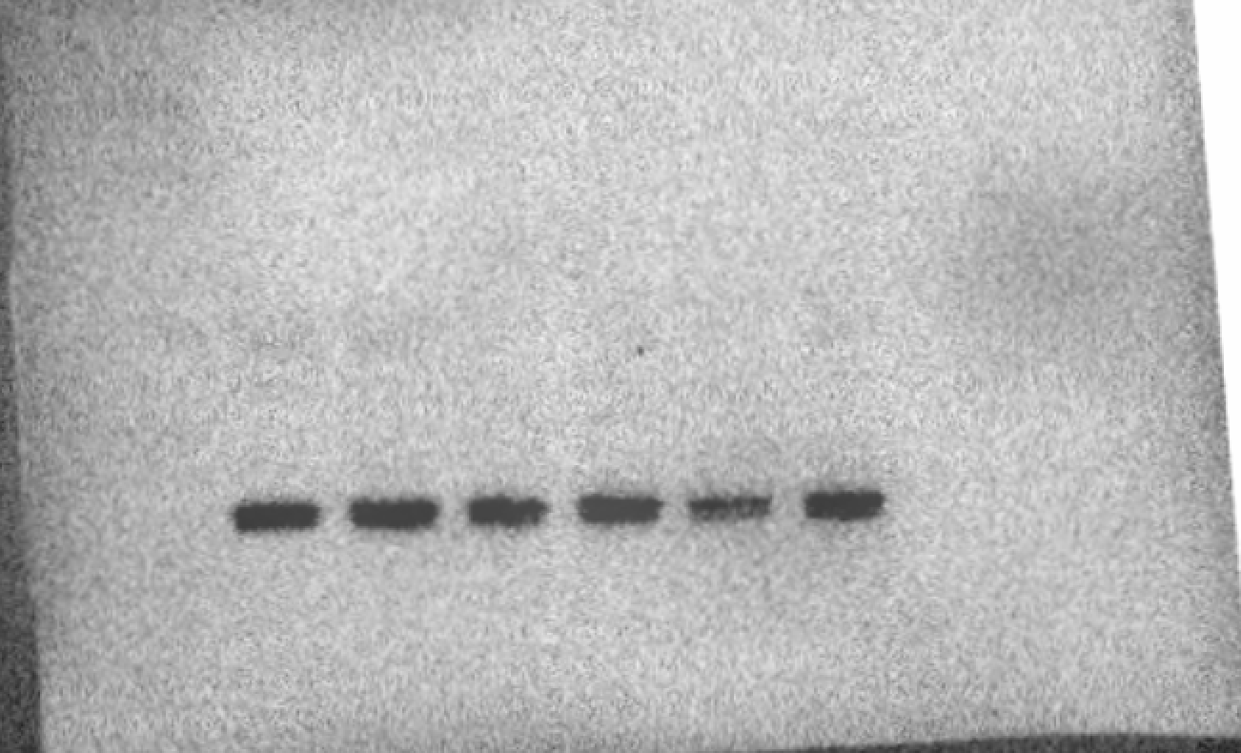
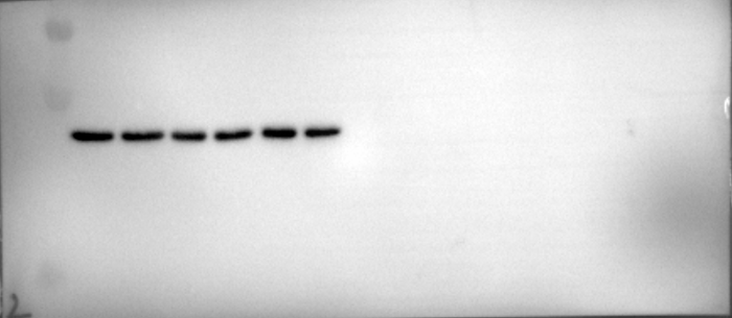
SP8
Ct 4
SP8Tr 4
SP8
Ct 5
SP8
Tr 5
SP8
Tr 6
SP8
Ct 6
SP8
Ct 4
SP8
Tr 4
SP8
Ct 5
SP8
Tr 5
SP8
Tr 6
SP8
Ct 6
SP8
Ct 4
SP8Tr 4
SP8
Ct 5
SP8
Tr 5
SP8
Tr 6
SP8
Ct 6

Supplementary Fig. 3b - Individual blots for p-TrkB/TrkB, and statistics

SAMP8 Control | SAMP8 Treated | Satistical analysis | t-test
139.4356 | 261.3915 | Unpaired t test
470,6934* | 298.9553 | P value | 0.0023
60.56437 | 381.9501 | P value summary | **
107.8584 | 165,5741* | Significantly different (P < 0.05)? | Yes
92.14157 | 359.8916 | One- or two-tailed P value? | Two-tailed
244,5021* | 549.5282 | t, df | t=4,651, df=7

Supplementary Fig. 3c - Synaptic plasticity-related genes, and statistics

Bdnf
SAMP8 Control | SAMP8 Treated | Satistical analysis | t-test
93.717399 | 187.2004 | Unpaired t test
82.140827 | 165.62291 | P value | 0.0184
124.14177 | 379,69033* | P value summary | *
96.137127 | 95.787188 | Significantly different (P < 0.05)? | Yes
63.775939 | 154.05372 | One- or two-tailed P value? | Two-tailed
140.08693 | 167.59988 | t, df | t=2,873, df=9

Vgf
SAMP8 Control | SAMP8 Treated | Satistical analysis | t-test
0.788794 | 3.428911 | Unpaired t test
1.707927 | 9,247303* | P value | 0.022
0.742279 | 3.247012 | P value summary | *
1.049437 | 1.094505 | Significantly different (P < 0.05)? | Yes
0.940484 | 1.488963 | One- or two-tailed P value? | Two-tailed
1.013193 | 2.125438 | t, df | t=2,762, df=9

