Fig. 3f
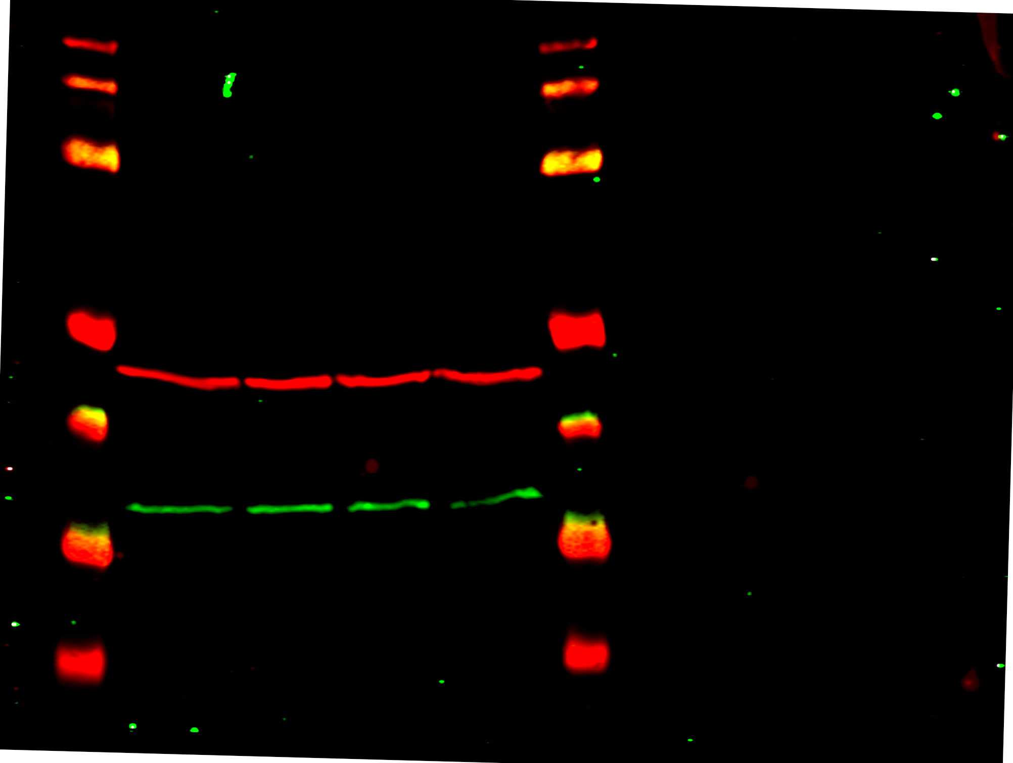
Figure 3f

