FIGURE 1A
RNAi
FIGURE 1A
 | % of dauer:
 | Repeat | control | daf-16 | pdk-1 | cdk-12
 | repeat-1 | 27.2727273 | 0 | 100 | 80
 | repeat-2 | 38.0952381 | 0 | 100 | 75
 | repeat-3 | 35.7142857 | 0 | 92.8571429 | 71.4285714
 | repeat-4 | 54.5454545 | 0 | 81.8181818 | 61.9047619
 | repeat-5 | 41.6666667 | 0 | 100 | 60
 | repeat-6 | 47.0588235 | 0 | 100 | 38.88889
 | repeat-7 | 10 | 0 | 93.75 | 73.3333333
 | repeat-8 | 40 | 0 | 95.8333333 | 86.9565217
 | repeat-9 | 23.0769231 | 0 | 100 | 88.8888889

one-way ANOVA
Number of families | 1
Number of comparisons per family | 6
Alpha | 0.05

Sidak's multiple comparisons test | Mean Diff. | 95.00% CI of diff. | Significant? | Summary | Adjusted P Value
control vs. daf-16 | 35.27 | 21.17 to 49.37 | Yes | **** | <0.0001 | A-B
control vs. pdk-1 | -60.76 | -74.86 to -46.66 | Yes | **** | <0.0001 | A-C
control vs. cdk-12 | -35.44 | -49.54 to -21.34 | Yes | **** | <0.0001 | A-D
daf-16 vs. pdk-1 | -96.03 | -110.1 to -81.93 | Yes | **** | <0.0001 | B-C
daf-16 vs. cdk-12 | -70.71 | -84.81 to -56.61 | Yes | **** | <0.0001 | B-D
pdk-1 vs. cdk-12 | 25.32 | 11.22 to 39.42 | Yes | *** | 0.0001 | C-D

Test details | Mean 1 | Mean 2 | Mean Diff. | SE of diff. | n1 | n2 | t | DF
control vs. daf-16 | 35.27 | 0 | 35.27 | 5.028 | 9 | 9 | 7.015 | 32
control vs. pdk-1 | 35.27 | 96.03 | -60.76 | 5.028 | 9 | 9 | 12.08 | 32
control vs. cdk-12 | 35.27 | 70.71 | -35.44 | 5.028 | 9 | 9 | 7.049 | 32
daf-16 vs. pdk-1 | 0 | 96.03 | -96.03 | 5.028 | 9 | 9 | 19.1 | 32
daf-16 vs. cdk-12 | 0 | 70.71 | -70.71 | 5.028 | 9 | 9 | 14.06 | 32
pdk-1 vs. cdk-12 | 96.03 | 70.71 | 25.32 | 5.028 | 9 | 9 | 5.035 | 32

SUP 1A,B,C,D lifespan
combine lifespan 3 Repeat
SUP 1A,B,C,D lifespan
Strain Name | WT control RNAi |  |  | WT cdk-12 RNAi |  |  | WT daf-16 RNAi |  | daf-2 control RNAi |  | daf-2 cdk-12 RNAi |  | daf-2 daf-16 RNAi |  | daf-16;daf-2 control RNAi |  | daf-16;daf-2 cdk-12 RNAi |  | daf-16;daf-2 daf-16 RNAi |  | daf-16 control RNAi |  | daf-16 cdk-12 RNAi

N = | 226 |  |  | 258 |  |  | 292 |  | 399 |  | 387 |  | 383 |  | 358 |  | 323 |  | 144 |  | 243 |  | 192

 | Day | # Deaths |  | Day | # Deaths |  | Day | # Deaths | Day | # Deaths | Day | # Deaths | Day | # Deaths | Day | # Deaths | Day | # Deaths | Day | # Deaths | Day | # Deaths | Day | # Deaths
 | 0 | 0 |  | 0 | 0 |  | 0 | 0 | 0 | 0 | 0 | 0 | 0 | 0 | 0 | 0 | 0 | 0 | 0 | 0 | 0 | 0 | 0 | 0
 | 1 | 0 |  | 1 | 0 |  | 1 | 0 | 1 | 0 | 1 | 0 | 1 | 0 | 1 | 0 | 1 | 0 | 1 | 0 | 1 | 0 | 1 | 0
 | 2 | 0 |  | 2 | 0 |  | 2 | 0 | 2 | 0 | 2 | 0 | 2 | 0 | 2 | 0 | 2 | 0 | 2 | 0 | 2 | 0 | 2 | 0
 | 3 | 0 |  | 3 | 0 |  | 3 | 0 | 3 | 0 | 3 | 0 | 3 | 0 | 3 | 0 | 3 | 0 | 3 | 0 | 3 | 0 | 3 | 0
 | 4 | 0 |  | 4 | 0 |  | 4 | 0 | 4 | 0 | 4 | 0 | 4 | 0 | 4 | 0 | 4 | 0 | 4 | 0 | 4 | 0 | 4 | 0
 | 5 | 0 |  | 5 | 0 |  | 5 | 0 | 5 | 0 | 5 | 0 | 5 | 0 | 5 | 0 | 5 | 0 | 5 | 0 | 5 | 0 | 5 | 0
 | 6 | 0 |  | 6 | 0 |  | 6 | 0 | 6 | 0 | 6 | 0 | 6 | 0 | 6 | 0 | 6 | 0 | 6 | 0 | 6 | 0 | 6 | 0
 | 7 | 0 |  | 7 | 0 |  | 7 | 0 | 7 | 0 | 7 | 0 | 7 | 0 | 7 | 0 | 7 | 0 | 7 | 0 | 7 | 0 | 7 | 0
 | 8 | 0 |  | 8 | 0 |  | 8 | 0 | 10 | 0 | 10 | 0 | 10 | 1 | 8 | 0 | 8 | 0 | 8 | 0 | 9 | 0 | 9 | 0
 | 9 | 0 |  | 9 | 0 |  | 9 | 3 | 11 | 0 | 11 | 3 | 11 | 4 | 10 | 6 | 10 | 21 | 11 | 7 | 10 | 24 | 10 | 55
 | 10 | 2 |  | 10 | 10 |  | 10 | 13 | 13 | 8 | 13 | 6 | 13 | 3 | 11 | 7 | 11 | 43 | 14 | 38 | 11 | 3 | 11 | 21
 | 11 | 10 |  | 11 | 82 |  | 11 | 36 | 14 | 5 | 14 | 9 | 14 | 8 | 12 | 8 | 12 | 15 | 16 | 22 | 13 | 52 | 13 | 75
 | 13 | 18 |  | 13 | 96 |  | 13 | 92 | 16 | 8 | 16 | 12 | 16 | 18 | 13 | 40 | 13 | 84 | 20 | 64 | 15 | 13 | 15 | 22
 | 14 | 33 |  | 14 | 20 |  | 14 | 38 | 17 | 4 | 17 | 0 | 20 | 41 | 14 | 27 | 14 | 70 | 22 | 11 | 16 | 38 | 16 | 0
 | 15 | 18 |  | 15 | 17 |  | 15 | 22 | 19 | 4 | 19 | 2 | 22 | 28 | 16 | 92 | 16 | 64 | 25 | 2 | 17 | 15 | 17 | 19
 | 16 | 7 |  | 16 | 10 |  | 16 | 16 | 20 | 21 | 20 | 45 | 25 | 50 | 18 | 3 | 18 | 7 |  |  | 19 | 23
 | 17 | 32 |  | 17 | 7 |  | 17 | 42 | 22 | 22 | 22 | 41 | 27 | 34 | 20 | 103 | 20 | 17 |  |  | 20 | 48
 | 18 | 25 |  | 18 | 10 |  | 18 | 15 | 25 | 19 | 25 | 52 | 29 | 32 | 21 | 8 | 21 | 2 |  |  | 21 | 21
 | 20 | 21 |  | 20 | 0 |  | 20 | 0 | 27 | 11 | 27 | 35 | 31 | 21 | 22 | 57 |  |  |  |  | 22 | 1
 | 21 | 42 |  | 21 | 6 |  | 21 | 12 | 29 | 21 | 29 | 30 | 34 | 23 | 23 | 6 |  |  |  |  | 23 | 5
 | 23 | 10 |  | 23 | 0 |  | 23 | 3 | 30 | 8 | 30 | 18 | 37 | 9 | 25 | 0
 | 26 | 8 |  |  |  |  |  |  | 31 | 26 | 31 | 30 | 40 | 7 | 28 | 1
 |  |  |  |  |  |  |  |  | 34 | 28 | 34 | 33 | 43 | 4
 |  |  |  |  |  |  |  |  | 37 | 33 | 37 | 27
 |  |  |  |  |  |  |  |  | 40 | 38 | 40 | 24
 |  |  |  |  |  |  |  |  | 43 | 38 | 43 | 17
 |  |  |  |  |  |  |  |  | 46 | 40 | 47 | 3
 |  |  |  |  |  |  |  |  | 49 | 5
 |  |  |  |  |  |  |  |  | 50 | 16
 |  |  |  |  |  |  |  |  | 54 | 12
 |  |  |  |  |  |  |  |  | 55 | 12
 |  |  |  |  |  |  |  |  | 57 | 12
 |  |  |  |  |  |  |  |  | 58 | 8
 |  |  |  |  |  |  |  |  | 60 | 11

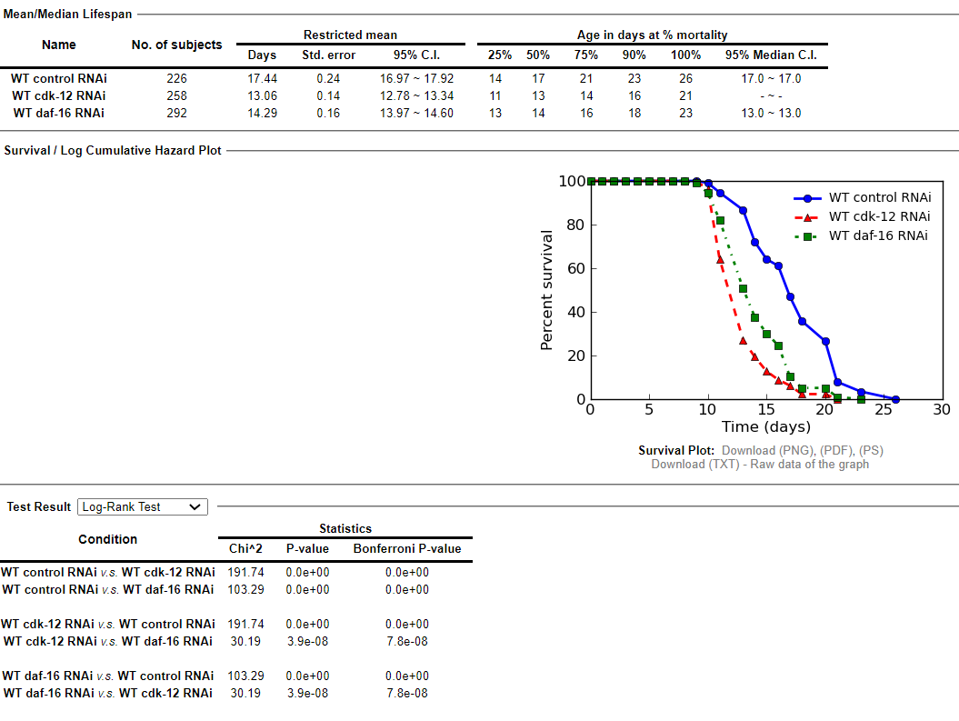
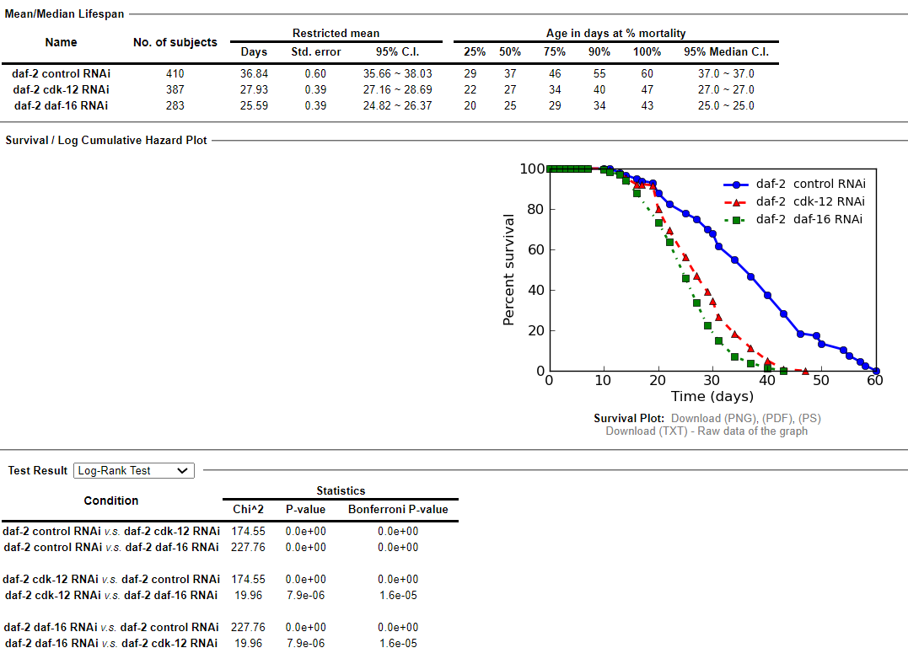

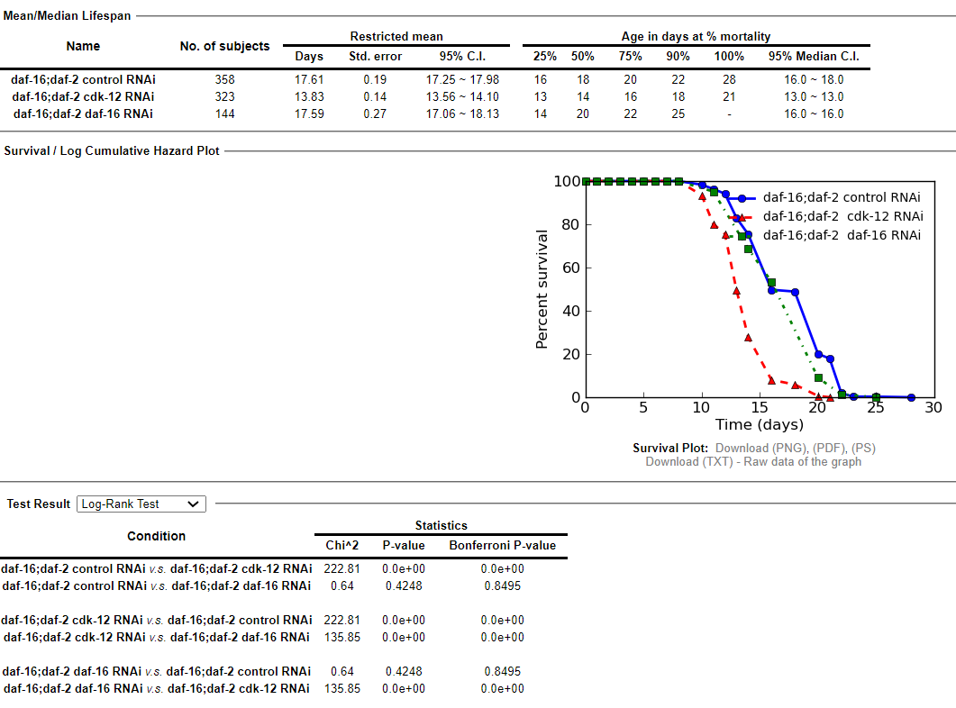
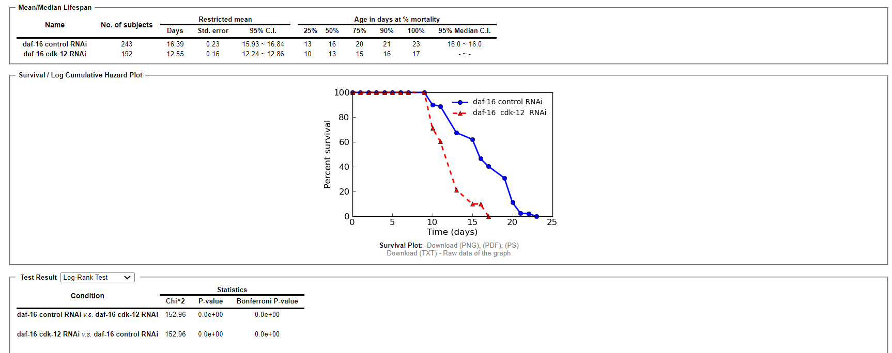

Figure no. | Genotype | RNAi | n | Mean LS ± SEM (Days) | % Change w.r.t. control | P-value (w.r.t. control)
Supp Figure No. 1A
 | WT | control | 226 | 17.44 ± 0.24
 |  | cdk-12 | 258 | 13.06 ± 0.14 | -25.11 | 0.00E+00
 |  | daf-16 | 292 | 14.29 ± 0.16 | -18.06 | 0.00E+00

Supp Figure No. 1B | daf-16 | control | 243 | 16.39 ± 0.23
 |  | cdk-12 | 192 | 12.55 ± 0.16 | -23.42 | 0.00E+00

Supp Figure No. 1C | daf-2 | control | 410 | 36.84 ± 0.6
 |  | cdk-12 | 387 | 27.93 ± 0.39 | -24.19 | 0.00E+00
 |  | daf-16 | 283 | 25.59 ± 0.39 | -30.54 | 0.00E+00

Supp Figure No. 1D | daf-16;daf-2 | control | 358 | 17.61 ± 0.19
 |  | cdk-12 | 323 | 13.83± 0.14 | -21.46 | 0.00E+00
 |  | daf-16 | 144 | 17.59 ± 0.27 | -0.11 | 0.42

Supplementary FIG 3H I
combine heat stress post 48 hrs rnai 3 Repeat
Supplementary FIG 3H I
Strain Name | WT control RNAi |  |  | WT cdk-12 RNAi |  |  | daf-2 control RNAi |  | daf-2 cdk-12 RNAi

N = | 188 |  |  | 268 |  |  | 320 |  | 316

 | hours | # Deaths |  | hours | # Deaths |  | hours | # Deaths | hours | # Deaths
 | 0 | 0 |  | 0 | 0 |  | 0 | 0 | 0 | 0
 | 1 | 0 |  | 1 | 0 |  | 1 | 0 | 1 | 0
 | 2 | 0 |  | 2 | 0 |  | 2 | 0 | 2 | 0
 | 3 | 0 |  | 3 | 0 |  | 3 | 0 | 3 | 0
 | 4 | 0 |  | 4 | 0 |  | 4 | 0 | 4 | 0
 | 5 | 0 |  | 5 | 0 |  | 5 | 0 | 5 | 0
 | 6 | 0 |  | 6 | 0 |  | 6 | 0 | 6 | 0
 | 7 | 0 |  | 7 | 0 |  | 7 | 0 | 7 | 0
 | 8 | 1 |  | 8 | 1 |  | 8 | 0 | 8 | 0
 | 9 | 0 |  | 9 | 0 |  | 9 | 0 | 9 | 0
 | 10 | 24 |  | 10 | 17 |  | 10 | 2 | 10 | 1
 | 11 | 6 |  | 11 | 8 |  | 11 | 0 | 11 | 0
 | 12 | 6 |  | 12 | 6 |  | 13 | 4 | 13 | 2
 | 13 | 25 |  | 13 | 11 |  | 14 | 21 | 14 | 13
 | 14 | 3 |  | 14 | 3 |  | 15 | 23 | 15 | 17
 | 15 | 22 |  | 15 | 17 |  | 17 | 30 | 17 | 24
 | 16 | 9 |  | 16 | 10 |  | 18 | 75 | 18 | 26
 | 18 | 36 |  | 18 | 58 |  | 20 | 38 | 20 | 51
 | 20 | 19 |  | 20 | 72 |  | 21 | 18 | 21 | 54
 | 22 | 28 |  | 22 | 33 |  | 22 | 28 | 22 | 17
 | 23 | 5 |  | 23 | 20 |  | 23 | 15 | 23 | 36
 | 26 | 3 |  | 26 | 8 |  | 24 | 3 | 24 | 33
 | 29 | 1 |  | 29 | 4 |  | 26 | 17 | 26 | 7
 |  |  |  |  |  |  | 29 | 37 | 29 | 23
 |  |  |  |  |  |  | 30 | 7 | 31 | 12
 |  |  |  |  |  |  | 31 | 2

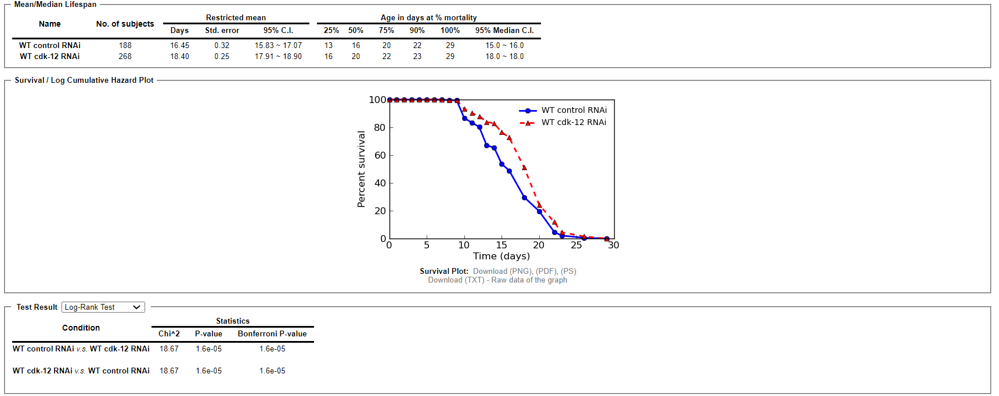
hours
(hours)
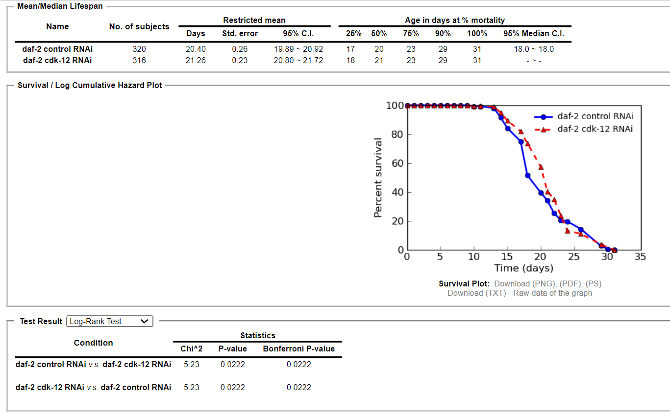
hours
(hours)

hours

Figure no. | Genotype | RNAi | n | Mean LS ± SEM (hours) | % Change w.r.t. control | P-value (w.r.t. control)

Supp Figure No. 3H | WT | control | 188 | 16.45 ± 0.32
 |  | cdk-12 | 269 | 18.40 ± 0.25 | 11.85 | 1.60E-05

Supp Figure No. 3I | daf-2 | control | 320 | 20.40 ± 0.26
 |  | cdk-12 | 316 | 21.26 ± 0.23 | 4.21 | 0.02

Figure no. | Genotype | RNAi | n | Mean LS ± SEM (hours) | % Change w.r.t. control | P-value (w.r.t. control)

Supp Figure No. 5G | WT | control | 188 | 16.45 ± 0.32
 |  | cdk-12 | 269 | 18.40 ± 0.25 | 11.85 | 1.60E-05

Supp Figure No. 5I | daf-2 | control | 320 | 20.40 ± 0.26
 |  | cdk-12 | 316 | 21.26 ± 0.23 | 4.21 | 0.02

Supp Figure No. 1D | daf-16;daf-2 | control | 343 | 14.15 ± 0.24
 |  | cdk-12 | 448 | 15.07± 0.20 | 6.50 | 0.04

