Figure_1
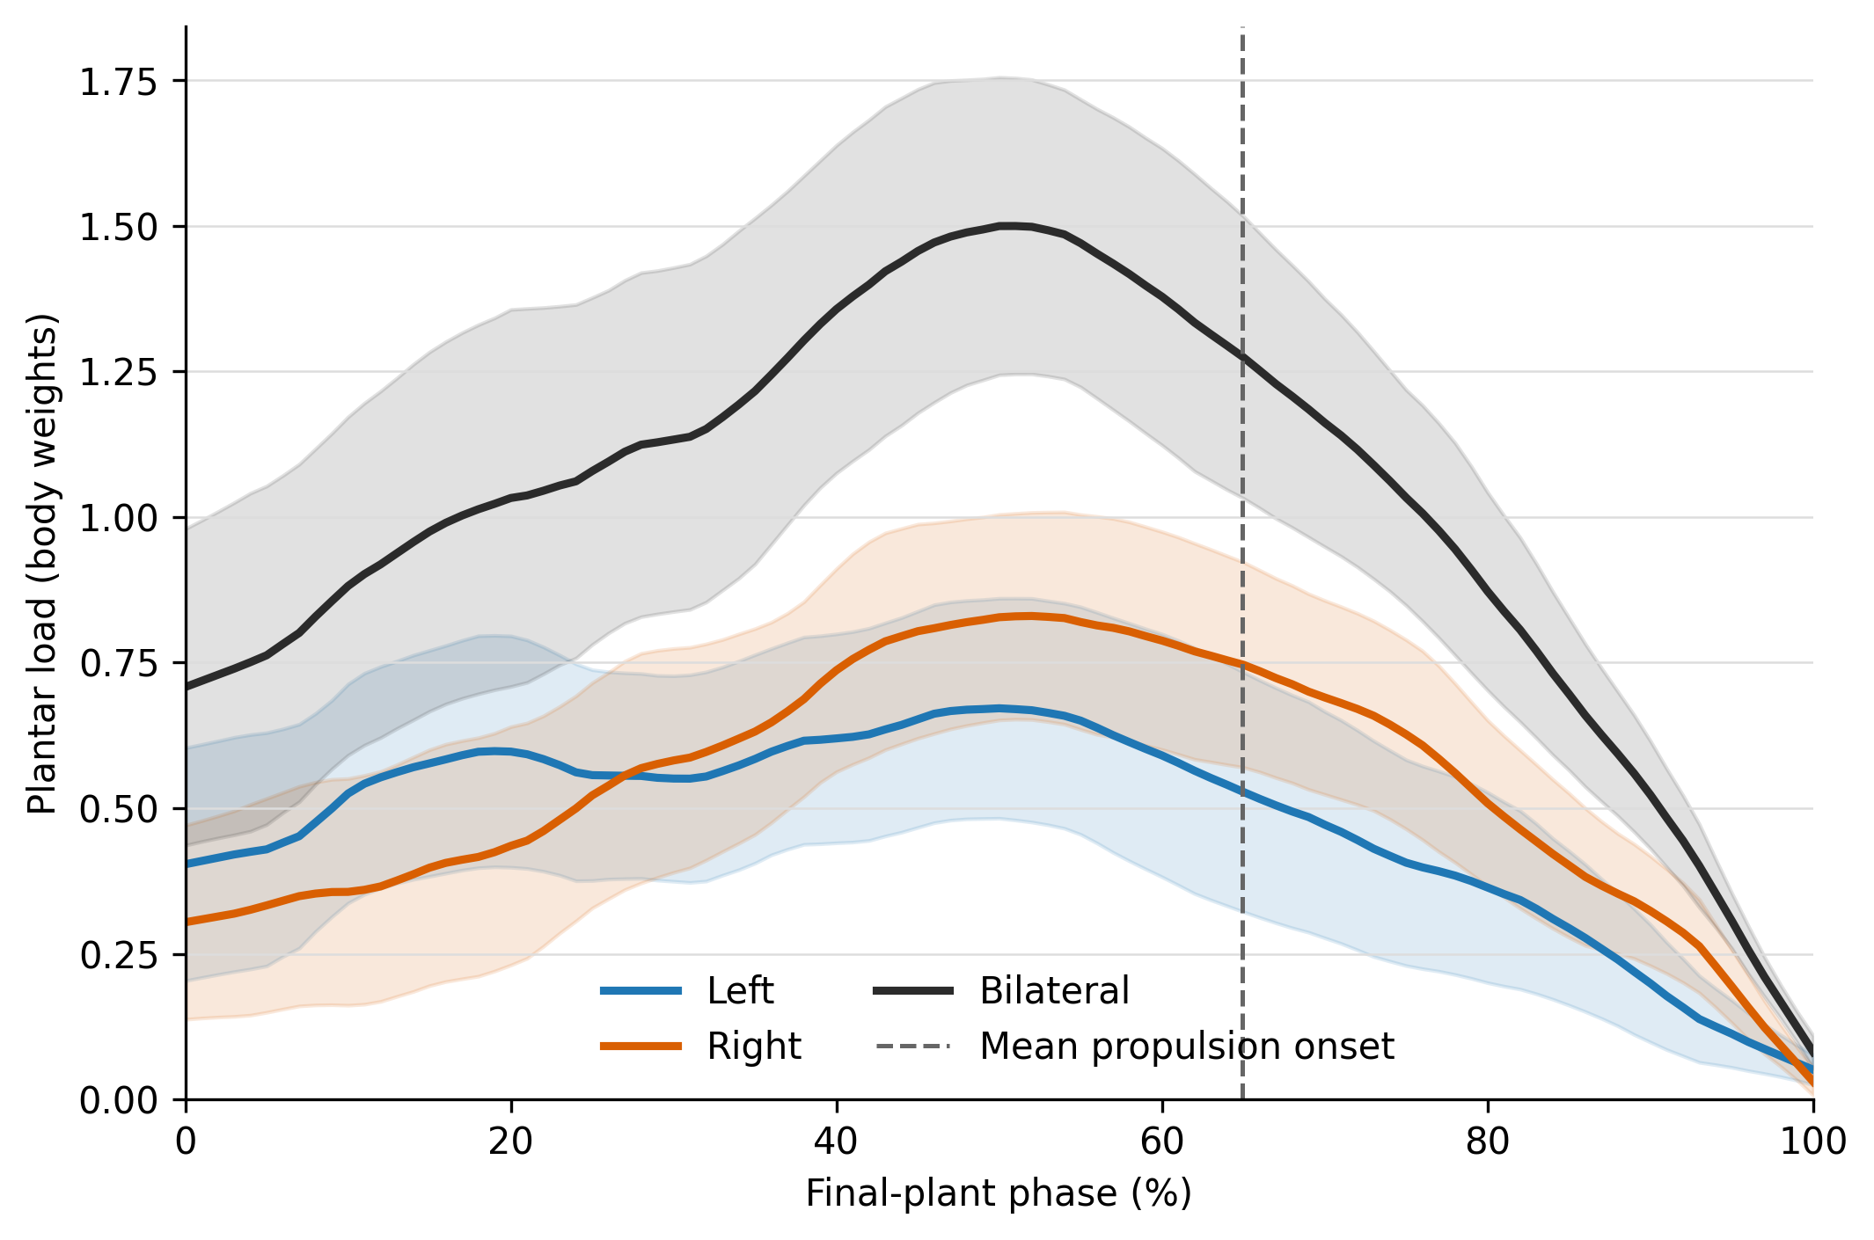
Figure 1. Phase-normalized bilateral plantar loading
Publication-resolution PNG embedded below.

Figure_2
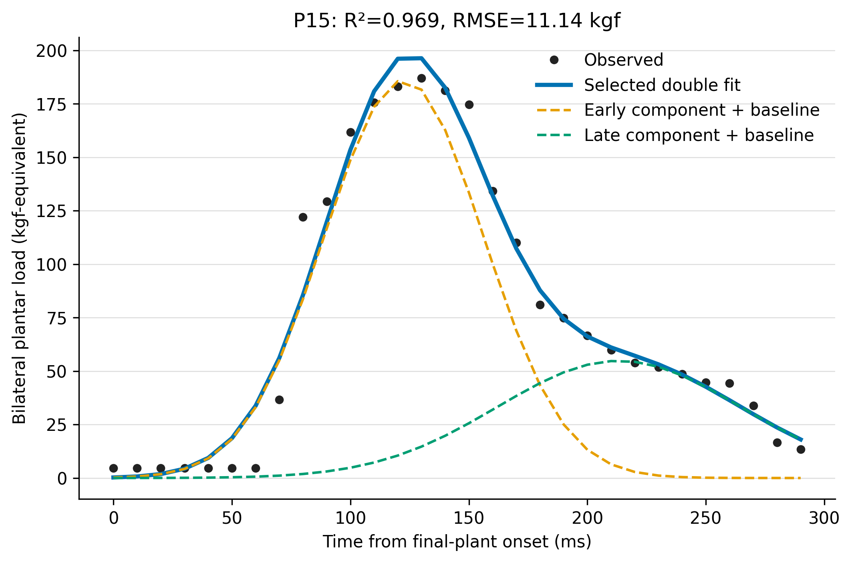
Figure 2. Representative observed waveform and selected Gaussian fit
Publication-resolution PNG embedded below.

Figure_S1
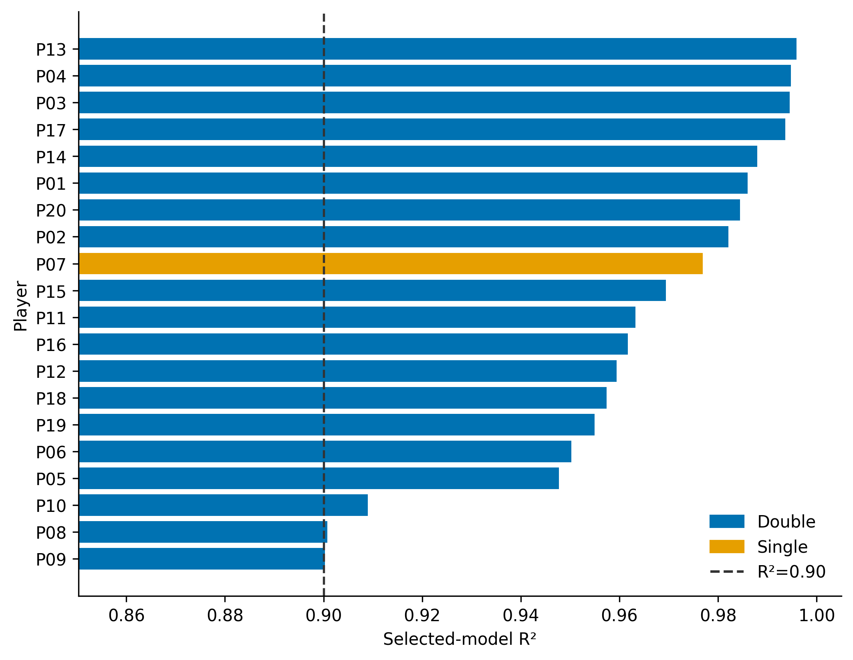
Supplementary Figure S1. Selected-model R² by player
Publication-resolution PNG embedded below.

Figure_3
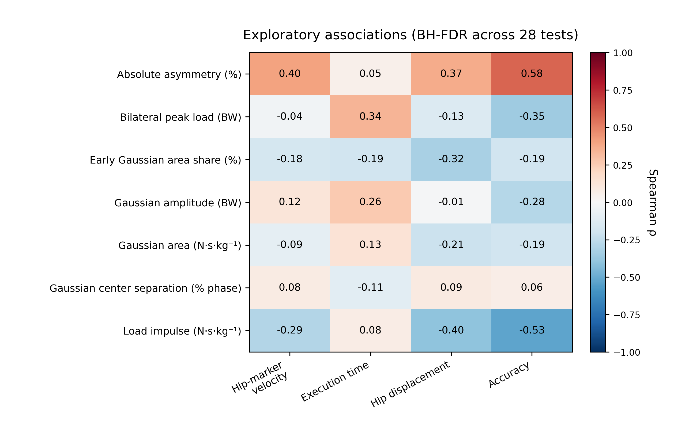
Figure 3. Exploratory association heatmap
Publication-resolution PNG embedded below.

Figure_S2
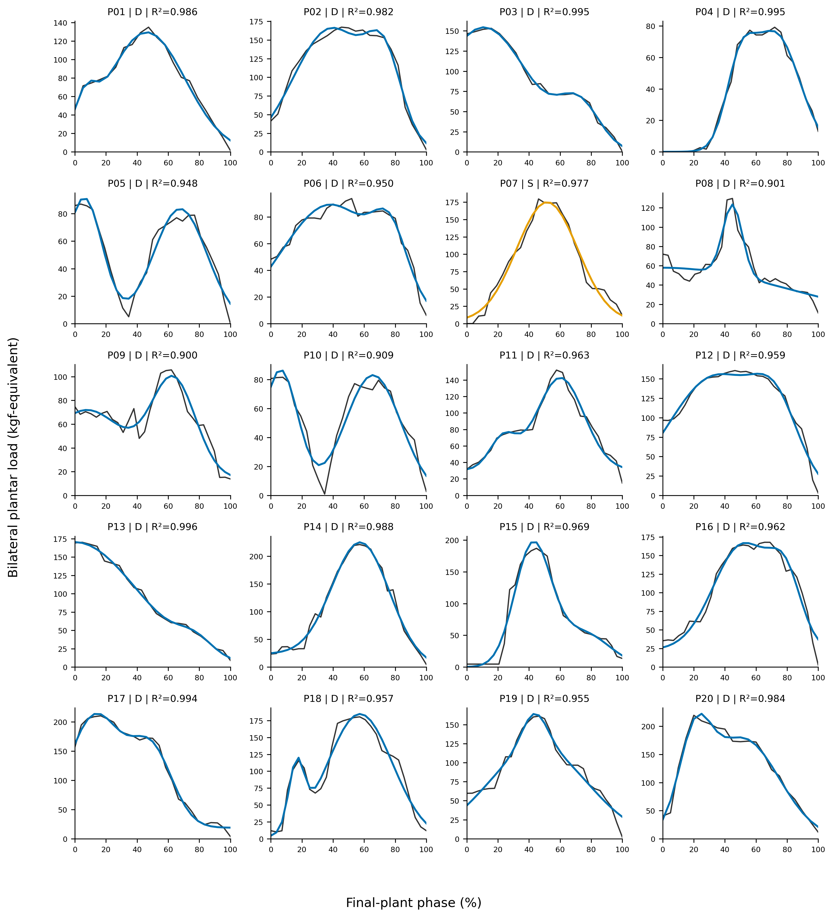
Supplementary Figure S2. Observed and selected Gaussian curves for all 20 players
Publication-resolution PNG embedded below.

