By Year
Table S2. Included Studies By Year

Year | Studies | % of 113
2015 | 6 | 5%
2016 | 5 | 4%
2017 | 8 | 7%
2018 | 6 | 5%
2019 | 7 | 6%
2020 | 13 | 12%
2021 | 9 | 8%
2022 | 14 | 12%
2023 | 13 | 12%
2024 | 14 | 12%
2025 | 18 | 16%
TOTAL | 113 | 100%

By Design
Table S4. Study Design

Design | Studies | % of 113
Pilot / feasibility / pre-post | 54 | 47.8%
RCT / randomized | 41 | 36.3%
Other experimental | 8 | 7.1%
Quasi-experimental | 6 | 5.3%
Observational / other quanti. | 4 | 3.5%
TOTAL | 113 | 100.0%

By Delivery Mode
Table S5. Delivery Mode

Delivery Mode | Studies | % of 113
VR / AR / MR | 56 | 49.6%
Robot (social / pet / companion) | 30 | 26.5%
Mobile app / mHealth | 10 | 8.8%
Tablet / PC / screen | 10 | 8.8%
Wearable / sensor | 7 | 6.2%
TOTAL | 113 | 100.0%

By Intervention Focus
Table S6. Intervention focus (studies may have more than 1 focus)

Intervention Focus | Studies | % of 113
cognitive activity | 39 | 34.5%
physical-cognitive activity | 26 | 23.0%
mental health | 21 | 18.6%
physical activity | 10 | 8.8%
social activity/psychosocial | 7 | 6.2%
reminiscence | 5 | 4.4%
reminiscence-cognitive activity | 2 | 1.8%
mental health-cognitive activity | 2 | 1.8%
health education | 1 | 0.9%
TOTAL | 113 | 100.0%

By Target Population
Table S7. Target population (studies may span more than 1 group)

Target population | Studies | % of 113
MCI | 64 | 56.6%
Dementia / Alzheimer | 62 | 54.9%
Healthy Comparator included | 13 | 11.5%
SCD / SCI | 6 | 5.3%
Carers (formal/informal) included | 3 | 2.7%

By Country
Table S8. Studies by country and region

Country | Studies | % of 113
Australia | 8 | 7.1%
Belgium | 3 | 2.7%
Canada | 3 | 2.7%
China | 3 | 2.7%
Cyprus | 1 | 0.9%
Denmark | 1 | 0.9%
Ecuador | 1 | 0.9%
11
France | 2 | 1.8%
Germany | 3 | 2.7%
Greece | 4 | 3.5%
Hong Kong | 3 | 2.7%
India | 1 | 0.9%
Iran | 1 | 0.9%
Ireland | 1 | 0.9%
Israel | 1 | 0.9%
Italy | 7 | 6.2%
Japan | 5 | 4.4%
New Zealand | 1 | 0.9%
Norway | 2 | 1.8%
Pakistan | 1 | 0.9%
Poland | 1 | 0.9%
Portugal | 2 | 1.8%
Singapore | 1 | 0.9%
South Korea | 22 | 19.5%
Spain | 4 | 3.5%
Sweden | 1 | 0.9%
Taiwan | 9 | 8.0%
Thailand | 1 | 0.9%
The Netherlands | 3 | 2.7%
Turkey | 2 | 1.8%
UK | 4 | 3.5%
USA | 13 | 11.5%
TOTAL | 115 | 101.8%

By Region
Table S9. Studies by world region

Region | Studies | % of 113
East & South East Asia | 46 | 40.71%
Europe | 39 | 34.51%
North Amercia | 16 | 14.16%
Oceania | 9 | 7.96%
Middle East | 2 | 1.77%
South America | 1 | 0.88%
TOTAL | 113 | 100%

Delivery x Focus
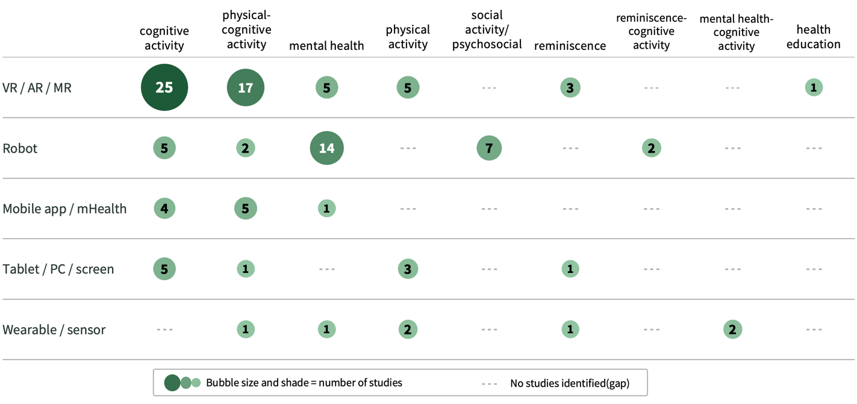
Table S10. Delivery mode x intervention focus (study counts)

