Contents
Supplementary Materials, data file 2

Global atlas of pesticide use
Yuyue Zhang, Anja Gladbach, Marissa Kosnik, Luke Settles, Ulf Norinder, Daniel Glas, Peter Fantke*

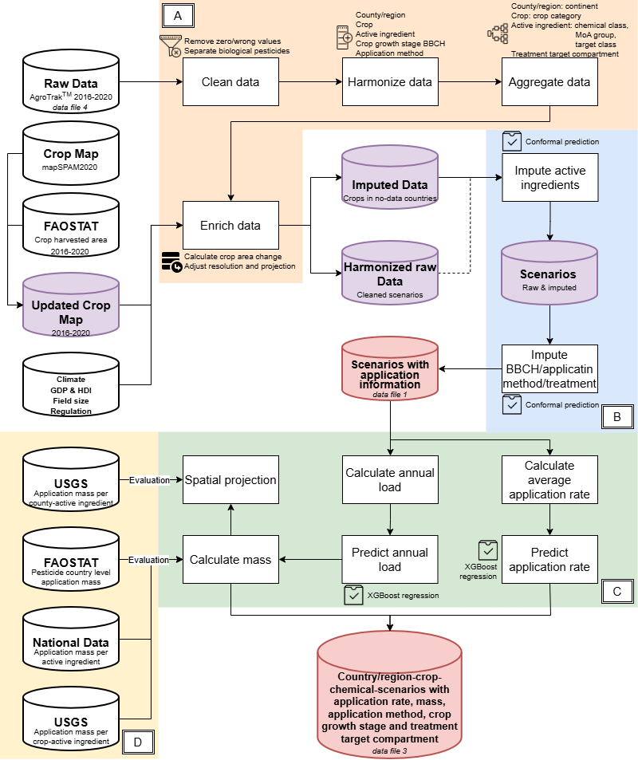
Supplementary Tables* |  | Workflow (see Figure 6 in the main text for details)
Table S4 | Harmonization of country/region names reported in the raw data, and assignment to ISO 3166 country codes, and allocation to continents.
Table S5 | Countries with assignment to ISO 3166 country codes, and regions included in Central American & the Caribbean (CAC) region.
Table S6 | Harmonization of crop names reported in the raw data, assignment to EarthStat crop code (http://www.earthstat.org), assignment to the UN common product classification (CPC 2.1) (United Nations, 2015) code and FAOSTAT crop code, mapping to mapSPAM2010 crop or crop groups, and allocation to crop classes.
Table S7 | Harmonization of pesticide active ingredient names reported in the raw data, assignment to Chemical Abstracts Service - Registry Numbers (CAS RN), DSSTox substance identifiers (DTXSID) used in the Environmental Protection Agency CompTox Dashboard, International Chemical Identifier (InChI) Keys, and allocation to chemical class (based on the Compendium of Pesticide Common Names, http://bcpcpesticidecompendium.org), primary pesticide target class, and mode of action classification, derived from the Fungicide Resistance Action Committee (FRAC), Herbicide Resistance Action Committee (HRA), and Insecticide Resistance Action Committee (IRAC).
Table S8 | Harmonization of crop growth stage reported in the raw data, and assignment to the Biologische Bundesanstalt, Bundessortenamt und Chemische Industrie (BBCH) scale based on (Meier, 2018).
Table S9 | Harmonization of pesticide application method reported in the raw data, and assignment to six reference application methods, including aerial application, boom sprayer, hand-operated sprayer, soil incorporation, seed treatment, and tunnel sprayer.
Table S10 | Adjustment of pesticide application method and aggregation of treatment target compartments separated by crop, seed, and soil, and indication of possible mismatches between pesticide application method and related treatment target compartment.
Table S11 | Data enrichment information, including temporal and spatial resolution, and data format on inputs, in support of applying appropriate machine learning algorithms for imputing missing data.
Table S12 | Country list for reported and imputed countries and regions, and total annual average pesticide application mass over the years 2016-2020 across all crops and pesticide active ingredients per country or region.
Table S13 | Input parameters and scenario information for training machine learning algorithm models for different data imputation steps.
Table S15 | Tuned hyperparameter significance level and the corresponding efficiency for each conformal prediction model derived from the model validation process.
Table S16 | Error rate, “yes” accuracy, and “no” accuracy levels of conformal prediction models to impute missing data for pesticide active ingredient, pesticide application method, crop growth stage (BBCH), and treatment target compartment, and for imputed countries whether a given active ingredient are predicted or not from conformal prediction.
Table S17 | Recursive feature elimination results of the XGBoost regression model for predicting weighted average pesticide application rate.
Table S19 | Recursive feature elimination results of the XGBoost regression model for predicting the annual load of applied pesticides.
Table S20 | Crop list, and total annual average pesticide application mass over the years 2016-2020 across all countries and pesticide active ingredients per crop.
Table S21 | Pesticide active ingredient list, and total annual average pesticide application mass over the years 2016-2020 across all countries and crops per active ingredient, including biological pesticides.
*Columns across tables with bold column header are used in the final dataset provided in Table S1 and Table S2 (Supplementary Materials, data files 1 & 3)

