Fig. S1. dose reponse curves
Km | Young % | Old % | Hill model parameters |  |  | Dose for fitted curve | Young fitted (%) | Old fitted (%)
0 | 100.0 | 95.8 | Parameter | Young | Old | 0.01 | 100.00 | 95.83
5 | 100.0 | 95.1 | Top (%) | 100.00 | 95.83 | 0.51 | 100.00 | 95.83
10 | 100.0 | 87.5 | Bottom (%) | 0.00 | 0.00 | 1.01 | 100.00 | 95.83
15 | 89.6 | 78.5 | EC50 (mg/L) | 20.09 | 18.27 | 1.51 | 100.00 | 95.83
20 | 52.8 | 34.0 | Hill slope | 14.21 | 8.23 | 2.01 | 100.00 | 95.83
25 | 0.0 | 0.0 |  |  |  | 2.51 | 100.00 | 95.83
50 | 0.0 | 0.0 |  |  |  | 3.01 | 100.00 | 95.83
Fig. S1. Hill dose-response fitted curves
 |  |  |  |  |  | 3.51 | 100.00 | 95.83
Km dose response for LD50 estimation
 |  |  |  |  |  | 4.01 | 100.00 | 95.83
 |  |  |  |  |  | 4.51 | 100.00 | 95.83
 |  |  |  |  |  | 5.01 | 100.00 | 95.83
 |  |  |  |  |  | 5.51 | 100.00 | 95.83
 |  |  |  |  |  | 6.01 | 100.00 | 95.82
 |  |  |  |  |  | 6.51 | 100.00 | 95.81
 |  |  |  |  |  | 7.01 | 100.00 | 95.80
 |  |  |  |  |  | 7.51 | 100.00 | 95.77
 |  |  |  |  |  | 8.01 | 100.00 | 95.73
 |  |  |  |  |  | 8.51 | 100.00 | 95.66
 |  |  |  |  |  | 9.01 | 100.00 | 95.55
 |  |  |  |  |  | 9.51 | 100.00 | 95.39
 |  |  |  |  |  | 10.01 | 99.99 | 95.16
 |  |  |  |  |  | 10.51 | 99.99 | 94.83
 |  |  |  |  |  | 11.01 | 99.98 | 94.37
 |  |  |  |  |  | 11.51 | 99.96 | 93.74
 |  |  |  |  |  | 12.01 | 99.93 | 92.89
 |  |  |  |  |  | 12.51 | 99.88 | 91.77
 |  |  |  |  |  | 13.01 | 99.79 | 90.31
Suggested Fig. S1 legend |  |  |  |  |  | 13.51 | 99.65 | 88.46
Observed points represent pooled percentages of shoot-bearing leaf segments after 4 weeks of culture. Smooth curves represent fitted Hill dose-response models used to estimate EC50 and Hill slope for young and old leaf segments. EC50 was defined as the Km concentration causing a 50% reduction in shoot regeneration. |  |  |  |  |  | 14.01 | 99.41 | 86.14
 |  |  |  |  |  | 14.51 | 99.03 | 83.33
 |  |  |  |  |  | 15.01 | 98.44 | 79.97
 |  |  |  |  |  | 15.51 | 97.53 | 76.07
 |  |  |  |  |  | 16.01 | 96.18 | 71.66
 |  |  |  |  |  | 16.51 | 94.21 | 66.81
 |  |  |  |  |  | 17.01 | 91.41 | 61.61
 |  |  |  |  |  | 17.51 | 87.58 | 56.21
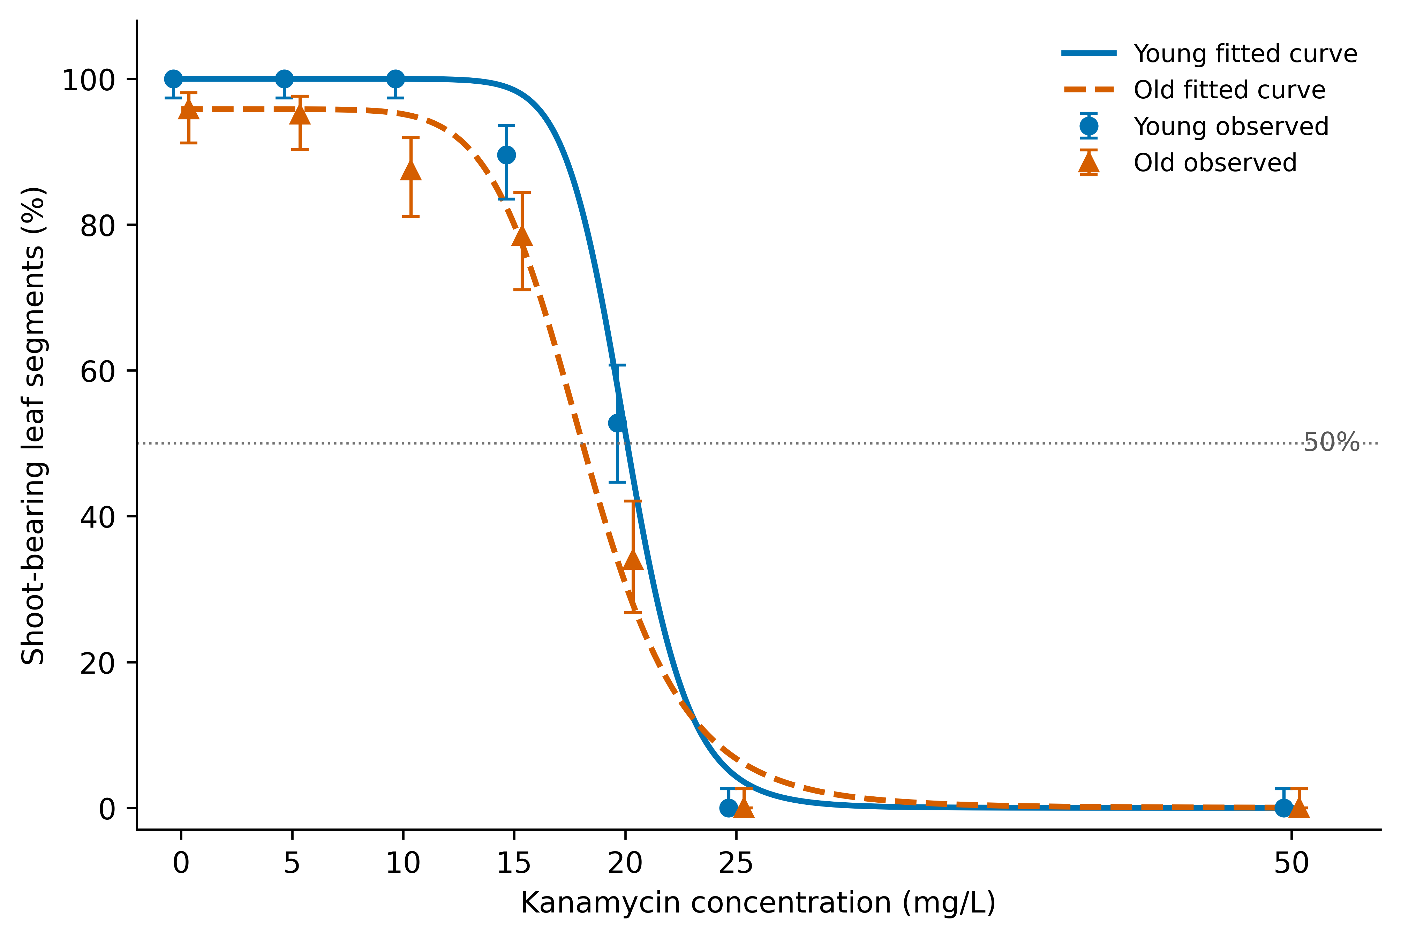
 |  |  |  |  |  | 18.01 | 82.54 | 50.74
 |  |  |  |  |  | 18.51 | 76.21 | 45.35
 |  |  |  |  |  | 19.01 | 68.68 | 40.16
 |  |  |  |  |  | 19.51 | 60.26 | 35.27
 |  |  |  |  |  | 20.01 | 51.42 | 30.77
 |  |  |  |  |  | 20.51 | 42.70 | 26.69
 |  |  |  |  |  | 21.01 | 34.61 | 23.05
 |  |  |  |  |  | 21.51 | 27.48 | 19.83
 |  |  |  |  |  | 22.01 | 21.47 | 17.02
 |  |  |  |  |  | 22.51 | 16.57 | 14.58
 |  |  |  |  |  | 23.01 | 12.69 | 12.49
 |  |  |  |  |  | 23.51 | 9.68 | 10.69
 |  |  |  |  |  | 24.01 | 7.36 | 9.15
 |  |  |  |  |  | 24.51 | 5.59 | 7.84
 |  |  |  |  |  | 25.01 | 4.26 | 6.72
 |  |  |  |  |  | 25.50 | 3.27 | 5.79
 |  |  |  |  |  | 26.00 | 2.50 | 4.98
 |  |  |  |  |  | 26.50 | 1.92 | 4.29
 |  |  |  |  |  | 27.00 | 1.48 | 3.70
 |  |  |  |  |  | 27.50 | 1.14 | 3.20
 |  |  |  |  |  | 28.00 | 0.89 | 2.77
 |  |  |  |  |  | 28.50 | 0.69 | 2.41
 |  |  |  |  |  | 29.00 | 0.54 | 2.09
 |  |  |  |  |  | 29.50 | 0.42 | 1.82
 |  |  |  |  |  | 30.00 | 0.33 | 1.59
 |  |  |  |  |  | 30.50 | 0.26 | 1.39
 |  |  |  |  |  | 31.00 | 0.21 | 1.22
 |  |  |  |  |  | 31.50 | 0.17 | 1.07
 |  |  |  |  |  | 32.00 | 0.13 | 0.94
 |  |  |  |  |  | 32.50 | 0.11 | 0.83
 |  |  |  |  |  | 33.00 | 0.09 | 0.73
 |  |  |  |  |  | 33.50 | 0.07 | 0.65
 |  |  |  |  |  | 34.00 | 0.06 | 0.57
 |  |  |  |  |  | 34.50 | 0.05 | 0.51
 |  |  |  |  |  | 35.00 | 0.04 | 0.45
 |  |  |  |  |  | 35.50 | 0.03 | 0.40
 |  |  |  |  |  | 36.00 | 0.03 | 0.36
 |  |  |  |  |  | 36.50 | 0.02 | 0.32
 |  |  |  |  |  | 37.00 | 0.02 | 0.29
 |  |  |  |  |  | 37.50 | 0.01 | 0.26
 |  |  |  |  |  | 38.00 | 0.01 | 0.23
 |  |  |  |  |  | 38.50 | 0.01 | 0.21
 |  |  |  |  |  | 39.00 | 0.01 | 0.19
 |  |  |  |  |  | 39.50 | 0.01 | 0.17
 |  |  |  |  |  | 40.00 | 0.01 | 0.15
 |  |  |  |  |  | 40.50 | 0.00 | 0.14
 |  |  |  |  |  | 41.00 | 0.00 | 0.12
 |  |  |  |  |  | 41.50 | 0.00 | 0.11
 |  |  |  |  |  | 42.00 | 0.00 | 0.10
 |  |  |  |  |  | 42.50 | 0.00 | 0.09
 |  |  |  |  |  | 43.00 | 0.00 | 0.08
 |  |  |  |  |  | 43.50 | 0.00 | 0.08
 |  |  |  |  |  | 44.00 | 0.00 | 0.07
 |  |  |  |  |  | 44.50 | 0.00 | 0.06
 |  |  |  |  |  | 45.00 | 0.00 | 0.06
 |  |  |  |  |  | 45.50 | 0.00 | 0.05
 |  |  |  |  |  | 46.00 | 0.00 | 0.05
 |  |  |  |  |  | 46.50 | 0.00 | 0.04
 |  |  |  |  |  | 47.00 | 0.00 | 0.04
 |  |  |  |  |  | 47.50 | 0.00 | 0.04
 |  |  |  |  |  | 48.00 | 0.00 | 0.03
 |  |  |  |  |  | 48.50 | 0.00 | 0.03
 |  |  |  |  |  | 49.00 | 0.00 | 0.03
 |  |  |  |  |  | 49.50 | 0.00 | 0.03
 |  |  |  |  |  | 50.00 | 0.00 | 0.02

