Preview_S16_5TP
Graphical preview of Supplementary Table S16 — five-timepoint Friedman |  |  |  |  |  |  |  |  | ← READ ME
Start blue, EOF green, EOC yellow, EOW red and three months orange; four study kidneys. Figures generated from the deposited per-sample matrix by scripts/PaperIII_excel_panel_figures.py.

Pathway group | Protein | Gene | N | χ² | Friedman p (exact) | FDR q | * | Five-timepoint trajectory
ECM / Fibrosis | SMA-α | ACTA2 | 4.0000 | 4.6000 | 0.3703 | 0.3958 |  | 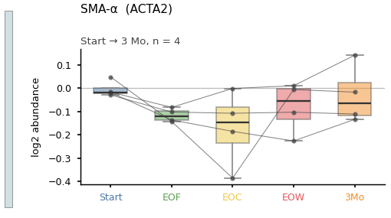
ECM / Fibrosis | E-Cadherin | CDH1 | 4.0000 | 12.8000 | 0.0017 | 0.0040 | * | 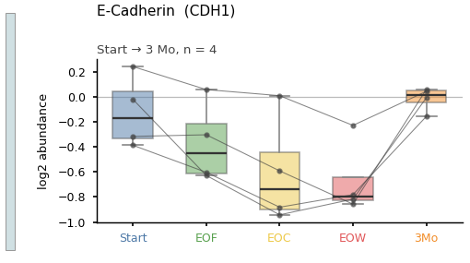
ECM / Fibrosis | Collagen 1-α | COL1A1 | 4.0000 | 6.6000 | 0.1609 | 0.1803 |  | 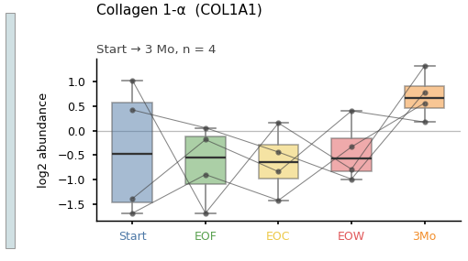
ECM / Fibrosis | Collagen 3-α | COL3A1 | 4.0000 | 11.6000 | 0.0057 | 0.0097 | * | 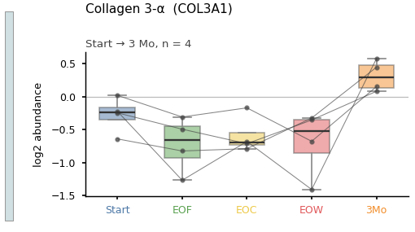
ECM / Fibrosis | Fibronectin | FN1 | 4.0000 | 8.2000 | 0.0720 | 0.0859 |  | 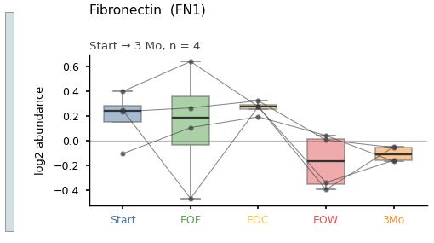
ECM / Fibrosis | Matrix metalloproteinase 9 | MMP9 | 4.0000 | 2.2000 | 0.7592 | 0.7591 |  | 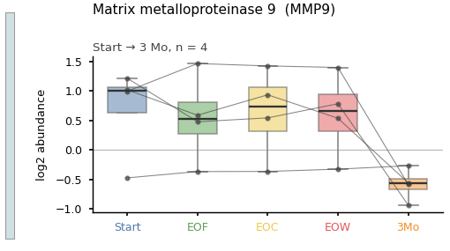
ECM / Fibrosis | Vimentin | VIM | 4.0000 | 11.6000 | 0.0057 | 0.0097 | * | 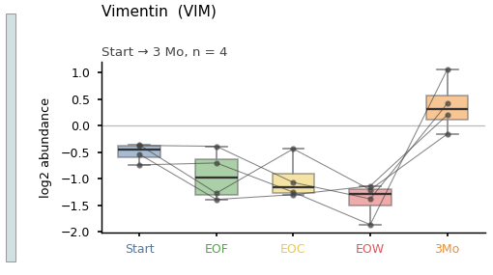
Coagulation Factors & Kallikrein-Kinin | Factor X | F10 | 4.0000 | 14.6000 | 0.000107 | 0.000700 | * | 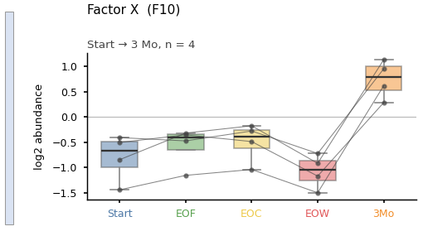
Coagulation Factors & Kallikrein-Kinin | Fibrin stabilizing factor 1 | F13A1 | 4.0000 | 5.6000 | 0.2487 | 0.2689 |  | 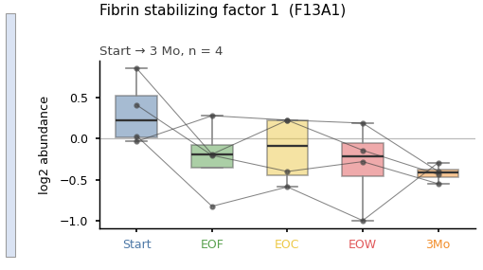
Coagulation Factors & Kallikrein-Kinin | Fibrin stabilizing factor 2 | F13B | 4.0000 | 13.4000 | 0.000830 | 0.0026 | * | 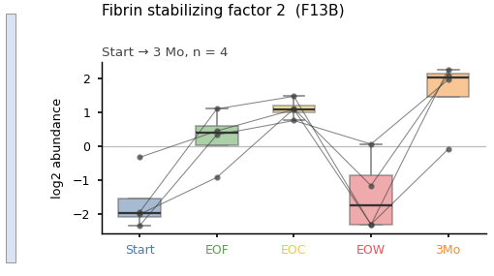
Coagulation Factors & Kallikrein-Kinin | Prothrombin | F2 | 4.0000 | 15.4000 | 0.000010 | 0.000100 | * | 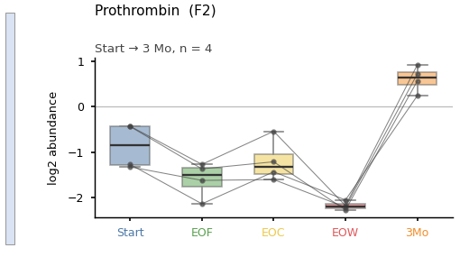
Coagulation Factors & Kallikrein-Kinin | Factor V | F5 | 4.0000 | 15.4000 | 0.000010 | 0.000100 | * | 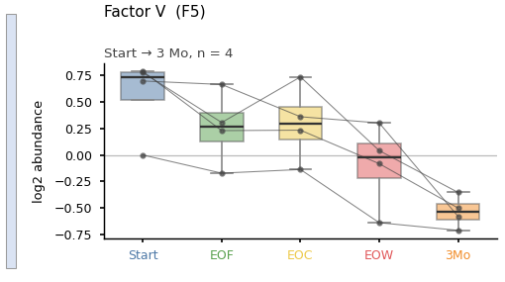
Coagulation Factors & Kallikrein-Kinin | Plasma prekallikrein | KLKB1 | 4.0000 | 13.0000 | 0.0013 | 0.0034 | * | 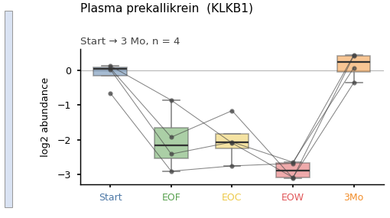
Coagulation Factors & Kallikrein-Kinin | Kininogen-1 | KNG1 | 4.0000 | 14.0000 | 0.000234 | 0.0010 | * | 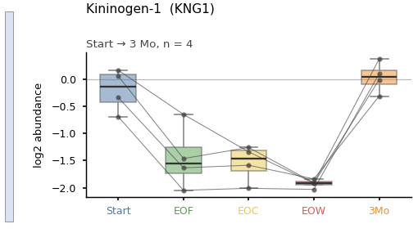
Coagulation Factors & Kallikrein-Kinin | Protein C | PROC | 4.0000 | 15.4000 | 0.000010 | 0.000100 | * | 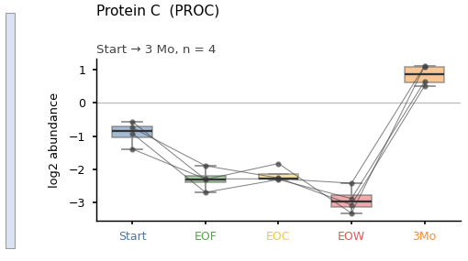
Coagulation Factors & Kallikrein-Kinin | Endothelial protein C receptor | PROCR | 4.0000 | 13.4000 | 0.000830 | 0.0026 | * | 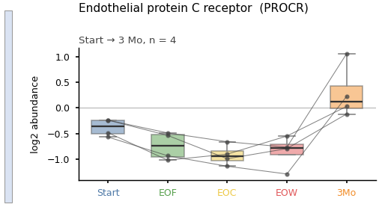
Coagulation Factors & Kallikrein-Kinin | Protein S | PROS1 | 4.0000 | 10.6000 | 0.0142 | 0.0219 | * | 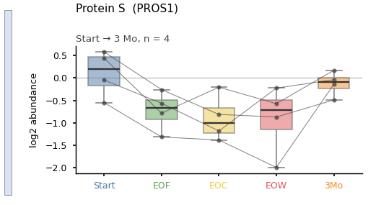
Coagulation / Serpin Inhibitors | Orosomucoid 1 | ORM1 | 4.0000 | 13.0000 | 0.0013 | 0.0034 | * | 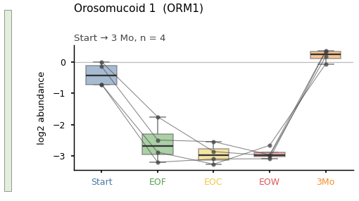
Coagulation / Serpin Inhibitors | α-1 antitrypsin | SERPINA1 | 4.0000 | 12.8000 | 0.0017 | 0.0040 | * | 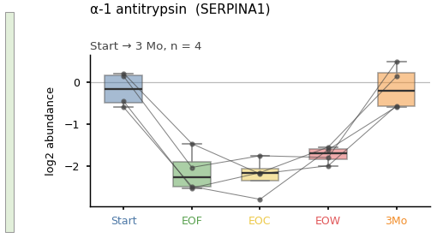
Coagulation / Serpin Inhibitors | Protein C inhibitor | SERPINA5 | 4.0000 | 13.6000 | 0.000524 | 0.0018 | * | 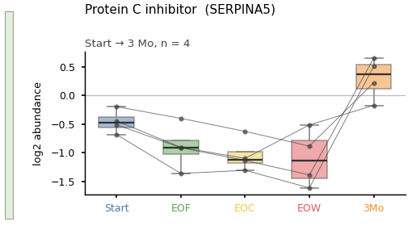
Coagulation / Serpin Inhibitors | LEI | SERPINB1 | 4.0000 | 11.6000 | 0.0057 | 0.0097 | * | 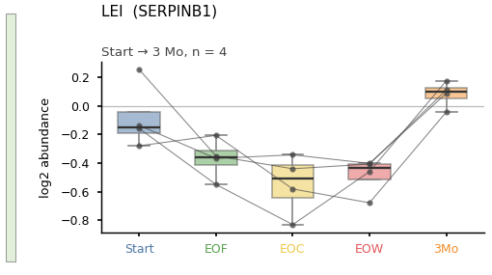
Coagulation / Serpin Inhibitors | PI-6 | SERPINB6 | 4.0000 | 15.4000 | 0.000010 | 0.000100 | * | 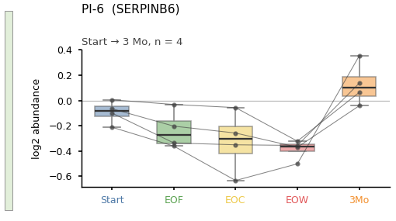
Coagulation / Serpin Inhibitors | ATIII | SERPINC1 | 4.0000 | 13.6000 | 0.000524 | 0.0018 | * | 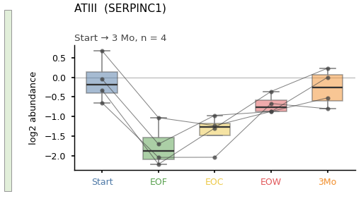
Coagulation / Serpin Inhibitors | HCII | SERPIND1 | 4.0000 | 14.0000 | 0.000234 | 0.0010 | * | 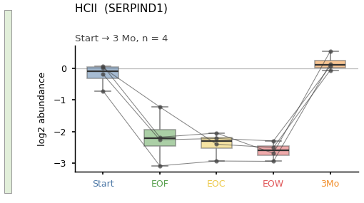
Iron Metabolism | Ferritin heavy chain | FTH1 | 4.0000 | 10.6000 | 0.0142 | 0.0219 | * | 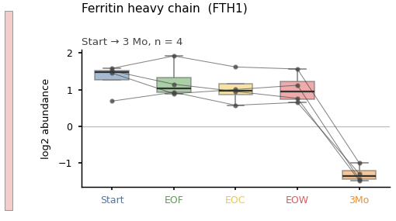
Iron Metabolism | Ferritin light chain | FTL | 4.0000 | 12.6000 | 0.0022 | 0.0050 | * | 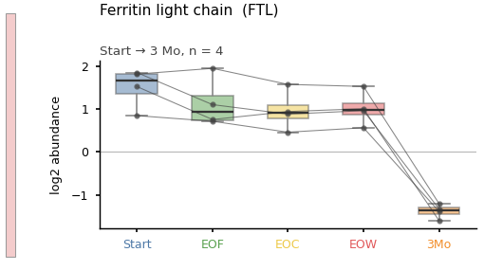
Iron Metabolism | Lactotransferrin | LTF | 4.0000 | 7.4000 | 0.1129 | 0.1312 |  | 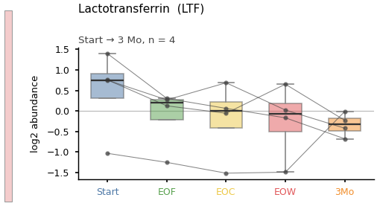
Iron Metabolism | Serotransferrin | TF | 4.0000 | 14.2000 | 0.000178 | 0.000900 | * | 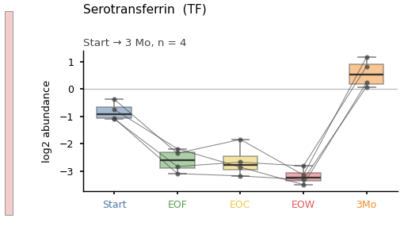
Fibrin(ogen) Axis | Fibrinogen-α chain | FGA | 4.0000 | 15.2000 | 0.000017 | 0.000200 | * | 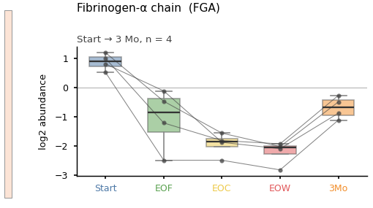
Fibrin(ogen) Axis | Fibrinogen-β chain | FGB | 4.0000 | 15.4000 | 0.000010 | 0.000100 | * | 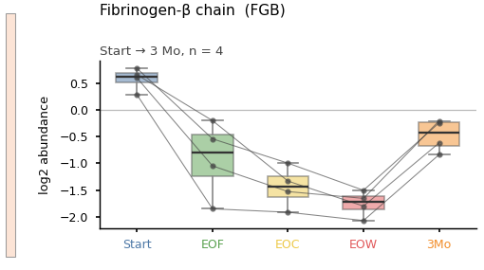
Fibrin(ogen) Axis | Fibrinogen-γ chain | FGG | 4.0000 | 14.8000 | 0.000045 | 0.000300 | * | 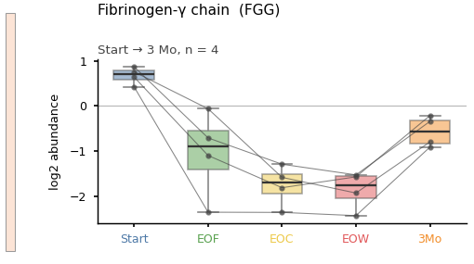
Fibrin(ogen) Axis | Fibrinogen-like protein 1 | FGL1 | 4.0000 | 15.4000 | 0.000010 | 0.000100 | * | 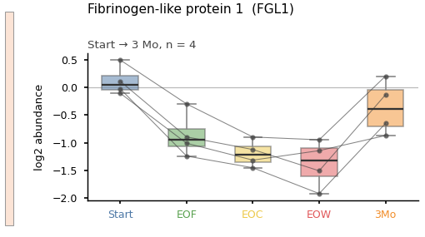
Fibrin(ogen) Axis | Fibrinogen-like protein 2 | FGL2 | 4.0000 | 8.2000 | 0.0720 | 0.0859 |  | 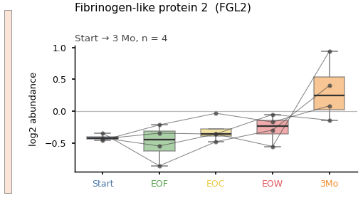
Fibrinolysis / Plasminogen Axis | Carboxypeptidase B2 | CPB2 | 4.0000 | 13.0000 | 0.0013 | 0.0034 | * | 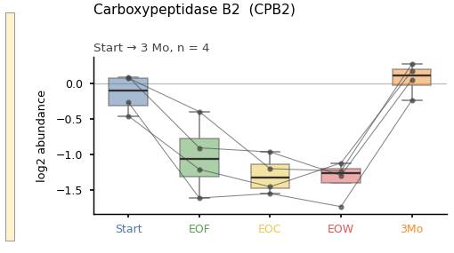
Fibrinolysis / Plasminogen Axis | tPA | PLAT | 4.0000 | 14.6000 | 0.000107 | 0.000700 | * | 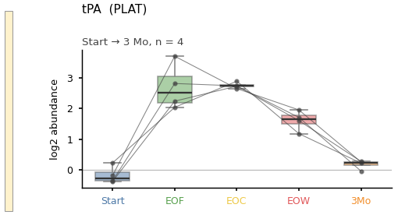
Fibrinolysis / Plasminogen Axis | Plasminogen | PLG | 4.0000 | 13.6000 | 0.000524 | 0.0018 | * | 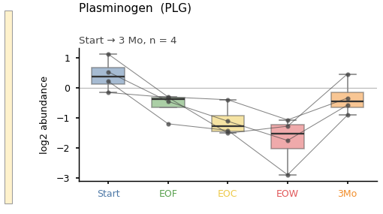
Fibrinolysis / Plasminogen Axis | PN-1 | SERPINE2 | 3.0000 | 8.2667 | 0.0559 | 0.0722 |  | 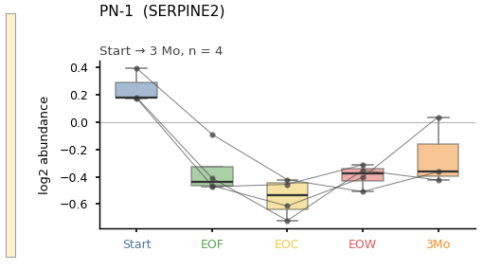
Fibrinolysis / Plasminogen Axis | α-2 antiplasmin | SERPINF2 | 4.0000 | 15.2000 | 0.000017 | 0.000200 | * | 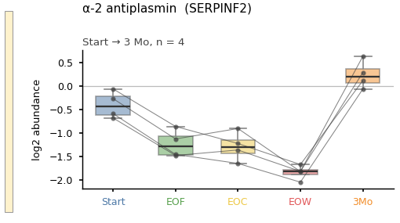
RBC / Hemolysis | Ankyrin-1 | ANK1 | 4.0000 | 12.6000 | 0.0022 | 0.0050 | * | 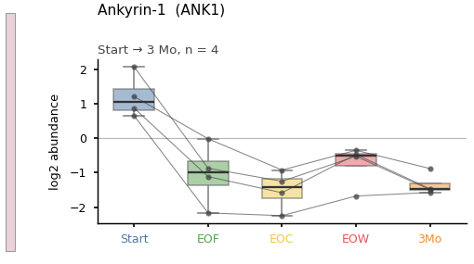
RBC / Hemolysis | Hemoglobin α-1 and α-2 | HBA | 4.0000 | 9.4000 | 0.0351 | 0.0480 | * | 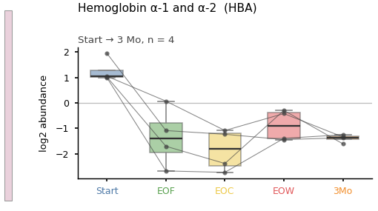
RBC / Hemolysis | Hemoglobin β | HBB | 4.0000 | 10.6000 | 0.0142 | 0.0219 | * | 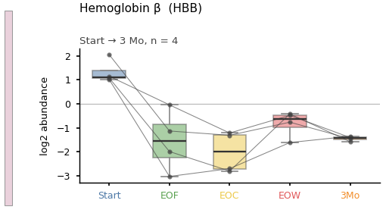
RBC / Hemolysis | Haptoglobin | HP | 4.0000 | 12.0000 | 0.0040 | 0.0077 | * | 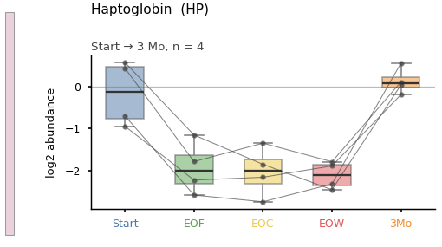
RBC / Hemolysis | Hemopexin | HPX | 4.0000 | 13.4000 | 0.000830 | 0.0026 | * | 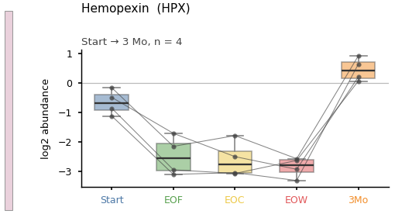
Neutrophil / Inflammation | Elastase | ELANE | 4.0000 | 4.0000 | 0.4421 | 0.4620 |  | 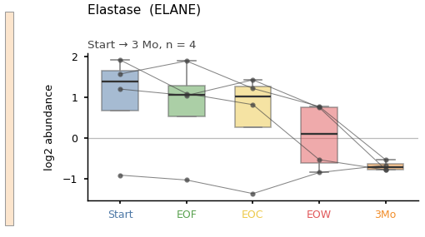
Neutrophil / Inflammation | Progranulin | GRN | 4.0000 | 11.8000 | 0.0051 | 0.0093 | * | 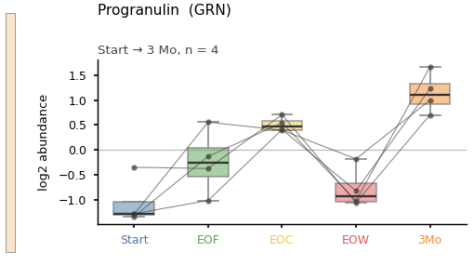
Neutrophil / Inflammation | NGAL | LCN2 | 4.0000 | 14.2000 | 0.000178 | 0.000900 | * | 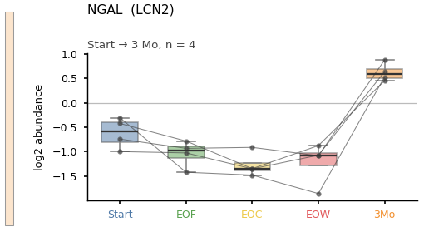
Neutrophil / Inflammation | Myeloperoxidase | MPO | 4.0000 | 10.6000 | 0.0142 | 0.0219 | * | 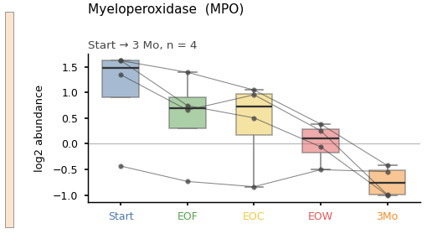
Neutrophil / Inflammation | Calgranulin A | S100A8 | 4.0000 | 3.0000 | 0.6124 | 0.6258 |  | 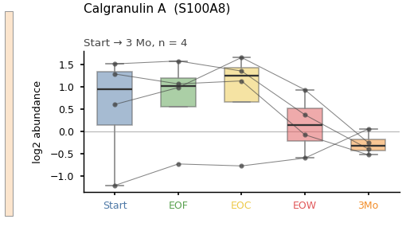
Complement & Platelet / Vascular Activation | Complement C3 | C3 | 4.0000 | 14.0000 | 0.000234 | 0.0010 | * | 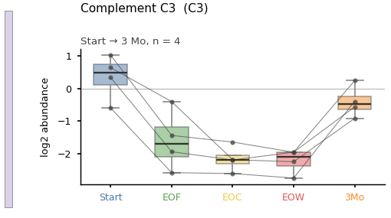
Complement & Platelet / Vascular Activation | Complement C4a | C4A | 4.0000 | 15.4000 | 0.000010 | 0.000100 | * | 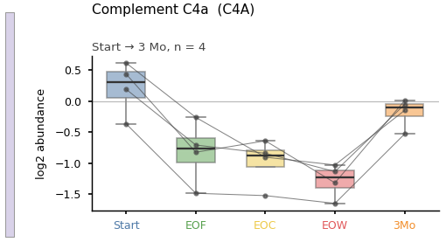
Complement & Platelet / Vascular Activation | Complement C5 | C5 | 4.0000 | 13.8000 | 0.000317 | 0.0013 | * | 
Complement & Platelet / Vascular Activation | Complement C8γ | C8G | 4.0000 | 13.6000 | 0.000524 | 0.0018 | * | 
Complement & Platelet / Vascular Activation | Complement C9 | C9 | 4.0000 | 14.2000 | 0.000178 | 0.000900 | * | 
Complement & Platelet / Vascular Activation | Protectin | CD59 | 4.0000 | 14.0000 | 0.000234 | 0.0010 | * | 
Complement & Platelet / Vascular Activation | Complement factor H | CFH | 4.0000 | 14.6000 | 0.000107 | 0.000700 | * | 
Complement & Platelet / Vascular Activation | ICAM-1 | ICAM1 | 4.0000 | 8.8000 | 0.0489 | 0.0641 |  | 
Complement & Platelet / Vascular Activation | GPIIIa/CD61 | ITGB3 | 4.0000 | 7.0000 | 0.1362 | 0.1564 |  | 
Complement & Platelet / Vascular Activation | eNOS | NOS3 | 4.0000 | 6.4000 | 0.1780 | 0.1971 |  | 
Complement & Platelet / Vascular Activation | C1-Inh | SERPING1 | 4.0000 | 12.6000 | 0.0022 | 0.0050 | * | 
Complement & Platelet / Vascular Activation | VCAM-1 | VCAM1 | 4.0000 | 7.8000 | 0.0864 | 0.1017 |  | 
Complement & Platelet / Vascular Activation | von Willebrand factor | VWF | 4.0000 | 13.0000 | 0.0013 | 0.0034 | * | 
Metabolism, Chaperones & Cellular Stress | ADP-glucokinase | ADPGK | 4.0000 | 8.6000 | 0.0597 | 0.0761 |  | 
Metabolism, Chaperones & Cellular Stress | NADPH oxidase 2 | CYBB | 4.0000 | 8.4000 | 0.0630 | 0.0792 |  | 
Metabolism, Chaperones & Cellular Stress | Chaperone DNAJC10 | DNAJC10 | 4.0000 | 12.2000 | 0.0036 | 0.0071 | * | 
Metabolism, Chaperones & Cellular Stress | Dynein light chain 2 | DYNLL2 | 4.0000 | 12.2000 | 0.0036 | 0.0071 | * | 
Metabolism, Chaperones & Cellular Stress | Glutathione peroxidase 1 | GPX1 | 4.0000 | 6.6000 | 0.1609 | 0.1803 |  | 
Metabolism, Chaperones & Cellular Stress | FIH-1 | HIF1AN | 4.0000 | 9.4000 | 0.0351 | 0.0480 | * | 
Metabolism, Chaperones & Cellular Stress | Heme oxygenase-1 | HMOX1 | 4.0000 | 8.8000 | 0.0489 | 0.0641 |  | 
Metabolism, Chaperones & Cellular Stress | Hsp90α | HSP90AA1 | 4.0000 | 9.4000 | 0.0351 | 0.0480 | * | 
Metabolism, Chaperones & Cellular Stress | Hsp90β | HSP90AB1 | 4.0000 | 12.4000 | 0.0028 | 0.0060 | * | 
Metabolism, Chaperones & Cellular Stress | Endoplasmin | HSP90B1 | 4.0000 | 15.4000 | 0.000010 | 0.000100 | * | 
Metabolism, Chaperones & Cellular Stress | GRP78/BiP | HSPA5 | 4.0000 | 13.0000 | 0.0013 | 0.0034 | * | 
Metabolism, Chaperones & Cellular Stress | KCMF1 | KCMF1 | 4.0000 | 12.4000 | 0.0028 | 0.0060 | * | 
Metabolism, Chaperones & Cellular Stress | Lactate dehydrogenase A | LDHA | 4.0000 | 10.2000 | 0.0190 | 0.0276 | * | 
Metabolism, Chaperones & Cellular Stress | NMD3 ribosome export adaptor | NMD3 | 4.0000 | 10.0000 | 0.0212 | 0.0303 | * | 
Metabolism, Chaperones & Cellular Stress | Phosphoglycerate kinase 1 | PGK1 | 4.0000 | 11.8000 | 0.0051 | 0.0093 | * | 
Metabolism, Chaperones & Cellular Stress | iPLA2β | PLA2G6 | 4.0000 | 12.8000 | 0.0017 | 0.0040 | * | 
Metabolism, Chaperones & Cellular Stress | Superoxide dismutase 1 | SOD1 | 4.0000 | 8.2000 | 0.0720 | 0.0859 |  | 
Renal Proximal Tubule Function | Cubilin | CUBN | 4.0000 | 10.2000 | 0.0190 | 0.0276 | * | 
Renal Proximal Tubule Function | Disabled-2 | DAB2 | 4.0000 | 14.8000 | 0.000045 | 0.000300 | * | 
Renal Proximal Tubule Function | IGFBP7 | IGFBP7 | 4.0000 | 11.6000 | 0.0057 | 0.0097 | * | 
Renal Proximal Tubule Function | Megalin | LRP2 | 4.0000 | 10.4000 | 0.0169 | 0.0254 | * | 
Renal Proximal Tubule Function | NaPi-IIa | SLC34A1 | 4.0000 | 12.2000 | 0.0036 | 0.0071 | * | 
Renal Proximal Tubule Function | SGLT2 | SLC5A2 | 4.0000 | 12.0000 | 0.0040 | 0.0077 | * | 
Renal Proximal Tubule Function | Transthyretin | TTR | 4.0000 | 13.0000 | 0.0013 | 0.0034 | * | 
Renal Proximal Tubule Function | Latexin | LXN | 4.0000 | 10.4000 | 0.0169 | 0.0254 | * | 
Ferroptosis / Lipid Peroxidation | Glutathione peroxidase 4 | GPX4 | 4.0000 | 6.2000 | 0.1972 | 0.2158 |  | 
Ferroptosis / Lipid Peroxidation | Long-chain acyl-CoA synthetase 4 | ACSL4 | 4.0000 | 3.8000 | 0.4790 | 0.4950 |  | 
Ferroptosis / Lipid Peroxidation | Lysophospholipid acyltransferase 3 | LPCAT3 | 4.0000 | 2.6000 | 0.6851 | 0.6926 |  | 
Ferroptosis / Lipid Peroxidation | Glutathione S-transferase A4 | GSTA4 | 4.0000 | 8.2000 | 0.0720 | 0.0859 |  | 
Ferroptosis / Lipid Peroxidation | Aldo-keto reductase 1C1 | AKR1C1 | 4.0000 | 9.0000 | 0.0433 | 0.0584 |  | 
Ferroptosis / Lipid Peroxidation | Aldo-keto reductase 1C3 | AKR1C3 | 4.0000 | 11.0000 | 0.0102 | 0.0170 | * | 
Ferroptosis / Lipid Peroxidation | Aldehyde dehydrogenase 2 | ALDH2 | 4.0000 | 4.0000 | 0.4421 | 0.4620 |  | 

Note. Four study kidneys, five timepoints. Each timepoint has its own color, the same four colors as the perfusion-window sheet (Start blue, EOF green, EOC yellow, EOW red) with orange added for the three-month transplant timepoint. Boxes show the median and interquartile range; the four individual kidneys are overlaid and joined. At n = 4 the box is a display convention and carries no distributional assumption. Friedman p is the exact permutation p obtained by full enumeration of the within-subject rank permutations; q is the Benjamini-Hochberg FDR. * marks q < 0.05. The colored bar at the left of each figure is the pathway-group color of Supplementary Table S15.

Preview_S17_PerfWin
Graphical preview of Supplementary Table S17 — perfusion-window Friedman |  |  |  |  |  |  |  |  | ← READ ME
Start, EOF, EOC, EOW, one color per timepoint; the three-month timepoint is excluded. Four study kidneys.

Pathway group | Protein | Gene | N | χ² | Friedman p (exact) | FDR q | * | Perfusion-window trajectory
ECM / Fibrosis | SMA-α | ACTA2 | 4.0000 | 3.9000 | 0.3242 | 0.3915 |  | 
ECM / Fibrosis | E-Cadherin | CDH1 | 4.0000 | 9.9000 | 0.0062 | 0.0193 | * | 
ECM / Fibrosis | Collagen 1-α | COL1A1 | 4.0000 | 0.3000 | 0.9924 | 0.9924 |  | 
ECM / Fibrosis | Collagen 3-α | COL3A1 | 4.0000 | 5.4000 | 0.1585 | 0.2019 |  | 
ECM / Fibrosis | Fibronectin | FN1 | 4.0000 | 5.1000 | 0.1897 | 0.2353 |  | 
ECM / Fibrosis | Matrix metalloproteinase 9 | MMP9 | 4.0000 | 0.3000 | 0.9924 | 0.9924 |  | 
ECM / Fibrosis | Vimentin | VIM | 4.0000 | 5.4000 | 0.1585 | 0.2019 |  | 
Coagulation Factors & Kallikrein-Kinin | Factor X | F10 | 4.0000 | 9.9000 | 0.0062 | 0.0193 | * | 
Coagulation Factors & Kallikrein-Kinin | Fibrin stabilizing factor 1 | F13A1 | 4.0000 | 2.7000 | 0.5076 | 0.5688 |  | 
Coagulation Factors & Kallikrein-Kinin | Fibrin stabilizing factor 2 | F13B | 4.0000 | 10.8000 | 0.0016 | 0.0082 | * | 
Coagulation Factors & Kallikrein-Kinin | Prothrombin | F2 | 4.0000 | 11.1000 | 0.000940 | 0.0058 | * | 
Coagulation Factors & Kallikrein-Kinin | Factor V | F5 | 4.0000 | 11.1000 | 0.000940 | 0.0058 | * | 
Coagulation Factors & Kallikrein-Kinin | Plasma prekallikrein | KLKB1 | 4.0000 | 8.4000 | 0.0190 | 0.0432 | * | 
Coagulation Factors & Kallikrein-Kinin | Kininogen-1 | KNG1 | 4.0000 | 9.9000 | 0.0062 | 0.0193 | * | 
Coagulation Factors & Kallikrein-Kinin | Protein C | PROC | 4.0000 | 11.1000 | 0.000940 | 0.0058 | * | 
Coagulation Factors & Kallikrein-Kinin | Endothelial protein C receptor | PROCR | 4.0000 | 8.1000 | 0.0329 | 0.0638 |  | 
Coagulation Factors & Kallikrein-Kinin | Protein S | PROS1 | 4.0000 | 7.5000 | 0.0517 | 0.0849 |  | 
Coagulation / Serpin Inhibitors | Orosomucoid 1 | ORM1 | 4.0000 | 7.5000 | 0.0517 | 0.0849 |  | 
Coagulation / Serpin Inhibitors | α-1 antitrypsin | SERPINA1 | 4.0000 | 8.1000 | 0.0329 | 0.0638 |  | 
Coagulation / Serpin Inhibitors | Protein C inhibitor | SERPINA5 | 4.0000 | 8.4000 | 0.0190 | 0.0432 | * | 
Coagulation / Serpin Inhibitors | LEI | SERPINB1 | 4.0000 | 6.6000 | 0.0770 | 0.1038 |  | 
Coagulation / Serpin Inhibitors | PI-6 | SERPINB6 | 4.0000 | 11.1000 | 0.000940 | 0.0058 | * | 
Coagulation / Serpin Inhibitors | ATIII | SERPINC1 | 4.0000 | 11.1000 | 0.000940 | 0.0058 | * | 
Coagulation / Serpin Inhibitors | HCII | SERPIND1 | 4.0000 | 9.9000 | 0.0062 | 0.0193 | * | 
Iron Metabolism | Ferritin heavy chain | FTH1 | 4.0000 | 3.9000 | 0.3242 | 0.3915 |  | 
Iron Metabolism | Ferritin light chain | FTL | 4.0000 | 6.9000 | 0.0678 | 0.0955 |  | 
Iron Metabolism | Lactotransferrin | LTF | 4.0000 | 8.1000 | 0.0329 | 0.0638 |  | 
Iron Metabolism | Serotransferrin | TF | 4.0000 | 9.3000 | 0.0115 | 0.0289 | * | 
Fibrin(ogen) Axis | Fibrinogen-α chain | FGA | 4.0000 | 12.0000 | 0.000072 | 0.0034 | * | 
Fibrin(ogen) Axis | Fibrinogen-β chain | FGB | 4.0000 | 12.0000 | 0.000072 | 0.0034 | * | 
Fibrin(ogen) Axis | Fibrinogen-γ chain | FGG | 4.0000 | 11.1000 | 0.000940 | 0.0058 | * | 
Fibrin(ogen) Axis | Fibrinogen-like protein 1 | FGL1 | 4.0000 | 11.1000 | 0.000940 | 0.0058 | * | 
Fibrin(ogen) Axis | Fibrinogen-like protein 2 | FGL2 | 4.0000 | 2.4000 | 0.5239 | 0.5800 |  | 
Fibrinolysis / Plasminogen Axis | Carboxypeptidase B2 | CPB2 | 4.0000 | 8.4000 | 0.0190 | 0.0432 | * | 
Fibrinolysis / Plasminogen Axis | tPA | PLAT | 4.0000 | 10.8000 | 0.0016 | 0.0082 | * | 
Fibrinolysis / Plasminogen Axis | Plasminogen | PLG | 4.0000 | 11.1000 | 0.000940 | 0.0058 | * | 
Fibrinolysis / Plasminogen Axis | PN-1 | SERPINE2 | 3.0000 | 6.6000 | 0.0747 | 0.1036 |  | 
Fibrinolysis / Plasminogen Axis | α-2 antiplasmin | SERPINF2 | 4.0000 | 10.8000 | 0.0016 | 0.0082 | * | 
RBC / Hemolysis | Ankyrin-1 | ANK1 | 4.0000 | 11.1000 | 0.000940 | 0.0058 | * | 
RBC / Hemolysis | Hemoglobin α-1 and α-2 | HBA | 4.0000 | 9.3000 | 0.0115 | 0.0289 | * | 
RBC / Hemolysis | Hemoglobin β | HBB | 4.0000 | 9.9000 | 0.0062 | 0.0193 | * | 
RBC / Hemolysis | Haptoglobin | HP | 4.0000 | 7.2000 | 0.0539 | 0.0849 |  | 
RBC / Hemolysis | Hemopexin | HPX | 4.0000 | 8.1000 | 0.0329 | 0.0638 |  | 
Neutrophil / Inflammation | Elastase | ELANE | 4.0000 | 3.0000 | 0.4321 | 0.4961 |  | 
Neutrophil / Inflammation | Progranulin | GRN | 4.0000 | 6.9000 | 0.0678 | 0.0955 |  | 
Neutrophil / Inflammation | NGAL | LCN2 | 4.0000 | 9.3000 | 0.0115 | 0.0289 | * | 
Neutrophil / Inflammation | Myeloperoxidase | MPO | 4.0000 | 8.4000 | 0.0190 | 0.0432 | * | 
Neutrophil / Inflammation | Calgranulin A | S100A8 | 4.0000 | 1.5000 | 0.7539 | 0.7967 |  | 
Complement & Platelet / Vascular Activation | Complement C3 | C3 | 4.0000 | 11.1000 | 0.000940 | 0.0058 | * | 
Complement & Platelet / Vascular Activation | Complement C4a | C4A | 4.0000 | 11.1000 | 0.000940 | 0.0058 | * | 
Complement & Platelet / Vascular Activation | Complement C5 | C5 | 4.0000 | 9.9000 | 0.0062 | 0.0193 | * | 
Complement & Platelet / Vascular Activation | Complement C8γ | C8G | 4.0000 | 9.3000 | 0.0115 | 0.0289 | * | 
Complement & Platelet / Vascular Activation | Complement C9 | C9 | 4.0000 | 9.3000 | 0.0115 | 0.0289 | * | 
Complement & Platelet / Vascular Activation | Protectin | CD59 | 4.0000 | 9.9000 | 0.0062 | 0.0193 | * | 
Complement & Platelet / Vascular Activation | Complement factor H | CFH | 4.0000 | 9.9000 | 0.0062 | 0.0193 | * | 
Complement & Platelet / Vascular Activation | ICAM-1 | ICAM1 | 4.0000 | 3.0000 | 0.4321 | 0.4961 |  | 
Complement & Platelet / Vascular Activation | GPIIIa/CD61 | ITGB3 | 4.0000 | 8.1000 | 0.0329 | 0.0638 |  | 
Complement & Platelet / Vascular Activation | eNOS | NOS3 | 4.0000 | 6.9000 | 0.0678 | 0.0955 |  | 
Complement & Platelet / Vascular Activation | C1-Inh | SERPING1 | 4.0000 | 9.3000 | 0.0115 | 0.0289 | * | 
Complement & Platelet / Vascular Activation | VCAM-1 | VCAM1 | 4.0000 | 7.5000 | 0.0517 | 0.0849 |  | 
Complement & Platelet / Vascular Activation | von Willebrand factor | VWF | 4.0000 | 7.5000 | 0.0517 | 0.0849 |  | 
Metabolism, Chaperones & Cellular Stress | ADP-glucokinase | ADPGK | 4.0000 | 5.1000 | 0.1897 | 0.2353 |  | 
Metabolism, Chaperones & Cellular Stress | NADPH oxidase 2 | CYBB | 4.0000 | 7.2000 | 0.0539 | 0.0849 |  | 
Metabolism, Chaperones & Cellular Stress | Chaperone DNAJC10 | DNAJC10 | 4.0000 | 6.3000 | 0.0944 | 0.1237 |  | 
Metabolism, Chaperones & Cellular Stress | Dynein light chain 2 | DYNLL2 | 4.0000 | 9.9000 | 0.0062 | 0.0193 | * | 
Metabolism, Chaperones & Cellular Stress | Glutathione peroxidase 1 | GPX1 | 4.0000 | 6.9000 | 0.0678 | 0.0955 |  | 
Metabolism, Chaperones & Cellular Stress | FIH-1 | HIF1AN | 4.0000 | 2.1000 | 0.6489 | 0.7017 |  | 
Metabolism, Chaperones & Cellular Stress | Heme oxygenase-1 | HMOX1 | 4.0000 | 1.2000 | 0.7997 | 0.8356 |  | 
Metabolism, Chaperones & Cellular Stress | Hsp90α | HSP90AA1 | 4.0000 | 2.1000 | 0.6489 | 0.7017 |  | 
Metabolism, Chaperones & Cellular Stress | Hsp90β | HSP90AB1 | 4.0000 | 6.6000 | 0.0770 | 0.1038 |  | 
Metabolism, Chaperones & Cellular Stress | Endoplasmin | HSP90B1 | 4.0000 | 11.1000 | 0.000940 | 0.0058 | * | 
Metabolism, Chaperones & Cellular Stress | GRP78/BiP | HSPA5 | 4.0000 | 7.5000 | 0.0517 | 0.0849 |  | 
Metabolism, Chaperones & Cellular Stress | KCMF1 | KCMF1 | 4.0000 | 9.9000 | 0.0062 | 0.0193 | * | 
Metabolism, Chaperones & Cellular Stress | Lactate dehydrogenase A | LDHA | 4.0000 | 6.9000 | 0.0678 | 0.0955 |  | 
Metabolism, Chaperones & Cellular Stress | NMD3 ribosome export adaptor | NMD3 | 4.0000 | 7.5000 | 0.0517 | 0.0849 |  | 
Metabolism, Chaperones & Cellular Stress | Phosphoglycerate kinase 1 | PGK1 | 4.0000 | 6.9000 | 0.0678 | 0.0955 |  | 
Metabolism, Chaperones & Cellular Stress | iPLA2β | PLA2G6 | 4.0000 | 7.2000 | 0.0539 | 0.0849 |  | 
Metabolism, Chaperones & Cellular Stress | Superoxide dismutase 1 | SOD1 | 4.0000 | 0.3000 | 0.9924 | 0.9924 |  | 
Renal Proximal Tubule Function | Cubilin | CUBN | 4.0000 | 8.1000 | 0.0329 | 0.0638 |  | 
Renal Proximal Tubule Function | Disabled-2 | DAB2 | 4.0000 | 10.2000 | 0.0027 | 0.0135 | * | 
Renal Proximal Tubule Function | IGFBP7 | IGFBP7 | 4.0000 | 8.1000 | 0.0329 | 0.0638 |  | 
Renal Proximal Tubule Function | Megalin | LRP2 | 4.0000 | 7.8000 | 0.0364 | 0.0691 |  | 
Renal Proximal Tubule Function | NaPi-IIa | SLC34A1 | 4.0000 | 6.3000 | 0.0944 | 0.1237 |  | 
Renal Proximal Tubule Function | SGLT2 | SLC5A2 | 4.0000 | 9.3000 | 0.0115 | 0.0289 | * | 
Renal Proximal Tubule Function | Transthyretin | TTR | 4.0000 | 7.5000 | 0.0517 | 0.0849 |  | 
Renal Proximal Tubule Function | Latexin | LXN | 4.0000 | 3.6000 | 0.3545 | 0.4227 |  | 
Ferroptosis / Lipid Peroxidation | Glutathione peroxidase 4 | GPX4 | 4.0000 | 3.0000 | 0.4321 | 0.4961 |  | 
Ferroptosis / Lipid Peroxidation | Long-chain acyl-CoA synthetase 4 | ACSL4 | 4.0000 | 2.7000 | 0.5076 | 0.5688 |  | 
Ferroptosis / Lipid Peroxidation | Lysophospholipid acyltransferase 3 | LPCAT3 | 4.0000 | 0.9000 | 0.9004 | 0.9304 |  | 
Ferroptosis / Lipid Peroxidation | Glutathione S-transferase A4 | GSTA4 | 4.0000 | 6.9000 | 0.0678 | 0.0955 |  | 
Ferroptosis / Lipid Peroxidation | Aldo-keto reductase 1C1 | AKR1C1 | 4.0000 | 9.9000 | 0.0062 | 0.0193 | * | 
Ferroptosis / Lipid Peroxidation | Aldo-keto reductase 1C3 | AKR1C3 | 4.0000 | 11.1000 | 0.000940 | 0.0058 | * | 
Ferroptosis / Lipid Peroxidation | Aldehyde dehydrogenase 2 | ALDH2 | 4.0000 | 1.5000 | 0.7539 | 0.7967 |  | 

Note. Four study kidneys, perfusion window only; the three-month timepoint is excluded. Each timepoint has its own color (Start blue, EOF green, EOC yellow, EOW red). Otherwise as for the five-timepoint sheet. * marks q < 0.05.

Preview_S22_S18_BG
Graphical preview of Supplementary Tables S22 and S18 — between-group change |  |  |  |  |  |  |  |  |  |  |  |  | ← READ ME
log₂ change from Start to three months, four study (blue) versus four control (orange) kidneys.

Pathway group | Protein | Gene | N(Study) | N(Ctrl) | U | Mann–Whitney p (exact) | FDR q | Rank-biserial r | Relative fold change | Percent change | * | Study vs control
ECM / Fibrosis | SMA-α | ACTA2 | 4.0000 | 4.0000 | 5.0000 | 0.4857 | 0.6476 | -0.3750 | 0.9494 | -5.1000 |  | 
ECM / Fibrosis | E-Cadherin | CDH1 | 4.0000 | 4.0000 | 16.0000 | 0.0286 | 0.1314 | 1.0000 | 1.2717 | 27.2000 | * | 
ECM / Fibrosis | Collagen 1-α | COL1A1 | 4.0000 | 4.0000 | 14.0000 | 0.1143 | 0.2696 | 0.7500 | 1.9047 | 90.5000 |  | 
ECM / Fibrosis | Collagen 3-α | COL3A1 | 4.0000 | 4.0000 | 14.0000 | 0.1143 | 0.2696 | 0.7500 | 1.6143 | 61.4000 |  | 
ECM / Fibrosis | Fibronectin | FN1 | 4.0000 | 4.0000 | 8.0000 | 1.0000 | 1.0000 | 0.0000 | 1.0946 | 9.5000 |  | 
ECM / Fibrosis | Matrix metalloproteinase 9 | MMP9 | 4.0000 | 4.0000 | 1.0000 | 0.0571 | 0.1813 | -0.8750 | 0.3263 | -67.4000 |  | 
ECM / Fibrosis | Vimentin | VIM | 4.0000 | 4.0000 | 13.0000 | 0.2000 | 0.3755 | 0.6250 | 1.4516 | 45.2000 |  | 
Coagulation Factors & Kallikrein-Kinin | Factor X | F10 | 4.0000 | 4.0000 | 16.0000 | 0.0286 | 0.1314 | 1.0000 | 1.9632 | 96.3000 | * | 
Coagulation Factors & Kallikrein-Kinin | Fibrin stabilizing factor 1 | F13A1 | 4.0000 | 4.0000 | 8.0000 | 1.0000 | 1.0000 | 0.0000 | 1.0478 | 4.8000 |  | 
Coagulation Factors & Kallikrein-Kinin | Fibrin stabilizing factor 2 | F13B | 4.0000 | 4.0000 | 9.0000 | 0.8857 | 0.9587 | 0.1250 | 1.1888 | 18.9000 |  | 
Coagulation Factors & Kallikrein-Kinin | Prothrombin | F2 | 4.0000 | 4.0000 | 13.0000 | 0.2000 | 0.3755 | 0.6250 | 2.2857 | 128.6000 |  | 
Coagulation Factors & Kallikrein-Kinin | Factor V | F5 | 4.0000 | 4.0000 | 7.0000 | 0.8857 | 0.9587 | -0.1250 | 0.8640 | -13.6000 |  | 
Coagulation Factors & Kallikrein-Kinin | Plasma prekallikrein | KLKB1 | 4.0000 | 4.0000 | 12.0000 | 0.3429 | 0.5257 | 0.5000 | 1.2345 | 23.5000 |  | 
Coagulation Factors & Kallikrein-Kinin | Kininogen-1 | KNG1 | 4.0000 | 4.0000 | 13.0000 | 0.2000 | 0.3755 | 0.6250 | 1.5157 | 51.6000 |  | 
Coagulation Factors & Kallikrein-Kinin | Protein C | PROC | 4.0000 | 4.0000 | 14.0000 | 0.1143 | 0.2696 | 0.7500 | 1.9757 | 97.6000 |  | 
Coagulation Factors & Kallikrein-Kinin | Endothelial protein C receptor | PROCR | 4.0000 | 4.0000 | 9.0000 | 0.8857 | 0.9587 | 0.1250 | 1.1910 | 19.1000 |  | 
Coagulation Factors & Kallikrein-Kinin | Protein S | PROS1 | 4.0000 | 4.0000 | 12.0000 | 0.3429 | 0.5257 | 0.5000 | 1.3216 | 32.2000 |  | 
Coagulation / Serpin Inhibitors | Orosomucoid 1 | ORM1 | 4.0000 | 4.0000 | 15.0000 | 0.0571 | 0.1813 | 0.8750 | 2.2466 | 124.7000 |  | 
Coagulation / Serpin Inhibitors | α-1 antitrypsin | SERPINA1 | 4.0000 | 4.0000 | 10.0000 | 0.6857 | 0.8525 | 0.2500 | 1.0845 | 8.4000 |  | 
Coagulation / Serpin Inhibitors | Protein C inhibitor | SERPINA5 | 4.0000 | 4.0000 | 14.0000 | 0.1143 | 0.2696 | 0.7500 | 1.7924 | 79.2000 |  | 
Coagulation / Serpin Inhibitors | LEI | SERPINB1 | 4.0000 | 4.0000 | 12.0000 | 0.3429 | 0.5257 | 0.5000 | 1.0859 | 8.6000 |  | 
Coagulation / Serpin Inhibitors | PI-6 | SERPINB6 | 4.0000 | 4.0000 | 12.0000 | 0.3429 | 0.5257 | 0.5000 | 1.1342 | 13.4000 |  | 
Coagulation / Serpin Inhibitors | ATIII | SERPINC1 | 4.0000 | 4.0000 | 6.0000 | 0.6857 | 0.8525 | -0.2500 | 0.7841 | -21.6000 |  | 
Coagulation / Serpin Inhibitors | HCII | SERPIND1 | 4.0000 | 4.0000 | 15.0000 | 0.0571 | 0.1813 | 0.8750 | 1.6534 | 65.3000 |  | 
Iron Metabolism | Ferritin heavy chain | FTH1 | 4.0000 | 4.0000 | 0.0000 | 0.0286 | 0.1314 | -1.0000 | 0.1715 | -82.8000 | * | 
Iron Metabolism | Ferritin light chain | FTL | 4.0000 | 4.0000 | 0.0000 | 0.0286 | 0.1314 | -1.0000 | 0.1334 | -86.7000 | * | 
Iron Metabolism | Lactotransferrin | LTF | 4.0000 | 4.0000 | 4.0000 | 0.3429 | 0.5257 | -0.5000 | 0.3680 | -63.2000 |  | 
Iron Metabolism | Serotransferrin | TF | 4.0000 | 4.0000 | 14.0000 | 0.1143 | 0.2696 | 0.7500 | 2.5551 | 155.5000 |  | 
Fibrin(ogen) Axis | Fibrinogen-α chain | FGA | 4.0000 | 4.0000 | 2.0000 | 0.1143 | 0.2696 | -0.7500 | 0.6250 | -37.5000 |  | 
Fibrin(ogen) Axis | Fibrinogen-β chain | FGB | 4.0000 | 4.0000 | 2.0000 | 0.1143 | 0.2696 | -0.7500 | 0.6793 | -32.1000 |  | 
Fibrin(ogen) Axis | Fibrinogen-γ chain | FGG | 4.0000 | 4.0000 | 2.0000 | 0.1143 | 0.2696 | -0.7500 | 0.6802 | -32.0000 |  | 
Fibrin(ogen) Axis | Fibrinogen-like protein 1 | FGL1 | 4.0000 | 4.0000 | 11.0000 | 0.4857 | 0.6476 | 0.3750 | 1.2328 | 23.3000 |  | 
Fibrin(ogen) Axis | Fibrinogen-like protein 2 | FGL2 | 4.0000 | 4.0000 | 12.0000 | 0.3429 | 0.5257 | 0.5000 | 1.2482 | 24.8000 |  | 
Fibrinolysis / Plasminogen Axis | Carboxypeptidase B2 | CPB2 | 4.0000 | 4.0000 | 11.0000 | 0.4857 | 0.6476 | 0.3750 | 0.9926 | -0.7000 |  | 
Fibrinolysis / Plasminogen Axis | tPA | PLAT | 4.0000 | 4.0000 | 13.0000 | 0.2000 | 0.3755 | 0.6250 | 1.0941 | 9.4000 |  | 
Fibrinolysis / Plasminogen Axis | Plasminogen | PLG | 4.0000 | 4.0000 | 4.0000 | 0.3429 | 0.5257 | -0.5000 | 0.6987 | -30.1000 |  | 
Fibrinolysis / Plasminogen Axis | PN-1 | SERPINE2 | 0.0000 | 0.0000 |  |  |  |  |  |  |  | 
Fibrinolysis / Plasminogen Axis | α-2 antiplasmin | SERPINF2 | 4.0000 | 4.0000 | 13.0000 | 0.2000 | 0.3755 | 0.6250 | 1.5454 | 54.5000 |  | 
RBC / Hemolysis | Ankyrin-1 | ANK1 | 4.0000 | 4.0000 | 0.0000 | 0.0286 | 0.1314 | -1.0000 | 0.3424 | -65.8000 | * | 
RBC / Hemolysis | Hemoglobin α-1 and α-2 | HBA | 4.0000 | 4.0000 | 0.0000 | 0.0286 | 0.1314 | -1.0000 | 0.2622 | -73.8000 | * | 
RBC / Hemolysis | Hemoglobin β | HBB | 4.0000 | 4.0000 | 0.0000 | 0.0286 | 0.1314 | -1.0000 | 0.2734 | -72.7000 | * | 
RBC / Hemolysis | Haptoglobin | HP | 4.0000 | 4.0000 | 8.0000 | 1.0000 | 1.0000 | 0.0000 | 1.0665 | 6.7000 |  | 
RBC / Hemolysis | Hemopexin | HPX | 4.0000 | 4.0000 | 15.0000 | 0.0571 | 0.1813 | 0.8750 | 1.7272 | 72.7000 |  | 
Neutrophil / Inflammation | Elastase | ELANE | 4.0000 | 4.0000 | 1.0000 | 0.0571 | 0.1813 | -0.8750 | 0.2208 | -77.9000 |  | 
Neutrophil / Inflammation | Progranulin | GRN | 4.0000 | 4.0000 | 16.0000 | 0.0286 | 0.1314 | 1.0000 | 1.7370 | 73.7000 | * | 
Neutrophil / Inflammation | NGAL | LCN2 | 4.0000 | 4.0000 | 9.0000 | 0.8857 | 0.9587 | 0.1250 | 1.0909 | 9.1000 |  | 
Neutrophil / Inflammation | Myeloperoxidase | MPO | 4.0000 | 4.0000 | 1.0000 | 0.0571 | 0.1813 | -0.8750 | 0.2178 | -78.2000 |  | 
Neutrophil / Inflammation | Calgranulin A | S100A8 | 4.0000 | 4.0000 | 1.0000 | 0.0571 | 0.1813 | -0.8750 | 0.1998 | -80.0000 |  | 
Complement & Platelet / Vascular Activation | Complement C3 | C3 | 4.0000 | 4.0000 | 8.0000 | 1.0000 | 1.0000 | 0.0000 | 0.9799 | -2.0000 |  | 
Complement & Platelet / Vascular Activation | Complement C4a | C4A | 4.0000 | 4.0000 | 4.0000 | 0.3429 | 0.5257 | -0.5000 | 0.8311 | -16.9000 |  | 
Complement & Platelet / Vascular Activation | Complement C5 | C5 | 4.0000 | 4.0000 | 0.0000 | 0.0286 | 0.1314 | -1.0000 | 0.4937 | -50.6000 | * | 
Complement & Platelet / Vascular Activation | Complement C8γ | C8G | 4.0000 | 4.0000 | 7.0000 | 0.8857 | 0.9587 | -0.1250 | 0.9665 | -3.3000 |  | 
Complement & Platelet / Vascular Activation | Complement C9 | C9 | 4.0000 | 4.0000 | 9.0000 | 0.8857 | 0.9587 | 0.1250 | 1.0109 | 1.1000 |  | 
Complement & Platelet / Vascular Activation | Protectin | CD59 | 4.0000 | 4.0000 | 16.0000 | 0.0286 | 0.1314 | 1.0000 | 3.2975 | 229.7000 | * | 
Complement & Platelet / Vascular Activation | Complement factor H | CFH | 4.0000 | 4.0000 | 12.0000 | 0.3429 | 0.5257 | 0.5000 | 1.4321 | 43.2000 |  | 
Complement & Platelet / Vascular Activation | ICAM-1 | ICAM1 | 4.0000 | 4.0000 | 11.0000 | 0.4857 | 0.6476 | 0.3750 | 1.9154 | 91.5000 |  | 
Complement & Platelet / Vascular Activation | GPIIIa/CD61 | ITGB3 | 4.0000 | 4.0000 | 11.0000 | 0.4857 | 0.6476 | 0.3750 | 1.6952 | 69.5000 |  | 
Complement & Platelet / Vascular Activation | eNOS | NOS3 | 4.0000 | 4.0000 | 7.0000 | 0.8857 | 0.9587 | -0.1250 | 0.9667 | -3.3000 |  | 
Complement & Platelet / Vascular Activation | C1-Inh | SERPING1 | 4.0000 | 4.0000 | 8.0000 | 1.0000 | 1.0000 | 0.0000 | 1.0651 | 6.5000 |  | 
Complement & Platelet / Vascular Activation | VCAM-1 | VCAM1 | 4.0000 | 4.0000 | 8.0000 | 1.0000 | 1.0000 | 0.0000 | 0.9430 | -5.7000 |  | 
Complement & Platelet / Vascular Activation | von Willebrand factor | VWF | 4.0000 | 4.0000 | 16.0000 | 0.0286 | 0.1314 | 1.0000 | 2.4395 | 144.0000 | * | 
Metabolism, Chaperones & Cellular Stress | ADP-glucokinase | ADPGK | 4.0000 | 4.0000 | 6.0000 | 0.6857 | 0.8525 | -0.2500 | 1.0514 | 5.1000 |  | 
Metabolism, Chaperones & Cellular Stress | NADPH oxidase 2 | CYBB | 4.0000 | 4.0000 | 8.0000 | 1.0000 | 1.0000 | 0.0000 | 0.9107 | -8.9000 |  | 
Metabolism, Chaperones & Cellular Stress | Chaperone DNAJC10 | DNAJC10 | 4.0000 | 4.0000 | 0.0000 | 0.0286 | 0.1314 | -1.0000 | 0.7261 | -27.4000 | * | 
Metabolism, Chaperones & Cellular Stress | Dynein light chain 2 | DYNLL2 | 4.0000 | 4.0000 | 12.0000 | 0.3429 | 0.5257 | 0.5000 | 0.9903 | -1.0000 |  | 
Metabolism, Chaperones & Cellular Stress | Glutathione peroxidase 1 | GPX1 | 4.0000 | 4.0000 | 4.0000 | 0.3429 | 0.5257 | -0.5000 | 0.6241 | -37.6000 |  | 
Metabolism, Chaperones & Cellular Stress | FIH-1 | HIF1AN | 4.0000 | 4.0000 | 0.0000 | 0.0286 | 0.1314 | -1.0000 | 0.7875 | -21.2000 | * | 
Metabolism, Chaperones & Cellular Stress | Heme oxygenase-1 | HMOX1 | 4.0000 | 4.0000 | 0.0000 | 0.0286 | 0.1314 | -1.0000 | 0.4410 | -55.9000 | * | 
Metabolism, Chaperones & Cellular Stress | Hsp90α | HSP90AA1 | 4.0000 | 4.0000 | 2.0000 | 0.1143 | 0.2696 | -0.7500 | 0.8900 | -11.0000 |  | 
Metabolism, Chaperones & Cellular Stress | Hsp90β | HSP90AB1 | 4.0000 | 4.0000 | 3.0000 | 0.2000 | 0.3755 | -0.6250 | 0.9354 | -6.5000 |  | 
Metabolism, Chaperones & Cellular Stress | Endoplasmin | HSP90B1 | 4.0000 | 4.0000 | 0.0000 | 0.0286 | 0.1314 | -1.0000 | 0.7367 | -26.3000 | * | 
Metabolism, Chaperones & Cellular Stress | GRP78/BiP | HSPA5 | 4.0000 | 4.0000 | 0.0000 | 0.0286 | 0.1314 | -1.0000 | 0.6709 | -32.9000 | * | 
Metabolism, Chaperones & Cellular Stress | KCMF1 | KCMF1 | 4.0000 | 4.0000 | 16.0000 | 0.0286 | 0.1314 | 1.0000 | 13.1581 | 1215.8000 | * | 
Metabolism, Chaperones & Cellular Stress | Lactate dehydrogenase A | LDHA | 4.0000 | 4.0000 | 13.0000 | 0.2000 | 0.3755 | 0.6250 | 1.2486 | 24.9000 |  | 
Metabolism, Chaperones & Cellular Stress | NMD3 ribosome export adaptor | NMD3 | 4.0000 | 4.0000 | 9.0000 | 0.8857 | 0.9587 | 0.1250 | 0.9820 | -1.8000 |  | 
Metabolism, Chaperones & Cellular Stress | Phosphoglycerate kinase 1 | PGK1 | 4.0000 | 4.0000 | 15.0000 | 0.0571 | 0.1813 | 0.8750 | 1.1727 | 17.3000 |  | 
Metabolism, Chaperones & Cellular Stress | iPLA2β | PLA2G6 | 4.0000 | 4.0000 | 0.0000 | 0.0286 | 0.1314 | -1.0000 | 0.7182 | -28.2000 | * | 
Metabolism, Chaperones & Cellular Stress | Superoxide dismutase 1 | SOD1 | 4.0000 | 4.0000 | 11.0000 | 0.4857 | 0.6476 | 0.3750 | 1.0685 | 6.8000 |  | 
Renal Proximal Tubule Function | Cubilin | CUBN | 4.0000 | 4.0000 | 9.0000 | 0.8857 | 0.9587 | 0.1250 | 0.9946 | -0.5000 |  | 
Renal Proximal Tubule Function | Disabled-2 | DAB2 | 4.0000 | 4.0000 | 3.0000 | 0.2000 | 0.3755 | -0.6250 | 0.9075 | -9.3000 |  | 
Renal Proximal Tubule Function | IGFBP7 | IGFBP7 | 4.0000 | 4.0000 | 5.0000 | 0.4857 | 0.6476 | -0.3750 | 0.9099 | -9.0000 |  | 
Renal Proximal Tubule Function | Megalin | LRP2 | 4.0000 | 4.0000 | 10.0000 | 0.6857 | 0.8525 | 0.2500 | 0.9973 | -0.3000 |  | 
Renal Proximal Tubule Function | NaPi-IIa | SLC34A1 | 4.0000 | 4.0000 | 0.0000 | 0.0286 | 0.1314 | -1.0000 | 0.2304 | -77.0000 | * | 
Renal Proximal Tubule Function | SGLT2 | SLC5A2 | 4.0000 | 4.0000 | 11.0000 | 0.4857 | 0.6476 | 0.3750 | 1.2011 | 20.1000 |  | 
Renal Proximal Tubule Function | Transthyretin | TTR | 4.0000 | 4.0000 | 16.0000 | 0.0286 | 0.1314 | 1.0000 | 2.1641 | 116.4000 | * | 
Renal Proximal Tubule Function | Latexin | LXN | 4.0000 | 4.0000 | 15.0000 | 0.0571 | 0.1813 | 0.8750 | 1.2804 | 28.0000 |  | 
Ferroptosis / Lipid Peroxidation | Glutathione peroxidase 4 | GPX4 | 4.0000 | 4.0000 | 14.0000 | 0.1143 | 0.2696 | 0.7500 | 1.0836 | 8.4000 |  | 
Ferroptosis / Lipid Peroxidation | Long-chain acyl-CoA synthetase 4 | ACSL4 | 4.0000 | 4.0000 | 3.0000 | 0.2000 | 0.3755 | -0.6250 | 0.7910 | -20.9000 |  | 
Ferroptosis / Lipid Peroxidation | Lysophospholipid acyltransferase 3 | LPCAT3 | 4.0000 | 4.0000 | 3.0000 | 0.2000 | 0.3755 | -0.6250 | 0.8872 | -11.3000 |  | 
Ferroptosis / Lipid Peroxidation | Glutathione S-transferase A4 | GSTA4 | 4.0000 | 4.0000 | 7.0000 | 0.8857 | 0.9587 | -0.1250 | 1.0221 | 2.2000 |  | 
Ferroptosis / Lipid Peroxidation | Aldo-keto reductase 1C1 | AKR1C1 | 4.0000 | 4.0000 | 9.0000 | 0.8857 | 0.9587 | 0.1250 | 1.1493 | 14.9000 |  | 
Ferroptosis / Lipid Peroxidation | Aldo-keto reductase 1C3 | AKR1C3 | 4.0000 | 4.0000 | 11.0000 | 0.4857 | 0.6476 | 0.3750 | 1.1501 | 15.0000 |  | 
Ferroptosis / Lipid Peroxidation | Aldehyde dehydrogenase 2 | ALDH2 | 4.0000 | 4.0000 | 10.0000 | 0.6857 | 0.8525 | 0.2500 | 1.0286 | 2.9000 |  | 

Note. Between-group comparison of the log₂ change from Start to three months, four study (blue) versus four control (orange) kidneys. p is the exact two-sided Mann-Whitney p; the minimum attainable value at 4 versus 4 is 0.0286, and no protein reaches q < 0.05, so the BH-adjusted q is reported but is not an inclusion criterion. Percent change follows the convention of Supplementary Table S18. * marks nominal p < 0.05. SERPINE2 has no valid between-group comparison, giving 92 of 93 proteins evaluable.

