Supplementary Fig 1
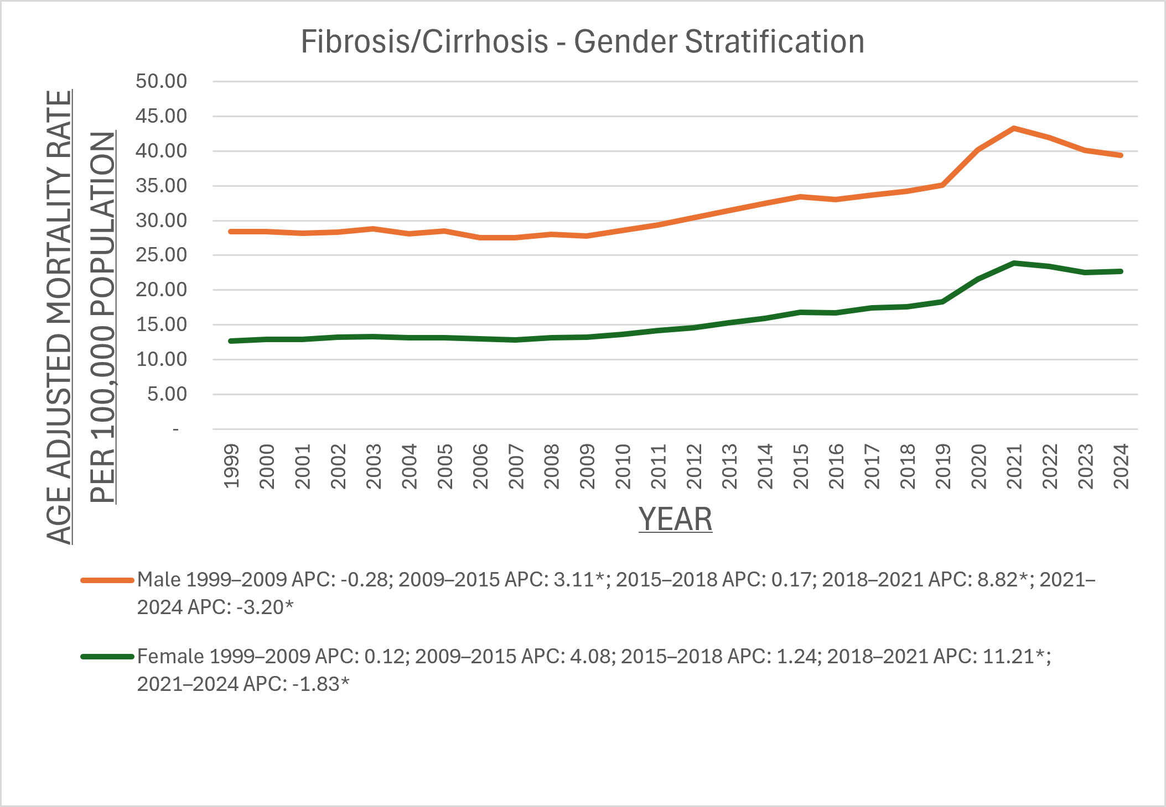
Supplementary Fig. 1 Individual Fibrosis/Cirrhosis related Age-Adjusted Mortality Rates per 100,000, Stratified by Gender in Adults in the United States, 1999 to 2024

Supplementary Fig 2
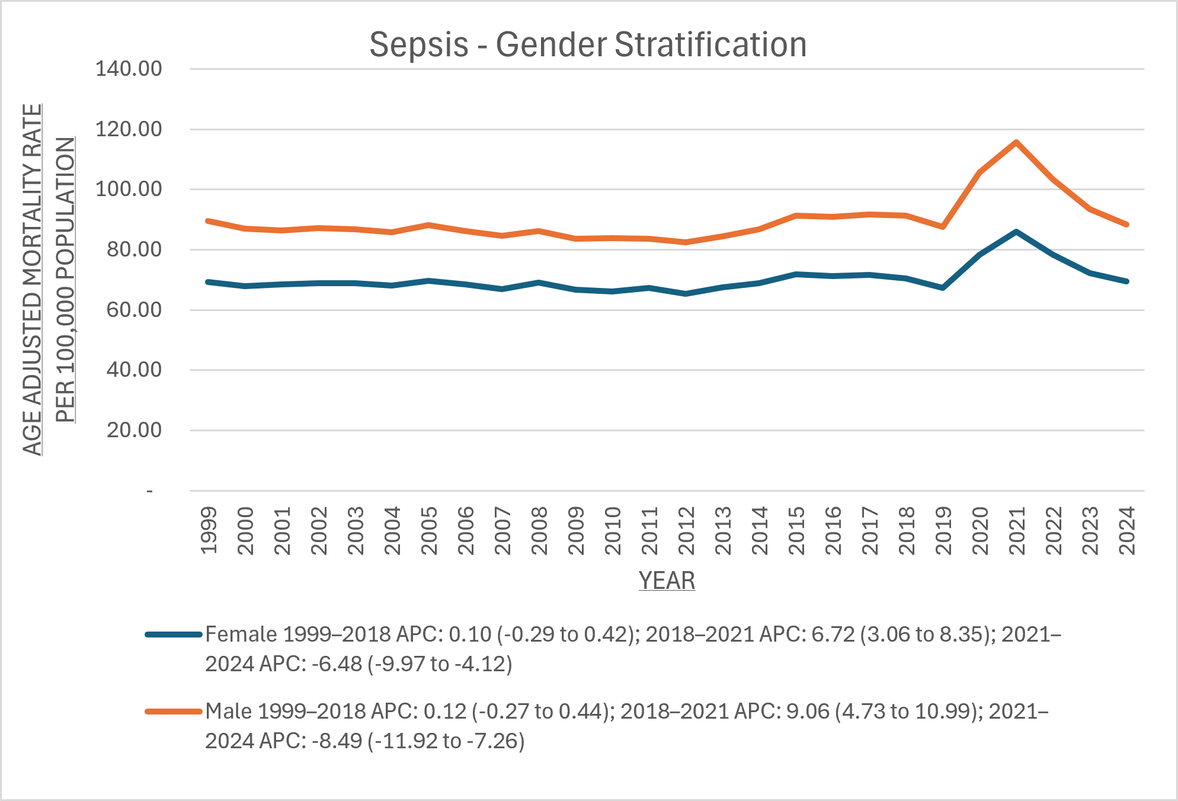
Supplementary Fig. 2 Individual Sepsis related Age-Adjusted Mortality Rates per 100,000, Stratified by Gender in Adults in the United States, 1999 to 2024

Supplementary Fig 3
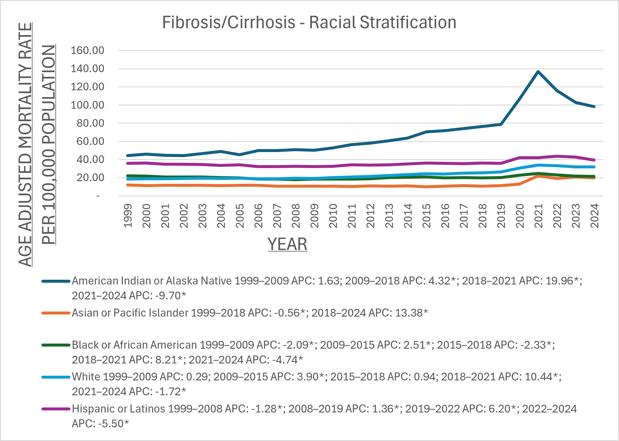
Supplementary Fig. 3 Individual Fibrosis/Cirrhosis related Age-Adjusted Mortality Rates per 100,000, Stratified by Race in Adults in the United States, 1999 to 2024

Supplementary Fig 4
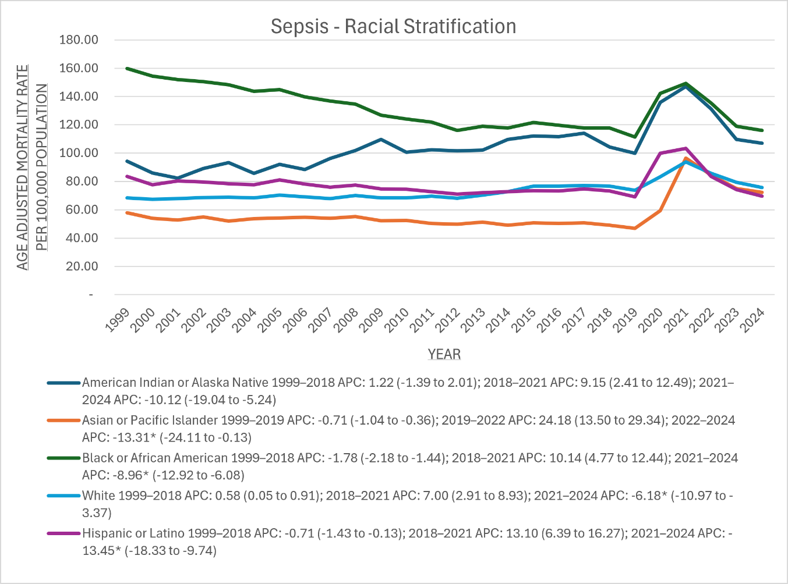
Supplementary Fig. 4 Individual Sepsis related Age-Adjusted Mortality Rates per 100,000, Stratified by Race in Adults in the United States, 1999 to 2024

