Sheet2
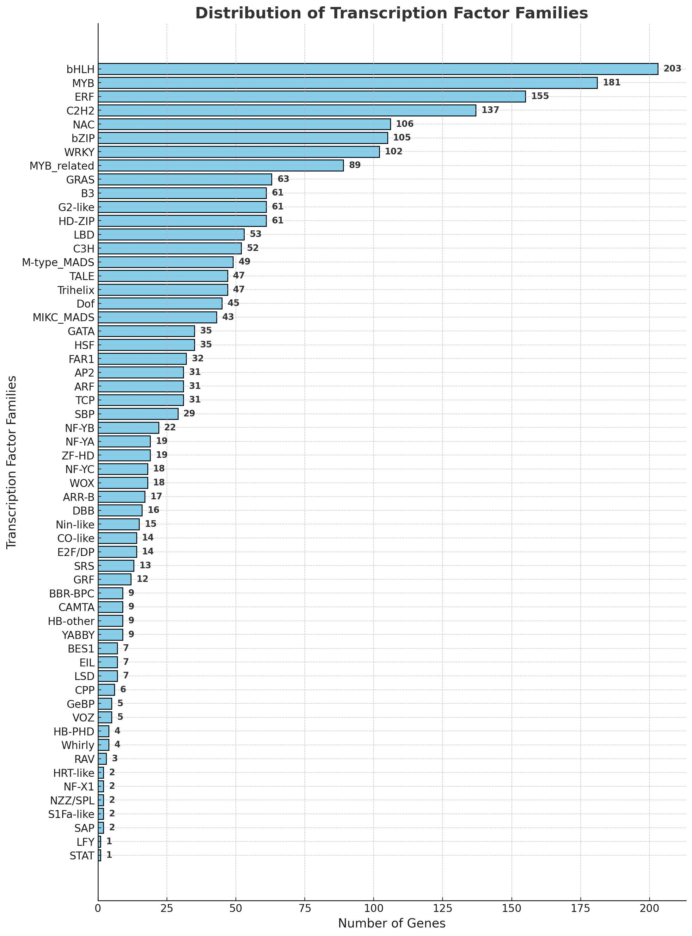
TF family | Members number
bHLH | 203
MYB | 181
ERF | 155
C2H2 | 137
NAC | 106
bZIP | 105
WRKY | 102
MYB_related | 89
GRAS | 63
G2-like | 61
B3 | 61
HD-ZIP | 61
LBD | 53
C3H | 52
M-type_MADS | 49
TALE | 47
Trihelix | 47
Dof | 45
MIKC_MADS | 43
HSF | 35
GATA | 35
FAR1 | 32
AP2 | 31
ARF | 31
TCP | 31
SBP | 29
NF-YB | 22
ZF-HD | 19
NF-YA | 19
WOX | 18
NF-YC | 18
ARR-B | 17
DBB | 16
Nin-like | 15
E2F/DP | 14
CO-like | 14
SRS | 13
GRF | 12
CAMTA | 9
HB-other | 9
BBR-BPC | 9
YABBY | 9
BES1 | 7
EIL | 7
LSD | 7
CPP | 6
VOZ | 5
GeBP | 5
HB-PHD | 4
Whirly | 4
RAV | 3
HRT-like | 2
NF-X1 | 2
S1Fa-like | 2
SAP | 2
NZZ/SPL | 2
STAT | 1
LFY | 1

