Clustering
Supplementary Data 6. Hierarchical clustering of the 198 differentially expressed genes in source leaves of Col-0 following 6 h nitrate treatments, Split vs C.KNO3

> List of the 198 DEGs and cluster assignment

Gene_ID | Cluster
AT1G70090 | 1
AT1G72430 | 1
AT4G28190 | 1
AT5G25240 | 1
AT4G13340 | 1
AT3G06070 | 1
AT4G04745 | 1
AT5G03120 | 1
AT2G23690 | 1
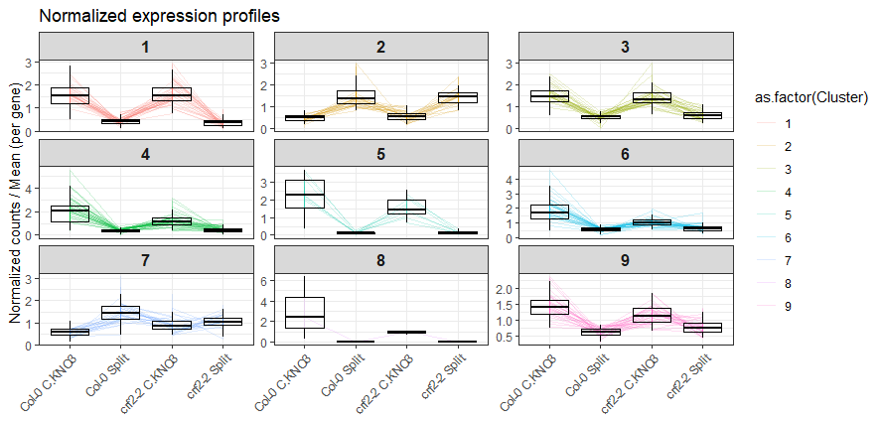
Source Leaves Cluster Profile
C.KNO₃ Split C.KNO₃ Split
Col-0
crf2-2
C.KNO₃ Split C.KNO₃ Split
Col-0
crf2-2
C.KNO₃ Split C.KNO₃ Split
Col-0
crf2-2
AT4G16563 | 1
AT2G23130 | 1
AT5G19190 | 1
AT1G22530 | 1
AT2G17230 | 1
AT5G15350 | 1
AT5G65390 | 1
AT2G01850 | 1
AT1G03870 | 1
AT5G51550 | 1
AT3G13520 | 1
AT5G25190 | 1
AT1G76090 | 1
AT5G44020 | 1
AT2G23290 | 1
AT1G22330 | 1
AT2G47440 | 1
AT3G58120 | 1
AT3G12110 | 1
AT2G16660 | 1
AT5G24030 | 1
AT1G70260 | 2
AT5G54585 | 2
AT2G15020 | 2
AT1G09350 | 2
AT3G61890 | 2
AT5G11590 | 2
AT4G21060 | 2
AT1G69490 | 2
AT3G10420 | 2
AT4G25480 | 2
AT3G27250 | 2
AT4G21930 | 2
AT1G07430 | 2
AT3G29590 | 2
AT3G50760 | 2
AT5G10410 | 2
AT1G56650 | 2
AT5G53420 | 2
AT4G29110 | 2
AT1G56600 | 2
AT2G43290 | 3
AT2G38310 | 3
AT3G54810 | 3
AT4G15800 | 3
AT4G01950 | 3
AT5G19120 | 3
AT1G61100 | 3
AT5G61440 | 3
AT5G67300 | 3
AT2G39870 | 3
AT2G30930 | 3
AT5G44130 | 3
AT3G62720 | 3
AT1G06830 | 3
AT1G47400 | 3
AT1G10020 | 3
AT2G44500 | 3
AT1G24170 | 3
AT3G59350 | 3
AT4G32480 | 3
AT5G11740 | 3
AT5G05250 | 3
AT4G15660 | 3
AT3G10720 | 3
AT1G69900 | 3
AT1G23480 | 3
AT4G37540 | 3
AT1G04107 | 3
AT4G02330 | 4
AT3G19680 | 4
AT3G48360 | 4
AT5G05440 | 4
AT5G52050 | 4
AT4G31800 | 4
AT4G37240 | 4
AT3G28340 | 4
AT2G27080 | 4
AT1G72416 | 4
AT5G37770 | 4
AT5G50915 | 4
AT1G57990 | 4
AT3G55980 | 4
AT3G50060 | 4
AT1G29290 | 4
AT5G61600 | 4
AT2G25735 | 4
AT3G05490 | 4
AT5G57550 | 4
AT3G46090 | 4
AT1G30040 | 4
AT2G01300 | 4
AT3G00800 | 4
AT1G66090 | 4
AT2G35290 | 4
AT2G35710 | 4
AT4G37770 | 4
AT2G32210 | 4
AT1G66160 | 4
AT4G21870 | 4
AT4G24570 | 4
AT5G45340 | 4
AT5G20630 | 4
AT4G29780 | 4
AT5G57560 | 5
AT1G21910 | 5
AT4G08950 | 5
AT1G50040 | 5
AT5G08150 | 5
AT3G45970 | 5
AT2G32200 | 5
AT5G11070 | 6
AT1G69760 | 6
AT4G01250 | 6
AT3G58850 | 6
AT2G24762 | 6
AT1G68840 | 6
AT1G22190 | 6
AT2G30040 | 6
AT1G08930 | 6
AT2G42870 | 6
AT3G01290 | 6
AT3G57450 | 6
AT1G25560 | 6
AT2G23810 | 6
AT3G44260 | 6
AT5G64310 | 6
AT1G76600 | 6
AT1G72910 | 6
AT3G52400 | 6
AT2G41100 | 6
AT3G56360 | 6
AT4G34150 | 6
AT1G25400 | 6
AT1G74450 | 6
AT1G74670 | 6
AT5G05300 | 6
AT4G02130 | 6
AT1G24140 | 6
AT3G25780 | 6
AT3G05320 | 6
ATCG01090 | 7
AT1G76800 | 7
AT2G41190 | 7
AT2G33380 | 7
AT4G39210 | 7
AT5G59310 | 7
AT5G57340 | 7
AT3G03470 | 7
AT4G23990 | 7
AT3G26290 | 7
AT5G61820 | 7
AT5G01600 | 7
AT1G09240 | 7
AT2G41490 | 7
AT4G00050 | 7
AT4G19170 | 7
AT2G04350 | 7
AT1G71030 | 7
AT1G13080 | 7
AT1G35140 | 8
AT5G44568 | 9
AT5G42110 | 9
AT1G76160 | 9
AT1G75960 | 9
AT2G34510 | 9
AT1G61667 | 9
AT5G23210 | 9
AT4G16141 | 9
AT4G17460 | 9
AT1G66180 | 9
AT1G57680 | 9
AT1G10840 | 9
AT1G61260 | 9
AT2G15090 | 9
AT1G18300 | 9
AT4G12420 | 9
AT2G40490 | 9
AT3G47380 | 9
AT1G62780 | 9
AT3G28200 | 9
AT4G25050 | 9
AT4G34290 | 9
AT3G26490 | 9
AT3G43430 | 9
AT5G20670 | 9
AT5G41520 | 9
AT2G04795 | 9
AT5G41750 | 9

