53DEGs_Commun_Col_SourceSink
Supplementary Data 5. Shoot transcriptional response to C.KNO3 vs Split conditions in Col-0

> List of the 53 DEGs regulated in both source and sink leaves, followed by the functional analysis

Gene_ID | label | description
AT1G03870 | FLA9 | fasciclin-like arabinogalactan-protein 9 (Fla9). Possibly involved in embryogenesis and seed development.
AT1G06830 | CEPD1;ROXY6 | Encodes a member of the CC-type glutaredoxin (ROXY) family that has been shown to interact with the transcription factor TGA2. CEPD1 is a non secreted polypeptide that is highly similar to CEPD2 which is another member of a novel family related to glutaredoxins. It is induced by nitrogen starvation. It acts downstream of the CEP1 peptide in systemic N-demand signalling .The RNA is expressed in the phloem of cotelydon and leaf vasculature but the peptide is graft transmissible; traveling from the shoot to the root.
AT1G08930 | ERD6 | encodes a putative sucrose transporter whose gene expression is induced by dehydration and cold.
AT1G09350 | AtGolS3 | Predicted to encode a galactinol synthase; highest expressions at 0 C and 4 C.
AT1G21910 | DREB26 | encodes a member of the DREB subfamily A-5 of ERF/AP2 transcription factor family. The protein contains one AP2 domain. There are 15 members in this subfamily including RAP2.1; RAP2.9 and RAP2.10.
AT1G22530 | PATL2 | PATLs belong to a family of proteins having a Golgi dynamics (GOLD) domain in tandem with the Sec14p-like domain. PATLs are auxin regulated. Quadruple mutants (patl2456) show altered PIN1 lateralization in root endodermis cells.
AT1G30040 | ATGA2OX2 | Encodes a gibberellin 2-oxidase that acts on C-19 gibberellins. AtGA2OX2 expression is responsive to cytokinin and KNOX activities.
AT1G35140 | EXL1;PHI-1 | EXL1 is involved in the C-starvation response. Phenotypic changes of an exl1 loss of function mutant became evident only under corresponding experimental conditions. For example; the mutant showed diminished biomass production in a short-day/low light growth regime, impaired survival during extended night, and impaired survival of anoxia stress.
AT1G50040 | AT1G50040 | formin-like protein; putative (DUF1005);(source:Araport11)
AT1G56650 | ATMYB75;ATPAP1 | Encodes a putative MYB domain containing transcription factor involved in anthocyanin metabolism and radical scavenging. Essential for the sucrose-mediated expression of the dihydroflavonol reductase gene. Auxin and ethylene responsiveness of PAP1 transcription is lost in myb12 mutants. Interacts with JAZ proteins to regulate anthocyanin accumulation.
AT1G57990 | ATPUP18 | Member of a family of proteins related to PUP1; a purine transporter. May be involved in the transport of purine and purine derivatives such as cytokinins, across the plasma membrane.
AT1G66090 | TIR-NBS3;TN3 | Disease resistance protein (TIR-NBS class);(source:Araport11)
AT1G70260 | RTP1;UMAMIT36 | Encodes an endoplasmic reticulum (ER)-localized nodulin MtN21-like transporter family protein that negatively regulates resistance against biotrophic pathogens but not the necrotrophic pathogen; B. cinerea, possibly by regulating ROS production, cell death and PR1 expression.
AT1G72416 | AT1G72416 | Chaperone DnaJ-domain superfamily protein;(source:Araport11)
AT1G72430 | SAUR78 | SAUR-like auxin-responsive protein family;(source:Araport11)
AT1G76090 | SMT3 | Encodes S-adenosyl-methionine-sterol-C-methyltransferase; an enzyme in the sterol biosynthetic pathway.
AT2G01850 | ATXTH27 | EXGT-A3 has homology to xyloglucan endotransglucosylases/hydrolases (XTHs). Mutants in this gene show a lesion mimic phenotype associated with leaf maturation and a reduction in the number of tertiary veins. Individual tracheary elements in the mutants are shorter; but phloem transport activity is not severely affected. EXGT-A3 plays a role in xyloglucan degradation in the differentiating tracheary elements of rosette leaves.
AT2G15020 | AT2G15020 | hypothetical protein;(source:Araport11)
AT2G25735 | AT2G25735 | hypothetical protein;(source:Araport11)
AT2G27080 | NHL13 | Late embryogenesis abundant (LEA) hydroxyproline-rich glycoprotein family;(source:Araport11)
AT2G32200 | ATHCYSTM5 | cysteine-rich/transmembrane domain A-like protein;(source:Araport11)
AT2G32210 | ATHCYSTM6 | cysteine-rich/transmembrane domain A-like protein;(source:Araport11)
AT2G43290 | ATCML5;MSS3 | Calmodulin-like MSS3.Encodes an endomembrane localized member of the CML subfamily VII. Contains a canonical CaM domain and unique N-terminal extension that distinguishes it from other members of the subfamily.
AT2G44500 | AT2G44500 | O-fucosyltransferase family protein;(source:Araport11)
AT3G06070 | AT3G06070 | hypothetical protein;(source:Araport11)
AT3G10720 | PMEI-PME25 | Pectin methylesterase inhibitor; INVI-PMEI protein isoform which clustered with a PME.
AT3G28340 | GATL10 | Encodes a protein with putative galacturonosyltransferase activity.
AT3G45970 | ATEXLA1 | member of EXPANSIN-LIKE. Naming convention from the Expansin Working Group (Kende et al; 2004. Plant Mol Bio)
AT3G48360 | ATBT2 | Encodes a protein (BT2) that is an essential component of the TAC1-mediated telomerase activation pathway. Acts redundantly with BT3 and BT1 during female gametophyte development and with BT3 during male gametophyte development. BT2 also mediates multiple responses to nutrients; stresses, and hormones.
AT3G55980 | ATC3H47;ATSZF1 | CCCH-type zinc finger protein involved in salt stress and immune responses.
AT3G56360 | AT3G56360 | hypothetical protein;(source:Araport11)
AT3G59350 | CARK5;MAZ;MAZZA | Pti-like protein. Interacts with CLV1 and functions in CLE peptide signaling pathway in root development. Membrane localization is dependent on palmytolation.
AT4G02330 | ATPMEPCRB;AtPME41 | Encodes a pectin methylesterase that is sensitive to chilling stress and brassinosteroid regulation; response to Botrytis cinerea.
AT4G08950 | EXO;EXORDIUM | Cell wall localized protein of unknown function. Expressed in areas with rapidly dividing cells. Overexpression induces elements of brassinosteroid signaling pathways.
AT4G13340 | LRX3 | Leucine rich extensin protein involved in cell wall biogenesis and organization. Interacts with several members of the RALF family of ligand peptides.
AT4G16563 | AT4G16563 | Eukaryotic aspartyl protease family protein;(source:Araport11)
AT4G21870 | AT4G21870 | HSP20-like chaperone
AT4G31800 | ATWRKY18 | Pathogen-induced transcription factor. Binds W-box sequences in vitro. Forms protein complexes with itself and with WRKY40 and WRKY60. Constitutive expression of WRKY18 enhanced resistance to P. syringae; but its coexpression with WRKY40 or WRKY60 made plants more susceptible to both P. syringae and B. cinerea. WRKY18, WRKY40, and WRKY60 have partially redundant roles in response to the hemibiotrophic bacterial pathogen Pseudomonas syringae and the necrotrophic fungal pathogen Botrytis cinerea, with WRKY18 playing a more important role than the other two.
AT4G32480 | AT4G32480 | Phosphorus (P) stress-inducible DUF506 gene family member
AT4G34150 | CALB1 | Interacts with AUTOPHAGY8 (ATG8) and PI(3)P (phospholipid found in autophagosomal membranes). Crucial role in augmenting phase separation of ALIX; facilitating the recruitment of ESCRT-III to the site of phagophore closure thereby ensuring efficient maturation of autophagosomes.
AT5G01600 | ATFER1 | Encodes a ferretin protein that is targeted to the chloroplast. Member of a Ferritin gene family. Gene expression is induced in response to iron overload and by nitric oxide. Expression of the gene is downregulated in the presence of paraquat; an inducer of photoxidative stress.
AT5G03120 | AT5G03120 | transmembrane protein;(source:Araport11)
AT5G05250 | AT5G05250 | hypothetical protein;(source:Araport11)
AT5G08150 | SOB5 | Encodes SOB5. Activation tagging lines accumulated higher level of cytokinin.
AT5G19120 | AT5G19120 | Eukaryotic aspartyl protease family protein;(source:Araport11)
AT5G24030 | SLAH3 | Encodes a protein with ten predicted transmembrane helices. The SLAH3 protein has similarity to the SLAC1 protein involved in ion homeostasis in guard cells. Although it is not expressed in guard cells; it can complement an slac1-2 mutant suggesting that it performs a similar function. SLAH3:GFP localizes to the plasma membrane.
AT5G25190 | ESE3 | encodes a member of the ERF (ethylene response factor) subfamily B-6 of ERF/AP2 transcription factor family. The protein contains one AP2 domain. There are 12 members in this subfamily including RAP2.11.
AT5G52050 | ATDTX50 | MATE efflux family protein;(source:Araport11)
AT5G54585 | AT5G54585 | hypothetical protein;(source:Araport11)
AT5G57550 | XTH25 | Xyloglucan endotransglycosylase-related protein (XTR3).
AT5G57560 | ATXTH22;TCH4 | Encodes a cell wall-modifying enzyme; rapidly upregulated in response to environmental stimuli.
AT5G61440 | ACHT5 | Encodes a member of the thioredoxin family protein. Located in the chloroplast.
AT5G65390 | AGP7 | arabinogalactan protein 7;(source:Araport11)

>ShinyGO
Biological Process
Enrichment FDR | nGenes | Pathway Genes | Fold Enrichment | Pathway | URL | Genes
3.20E-10 | 12 | 240 | 17.60 | GO:0071456 Cellular response to hypoxia | https://amigo.geneontology.org/amigo/term/GO:0071456 | GA2OX2 PHI-1 AT1G66090 AT1G72430 AT2G25735 AT2G32200 AT2G32210 SZF1 AT4G32480 AT4G34150 AT5G19120 TCH4
3.20E-10 | 12 | 242 | 17.50 | GO:0036294 Cellular response to decreased oxygen levels | https://amigo.geneontology.org/amigo/term/GO:0036294 | GA2OX2 PHI-1 AT1G66090 AT1G72430 AT2G25735 AT2G32200 AT2G32210 SZF1 AT4G32480 AT4G34150 AT5G19120 TCH4
5.55E-10 | 12 | 267 | 16.01 | GO:0001666 Response to hypoxia | https://amigo.geneontology.org/amigo/term/GO:0001666 | GA2OX2 PHI-1 AT1G66090 AT1G72430 AT2G25735 AT2G32200 AT2G32210 SZF1 AT4G32480 AT4G34150 AT5G19120 TCH4
5.55E-10 | 12 | 271 | 15.76 | GO:0036293 Response to decreased oxygen levels | https://amigo.geneontology.org/amigo/term/GO:0036293 | GA2OX2 PHI-1 AT1G66090 AT1G72430 AT2G25735 AT2G32200 AT2G32210 SZF1 AT4G32480 AT4G34150 AT5G19120 TCH4
2.53E-04 | 8 | 532 | 7.72 | GO:0071555 Cell wall organization | https://amigo.geneontology.org/amigo/term/GO:0071555 | EXGT-A3 AT2G44500 AT3G10720 GATL10 ATPMEPCRB LRX3 XTH25 TCH4
3.44E-04 | 8 | 579 | 7.25 | GO:0045229 External encapsulating structure organization | https://amigo.geneontology.org/amigo/term/GO:0045229 | EXGT-A3 AT2G44500 AT3G10720 GATL10 ATPMEPCRB LRX3 XTH25 TCH4
4.78E-03 | 3 | 61 | 25.09 | GO:0010411 Xyloglucan metabolic proc. | https://amigo.geneontology.org/amigo/term/GO:0010411 | EXGT-A3 XTH25 TCH4
1.34E-02 | 3 | 72 | 16.36 | GO:0042542 Response to hydrogen peroxide | https://amigo.geneontology.org/amigo/term/GO:0042542 | AT4G21870 BT2 FER1
1.61E-02 | 4 | 161 | 8.88 | GO:0000302 Response to reactive oxygen species | https://amigo.geneontology.org/amigo/term/GO:0000302 | AT4G21870 BT2 FER1 PAP1
1.82E-02 | 3 | 114 | 13.94 | GO:0010410 Hemicellulose metabolic proc. | https://amigo.geneontology.org/amigo/term/GO:0010410 | EXGT-A3 XTH25 TCH4
2.62E-02 | 4 | 245 | 7.54 | GO:0042546 Cell wall biogenesis | https://amigo.geneontology.org/amigo/term/GO:0042546 | FLA9 EXGT-A3 XTH25 TCH4
4.63E-02 | 3 | 152 | 9.18 | GO:0010383 Cell wall polysaccharide metabolic proc. | https://amigo.geneontology.org/amigo/term/GO:0010383 | EXGT-A3 XTH25 TCH4
4.63E-02 | 3 | 167 | 9.18 | GO:0045488 Pectin metabolic proc. | https://amigo.geneontology.org/amigo/term/GO:0045488 | AT3G10720 GATL10 ATPMEPCRB
4.66E-02 | 3 | 168 | 9.07 | GO:0010393 Galacturonan metabolic proc. | https://amigo.geneontology.org/amigo/term/GO:0010393 | AT3G10720 GATL10 ATPMEPCRB
4.69E-02 | 3 | 124 | 8.96 | GO:0009741 Response to brassinosteroid | https://amigo.geneontology.org/amigo/term/GO:0009741 | ATPMEPCRB TCH4 EXO

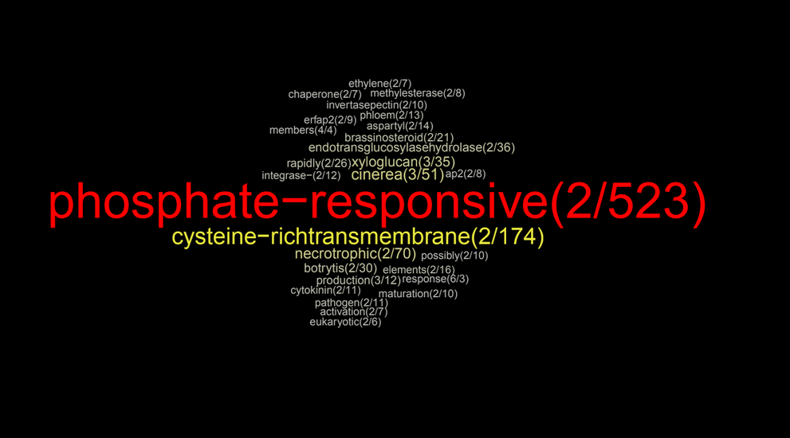
> GeneCloud
Analysis parameters 2g_5%_B&Y
Word | Count | Enrich ratio | p-value | FDR | Genes
phosphate-responsive | 2 | 523 | 0.00E+00 | 0.00E+00 | AT1G35140 AT4G08950
cysteine-richtransmembrane | 2 | 174 | 1.31E-07 | 2.30E-05 | AT2G32200 AT2G32210
necrotrophic | 2 | 70 | 2.95E-06 | 2.06E-04 | AT1G70260 AT4G31800
cinerea | 3 | 51 | 3.60E-07 | 4.20E-05 | AT1G70260 AT4G02330 AT4G31800
endotransglucosylasehydrolase | 2 | 36 | 2.32E-05 | 1.36E-03 | AT2G01850 AT5G57550
xyloglucan | 3 | 35 | 1.67E-06 | 1.46E-04 | AT2G01850 AT5G57550 AT5G57560
botrytis | 2 | 30 | 4.13E-05 | 2.06E-03 | AT4G02330 AT4G31800
brassinosteroid | 2 | 21 | 1.14E-04 | 4.07E-03 | AT4G02330 AT4G08950
aspartyl | 2 | 14 | 3.73E-04 | 1.09E-02 | AT4G16563 AT5G19120
phloem | 2 | 13 | 4.53E-04 | 1.22E-02 | AT1G06830 AT2G01850
cytokinin | 2 | 11 | 8.30E-04 | 1.87E-02 | AT1G30040 AT5G08150
pathogen | 2 | 11 | 8.56E-04 | 1.87E-02 | AT1G70260 AT4G31800
ap2 | 2 | 8 | 1.99E-03 | 3.31E-02 | AT1G21910 AT5G25190
methylesterase | 2 | 8 | 2.12E-03 | 3.37E-02 | AT3G10720 AT4G02330
chaperone | 2 | 7 | 2.60E-03 | 3.79E-02 | AT1G72416 AT4G21870
ethylene | 2 | 7 | 3.51E-03 | 4.55E-02 | AT1G56650 AT5G25190

