Table 1
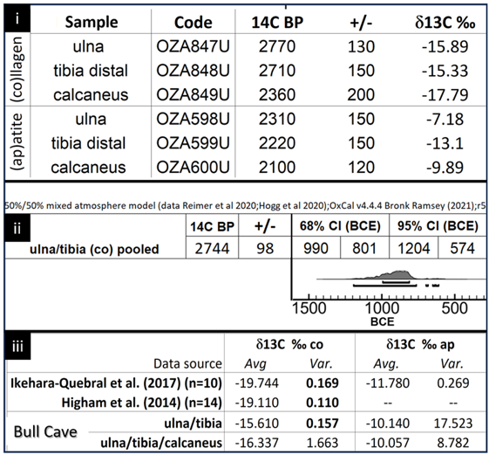
i | Sample | Code | 14C BP | +/-
(co)llagen | ulna | OZA847U | 2770 | 130 | -15.89 | Graphic tif version
 | tibia distal | OZA848U | 2710 | 150 | -15.33
 | calcaneus | OZA849U | 2360 | 200 | -17.79
(ap)atite | ulna | OZA598U | 2310 | 150 | -7.18
 | tibia distal | OZA599U | 2220 | 150 | -13.1
 | calcaneus | OZA600U | 2100 | 120 | -9.89
50/50% mixed atmosphere model (data Reimer et al 2020; Hogg et al 2020); Oxcal v4,4,4 Bonk Ramsey (2021):r5
ii |  |  |  | 95% sigma (BCE)
unla/tibia (co) pooled

iii | Data source | Avg. Var. |  | Avg. Var.
Ikehara-Quebral et al (2017) (n=10) |  | -19.744 | 0.169 | -11.780 | 0.269
Higham et al (2014) (n=14) |  | -19.110 | 0.110 | -- | --
Bull Cave | ulna/tibia | -15.610 | 0.157 | -10.140 | 17.523
 | ulna/tibia/cal | -16.337 | 1.663 | -10.057 | 8.782

