S6-ETBF pathways 5h
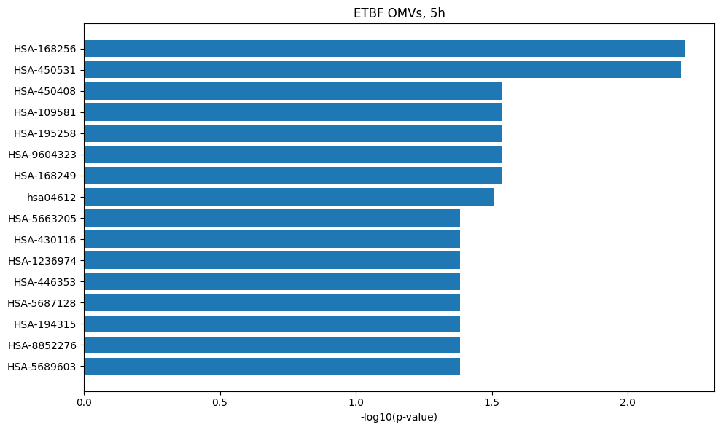
HSA-168249 | Innate Immune System
HSA-450531 | Regulation of mRNA stability by proteins that bind AU-rich elements
HSA-450408 | AUF1 (hnRNP D0) binds and destabilizes mRNA
HSA-109581 | Apoptosis
HSA-195258 | RHO GTPase Effectors
HSA-9604323 | Negative regulation of NOTCH4 signaling
HSA-168249 | Innate Immune System
hsa04612 | Antigen processing and presentation
HSA-5663205 | Infectious disease
HSA-430116 | GP1b-IX-V activation signalling
HSA-1236974 | ER-Phagosome pathway
HSA-446353 | Cell-extracellular matrix interactions
HSA-5687128 | MAPK6/MAPK4 signaling
HSA-194315 | Signaling by Rho GTPases
HSA-8852276 | The role of GTSE1 in G2/M progression after G2 checkpoint
HSA-5689603 | UCH proteinases

S7-NTBF pathways 5h
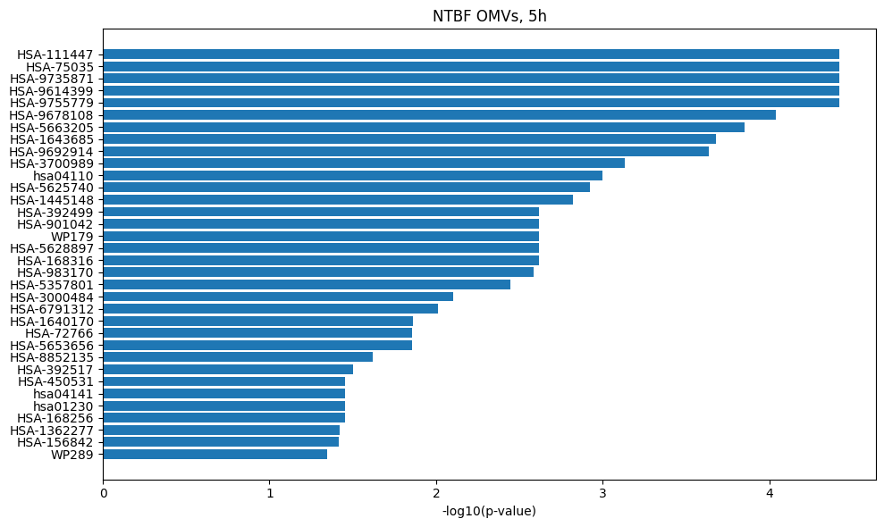

HSA-111447 | Activation of BAD and translocation to mitochondria
HSA-75035 | Chk1/Chk2(Cds1) mediated inactivation of Cyclin B:Cdk1 complex
HSA-9735871 | SARS-CoV-1 targets host intracellular signalling and regulatory pathways
HSA-9614399 | Regulation of localization of FOXO transcription factors
HSA-9755779 | SARS-CoV-2 targets host intracellular signalling and regulatory pathways
HSA-9678108 | SARS-CoV-1 Infection
HSA-5663205 | Infectious disease
HSA-1643685 | Disease
HSA-9692914 | SARS-CoV-1-host interactions
HSA-3700989 | Transcriptional Regulation by TP53
hsa04110 | Cell cycle
HSA-5625740 | RHO GTPases activate PKNs
HSA-1445148 | Translocation of SLC2A4 (GLUT4) to the plasma membrane
HSA-392499 | Metabolism of proteins
HSA-901042 | Calnexin/calreticulin cycle
WP179 | Cell cycle
HSA-5628897 | TP53 Regulates Metabolic Genes
HSA-168316 | Assembly of Viral Components at the Budding Site
HSA-983170 | Antigen Presentation: Folding, assembly and peptide loading of class I MHC
HSA-5357801 | Programmed Cell Death
HSA-3000484 | Scavenging by Class F Receptors
HSA-6791312 | TP53 Regulates Transcription of Cell Cycle Genes
HSA-1640170 | Cell cycle
HSA-72766 | Translation
HSA-5653656 | Vesicle-mediated transport
HSA-8852135 | Protein ubiquitination
HSA-392517 | Rap1 signalling
HSA-450531 | Regulation of mRNA stability by proteins that bind AU-rich elements
hsa04141 | Protein processing in endoplasmic reticulum
hsa01230 | Biosynthesis of amino acids
HSA-168256 | Immune System
HSA-1362277 | Transcription of E2F targets under negative control by DREAM complex
HSA-156842 | Eukaryotic Translation Elongation
WP289 | Myometrial relaxation and contraction pathways

