Figure 1
1b. LwaCas13a NLS |  |  |  |  |  |  |  | 1c. PspCas13b NES |  |  |  |  |  |  | 1d. RfxCas13d NES
 | mCherry (target) |  |  | EGFP (non-target) |  |  |  |  | mCherry (target) |  |  | EGFP (non-target) |  |  |  | mCherry (target) |  |  | EGFP (non-target)
BR1 | NT | TAR1 | TAR2 | NT | TAR1 | TAR2 |  | BR1 | NT | TAR1 | TAR2 | NT | TAR1 | TAR2 | BR1 | NT | TAR1 | TAR2 | NT | TAR1 | TAR2
 | 878480 | 18623 | 12047 | 1103805 | 967011 | 706006 |  |  | 1069503 | 94314 | 16963 | 520935 | 507544 | 338763 |  | 470029 | 12400 | 18692 | 367356 | 572 | 4137
 | 1014348 | 25774 | 6959 | 1218664 | 1046298 | 819897 |  |  | 1412868 | 375448 | 2841 | 848097 | 738631 | 321569 |  | 542954 | 15546 | 37672 | 423876 | 1456 | 6074
 | 1108943 | 34670 | 13060 | 1338843 | 1073816 | 889929 |  |  | 1504681 | 267765 | 23196 | 959698 | 754507 | 458589 |  | 191901 | 3299 | 28801 | 307551 | 0 | 5878
 | 982664 | 41075 | 21754 | 1211894 | 1133578 | 787464 |  |  | 1383670 | 211168 | 4736 | 1134853 | 527323 | 295185 |  | 298072 | 6245 | 49118 | 398696 | 529 | 15463
 | 947081 | 43066 | 20219 | 1202958 | 937242 | 737935 |  |  | 1342680.5 | 237173.75 | 11934 | 865895.75 | 632001.25 | 353526.5 |  | 467324 | 18640 | 41370 | 502849 | 398 | 15656
 | 844632 | 35657 | 35214 | 1207029 | 1045113 | 694023 |  |  | 1 | 0.17664198594 | 0.0088881904519 | 1 | 0.72988145513 | 0.40827836376 |  | 447696 | 9681 | 13080 | 453906 | 555 | 6727
mean fluorescence | 962691.33333 | 33144.166667 | 18208.833333 | 1213865.5 | 1033843 | 772542.33333 |  |  |  |  |  |  |  |  |  | 402996 | 10968.5 | 31455.5 | 409039 | 585 | 8989.1666667
k/d | 1 | 0.034428653836 | 0.018914508423 | 1 | 0.85169485417 | 0.6364315761 |  | BR2 | NT | TAR1 | TAR2 | NT | TAR1 | TAR2 |  | 1 | 0.027217391736 | 0.078054124607 | 1 | 0.0014301814741 | 0.021976307068
 |  |  |  |  |  |  |  |  | 1151154 | 351848 | 28414 | 494364 | 532473 | 279048
BR2 | NT | TAR1 | TAR2 | NT | TAR1 | TAR2 |  |  | 1345255 | 238158 | 16036 | 838105 | 489469 | 307083 | BR2 | NT | TAR1 | TAR2 | NT | TAR1 | TAR2
 | 749305 |  | 14347 | 997648 |  | 773297 |  |  | 1339120 | 313334 | 29596 | 811705 | 583085 | 347249 |  | 186113 | 1901 | 19034 | 280248 | 373 | 5351
 | 837044 | 51586 | 24079 | 1070500 | 931825 | 933800 |  |  | 1354332 | 337023 | 13459 | 632952 | 614650 | 298300 |  | 181672 | 2603 | 17445 | 268098 | 602 | 4868
 | 871815 | 28332 | 35772 | 1156815 | 1104384 | 829106 |  |  | 1297465.25 | 310090.75 | 21876.25 | 694281.5 | 554919.25 | 307920 |  | 195109 | 253 | 11753 | 212553 | 353 | 5896
 | 949523 | 30445 | 30768 | 1282509 | 812384 | 922766 |  |  | 1 | 0.23899734502 | 0.016860759855 | 1 | 0.79927126101 | 0.44350886492 |  | 156273 | 2731 | 6081 | 213367 | 0 | 3045
 | 914030 | 46855 | 37527 | 1282950 | 1045132 | 942217 |  |  |  |  |  |  |  |  |  | 143524 | 1767 | 9015 | 255114 | 380 | 2988
 | 833616 | 42401 | 25406 | 1234574 | 725746 | 846386 |  | BR3 | NT | TAR1 | TAR2 | NT | TAR1 | TAR2 |  | 218881 | 2238 | 628 | 337120 | 0 | 1710
 | 859222.16667 | 39923.8 | 27983.166667 | 1170832.6667 | 923894.2 | 874595.33333 |  |  | 1196194 | 265382 | 17468 | 646329 | 684547 | 336799 |  | 180262 | 1915.5 | 10659.333333 | 261083.33333 | 284.66666667 | 3976.3333333
 | 1 | 0.046465048911 | 0.032568022279 | 1 | 0.78909158098 | 0.74698576341 |  |  | 1424583 | 274359 | 462 | 987393 | 804076 | 244055 |  | 1 | 0.010626199643 | 0.059132447955 | 1 | 0.0010903287584 | 0.015230130865
 |  |  |  |  |  |  |  |  | 1392521 | 256105 | 16866 | 1015395 | 662197 | 408262
BR3 | NT | TAR1 | TAR2 | NT | TAR1 | TAR2 |  |  | 1280416 | 171481 | 5987 | 1112081 | 999662 | 409352 | BR3 | NT | TAR1 | TAR2 | NT | TAR1 | TAR2
 | 762086 | 13570 | 27564 | 1064609 | 1022668 | 773422 |  |  | 1323428.5 | 241831.75 | 10195.75 | 940299.5 | 787620.5 | 349617 |  | 115756 | 273 | 8420 | 211211 | 118 | 3138
 | 919452 | 14911 | 32082 | 1210385 | 1211483 | 829391 |  |  | 1 | 0.18273125447 | 0.007704042946 | 1 | 0.83762726663 | 0.37181451229 |  | 122608 | 246 | 8786 | 215423 | 170 | 4089
 | 859013 | 8594 | 15395 | 1250040 | 1139881 | 966221 |  |  |  |  |  |  |  |  |  | 132841 | 259 | 8428 | 266078 | 0 | 3525
 | 825451 | 13942 | 20954 | 1246370 | 1139524 | 990151 |  |  |  |  |  |  |  |  |  | 98308 | 498 | 2584 | 241552 | 271 | 2167
 | 840815 | 22780 | 17471 | 1203933 | 1023740 | 865878 |  |  |  |  |  |  |  |  |  | 153285 | 950 | 9619 | 255809 | 441 | 2152
 | 857553 | 18576 | 11250 | 1307648 | 1102453 | 882170 |  |  |  |  |  |  |  |  |  | 167013 | 366 | 11532 | 273327 | 0 | 1402
 | 844061.66667 | 15395.5 | 20786 | 1213830.8333 | 1106624.8333 | 884538.83333 |  |  |  |  |  |  |  |  |  | 131635.16667 | 432 | 8228.1666667 | 243900 | 166.66666667 | 2745.5
 | 1 | 0.018239781059 | 0.02462616278 | 1 | 0.91167962038 | 0.7287167281 |  |  |  |  |  |  |  |  |  | 1 | 0.0032817977972 | 0.062507359356 | 1 | 0.00068334016674 | 0.011256662567

BR1*
BR2
BR3
1e. Western blot

NT
TAR1
TAR2
NT
TAR1
TAR2
NT
TAR1
TAR2
LwaCas13a
 |  |  |  |  |  | Cas13 | actin | Cas/actin | normalised
 |  |  |  |  | NT-1 | 3539571.8095 | 5178804.2128 | 0.68347279876 | 1
 |  |  |  |  | TAR1-1 | 3067357.381 | 4660353.5957 | 0.65818125555 | 0.962995538
 |  |  |  |  | TAR2-1 | 3477855.1786 | 5284139.3404 | 0.65816871103 | 0.96297718391
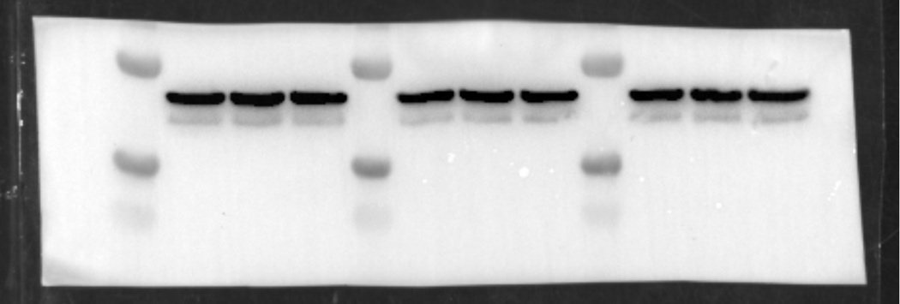
actin
 |  |  |  |  | NT-2 | 3875436.3571 | 4550852.2766 | 0.85158474097 | 1
 |  |  |  |  | TAR1-2 | 3639129.4524 | 4170093.3191 | 0.87267338495 | 1.0247639994
 |  |  |  |  | TAR2-2 | 3394615.7738 | 4807561.7021 | 0.70609926281 | 0.82915912985

 |  |  |  |  | NT-3 | 3273657.619 | 4961149.8085 | 0.6598586508 | 1
 |  |  |  |  | TAR1-3 | 2139651.9286 | 4175198.1489 | 0.51246715778 | 0.77663171827
 |  |  |  |  | TAR2-3 | 994191.7381 | 4710845.3191 | 0.21104317182 | 0.31983087827

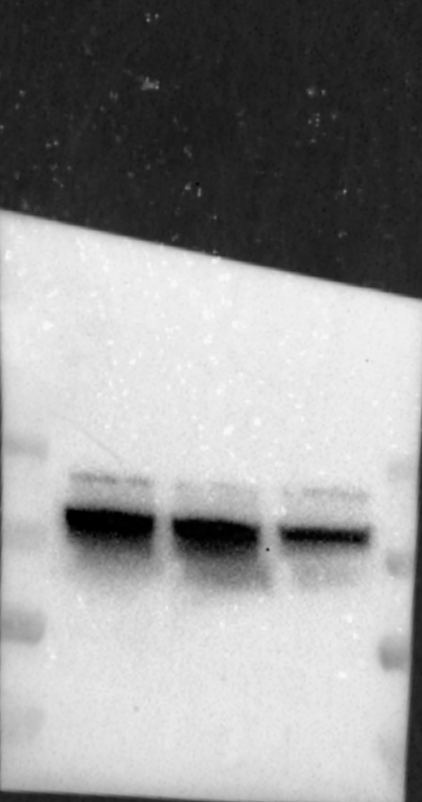
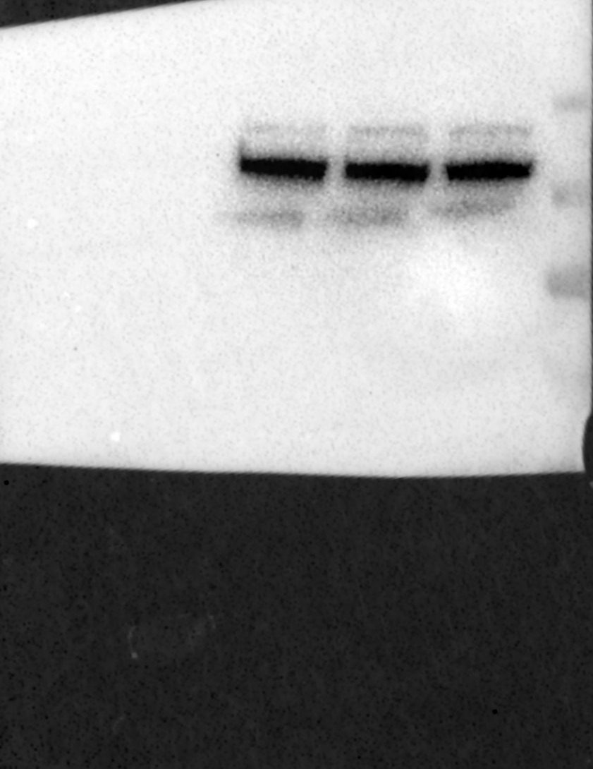
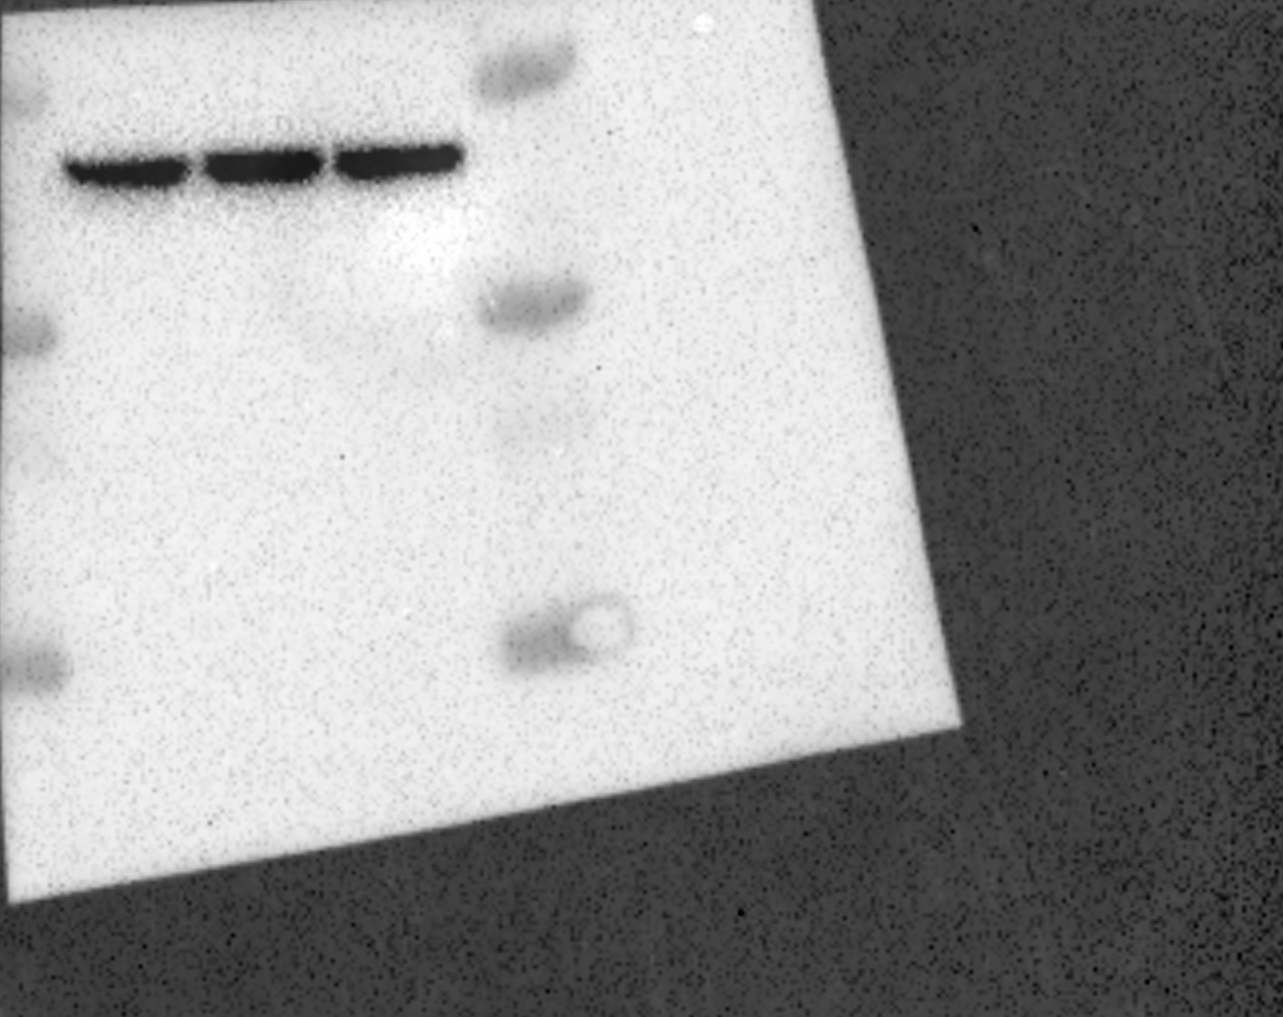
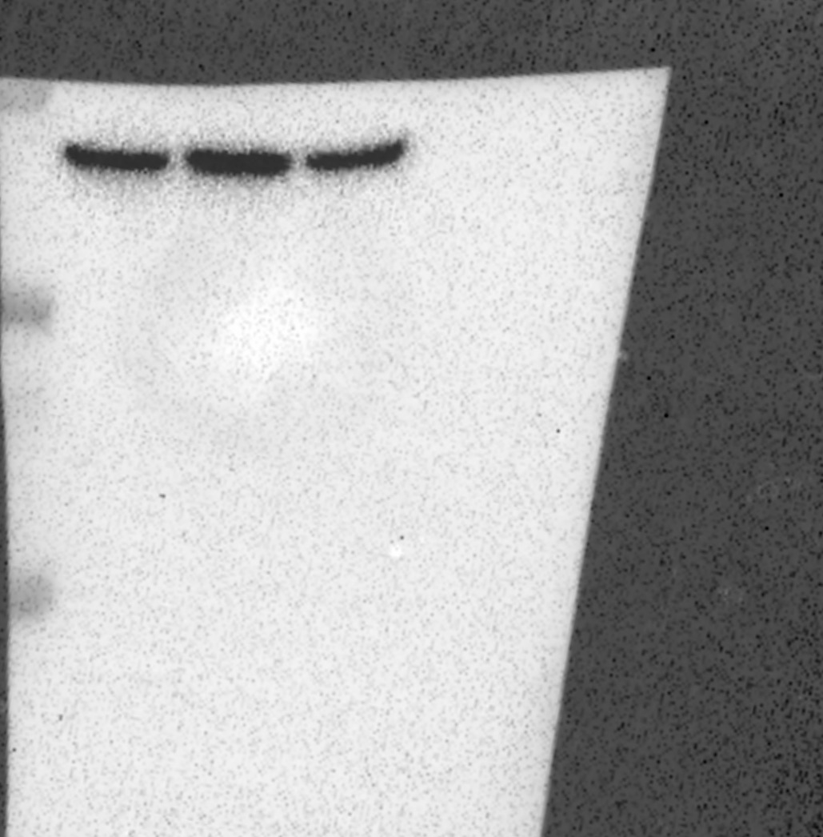
BR1*
BR2
BR3
 |  |  |  |  |  | Cas13 | actin | Cas/actin | normalised
 |  |  |  |  | NT-1 | 7181516.4545 | 7180230.6667 | 1.0001790733 | 1
 |  |  |  |  | TAR1-1 | 6379860.1818 | 8293797 | 0.76923273886 | 0.76909501444
PspCas13b
NT
TAR1
TAR2
NT
TAR1
TAR2
NT
TAR1
TAR2
 |  |  |  |  | TAR2-1 | 6727777.1818 | 7579646.6667 | 0.88761092406 | 0.88745200506

actin
 |  |  |  |  | NT-2 | 13241506.235 | 6932973.2222 | 1.9099318302 | 1
 |  |  |  |  | TAR1-2 | 12307953.941 | 7204312.5278 | 1.7084147715 | 0.89448992078
 |  |  |  |  | TAR2-2 | 8342491.6471 | 7083166.9167 | 1.1777911978 | 0.61666661562

 |  |  |  |  | NT-3 | 5122949.3171 | 6647129.7358 | 0.77070096728 | 1
 |  |  |  |  | TAR1-3 | 4550735.9512 | 7039767.1698 | 0.64643273583 | 0.83875947128
 |  |  |  |  | TAR2-3 | 5394742.5366 | 8027877.9434 | 0.67200106611 | 0.87193489387

BR1*
BR2
BR3
RfxCas13d
 |  |  |  |  |  | Cas13 | actin | Cas/actin | normalised
 |  |  |  |  | NT-1 | 6211068 | 4912508.47 | 1.26433736 | 1
 |  |  |  |  | TAR1-1 | 870803.667 | 5252783.93 | 0.16577946 | 0.13111964
 |  |  |  |  | TAR2-1 | 2509120.67 | 4175415.67 | 0.60092716 | 0.4752902

actin
 |  |  |  |  | NT-2 | 6421733.33 | 4437435.8 | 1.44717211 | 1
 |  |  |  |  | TAR1-2 | 685217 | 4897445 | 0.13991316 | 0.09668039
 |  |  |  |  | TAR2-2 | 1852946.67 | 4438321.13 | 0.41748819 | 0.28848552

 |  |  |  |  | NT-3 | 6290246 | 3993035.67 | 1.57530424 | 1
 |  |  |  |  | TAR1-3 | 812434.667 | 4300130.53 | 0.18893256 | 0.11993401
 |  |  |  |  | TAR2-3 | 1533990 | 4625152.93 | 0.33166255 | 0.21053873

Figure 2 & Suppl. Figure 7
40ng/mL
20ng/mL
280ng/mL
70ng/mL
2b. Western blot of target mCherry titration exp.
 |  |  |  |  |  |  |  |  | BR1 | Cas13 | EGFP | actin |  | Cas13/actin | normalised |  | EGFP/actin | normalised
 |  |  |  |  |  |  |  | 280ng/mL | NT | 13117401 | 3332518 | 3658454 |  | 3.5855038768 | 1 |  | 0.91090881558 | 1
NT
TAR1
TAR2
NT
TAR1
TAR2
NT
TAR1
TAR2
NT
TAR1
TAR2
 |  |  |  |  |  |  |  |  | TAR1 | 3195038 | 245881 | 4015590 |  | 0.7956584213 | 0.2219097925 |  | 0.06123159984 | 0.067220339503
RfxCas13d
 |  |  |  |  |  |  |  |  | TAR2 | 2367670 | 430071 | 3988010 |  | 0.59369710708 | 0.16558261474 |  | 0.10784100341 | 0.11838836288
 |  |  |  |  |  |  |  | 70ng/mL | NT | 4588757 | 3182142 | 3736803 |  | 1.227990076 | 1 |  | 0.85156803824 | 1
 |  |  |  |  |  |  |  |  | TAR1 | 631168 | 578426 | 3645332 |  | 0.17314417452 | 0.14099802426 |  | 0.15867580786 | 0.18633368178
BR1
 |  |  |  |  |  |  |  |  | TAR2 | 837033 | 1210235 | 3817619 |  | 0.21925524784 | 0.17854806168 |  | 0.31701303876 | 0.3722697712
actin
 |  |  |  |  |  |  |  | 40ng/mL | NT | 9317508 | 3809388 | 4348457 |  | 2.1427159105 | 1 |  | 0.87603211898 | 1
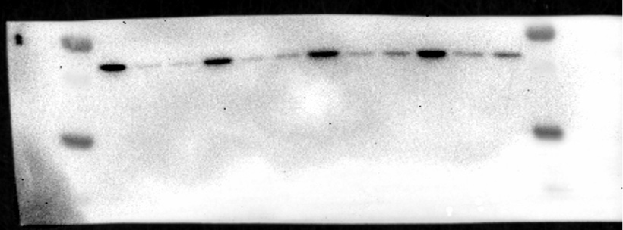
 |  |  |  |  |  |  |  |  | TAR1 | 2747811 | 1245518 | 4133258 |  | 0.66480510048 | 0.31026282916 |  | 0.30134049217 | 0.34398338331
EGFP
 |  |  |  |  |  |  |  |  | TAR2 | 3329972 | 1768899 | 3693862 |  | 0.90148792781 | 0.42072209545 |  | 0.47887522598 | 0.546641174
 |  |  |  |  |  |  |  | 20ng/mL | NT | 9508172 | 4164679 | 3244527 |  | 2.9305263911 | 1 |  | 1.2836012769 | 1
 |  |  |  |  |  |  |  |  | TAR1 | 4450351 | 1209244 | 2433356 |  | 1.8288943336 | 0.62408389809 |  | 0.49694495996 | 0.38714900719
 |  |  |  |  |  |  |  |  | TAR2 | 1884929 | 1477188 | 2555417 |  | 0.73762090492 | 0.25170252934 |  | 0.57806142794 | 0.45034345039

RfxCas13d
 |  |  |  |  |  |  |  |  | BR2 | Cas13 | EGFP | actin |  | Cas13/actin |  |  | EGFP/actin
 |  |  |  |  |  |  |  | 280ng/mL | NT | 8565780 | 4393540 | 4336914 |  | 1.9750864324 | 1 |  | 1.0130567496 | 1
 |  |  |  |  |  |  |  |  | TAR1 | 1102298 | 638659 | 4489679 |  | 0.24551822079 | 0.12430758308 |  | 0.1422504816 | 0.14041709081
 |  |  |  |  |  |  |  |  | TAR2 | 1271755 | 1035193 | 4559790 |  | 0.27890648473 | 0.14121229337 |  | 0.22702646394 | 0.22410044061
 |  |  |  |  |  |  |  | 70ng/mL | NT | 6454139 | 5109696 | 3919461 |  | 1.6466904505 | 1 |  | 1.3036731326 | 1
 |  |  |  |  |  |  |  |  | TAR1 | 2767500 | 2498017 | 3705343 |  | 0.74689441706 | 0.45357305425 |  | 0.6741661973 | 0.5171282436
BR2
actin
 |  |  |  |  |  |  |  |  | TAR2 | 3834051 | 2784729 | 3563663 |  | 1.0758736166 | 0.65335510763 |  | 0.78142321538 | 0.59940118105
 |  |  |  |  |  |  |  | 40ng/mL | NT | 4561701 | 5526070 | 4105033 |  | 1.1112458779 | 1 |  | 1.3461694461 | 1
EGFP
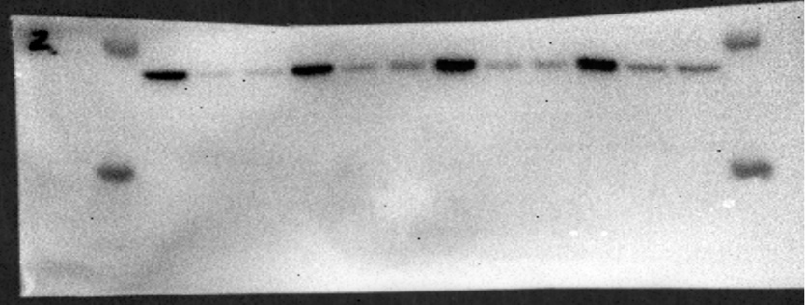
 |  |  |  |  |  |  |  |  | TAR1 | 931357 | 1621015 | 3563414 |  | 0.26136648731 | 0.23520131098 |  | 0.45490504331 | 0.33792554467
 |  |  |  |  |  |  |  |  | TAR2 | 1747231 | 1868201 | 3643295 |  | 0.47957439625 | 0.4315646121 |  | 0.51277785631 | 0.38091627899
 |  |  |  |  |  |  |  | 20ng/mL | NT | 6434497 | 5274188 | 3402226 |  | 1.891260898 | 1 |  | 1.5502168286 | 1
 |  |  |  |  |  |  |  |  | TAR1 | 4064202 | 2401188 | 4646780 |  | 0.87462759158 | 0.46245739681 |  | 0.51674234631 | 0.33333552879
 |  |  |  |  |  |  |  |  | TAR2 | 3964729 | 2457714 | 4884486 |  | 0.81169830357 | 0.42918367552 |  | 0.50316737524 | 0.32457870792

RfxCas13d
 |  |  |  |  |  |  |  |  | BR3 | Cas13 | EGFP | actin |  | Cas13/actin |  |  | EGFP/actin
 |  |  |  |  |  |  |  | 280ng/mL | NT | 4715722 | 3472909 | 3384091 |  | 1.3934973971 | 1 |  | 1.0262457481 | 1
 |  |  |  |  |  |  |  |  | TAR1 | 363639 | 1151973 | 3355093 |  | 0.10838417892 | 0.077778529867 |  | 0.343350542 | 0.33456951478
 |  |  |  |  |  |  |  |  | TAR2 | 309813 | 1180641 | 2839367 |  | 0.1091134045 | 0.078301835891 |  | 0.41581134105 | 0.40517716328
 |  |  |  |  |  |  |  | 70ng/mL | NT | 4017397 | 4261037 | 2909534 |  | 1.3807699102 | 1 |  | 1.4645084058 | 1
 |  |  |  |  |  |  |  |  | TAR1 | 822688 | 1368544 | 2883345 |  | 0.28532416343 | 0.20664135372 |  | 0.47463761707 | 0.32409347409
BR3*
actin
 |  |  |  |  |  |  |  |  | TAR2 | 535388 | 1656620 | 2619322 |  | 0.2043994591 | 0.1480329616 |  | 0.63246137741 | 0.4318591651
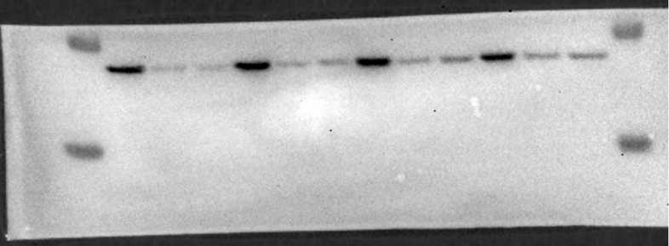
 |  |  |  |  |  |  |  | 40ng/mL | NT | 5718445 | 4176269 | 2517516 |  | 2.2714632201 | 1 |  | 1.6588847896 | 1
EGFP
 |  |  |  |  |  |  |  |  | TAR1 | 1779524 | 1351478 | 2733096 |  | 0.65110190056 | 0.28664426296 |  | 0.4944861066 | 0.29808345323
 |  |  |  |  |  |  |  |  | TAR2 | 1894026 | 1612257 | 2970029 |  | 0.63771296509 | 0.28074985298 |  | 0.54284217427 | 0.32723319767
 |  |  |  |  |  |  |  | 20ng/mL | NT | 5921107 | 3312251 | 2962521 |  | 1.9986717394 | 1 |  | 1.1180514839 | 1
 |  |  |  |  |  |  |  |  | TAR1 | 4830064 | 987122 | 2776880 |  | 1.7393852093 | 0.87027057772 |  | 0.35547881075 | 0.31794493893
 |  |  |  |  |  |  |  |  | TAR2 | 5188077 | 1091672 | 2517505 |  | 2.0608010709 | 1.0310853105 |  | 0.4336325052 | 0.38784663449

2d. RNA injection target EGFP titration exp.
BR1 | EGFP (target)
 | 1040ng/mL |  |  | 520ng/mL |  |  | 260ng/mL |  |  | 128ng/mL |  |  | 64ng/mL |  |  |  | 32ng/mL
 | NT | TAR |  | NT | TAR |  | NT | TAR |  | NT | TAR |  | NT | TAR |  |  | NT | TAR
 | 886727 | 4651 |  | 1611519 | 6506 |  | 1625512 | 14024 |  | 675440 | 551 |  | 222526 | 229 |  |  | 65651 | 563
 | 1296992 | 4381 |  | 1344386 | 11294 |  | 1611365 | 27206 |  | 939809 | 1951 |  | 249781 | 55 |  |  | 39927 | 1104
 | 1458871 | 6492 |  | 1365471 | 10053 |  | 1484712 | 16088 |  | 817867 | 3038 |  | 241252 | 64 |  |  | 41994 | 673
 | 1414919 | 8745 |  | 1363294 | 9892 |  | 1854325 | 39488 |  | 794545 | 1552 |  | 143374 | 22 |  |  | 23475 | 128
 | 1264377.25 | 6067.25 |  | 1421167.5 | 9436.25 |  | 1643978.5 | 24201.5 |  | 806915.25 | 1773 |  | 214233.25 | 92.5 |  |  | 42761.75 | 617
 | 1 | 0.0047986073777 |  | 1 | 0.0066397873579 |  | 1 | 0.014721299579 |  | 1 | 0.0021972567751 |  | 1 | 0.00043177237894 |  |  | 1 | 0.014428782732
 | mFlame (non-target)
 | NT | TAR |  | NT | TAR |  | NT | TAR |  | NT | TAR |  | NT | TAR |  |  | NT | TAR
 | 373302 | 10155 |  | 314047 | 3987 |  | 372582 | 19119 |  | 225206 | 26175 |  | 157874 | 28386 |  |  | 107091 | 19876
 | 748117 | 9804 |  | 180715 | 7969 |  | 290946 | 12672 |  | 240204 | 39470 |  | 209558 | 25642 |  |  | 137986 | 25757
 | 809312 | 10520 |  | 187897 | 25413 |  | 344650 | 14704 |  | 243889 | 27522 |  | 223179 | 20684 |  |  | 76480 | 26869
 | 780793 | 15608 |  | 158608 | 13122 |  | 396166 | 18200 |  | 161114 | 26278 |  | 187821 | 23052 |  |  | 90762 | 21278
 | 677881 | 11521.75 |  | 210316.75 | 12622.75 |  | 351086 | 16173.75 |  | 217603.25 | 29861.25 |  | 194608 | 24441 |  |  | 103079.75 | 23445
 | 1 | 0.016996714763 |  | 1 | 0.060017806475 |  | 1 | 0.046067772569 |  | 1 | 0.1372279596 |  | 1 | 0.12559093151 |  |  | 1 | 0.22744525477

BR2 | EGFP (target)
 | 1368602 | 2324 |  | 2147528 | 2422 |  | 1216608 | 989 |  | 446715 | 2 |  | 175477 | 3 |  |  | 101857 | 2874
 | 1494458 | 2693 |  | 2104387 | 4320 |  | 1340799 | 919 |  | 656607 | 5 |  | 345035 | 3 |  |  | 58497 | 130
 | 1318001 | 2808 |  | 2207841 | 3573 |  | 1395210 | 2442 |  | 544670 | 4 |  | 161663 | 6 |  |  | 93699 | 259
 | 1696554 | 1755 |  | 2191358 | 4648 |  | 1667460 | 1006 |  | 470493 | 3 |  | 206773 | 6 |  |  | 35956 | 2743
 | 1469403.75 | 2395 |  | 2162778.5 | 3740.75 |  | 1405019.25 | 1339 |  | 529621.25 | 3.5 |  | 222237 | 4.5 |  |  | 72502.25 | 1501.5
 | 1 | 0.0016299128133 |  | 1 | 0.0017296038406 |  | 1 | 0.00095301185375 |  | 1 | 6.6084961659E-06 |  | 1 | 2.0248653465E-05 |  |  | 1 | 0.020709702113
 | mFlame (non-target)
 | 1083330 | 12077 |  | 855292 | 4737 |  | 214981 | 10709 |  | 150415 | 30204 |  | 659776 | 17574 |  |  | 69450 | 12552
 | 1572626 | 18324 |  | 929207 | 6740 |  | 303496 | 10253 |  | 259332 | 28311 |  | 548270 | 22212 |  |  | 72781 | 21409
 | 1165313 | 39273 |  | 919096 | 5740 |  | 300703 | 29139 |  | 225516 | 58061 |  | 687174 | 17328 |  |  | 38120 | 5631
 | 2489866 | 26125 |  | 1282142 | 7115 |  | 701500 | 17948 |  | 284910 | 27788 |  | 463285 | 24380 |  |  | 45484 | 13791
 | 1577783.75 | 23949.75 |  | 996434.25 | 6083 |  | 380170 | 17012.25 |  | 230043.25 | 36091 |  | 589626.25 | 20373.5 |  |  | 56458.75 | 13345.75
 | 1 | 0.015179361557 |  | 1 | 0.0061047680768 |  | 1 | 0.044749059631 |  | 1 | 0.15688788956 |  | 1 | 0.034553244534 |  |  | 1 | 0.23638054332

BR3 | EGFP (target)
 | 1215848 | 13439 |  | 1571783 | 51113 |  | 1336417 | 2500 |  | 904308 | 119 |  | 195292 | 106 |  |  | 91702 | 10
 | 1255817 | 17964 |  | 1947119 | 61441 |  | 1511348 | 5214 |  | 1273289 | 473 |  | 288356 | 65 |  |  | 150064 | 121
 | 1553629 | 17403 |  | 2138773 | 64931 |  | 1847066 | 6659 |  | 630485 | 5 |  | 525435 | 236 |  |  | 139428 | 36
 | 1448577 | 16135 |  | 1729965 | 48230 |  | 1492603 | 2376 |  | 496678 | 6 |  | 158046 | 35 |  |  | 62881 | 22
 | 1368467.75 | 16235.25 |  | 1846910 | 56428.75 |  | 1546858.5 | 4187.25 |  | 826190 | 150.75 |  | 291782.25 | 110.5 |  |  | 111018.75 | 47.25
 | 1 | 0.011863816301 |  | 1 | 0.030553058893 |  | 1 | 0.0027069379649 |  | 1 | 0.00018246408211 |  | 1 | 0.00037870706666 |  |  | 1 | 0.00042560378314
 | mFlame (non-target)
 | 1092919 | 23925 |  | 313999 | 16233 |  | 260697 | 19640 |  | 315988 | 9995 |  | 102453 | 17861 |  |  | 67748 | 18499
 | 933641 | 42585 |  | 700854 | 18450 |  | 432661 | 19907 |  | 771428 | 15137 |  | 202095 | 28180 |  |  | 144464 | 41595
 | 937515 | 42271 |  | 776726 | 33533 |  | 577405 | 38824 |  | 245257 | 23646 |  | 333598 | 25597 |  |  | 157111 | 17936
 | 925149 | 50838 |  | 467147 | 21379 |  | 413781 | 13127 |  | 218636 | 18809 |  | 174307 | 28927 |  |  | 107449 | 38076
 | 972306 | 39904.75 |  | 564681.5 | 22398.75 |  | 421136 | 22874.5 |  | 387827.25 | 16896.75 | #DIV/0! | 203113.25 | 25141.25 |  |  | 119193 | 29026.5
 | 1 | 0.041041349123 |  | 1 | 0.039666165794 |  | 1 | 0.054316182896 |  | 1 | 0.043567722485 |  | 1 | 0.12377946786 |  |  | 1 | 0.24352520702

BR4 | EGFP (target)
 | 1140513 | 7991 |  | 2039974 | 31192 |  | 1278452 | 618 |  | 467848 | 211 |  | 231674 | 32 |  |  | 87869 | 118
 | 1158972 | 7258 |  | 1995400 | 54666 |  | 1436158 | 2165 |  | 693621 | 56 |  | 364600 | 42 |  |  | 273063 | 67
 | 1939954 | 4723 |  | 2246864 | 36953 |  | 1365253 | 3290 |  | 445702 | 240 |  | 340602 | 724 |  |  | 174483 | 691
 | 1477808 | 4890 |  | 1893634 | 28010 |  | 1582477 | 5339 |  | 623993 | 62 |  | 170011 | 19 |  |  | 55930 | 243
 | 1429311.75 | 6215.5 |  | 2043968 | 37705.25 |  | 1415585 | 2853 |  | 557791 | 142.25 |  | 276721.75 | 204.25 |  |  | 147836.25 | 279.75
 | 1.1020204828 | 0.0047922423577 |  | 1.5203728691 | 0.028046446482 |  | 0.87850052595 | 0.0017705485722 |  | 0.5935152781 | 0.00015136054241 |  | 1.1078574832 | 0.0008177163195 |  |  | 3.7026636111 | 0.0070065369299
 | mFlame (non-target)
 | 782360 | 21457 |  | 224210 | 8017 |  | 250897 | 9153 |  | 297368 | 14496 |  | 258412 | 15492 |  |  | 90436 | 27163
 | 861363 | 27974 |  | 330975 | 22336 |  | 199253 | 9061 |  | 299424 | 16849 |  | 147353 | 19459 |  |  | 155508 | 29225
 | 1216475 | 62706 |  | 397109 | 40279 |  | 290508 | 16265 |  | 223978 | 27860 |  | 196528 | 34374 |  |  | 109431 | 21084
 | 1131113 | 50845 |  | 406684 | 10153 |  | 295511 | 8659 |  | 227467 | 12246 |  | 143760 | 22248 |  |  | 139500 | 13708
 | 997827.75 | 40745.5 |  | 339744.5 | 20196.25 |  | 259042.25 | 10784.5 |  | 262059.25 | 17862.75 |  | 186513.25 | 22893.25 |  |  | 123718.75 | 22795
 | 1.2329333434 | 0.050345849314 |  | 1.8081422269 | 0.10748575017 |  | 0.75160960395 | 0.03129116495 |  | 1.0745021301 | 0.073241310596 |  | 0.83571146927 | 0.10257797553 |  |  | 1.6176614801 | 0.29805177824

BR5 | EGFP (target)
 | 1450986 | 10171 |  | 1513871 | 7906 |  | 822731 | 2499 |  | 1297920 | 35 |  | 497892 | 513 |  |  | 527583 | 1079
 | 1560900 | 11515 |  | 1760058 | 10876 |  | 1128291 | 1690 |  | 1062461 | 2 |  | 387364 | 98 |  |  | 164169 | 195
 | 1583196 | 11836 |  | 1901565 | 11374 |  | 1258587 | 1442 |  | 1043062 | 209 |  | 485320 | 205 |  |  | 63957 | 796
 | 1320237 | 15506 |  | 2060728 | 15848 |  | 1319404 | 410 |  | 961241 | 6 |  | 422493 | 308 |  |  | 166329 | 421
 | 1478829.75 | 12257 |  | 1809055.5 | 11501 |  | 1132253.25 | 1510.25 |  | 1091171 | 63 |  | 448267.25 | 281 |  |  | 230509.5 | 622.75
 | 1.1401995926 | 0.0094503281439 |  | 1.3456369674 | 0.0085548346978 |  | 0.70266714866 | 0.00093724885423 |  | 1.1610561295 | 6.7034897516E-05 |  | 1.7946411056 | 0.0011249854873 |  |  | 5.7732737245 | 0.015597214917
 | mFlame (non-target)
 | 963797 | 29164 |  | 453514 | 22036 |  | 295537 | 24017 |  | 815965 | 5938 |  | 169545 | 12159 |  |  | 235397 | 34794
 | 858742 | 17600 |  | 436980 | 21680 |  | 317724 | 23085 |  | 833405 | 10170 |  | 209714 | 16590 |  |  | 108884 | 34237
 | 1085650 | 25346 |  | 745594 | 35777 |  | 463469 | 48072 |  | 596718 | 8443 |  | 219125 | 32665 |  |  | 87425 | 25198
 | 773914 | 22421 |  | 790788 | 23466 |  | 518028 | 23726 |  | 626900 | 9350 |  | 252806 | 40554 |  |  | 136475 | 39780
 | 920525.75 | 23632.75 |  | 606719 | 25739.75 |  | 398689.5 | 29725 |  | 718247 | 8475.25 |  | 212797.5 | 25492 |  |  | 142045.25 | 33502.25
 | 1 | 0.025673100399 |  | 1 | 0.042424499645 |  | 1 | 0.074556766607 |  | 1 | 0.011799910059 |  | 1 | 0.11979464044 |  |  | 1 | 0.23585617963

BR6 | EGFP (target)
 | 1318932 | 9599 |  | 1565157 | 17504 |  | 1587038 | 3557 |  | 795446 | 99 |  | 548951 | 437 |  |  | 292941 | 6611
 | 1234949 | 7872 |  | 1873987 | 11987 |  | 1716320 | 6871 |  | 1444303 | 51 |  | 823489 | 133 |  |  | 93324 | 4288
 | 1235489 | 8689 |  | 2120633 | 13924 |  | 1917112 | 2837 |  | 989104 | 93 |  | 953056 | 432 |  |  | 177255 | 723
 | 1661765 | 9796 |  | 2157348 | 9878 |  | 1717520 | 3089 |  | 990063 | 4 |  | 355489 | 15 |  |  | 173616 | 1082
 | 1362783.75 | 8989 |  | 1929281.25 | 13323.25 |  | 1734497.5 | 4088.5 |  | 1054729 | 61.75 |  | 670246.25 | 254.25 |  |  | 184284 | 3176
 | 1 | 0.0065960575183 |  | 1 | 0.0069058101301 |  | 1 | 0.0023571668452 |  | 1 | 5.8545844478E-05 |  | 1 | 0.000379338191 |  |  | 1 | 0.017234268846
 | mFlame (non-target)
 | 532061 | 24156 |  | 247930 | 33841 |  | 246380 | 25176 |  | 409604 | 19281 |  | 139076 | 37037 |  |  | 143074 | 38773
 | 551355 | 38104 |  | 375375 | 61044 |  | 421478 | 25731 |  | 657697 | 42073 |  | 162574 | 78509 |  |  | 166478 | 65234
 | 470751 | 46858 |  | 550860 | 89552 |  | 414967 | 27864 |  | 479040 | 22053 |  | 282278 | 55702 |  |  | 191408 | 38570
 | 845351 | 37255 |  | 732921 | 60517 |  | 343678 | 27982 |  | 399668 | 38326 |  | 134219 | 77800 |  |  | 131599 | 41923
 | 599879.5 | 36593.25 |  | 476771.5 | 61238.5 |  | 356625.75 | 26688.25 |  | 486502.25 | 30433.25 |  | 179536.75 | 62262 |  |  | 158139.75 | 46125
 | 1 | 0.061001001034 |  | 1 | 0.1284441289 |  | 1 | 0.074835454254 |  | 1 | 0.062555209149 |  | 1 | 0.34679250905 |  |  | 1 | 0.29167239736

7b Fluorescent Summary of target mCherry titration exp.
 |  | mCherry (target) |  |  |  | EGFP (non target) |  |  |  |  | mCherry (target) |  |  |  | EGFP (non target) |  |  |  | mCherry (target) |  |  | EGFP (non target)
 |  | NT | TAR1 | TAR2 |  | NT | TAR1 | TAR2 |  |  | NT | TAR1 | TAR2 |  | NT | TAR1 | TAR2 |  | NT | TAR1 | TAR2 | NT | TAR1 | TAR2
 | 140ng | 866542 | 28178 | 78526 |  | 369488 | 3684 | 13145 |  |  | 925607 | 62599 | 92721 |  | 411346 | 21811 | 25062 |  | 954387 | 59852 | 108720 | 523746 | 47072 | 71568
 |  | 1262176 | 38231 | 54173 |  | 403147 | 9007 | 9949 |  |  | 1024967 | 55805 | 80130 |  | 522547 | 23306 | 31076 |  | 834423 | 65092 | 56202 | 573683 | 57719 | 64373
 |  | 1167085 | 42192 | 112935 |  | 265091 | 8615 | 35800 |  |  | 1025270 | 74304 | 98816 |  | 735122 | 71748 | 58934 |  | 918671 | 79086 | 156498 | 689672 | 112114 | 70891
 |  | 1298577 | 34586 | 97797 |  | 628825 | 3306 | 26500 |  |  | 1205885 | 75758 | 120065 |  | 712223 | 31566 | 35589 |  | 872527 | 67106 | 75838 | 774883 | 72602 | 64599
 |  | 1287050 | 16028 | 86021 |  | 471157 | 3330 | 15364 |  |  | 1093085 | 33163 | 46474 |  | 734049 | 17192 | 15807 |  | 1120742 | 91626 | 86819 | 666978 | 70095 | 135792
 |  | 1183663 | 27398 | 100797 |  | 538226 | 7213 | 23283 |  |  | 886991 | 50789 | 98853 |  | 439871 | 25771 | 63452 |  | 1060893 | 79590 | 74818 | 967856 | 74135 | 79598
 |  | 1159115 | 32292 | 111160 |  | 358626 | 6458 | 30980 |  |  | 1027821 | 66761 | 117133 |  | 573001 | 32746 | 53265 |  | 960273.833 | 73725.3333 | 93149.1667 | 699469.667 | 72289.5 | 81136.8333
 |  | 1198755 | 45241 | 92218 |  | 488823 | 11259 | 35382 |  |  | 1126404 | 65533 | 67238 |  | 745175 | 36138 | 16826 |  | 1 | 0.07677532 | 0.09700271 | 1 | 0.10334901 | 0.11599764
 |  | 1153872 | 44672 | 64583 |  | 533084 | 12362 | 41086 |  |  | 1121769 | 74930 | 67238 |  | 692672 | 47581 | 16826
 |  | 1083604 | 30936 | 73797 |  | 503466 | 5131 | 35429 |  |  | 1358943 | 74984 | 91147 |  | 802574 | 28180 | 25127
 |  | 1178677 | 37660 | 79614 |  | 524038 | 6970 | 26647 |  |  | 834182 | 44482 | 50379 |  | 514951 | 19768 | 20291
 |  | 1247106 | 33629 | 100596 |  | 607198 | 8967 | 24567 |  |  | 1092315 | 64162 | 72513 |  |  | 33068 | 24745
 |  | 1173851.83 | 34253.5833 | 87684.75 |  | 474264.083 | 7191.83333 | 26511 |  |  | 1060269.92 | 61939.1667 | 83558.9167 |  | 625775.545 | 32406.25 | 32250
 |  | 1 | 0.0291805 | 0.07469831 |  | 1 | 0.0151642 | 0.05589924 |  |  | 1 | 0.0584183 | 0.0788091 |  | 1 | 0.05178574 | 0.05153605

 |  | mCherry (target) |  |  |  | EGFP (non target) |  |  |  |  | mCherry (target) |  |  |  | EGFP (non target) |  |  |  | mCherry (target) |  |  | EGFP (non target)
 | mCherry | NT | TAR1 | TAR2 |  | NT | TAR1 | TAR2 |  |  | NT | TAR1 | TAR2 |  | NT | TAR1 | TAR2 |  | NT | TAR1 | TAR2 | NT | TAR1 | TAR2
 | 70ng | 408110 | 14393 | 23456 |  | 405955 | 37172 | 25690 |  |  | 710678 | 5488 | 6501 |  | 691566 | 32002 | 22041 |  | 966362 | 3237 | 19869 | 1387673 | 17520 | 54364
 |  | 562620 | 11824 | 27154 |  | 667413 | 30395 | 48972 |  |  | 712605 | 9567 | 4396 |  | 1003952 | 45498 | 15740 |  | 937172 | 3263 | 3984 | 1267313 | 8164 | 24809
 |  | 508763 | 20672 | 29268 |  | 569168 | 44033 | 55961 |  |  | 505475 | 1497 | 1398 |  | 881448 | 13975 | 13173 |  | 1120019 | 4870 | 11632 | 1388144 | 13290 | 49975
 |  | 581379 | 20765 | 29923 |  | 662704 | 40350 | 52362 |  |  | 1270464 | 2428 | 9403 |  | 1867505 | 15458 | 101035 |  | 1075918 | 6033 | 22839 | 1457826 | 42448 | 64189
 |  | 682127 | 21639 | 26554 |  | 763727 | 39317 | 41456 |  |  | 839315 | 4699 | 25300 |  | 1953402 | 30719 | 198641 |  | 994998 | 13130 | 33940 | 1413553 | 34962 | 75836
 |  | 627870 | 28276 | 40249 |  | 648390 | 54409 | 62806 |  |  | 1257701 | 3935 | 22777 |  | 1851067 | 28582 | 84375 |  | 1315492 | 12308 | 22668 | 1514345 | 51101 | 70902
 |  | 477655 | 8164 | 22069 |  | 589394 | 27439 | 49296 |  |  | 620658 | 1747 | 18908 |  | 1000654 | 9673 | 76181 |  | 1242308 | 4406 | 10921 | 1774670 | 23956 | 53860
 |  | 437023 | 4849 | 23115 |  | 525994 | 16888 | 52068 |  |  | 644025 | 3444 | 5677 |  | 1057519 | 18954 | 23671 |  | 1133609 | 3958 | 9963 | 1477383 | 17962 | 71368
 |  | 530394 | 5370 | 31556 |  | 688403 | 17188 | 69939 |  |  | 974876 | 8085 | 6495 |  | 1428185 | 49614 | 39147 |  | 1076750 | 5825 | 24880 | 1429518 | 23554 | 88526
 |  | 666667 | 7193 | 23118 |  | 748458 | 25700 | 51451 |  |  | 1248273 | 6116 | 9915 |  | 1731039 | 51470 | 49913 |  | 1276243 | 16774 | 24274 | 1517475 | 82500 | 96706
 |  | 597827 | 8087 | 31280 |  | 672464 | 26126 | 57574 |  |  | 1237839 | 6496 | 27154 |  | 1516642 | 41019 | 154976 |  | 1468780 | 17551 | 25434 | 1952752 | 86396 | 93904
 |  | 516119 | 5709 | 19798 |  | 616996 | 19938 | 39710 |  |  | 1154179 | 10432 | 28791 |  | 1513876 | 67607 | 92200 |  | 1224378 | 10929 | 12367 | 1960215 | 65156 | 89412
 |  | 549713 | 13078 | 27295 |  | 629922 | 31580 | 50607 |  |  | 931340.667 | 5327.83333 | 13892.9167 |  | 1374737.92 | 33714.25 | 72591.0833 |  | 1152669.08 | 8523.66667 | 18564.25 | 1545072.25 | 38917.4167 | 69487.5833
 |  | 1 | 0.02379136 | 0.0496532 |  | 1 | 0.05013252 | 0.08033863 |  |  | 1 | 0.00572061 | 0.01491712 |  | 1 | 0.02452413 | 0.05280358 |  | 1 | 0.00739472 | 0.01610545 | 1 | 0.02518809 | 0.04497368

 |  | mCherry (target) |  |  |  | EGFP (non target) |  |  |  |  | mCherry (target) |  |  |  | EGFP (non target) |  |  |  | mCherry (target) |  |  | EGFP (non target)
 | mCherry | NT | TAR1 | TAR2 |  | NT | TAR1 | TAR2 |  |  | NT | TAR1 | TAR2 |  | NT | TAR1 | TAR2 |  | NT | TAR1 | TAR2 | NT | TAR1 | TAR2
 | 35ng | 407667 | 1925 | 5370 |  | 402394 | 14133 | 25814 |  |  | 554594 | 8108 | 9876 |  | 973740 | 91768 | 159364 |  | 139416 | 597 | 3387 | 669682 | 33962 | 21058
 |  | 319727 | 1029 | 5162 |  | 341071 | 11838 | 31505 |  |  | 427163 | 4237 | 4904 |  | 884398 | 66033 | 102063 |  | 200873 | 2832 | 6278 | 639544 | 32260 | 66410
 |  | 213067 | 3252 | 6414 |  | 343934 | 15180 | 18857 |  |  | 420194 | 8326 | 4436 |  | 930962 | 146555 | 54253 |  | 186038 | 1544 | 2704 | 612227 | 56769 | 73265
 |  | 346883 | 11362 | 14041 |  | 284304 | 22464 | 26247 |  |  | 557536 | 4262 | 6354 |  | 1116926 | 56212 | 105123 |  | 204399 | 827 | 6622 | 648261 | 41643 | 49902
 |  | 603851 | 9444 | 14417 |  | 546993 | 16377 | 30036 |  |  | 442773 | 4092 | 4780 |  | 803794 | 53516 | 71631 |  | 174424 | 2377 | 1932 | 646191 | 59258 | 93704
 |  | 331247 | 6912 | 20322 |  | 422737 | 30033 | 38089 |  |  | 529296 | 9913 | 6485 |  | 1057608 | 148729 | 96981 |  | 151800 | 1732 | 3614 | 724754 | 51794 | 57388
 |  | 508532 | 8878 | 11904 |  | 512823 | 14070 | 21892 |  |  | 404937 | 7564 | 8388 |  | 1187138 | 100699 | 105848 |  | 176158.333 | 1651.5 | 4089.5 | 656776.5 | 45947.6667 | 60287.8333
 |  | 445647 | 6113 | 19612 |  | 380641 | 17981 | 51534 |  |  | 396350 | 7656 | 5557 |  | 1088911 | 92998 | 59317 |  | 1 | 0.00937509 | 0.02321491 | 1 | 0.06995936 | 0.09179353
 |  | 444076 | 2506 | 16789 |  | 419700 | 17126 | 30413 |  |  | 334034 | 5529 | 3657 |  | 1112617 | 85945 | 64831
 |  | 504168 | 4741 | 11755 |  | 532376 | 15353 | 18086 |  |  | 524128 | 7431 | 3290 |  | 1030443 | 66485 | 58615
 |  | 311710 | 5389 | 11419 |  | 398054 | 13443 | 26219 |  |  | 517577 | 6255 | 4285 |  | 918209 | 94951 | 71794
 |  | 328293 | 2249 | 14352 |  | 401947 | 15436 | 51153 |  |  | 506546 | 9439 | 9490 |  | 894673 | 100230 | 125905
 |  | 397072.333 | 5316.66667 | 12629.75 |  | 415581.167 | 16952.8333 | 30820.4167 |  |  | 467927.333 | 6901 | 5958.5 |  | 999951.583 | 92010.0833 | 89643.75
 |  | 1 | 0.01338967 | 0.03180718 |  | 1 | 0.04079307 | 0.07416221 |  |  | 1 | 0.01474802 | 0.01273381 |  | 1 | 0.09201454 | 0.08964809

 |  | mCherry (target) |  |  |  | EGFP (non target) |  |  |  |  | mCherry (target) |  |  |  | EGFP (non target) |  |  |  | mCherry (target) |  |  | EGFP (non target)
 | mCherry | NT | TAR1 | TAR2 |  | NT | TAR1 | TAR2 |  |  | NT | TAR1 | TAR2 |  | NT | TAR1 | TAR2 |  | NT | TAR1 | TAR2 | NT | TAR1 | TAR2
 | 20ng | 63742 | 482 | 2316 |  | 358216 | 30350 | 69862 |  |  | 55896 | 510 | 1409 |  | 503707 | 43502 | 96681 |  | 40792 | 108 | 369 | 910316 | 51512 | 152688
 |  | 109955 | 242 | 1456 |  | 457067 | 32611 | 83459 |  |  | 64406 | 1874 | 4852 |  | 539748 | 42111 | 117800 |  | 57487 | 112 | 234 | 968215 | 36453 | 106033
 |  | 109260 | 277 | 2996 |  | 537057 | 74749 | 89207 |  |  | 83997 | 1101 | 1530 |  | 566833 | 126969 | 185296 |  | 61350 | 217 | 138 | 1076415 | 38904 | 95402
 |  | 32040 | 868 | 4197 |  | 318596 | 28760 | 96776 |  |  | 100899 | 3317 | 2650 |  | 755755 | 99515 | 128967 |  | 71003 | 107 | 232 | 883520 | 77905 | 111692
 |  | 53481 | 528 | 4233 |  | 496388 | 50745 | 132572 |  |  | 94866 | 628 | 3198 |  | 619170 | 36898 | 132336 |  | 40264 | 32 | 110 | 709616 | 52515 | 118005
 |  | 102674 | 210 | 2499 |  | 600374 | 36758 | 57347 |  |  | 88798 | 1613 | 615 |  | 705910 | 43628 | 126996 |  | 58259 | 683 | 52 | 998796 | 72565 | 96805
 |  | 104095 | 35 | 873 |  | 473314 | 44840 | 67012 |  |  | 88834 | 2768 | 3620 |  | 591386 | 88762 | 198305 |  | 54859.1667 | 209.833333 | 189.166667 | 924479.667 | 54975.6667 | 113437.5
 |  | 83463 | 367 | 2228 |  | 307554 | 24519 | 98659 |  |  | 64543 | 2045 | 1838 |  | 571427 | 60660 | 135311 |  | 1 | 0.00382495 | 0.00344822 | 1 | 0.0594666 | 0.12270416
 |  | 95545 | 168 | 1481 |  | 500860 | 27374 | 110608 |  |  | 59724 | 1487 | 1740 |  | 571058 | 99860 | 151942
 |  | 59323 | 596 | 3194 |  | 479974 | 48384 | 96737 |  |  | 110500 | 2692 | 6576 |  | 728320 | 83469 | 142255
 |  | 46094 | 788 | 2506 |  | 295482 | 26542 | 97160 |  |  | 106247 | 1177 | 1386 |  | 664229 | 54584 | 125431
 |  | 95072 | 840 | 2095 |  | 538564 | 75592 | 100596 |  |  | 60627 | 2334 | 1396 |  | 595137 | 113112 | 132159
 |  | 79562 | 450.083333 | 2506.16667 |  | 446953.833 | 41768.6667 | 91666.25 |  |  | 81611.4167 | 1795.5 | 2567.5 |  | 617723.333 | 74422.5 | 139456.583
 |  | 1 | 0.00565701 | 0.03149954 |  | 1 | 0.09345186 | 0.20509109 |  |  | 1 | 0.0220006 | 0.03146006 |  | 1 | 0.12047869 | 0.22575897

 |  | mCherry (target) |  |  |  | EGFP (non target) |  |  |  |  | mCherry (target) |  |  |  | EGFP (non target) |  |  |  | mCherry (target) |  |  | EGFP (non target)
 | mCherry | NT | TAR1 | TAR2 |  | NT | TAR1 | TAR2 |  |  | NT | TAR1 | TAR2 |  | NT | TAR1 | TAR2 |  | NT | TAR1 | TAR2 | NT | TAR1 | TAR2
 | 10ng | 98360 | 2588 | 8880 |  | 539525 | 95804 | 201800 |  |  | 27382 | 127 | 395 |  | 1036890 | 306616 | 373909 |  | 5645 | 9 | 108 | 1101809 | 216781 | 339001
 |  | 100414 | 2707 | 8295 |  | 422711 | 118841 | 282121 |  |  | 25629 | 816 | 223 |  | 834122 | 188610 | 297360 |  | 7444 | 64 | 151 | 1122963 | 238965 | 252810
 |  | 134021 | 2651 | 7342 |  | 647520 | 80234 | 197695 |  |  | 18794 | 618 | 834 |  | 926112 | 288829 | 192673 |  | 7343 | 21 | 18 | 1101460 | 226783 | 299160
 |  | 224092 | 5046 | 3811 |  | 539709 | 29684 | 186155 |  |  | 33754 | 321 | 247 |  | 1109931 | 253147 | 254712 |  | 10526 | 43 | 44 | 1066019 | 155184 | 333186
 |  | 141354 | 5985 | 3146 |  | 570918 | 71891 | 206913 |  |  | 28810 | 439 | 148 |  | 811195 | 221701 | 370788 |  | 8437 | 7 | 18 | 1213070 | 217935 | 533382
 |  | 223696 | 8206 | 6751 |  | 619114 | 90096 | 164633 |  |  | 25280 | 128 | 1060 |  | 920441 | 314892 | 333672 |  | 7152 | 53 | 10 | 1204328 | 221027 | 430806
 |  | 103821 | 4847 | 6006 |  | 390760 | 61880 | 172846 |  |  | 40053 | 1078 | 226 |  | 988218 | 270617 | 326385 |  | 7757.83333 | 32.8333333 | 58.1666667 | 1134941.5 | 212779.167 | 364724.167
 |  | 138376 | 5227 | 4528 |  | 587080 | 25567 | 216079 |  |  | 30241 | 133 | 545 |  | 953611 | 216752 | 310839 |  | 1 | 0.00423228 | 0.0074978 | 1 | 0.18748029 | 0.32135944
 |  | 163411 | 19591 | 4558 |  | 734989 | 65837 | 198974 |  |  | 26147 | 935 | 1032 |  | 1021493 | 363025 | 267107
 |  | 185925 | 1299 | 4927 |  | 564703 | 61461 | 206268 |  |  | 34818 | 279 | 472 |  | 919568 | 191986 | 287683
 |  | 93672 | 2259 | 5121 |  | 493783 | 83265 | 198401 |  |  | 21913 | 288 | 175 |  | 737391 | 150918 | 309392
 |  | 189397 | 3929 | 1823 |  | 614687 | 65533 | 141321 |  |  | 31837 | 311 | 2234 |  | 977396 | 313079 | 344540
 |  | 149711.583 | 5361.25 | 5432.33333 |  | 560458.25 | 70841.0833 | 197767.167 |  |  | 28721.5 | 456.083333 | 632.583333 |  | 936364 | 256681 | 305755
 |  | 1 | 0.03581052 | 0.03628532 |  | 1 | 0.1263985 | 0.3528669 |  |  | 1 | 0.01587951 | 0.02202473 |  | 1 | 0.27412523 | 0.32653434

Figure 6
6c. Single mismatch
 | mCherry (target) |  |  |  |  |  |  |  |  |  |  |  |  |  |  |  |  |  |  |  |  |  |  |  |  |  | EGFP (non-target)
BR1 | NT |  | MM1 | MM2 | MM3 | MM4 | MM5 | MM6 | MM7 | MM8 | MM9 | MM10 | MM11 | MM12 | MM13 | MM14 | MM15 | MM16 | MM17 | MM18 | MM19 | MM20 | MM21 | MM22 | MM23 |  | NT |  | MM1 | MM2 | MM3 | MM4 | MM5 | MM6 | MM7 | MM8 | MM9 | MM10 | MM11 | MM12 | MM13 | MM14 | MM15 | MM16 | MM17 | MM18 | MM19 | MM20 | MM21 | MM22 | MM23
 | 885191 |  | 69294 | 155848 | 220184 | 70855 | 198611 | 154244 | 305133 | 427050 | 176336 | 396840 | 183920 | 339874 | 161909 | 241622 | 218893 | 208117 | 266514 | 415771 | 259481 | 279811 | 142237 | 102556 | 98363 |  | 291329 |  | 6362 | 56718 | 90249 | 74865 | 159997 | 113601 | 141414 | 203827 | 74172 | 222103 | 125910 | 192755 | 44248 | 112250 | 82772 | 63726 | 71734 | 171089 | 121125 | 156346 | 38347 | 18772 | 45589
 | 912956 |  | 69375 | 158257 | 177759 | 73620 | 186369 | 113244 | 320707 | 352186 | 158443 | 429293 | 182956 | 303078 | 165271 | 268512 | 198909 | 132941 | 242407 | 401805 | 231262 | 294112 | 173527 | 85582 | 143876 |  | 376541 |  | 15251 | 69602 | 72476 | 34004 | 139887 | 96941 | 176384 | 193080 | 75535 | 206689 | 87913 | 163806 | 69826 | 130765 | 46847 | 43909 | 79150 | 162153 | 72023 | 162630 | 63804 | 23167 | 48398
 | 856302 |  | 56548 | 158430 | 182954 | 125726 | 216283 | 170461 | 273947 | 381838 | 167408 | 399978 | 164205 | 314399 | 155079 | 281198 | 227532 | 189030 | 248890 | 531245 | 242983 | 285261 | 179742 | 109160 | 104488 |  | 420779 |  | 9800 | 61748 | 76152 | 34445 | 146085 | 160635 | 154929 | 232134 | 80165 | 236477 | 86373 | 151087 | 60868 | 114312 | 43452 | 64426 | 92225 | 214409 | 93739 | 141810 | 55410 | 36237 | 36495
 | 1135942 |  | 111123 | 245230 | 213825 | 120453 | 228294 | 195476 | 283017 | 426856 | 118275 | 429415 | 210310 | 353488 | 169442 | 253930 | 182080 | 162696 | 351293 | 493476 | 288212 | 207823 | 183120 | 124803 | 110256 |  | 626770 |  | 26129 | 113666 | 103884 | 57438 | 167965 | 193597 | 174126 | 244730 | 56060 | 225815 | 133357 | 214843 | 73572 | 119033 | 56063 | 65143 | 102246 | 224777 | 99859 | 137083 | 80468 | 47966 | 25490
 | 1100809 |  | 112430 | 222888 | 280493 | 135135 | 265391 | 149192 | 356597 | 396110 | 108785 | 410812 | 217929 | 333085 | 183619 | 289650 | 225665 | 174763 | 257895 | 460806 | 310120 | 249565 | 160005 |  | 96300 |  | 555611 |  | 29603 | 111261 | 130926 | 55608 | 166657 | 134239 | 198699 | 215864 | 51454 | 206651 | 104218 | 192012 | 56835 | 127355 | 52858 | 48111 | 72901 | 169526 | 128039 | 107201 | 41138 |  | 43366
 | 806452 |  | 119177 | 262136 | 275372 | 1207029 | 1045113 | 155145 | 335130 | 414533 | 119219 | 472653 | 193303 | 281291 | 178347 | 183850 | 242484 | 215285 | 340135 | 446554 | 354740 | 324129 | 167076 |  | 98817 |  | 389571 |  | 31267 | 154791 | 124076 | 66178 | 206182 | 157078 | 183496 | 254032 | 60671 | 233366 | 127832 | 222270 | 82970 | 97764 | 96499 | 61233 | 112413 | 217592 | 154757 | 220738 | 66444 |  | 41090
mean fluorescence | 949608.66667 |  | 89657.833333 | 200464.83333 | 225097.83333 | 288803 | 356676.83333 | 156293.66667 | 312421.83333 | 399762.16667 | 141411 | 423165.16667 | 192103.83333 | 320869.16667 | 168944.5 | 253127 | 215927.16667 | 180472 | 284522.33333 | 458276.16667 | 281133 | 273450.16667 | 167617.83333 | 105525.25 | 108683.33333 |  | 443433.5 |  | 19735.333333 | 94631 | 99627.166667 | 53756.333333 | 164462.16667 | 142681.83333 | 171508 | 223944.5 | 66342.833333 | 221850.16667 | 110933.83333 | 189462.16667 | 64719.833333 | 116913.16667 | 63081.833333 | 57758 | 88444.833333 | 193257.66667 | 111590.33333 | 154301.33333 | 57601.833333 | 31535.5 | 40071.333333
k/d | 1 |  | 0.094415559251 | 0.21110257348 | 0.23704273269 | 0.30412843747 | 0.37560402074 | 0.1645874476 | 0.32900061288 | 0.42097569315 | 0.14891502675 | 0.44562058195 | 0.20229789394 | 0.33789620707 | 0.17790960206 | 0.2665592774 | 0.22738542122 | 0.19004881309 | 0.29962061565 | 0.48259476009 | 0.2960514261 | 0.28796090038 | 0.17651253534 | 0.11112498622 | 0.11445065441 |  | 1 |  | 0.044505733855 | 0.21340516673 | 0.22467216993 | 0.1212274971 | 0.37088349587 | 0.32176602204 | 0.386772763 | 0.50502386491 | 0.14961168548 | 0.50030087187 | 0.25017016832 | 0.42726173522 | 0.14595161018 | 0.26365433975 | 0.14225770794 | 0.13025177394 | 0.19945455933 | 0.43582107952 | 0.25165066088 | 0.34796950012 | 0.12989959787 | 0.071116638684 | 0.090366048874

BR2 | NT | perfect match | MM1 | MM2 | MM3 | MM4 | MM5 | MM6 | MM7 | MM8 | MM9 | MM10 | MM11 | MM12 | MM13 | MM14 | MM15 | MM16 | MM17 | MM18 | MM19 | MM20 | MM21 | MM22 | MM23 |  | NT | perfect match | MM1 | MM2 | MM3 | MM4 | MM5 | MM6 | MM7 | MM8 | MM9 | MM10 | MM11 | MM12 | MM13 | MM14 | MM15 | MM16 | MM17 | MM18 | MM19 | MM20 | MM21 | MM22 | MM23
 | 1424400 | 116656 | 273791 | 182161 | 299927 | 248927 | 238548 | 201649 | 228026 | 245818 | 169913 | 223764 | 255326 | 275974 | 157678 | 247415 | 216643 | 172164 | 286154 | 458918 | 242076 | 251288 | 210615 | 161842 | 99010 |  | 682552 | 26336 | 119828 | 100198 | 195771 | 172162 | 218726 | 223864 | 141198 | 117736 | 124264 | 145599 | 138064 | 203541 | 78812 | 184817 | 133208 | 99002 | 141940 | 159664 | 123035 | 154367 | 90834 | 83082 | 42770
 | 1331690 | 139014 | 310924 | 207381 | 192382 | 259681 | 298963 | 232056 | 222952 | 156215 | 166100 | 222883 | 294334 | 268013 | 151129 | 229573 | 205079 | 197213 | 346540 | 580045 | 308367 | 188697 | 161017 | 79796 | 120546 |  | 873135 | 59497 | 164507 | 109484 | 81320 | 155442 | 261056 | 388209 | 139547 | 142287 | 84727 | 125090 | 237700 | 222682 | 75201 | 131668 | 93453 | 84381 | 130668 | 381773 | 146913 | 146088 | 74691 | 38427 | 47012
 | 1469524 | 156907 | 444212 | 234612 | 370009 | 188552 | 327613 | 254253 | 189504 | 156215 | 143941 | 245712 | 230009 | 254238 | 150170 | 235005 | 239083 | 163418 | 375437 | 565012 | 287143 | 308746 | 192206 | 80692 | 150838 |  | 832973 | 72916 | 234028 | 155302 | 234085 | 142785 | 274620 | 326300 | 130460 | 142287 | 82551 | 152679 | 130312 | 215227 | 83210 | 156838 | 126255 | 106342 | 144612 | 258623 | 173959 | 239630 | 86192 | 52085 | 78521
 | 1433650 | 138023 | 356592 | 251558 | 287173 | 251402 | 346206 | 266907 | 167198 | 217885 | 144123 | 210972 | 253310 | 385912 | 168446 | 232686 | 282530 | 155960 | 364652 | 552568 | 318353 | 343804 | 186137 | 145281 | 105621 |  | 1076280 | 40209 | 173026 | 134391 | 155574 | 147648 | 267078 | 235893 | 142833 | 122703 | 63058 | 130754 | 178767 | 240491 | 82250 | 137823 | 114908 | 76257 | 248308 | 258734 | 140800 | 198862 | 102857 | 58984 | 38658
 | 1414816 | 137650 | 346379.75 | 218928 | 287372.75 | 237140.5 | 302832.5 | 238716.25 | 201920 | 194033.25 | 156019.25 | 225832.75 | 258244.75 | 296034.25 | 156855.75 | 236169.75 | 235833.75 | 172188.75 | 343195.75 | 539135.75 | 288984.75 | 273133.75 | 187493.75 | 116902.75 | 119003.75 |  | 866235 | 49739.5 | 172847.25 | 124843.75 | 166687.5 | 154509.25 | 255370 | 293566.5 | 138509.5 | 131253.25 | 88650 | 138530.5 | 171210.75 | 220485.25 | 79868.25 | 152786.5 | 116956 | 91495.5 | 166382 | 264698.5 | 146176.75 | 184736.75 | 88643.5 | 58144.5 | 51740.25
 | 1 | 0.097291803316 | 0.24482317842 | 0.15473955624 | 0.20311669503 | 0.16761225488 | 0.21404373431 | 0.16872600395 | 0.14271820505 | 0.13714380527 | 0.11027529375 | 0.15961987283 | 0.18252885888 | 0.20923869252 | 0.11086653671 | 0.16692612326 | 0.16668863654 | 0.12170398836 | 0.2425727091 | 0.38106421612 | 0.20425606581 | 0.1930524888 | 0.13252164946 | 0.082627528951 | 0.084112527707 |  | 1 | 0.057420330511 | 0.19953852015 | 0.14412226474 | 0.1924275745 | 0.1783687452 | 0.29480452764 | 0.33889937488 | 0.1598982955 | 0.15152152707 | 0.10233943445 | 0.15992253834 | 0.19764930994 | 0.25453283462 | 0.092201596564 | 0.17637996618 | 0.13501647936 | 0.10562433982 | 0.19207489884 | 0.30557354529 | 0.16874953102 | 0.21326401034 | 0.10233193071 | 0.067123240229 | 0.059730038615

BR3 | NT | perfect match | MM1 | MM2 | MM3 | MM4 | MM5 | MM6 | MM7 | MM8 | MM9 | MM10 | MM11 | MM12 | MM13 | MM14 | MM15 | MM16 | MM17 | MM18 | MM19 | MM20 | MM21 | MM22 | MM23 |  | NT | perfect match | MM1 | MM2 | MM3 | MM4 | MM5 | MM6 | MM7 | MM8 | MM9 | MM10 | MM11 | MM12 | MM13 | MM14 | MM15 | MM16 | MM17 | MM18 | MM19 | MM20 | MM21 | MM22 | MM23
 | 981953 | 81638 | 72231 | 202222 | 142738 | 100528 | 204594 | 194100 | 165931 | 96150 | 111036 | 166984 | 159312 | 108520 | 112248 | 129011 | 141991 | 139841 | 258268 | 557281 | 342485 | 354279 | 202726 | 169009 | 115305 |  | 812212 | 54137 | 47717 | 186767 | 119665 | 108128 | 266315 | 307861 | 162293 | 103417 | 113198 | 153740 | 183383 | 116104 | 63137 | 102937 | 88186 | 85835 | 171153 | 291704 | 259768 | 210130 | 104970 | 83716 | 65098
 | 937128 | 107020 | 62186 | 180810 | 211170 | 102894 | 224613 | 174757 | 141514 | 89711 | 95502 | 170543 | 151949 | 102440 | 114607 | 143817 | 172765 | 150508 | 258598 | 534919 | 331543 | 311272 | 208693 | 139063 | 118506 |  | 658468 | 62715 | 28083 | 127712 | 158933 | 79893 | 257709 | 230332 | 98145 | 75317 | 77876 | 136167 | 127372 | 71454 | 90940 | 87053 | 69078 | 88116 | 140418 | 353861 | 176558 | 311302 | 156080 | 99294 | 86037
 | 990198 | 79426 | 55665 | 224302 | 147108 | 109388 | 210814 | 168429 | 189376 | 107587 | 108381 | 156894 | 160613 | 89843 | 96780 | 169678 | 145107 | 174418 | 263913 | 447225 | 297494 | 62456 | 165847 | 79627 | 104767 |  | 727870 | 46775 | 25404 | 206893 | 135134 | 116338 | 245622 | 256641 | 163290 | 99064 | 89319 | 137444 | 157233 | 64796 | 53344 | 145194 | 113699 | 125011 | 174323 | 282201 | 262743 | 183380 | 110981 | 73270 | 66172
 | 905742 | 80462 | 35407 | 141756 | 121731 | 91450 | 211028 | 125047 | 126688 | 70354 | 95532 | 183364 | 199044 | 139715 | 97818 | 118428 | 182210 | 160417 | 194467 | 546109 | 354279 | 198034 | 200871 | 110529 | 128837 |  | 619503 | 29329 | 16439 | 131999 | 81954 | 63416 | 180836 | 154581 | 86632 | 55617 | 57610 | 117860 | 164678 | 174054 | 99331 | 113091 | 85741 | 81450 | 189998 | 387283 | 210130 | 183580 | 160478 | 79998 | 77293
 | 953755.25 | 87136.5 | 56372.25 | 187272.5 | 155686.75 | 101065 | 212762.25 | 165583.25 | 155877.25 | 90950.5 | 102612.75 | 169446.25 | 167729.5 | 110129.5 | 105363.25 | 140233.5 | 160518.25 | 156296 | 243811.5 | 521383.5 | 331450.25 | 231510.25 | 194534.25 | 124557 | 116853.75 |  | 704513.25 | 48239 | 29410.75 | 163342.75 | 123921.5 | 91943.75 | 237620.5 | 237353.75 | 127590 | 83353.75 | 84500.75 | 136302.75 | 158166.5 | 106602 | 76688 | 112068.75 | 89176 | 95103 | 168973 | 328762.25 | 227299.75 | 222098 | 133127.25 | 84069.5 | 73650
 | 1 | 0.091361489229 | 0.05910557242 | 0.19635278548 | 0.16323553658 | 0.10596534069 | 0.2230784575 | 0.17361188837 | 0.16343527336 | 0.095360418724 | 0.10758813647 | 0.17766219373 | 0.17586220364 | 0.11546935128 | 0.11047200002 | 0.14703300454 | 0.16830130162 | 0.1638743273 | 0.25563319311 | 0.54666383226 | 0.34752128494 | 0.24273549215 | 0.20396663609 | 0.13059639777 | 0.12251964013 |  | 1 | 0.06847138787 | 0.041746198528 | 0.23185192046 | 0.17589662082 | 0.13050677187 | 0.33728322356 | 0.33690459335 | 0.18110376207 | 0.11831395648 | 0.1199420309 | 0.19347081123 | 0.22450464913 | 0.15131298098 | 0.10885245948 | 0.15907259374 | 0.12657817294 | 0.13499107362 | 0.23984360834 | 0.46665162082 | 0.32263374748 | 0.31525028096 | 0.18896344391 | 0.11932990614 | 0.10454026237

BR4 | NT | perfect match | MM1 | MM2 | MM3 | MM4 | MM5 | MM6 | MM7 | MM8 | MM9 | MM10 | MM11 | MM12 | MM13 | MM14 | MM15 | MM16 | MM17 | MM18 | MM19 | MM20 | MM21 | MM22 | MM23 |  | NT | perfect match | MM1 | MM2 | MM3 | MM4 | MM5 | MM6 | MM7 | MM8 | MM9 | MM10 | MM11 | MM12 | MM13 | MM14 | MM15 | MM16 | MM17 | MM18 | MM19 | MM20 | MM21 | MM22 | MM23
 | 863597 | 119605 | 78224 | 278853 | 271414 | 205008 | 275249 | 281592 | 132381 | 174973 | 100948 | 67070 | 133603 | 191775 | 207956 | 262082 | 195596 | 177455 | 301157 | 522703 | 326159 | 321305 | 219700 | 98081 | 89467 |  | 665860 | 89830 | 48798 | 354801 | 283874 | 160038 | 306780 | 420909 | 133838 | 172196 | 88994 | 88162 | 171510 | 219870 | 134106 | 225063 | 188809 | 119945 | 205416 | 454002 | 307843 | 359911 | 188603 | 86189 | 68466
 | 826505 | 110993 | 92884 | 319076 | 243052 | 192032 | 356655 | 312549 | 151988 | 275245 | 72232 | 107431 | 103705 | 214758 | 169044 | 209699 | 201811 | 134935 | 322505 | 587378 | 355161 | 331588 | 202904 | 145332 | 89493 |  | 619738 | 72631 | 43913 | 265380 | 221685 | 224417 | 425323 | 392771 | 161675 | 293294 | 79234 | 103986 | 149008 | 271570 | 202524 | 239809 | 149267 | 111476 | 250587 | 582169 | 414602 | 494606 | 179741 | 128426 | 64391
 | 868407 | 109361 | 76883 | 287831 | 226588 | 213969 | 332622 | 251237 | 120345 | 277490 | 123783 | 112223 | 109455 | 174188 | 211393 | 261067 | 174036 | 197050 | 264468 | 727620 | 413146 | 355730 | 275084 | 109474 | 97806 |  | 621468 | 76047 | 47173 | 385796 | 258295 | 184594 | 354192 | 478413 | 167542 | 294903 | 147404 | 152236 | 213550 | 202809 | 208192 | 239389 | 169254 | 139442 | 238276 | 620626 | 364224 | 374955 | 216964 | 80779 | 88638
 | 851512 | 143068 | 55136 | 235986 | 305978 | 215427 | 299925 | 323541 | 105525 | 284701 | 127751 | 143124 | 114011 | 128166 | 216031 | 285008 | 234798 | 214690 | 340763 | 695577 | 351245 | 392409 | 212506 | 133990 | 69232 |  | 618052 | 105050 | 31555 | 252238 | 293341 | 253666 | 382250 | 439582 | 156918 | 319896 | 150925 | 158248 | 138614 | 281668 | 247035 | 143543 | 205416 | 139816 | 227925 | 452057 | 268999 | 378001 | 161610 | 109599 | 103100
 | 852505.25 | 120756.75 | 75781.75 | 280436.5 | 261758 | 206609 | 316112.75 | 292229.75 | 127559.75 | 253102.25 | 106178.5 | 107462 | 115193.5 | 177221.75 | 201106 | 254464 | 201560.25 | 181032.5 | 307223.25 | 633319.5 | 361427.75 | 350258 | 227548.5 | 121719.25 | 86499.5 |  | 631279.5 | 85889.5 | 42859.75 | 314553.75 | 264298.75 | 205678.75 | 367136.25 | 432918.75 | 154993.25 | 270072.25 | 116639.25 | 125658 | 168170.5 | 243979.25 | 197964.25 | 211951 | 178186.5 | 127669.75 | 230551 | 527213.5 | 338917 | 401868.25 | 186729.5 | 101248.25 | 81148.75
 | 1 | 0.1416492743 | 0.088893000952 | 0.32895574543 | 0.30704561643 | 0.24235510573 | 0.37080446132 | 0.34278938458 | 0.14962928381 | 0.29689230653 | 0.1245487931 | 0.12605435568 | 0.13512350804 | 0.20788347051 | 0.23590001352 | 0.2984896574 | 0.23643285481 | 0.21235353096 | 0.36037695956 | 0.7428921992 | 0.42395955919 | 0.41085729384 | 0.26691741781 | 0.14277829961 | 0.10146506429 |  | 1 | 0.13605621599 | 0.06789346082 | 0.49827968436 | 0.41867152347 | 0.32581249668 | 0.58157480165 | 0.68577983286 | 0.24552238747 | 0.42781723468 | 0.18476641488 | 0.19905287594 | 0.26639626346 | 0.38648372076 | 0.31359207768 | 0.33574826998 | 0.28226245269 | 0.20223965771 | 0.36521223959 | 0.83515067415 | 0.53687312831 | 0.63659322059 | 0.29579528561 | 0.16038577207 | 0.12854646793

6d. MM6 titration
Cas13 titration |  |  |  |  |  |  |  |  |  |  |  |  |  |  |  |  |  |  |  |  |  |  |  |  |  | crRNA titration
BR1
mCherry | NT | perfect match | MM6 | NT | perfect match | MM6 | NT | perfect match | MM6 | NT | perfect match | MM6 | NT | perfect match | MM6 | NT | perfect match | MM6 | NT | perfect match | MM6 | NT | perfect match | MM6 |  | mCherry | NT | perfect match | MM6 | NT | perfect match | MM6 | NT | perfect match | MM6 | NT | perfect match | MM6 | NT | perfect match | MM6 | NT | perfect match | MM6 | NT | perfect match | MM6 | NT | perfect match | MM6
Cas13 amount (ng/mL) | 400 |  |  | 200 |  |  | 160 |  |  | 80 |  |  | 40 |  |  | 20 |  |  | 10 |  |  | 5 |  |  |  | crRNA amount (ng/mL) | 400 |  |  | 200 |  |  | 160 |  |  | 80 |  |  | 40 |  |  | 20 |  |  | 10 |  |  | 5
 | 708897 | 22900 | 53381 | 1413482 | 14725 | 83169 | 1181366 | 40651 | 95399 | 1264934 | 89858 | 98670 | 1110172 | 93717 | 204762 | 1317393 | 169703 | 232053 | 1188761 | 227168 | 343849 | 1167430 | 400238 | 755599 |  |  | 1113085 | 6164 | 19931 | 1575965 | 56412 | 85267 | 974073 | 49579 | 110918 | 990178 | 123407 | 198083 | 1013559 | 173239 | 190763 | 833341 | 313770 | 254605 | 977527 | 423819 | 516416 | 713067 | 311937 | 362453
 | 610360 | 2925 | 65419 | 1410447 | 22296 | 74560 | 1346991 | 19876 | 93838 | 1027750 | 61165 | 118444 | 1398205 | 94537 | 209734 | 1355294 | 128022 | 233221 | 1293930 | 195613 | 408178 | 1115639 | 387806 | 824458 |  |  | 1134356 | 16872 | 26670 | 1555112 | 10730 | 34263 | 970289 | 9408 | 67000 | 1248851 | 176435 | 145483 | 1251405 | 201678 | 248216 | 1246508 | 310727 | 349541 | 1479647 | 501492 | 465153 | 617714 | 219510 | 482970
 | 797166 | 844 | 33528 | 1319316 | 30458 | 42963 | 1403167 | 26394 | 40653 | 1354367 | 46319 | 135661 | 1236477 | 90179 | 217701 | 1241514 | 149011 | 313014 | 1462439 | 200748 | 490294 | 1287635 | 466243 | 768970 |  |  | 1275970 | 20636 | 32109 | 1547334 | 37495 | 67844 | 1171074 | 36691 | 142524 | 1082554 | 210355 | 200561 | 1386620 | 178251 | 224929 | 1280574 | 285524 | 311491 | 1286013 | 495062 | 603245 | 649411 | 423087 | 451519
 | 655208 | 6114 | 93110 | 1219136 | 13935 | 63946 | 1283771 | 36345 | 70011 | 1404911 | 68192 | 99220 | 1327035 | 103113 | 232843 | 1365469 | 181059 | 235822 | 1193886 | 245854 | 407877 | 1329371 | 470173 | 583844 |  |  | 1011822 | 17077 | 36710 | 1566284 | 52056 | 86866 | 1006350 | 103350 | 102842 | 1168426 | 132824 | 165723 | 945132 | 199988 | 327295 | 1315261 | 357512 | 318506 | 994038 | 537265 | 467279 | 793388 | 367582 | 461798
 | 692907.75 | 8195.75 | 61359.5 | 1340595.25 | 20353.5 | 66159.5 | 1303823.75 | 30816.5 | 74975.25 | 1262990.5 | 66383.5 | 112998.75 | 1267972.25 | 95386.5 | 216260 | 1319917.5 | 156948.75 | 253527.5 | 1284754 | 217345.75 | 412549.5 | 1225018.75 | 431115 | 733217.75 |  |  | 1133808.25 | 15187.25 | 28855 | 1561173.75 | 39173.25 | 68560 | 1030446.5 | 49757 | 105821 | 1122502.25 | 160755.25 | 177462.5 | 1149179 | 188289 | 247800.75 | 1168921 | 316883.25 | 308535.75 | 1184306.25 | 489409.5 | 513023.25 | 693395 | 330529 | 439685
 | 1 | 0.01182805359 | 0.088553635026 | 1 | 0.015182434818 | 0.049350838741 | 1 | 0.023635479872 | 0.05750412968 | 1 | 0.052560569537 | 0.089469200283 | 1 | 0.075227592717 | 0.17055578306 | 1 | 0.11890799993 | 0.19207829277 | 1 | 0.16917304791 | 0.32111166807 | 1 | 0.35192522563 | 0.59853594078 |  |  | 1 | 0.013394901651 | 0.0254496296 | 1 | 0.025092178241 | 0.043915675625 | 1 | 0.048286834882 | 0.10269431746 | 1 | 0.14321151695 | 0.15809545148 | 1 | 0.1638465374 | 0.21563285615 | 1 | 0.2710903902 | 0.26394918904 | 1 | 0.4132457293 | 0.43318461758 | 1 | 0.47668212202 | 0.63410465896

EGFP | NT | perfect match | MM6 | NT | perfect match | MM6 | NT | perfect match | MM6 | NT | perfect match | MM6 | NT | perfect match | MM6 | NT | perfect match | MM6 | NT | perfect match | MM6 | NT | perfect match | MM6 |  | EGFP | NT | perfect match | MM6 | NT | perfect match | MM6 | NT | perfect match | MM6 | NT | perfect match | MM6 | NT | perfect match | MM6 | NT | perfect match | MM6 | NT | perfect match | MM6 | NT | perfect match | MM6
Cas13 amount (ng/mL) | 400 |  |  | 200 |  |  | 160 |  |  | 80 |  |  | 40 |  |  | 20 |  |  | 10 |  |  | 5 |  |  |  | Cas13 amount (ng/mL) | 400 |  |  | 200 |  |  | 160 |  |  | 80 |  |  | 40 |  |  | 20 |  |  | 10 |  |  | 5
 | 137058 | 5674 | 123144 | 720642 | 6584 | 141072 | 632979 | 14112 | 181291 | 831098 | 36648 | 225362 | 611970 | 43741 | 245734 | 688778 | 78068 | 264493 | 605641 | 114609 | 343258 | 583276 | 187886 | 550501 |  |  | 378795 | 5433 | 34009 | 498359 | 7772 | 65896 | 263174 | 11407 | 110440 | 445708 | 53276 | 139427 | 453431 | 57231 | 175646 | 469387 | 97885 | 155412 | 307162 | 170524 | 232784 | 376451 | 116205 | 201413
 | 201761 | 1192 | 157376 | 771353 | 9290 | 149972 | 675775 | 15134 | 196738 | 497241 | 35939 | 240273 | 717098 | 51248 | 272246 | 761596 | 94228 | 286846 | 656074 | 97192 | 388167 | 713935 | 174041 | 618144 |  |  | 420502 | 2182 | 57812 | 572301 | 9922 | 106621 | 362731 | 17138 | 94121 | 386466 | 23974 | 160874 | 350658 | 87488 | 185872 | 387291 | 114031 | 195509 | 397813 | 192698 | 209245 | 291054 | 151225 | 221547
 | 422156 | 1961 | 145075 | 626692 | 8689 | 120508 | 801990 | 14229 | 115424 | 778409 | 32212 | 244854 | 742602 | 43581 | 364088 | 858215 | 83345 | 439797 | 813788 | 134298 | 510968 | 703176 | 231586 | 605727 |  |  | 536103 | 3014 | 38536 | 509296 | 13063 | 104397 | 287167 | 32521 | 99200 | 298164 | 33410 | 166979 | 351340 | 65417 | 155233 | 320989 | 108751 | 164023 | 291811 | 175947 | 204474 | 271053 | 122613 | 224721
 | 186964 | 2225 | 160922 | 738444 | 9584 | 123517 | 704365 | 9140 | 178805 | 840463 | 36485 | 163514 | 803711 | 53373 | 349301 | 822811 | 88574 | 363574 | 798816 | 118432 | 455112 | 687738 | 225800 | 529987 |  |  | 415326 | 3616 | 47386 | 467497 | 10187 | 72805 | 381347 | 24862 | 97263 | 371926 | 48502 | 144841 | 397478 | 63798 | 228511 | 418742 | 102665 | 230142 | 430805 | 206973 | 184981 | 217819 | 74764 | 220400
 | 236984.75 | 2763 | 146629.25 | 714282.75 | 8536.75 | 133767.25 | 703777.25 | 13153.75 | 168064.5 | 736802.75 | 35321 | 218500.75 | 718845.25 | 47985.75 | 307842.25 | 782850 | 86053.75 | 338677.5 | 718579.75 | 116132.75 | 424376.25 | 672031.25 | 204828.25 | 576089.75 |  |  | 437681.5 | 3561.25 | 44435.75 | 511863.25 | 10236 | 87429.75 | 323604.75 | 21482 | 100256 | 375566 | 39790.5 | 153030.25 | 388226.75 | 68483.5 | 186315.5 | 399102.25 | 105833 | 186271.5 | 356897.75 | 186535.5 | 207871 | 289094.25 | 116201.75 | 217020.25
 | 1 | 0.011658978057 | 0.61872863127 | 1 | 0.011951499599 | 0.18727492719 | 1 | 0.018690217679 | 0.23880354189 | 1 | 0.047938203271 | 0.29655257123 | 1 | 0.066753936261 | 0.42824550903 | 1 | 0.10992367631 | 0.4326211918 | 1 | 0.1616142815 | 0.59057641132 | 1 | 0.30478976982 | 0.85723654964 |  |  | 1 | 0.0081366244632 | 0.10152531007 | 1 | 0.019997528637 | 0.17080685124 | 1 | 0.066383450799 | 0.30981003833 | 1 | 0.10594808902 | 0.40746566516 | 1 | 0.17640077609 | 0.47991412235 | 1 | 0.26517765811 | 0.46672625875 | 1 | 0.52265810025 | 0.58243852756 | 1 | 0.4019510938 | 0.75069030256
BR2
mCherry | NT | perfect match | MM6 | NT | perfect match | MM6 | NT | perfect match | MM6 | NT | perfect match | MM6 | NT | perfect match | MM6 | NT | perfect match | MM6 | NT | perfect match | MM6 | NT | perfect match | MM6 |  | mCherry | NT | perfect match | MM6 | NT | perfect match | MM6 | NT | perfect match | MM6 | NT | perfect match | MM6 | NT | perfect match | MM6 | NT | perfect match | MM6 | NT | perfect match | MM6 | NT | perfect match | MM6
Cas13 amount (ng/mL) | 400 |  |  | 200 |  |  | 160 |  |  | 80 |  |  | 40 |  |  | 20 |  |  | 10 |  |  | 5 |  |  |  | crRNA amount (ng/mL) | 400 |  |  | 200 |  |  | 160 |  |  | 80 |  |  | 40 |  |  | 20 |  |  | 10 |  |  | 5
 | 364479 | 3848 | 5114 | 571485 | 9465 | 23476 | 658720 | 20896 | 30798 | 739574 | 25606 | 53223 | 821584 | 31834 | 84510 | 708479 | 77848 | 136221 | 656901 | 137139 | 220090 | 611741 | 182638 | 151978 |  |  | 1482418 | 16644 | 27591 | 1595517 | 57477 | 69920 | 1373093 | 28660 | 91178 | 1240513 | 128476 | 259697 | 1255061 | 218778 | 339428 | 1249072 | 269918 | 380751 | 1299959 | 540601 | 639426 | 1139583 | 835534 | 592631
 | 277890 | 2992 | 6808 | 566617 | 12054 | 26606 | 703925 | 13233 | 21434 | 656585 | 21527 | 67031 | 712916 | 35866 | 101246 | 722306 | 82187 | 146943 | 733347 | 126410 | 213678 | 700715 | 149271 | 100153 |  |  | 1336361 | 3364 | 25573 | 1532402 | 26620 | 70974 | 1283294 | 20153 | 97547 | 1255196 | 141789 | 212191 | 1209774 | 134676 | 370308 | 1283162 | 304076 | 308876 | 1398270 | 417447 | 639674 | 1262358 | 718672 | 621289
 | 256664 | 3760 | 10320 | 563279 | 4471 | 27574 | 727189 | 24048 | 58261 | 893224 | 22507 | 57617 | 910823 | 45500 | 83929 | 772994 | 71627 | 136763 | 734040 | 161829 | 200169 | 810805 | 152505 | 156384 |  |  | 1261732 | 7428 | 25162 | 1411391 | 17117 | 62978 | 1275676 | 40396 | 107622 | 1197736 | 66573 | 271716 | 1103681 | 244084 | 284875 | 1323232 | 378944 | 272086 | 1332780 | 680978 | 541494 | 1243246 | 769292 | 607990
 | 233771 | 3388 | 14435 | 432409 | 13028 | 29135 | 699538 | 9384 | 45826 | 750662 | 15364 | 65560 | 762290 | 52625 | 79698 | 856502 | 95830 | 165436 | 646958 | 118960 | 186551 | 602523 | 168589 | 154310 |  |  | 1570376 | 12265 | 18209 | 1494055 | 45173 | 76718 | 1463858 | 69488 | 118517 | 1196925 | 159039 | 227790 | 1208880 | 268894 | 371659 | 1385353 | 434711 | 298547 | 1370167 | 613812 | 535929 | 1209590 | 697296 | 608694
 | 283201 | 3497 | 9169.25 | 533447.5 | 9754.5 | 26697.75 | 697343 | 16890.25 | 39079.75 | 760011.25 | 21251 | 60857.75 | 801903.25 | 41456.25 | 87345.75 | 765070.25 | 81873 | 146340.75 | 692811.5 | 136084.5 | 205122 | 681446 | 163250.75 | 140706.25 |  |  | 1337630 | 16902 | 26863 | 1600363 | 49933 | 40593 | 1511365 | 71383 | 73415 | 1446447 | 155865 | 331337 | 1308110 | 189147 | 320503 | 1332467 | 382550 | 345133 | 1282989 | 571057 | 655446 | 1165421 | 798566 | 573776
 | 1 | 0.01234812024 | 0.032377180872 | 1 | 0.018285773202 | 0.050047567942 | 1 | 0.024220864051 | 0.056040929643 | 1 | 0.027961428203 | 0.080074801524 | 1 | 0.051697321341 | 0.10892305275 | 1 | 0.10701370234 | 0.19127753301 | 1 | 0.19642355821 | 0.29607187525 | 1 | 0.23956520399 | 0.20648187824 |  |  | 1583484 | 14122 | 37445 | 1529814 | 40376 | 106654 | 1310716 | 51071 | 92247 | 1200504 | 124562 | 230375 | 1341238 | 180927 | 295274 | 1326069 | 374532 | 341263 | 1352550 | 528493 | 575793 | 1308137 | 655426 | 546190
 |  |  |  |  |  |  |  |  |  |  |  |  |  |  |  |  |  |  |  |  |  |  |  |  |  |  | 1428666.8333 | 11787.5 | 26807.166667 | 1527257 | 39449.333333 | 71306.166667 | 1369667 | 46858.5 | 96754.333333 | 1256220.1667 | 129384 | 255517.66667 | 1237790.6667 | 206084.33333 | 330341.16667 | 1316559.1667 | 357455.16667 | 324442.66667 | 1339452.5 | 558731.33333 | 597960.33333 | 1221389.1667 | 745797.66667 | 591761.66667
EGFP | NT | perfect match | MM6 | NT | perfect match | MM6 | NT | perfect match | MM6 | NT | perfect match | MM6 | NT | perfect match | MM6 | NT | perfect match | MM6 | NT | perfect match | MM6 | NT | perfect match | MM6 |  |  | 1 | 0.0082506989908 | 0.01876376356 | 1 | 0.025830186624 | 0.046689042294 | 1 | 0.034211600338 | 0.070640771321 | 1 | 0.10299468472 | 0.20340197797 | 1 | 0.16649368822 | 0.26687967163 | 1 | 0.27150710406 | 0.246432272 | 1 | 0.41713411512 | 0.44642145454 | 1 | 0.61061428005 | 0.48449886639
Cas13 amount (ng/mL) | 400 |  |  | 200 |  |  | 160 |  |  | 80 |  |  | 40 |  |  | 20 |  |  | 10 |  |  | 5
 | 218213 | 4250 | 44780 | 367995 | 8022 | 104788 | 416231 | 16961 | 101861 | 487976 | 24088 | 93576 | 592715 | 28259 | 135046 | 526932 | 59799 | 183533 | 404768 | 102596 | 305066 | 424180 | 137625 | 143905 |  | EGFP | NT | perfect match | MM6 | NT | perfect match | MM6 | NT | perfect match | MM6 | NT | perfect match | MM6 | NT | perfect match | MM6 | NT | perfect match | MM6 | NT | perfect match | MM6 | NT | perfect match | MM6
 | 156767 | 4226 | 42611 | 439986 | 11049 | 112317 | 469651 | 12513 | 136107 | 424117 | 18393 | 175975 | 482316 | 29701 | 193970 | 506523 | 63319 | 201443 | 500252 | 96689 | 258138 | 522972 | 137786 | 140560 |  | Cas13 amount (ng/mL) | 400 |  |  | 200 |  |  | 160 |  |  | 80 |  |  | 40 |  |  | 20 |  |  | 10 |  |  | 5
 | 146403 | 3670 | 50127 | 394046 | 8975 | 123700 | 407708 | 25097 | 113154 | 603053 | 17108 | 154839 | 618019 | 28542 | 201983 | 521099 | 61833 | 230427 | 504123 | 135575 | 305462 | 533866 | 110573 | 169652 |  |  | 622381 | 1916 | 86049 | 922387 | 34508 | 149026 | 680927 | 7828 | 191909 | 615277 | 41704 | 309967 | 629425 | 92630 | 356417 | 621340 | 109133 | 314351 | 657769 | 217450 | 471431 | 520317 | 389591 | 362020
 | 170810 | 5998 | 63587 | 317209 | 10492 | 123042 | 457095 | 12583 | 106660 | 508550 | 21621 | 170022 | 633319 | 43003 | 179400 | 624159 | 75619 | 237453 | 426074 | 82946 | 290455 | 470898 | 167399 | 172152 |  |  | 635057 | 325 | 50332 | 803191 | 7843 | 126879 | 675009 | 3563 | 144666 | 592644 | 48589 | 246379 | 583107 | 37589 | 315307 | 628559 | 113069 | 235063 | 723274 | 167136 | 401731 | 583506 | 320698 | 368936
 | 173048.25 | 4536 | 50276.25 | 379809 | 9634.5 | 115961.75 | 437671.25 | 16788.5 | 114445.5 | 505924 | 20302.5 | 148603 | 581592.25 | 32376.25 | 177599.75 | 544678.25 | 65142.5 | 213214 | 458804.25 | 104451.5 | 289780.25 | 487979 | 138345.75 | 156567.25 |  |  | 617484 | 1109 | 48740 | 706358 | 5794 | 100231 | 755055 | 11601 | 116772 | 551418 | 19808 | 339652 | 560834 | 95934 | 277479 | 785135 | 204741 | 226856 | 830670 | 316301 | 405240 | 651253 | 401566 | 360573
 | 1 | 0.026212342511 | 0.29053313166 | 1 | 0.025366697472 | 0.30531596144 | 1 | 0.038358699595 | 0.26148736066 | 1 | 0.040129545149 | 0.29372593512 | 1 | 0.055668296818 | 0.30536815097 | 1 | 0.11959812972 | 0.39144944745 | 1 | 0.22766027124 | 0.63159887904 | 1 | 0.28350758947 | 0.32084833569 |  |  | 793624 | 1331 | 72337 | 764200 | 13519 | 146276 | 768843 | 18218 | 166335 | 557932 | 44422 | 269184 | 587580 | 96470 | 348562 | 716955 | 177336 | 232824 | 756661 | 243253 | 372723 | 672088 | 312747 | 375874
BR3 |  |  |  |  |  |  |  |  |  |  |  |  |  |  |  |  |  |  |  |  |  |  |  |  |  |  | 644928 | 3739 | 70184 | 820371 | 13396 | 94513 | 752302 | 27972 | 146664 | 723506 | 57620 | 338681 | 663076 | 75015 | 311782 | 609331 | 174432 | 247179 | 601305 | 266233 | 450076 | 508381 | 348725 | 372370
mCherry | NT | perfect match | MM6 | NT | perfect match | MM6 | NT | perfect match | MM6 | NT | perfect match | MM6 | NT | perfect match | MM6 | NT | perfect match | MM6 | NT | perfect match | MM6 | NT | perfect match | MM6 |  |  | 758574 | 3828 | 124340 | 811088 | 11850 | 177892 | 579851 | 11545 | 141218 | 588224 | 34323 | 251099 | 643376 | 64903 | 319683 | 647643 | 146826 | 266891 | 651604 | 207959 | 394608 | 787064 | 287917 | 493676
Cas13 amount (ng/mL) | 400 |  |  | 200 |  |  | 160 |  |  | 80 |  |  | 40 |  |  | 20 |  |  | 10 |  |  | 5 |  |  |  |  | 678674.66667 | 2041.3333333 | 75330.333333 | 804599.16667 | 14485 | 132469.5 | 701997.83333 | 13454.5 | 151260.66667 | 604833.5 | 41077.666667 | 292493.66667 | 611233 | 77090.166667 | 321538.33333 | 668160.5 | 154256.16667 | 253860.66667 | 703547.16667 | 236388.66667 | 415968.16667 | 620434.83333 | 343540.66667 | 388908.16667
 | 325903 | 56063 | 46807 | 676136 | 132108 | 109520 | 725709 | 101067 | 106165 | 699343 | 128998 | 287532 | 854724 | 191537 | 356306 | 806816 | 234890 | 366649 | 930999 | 281162 | 301161 | 759730 | 276001 | 446195 |  |  | 1 | 0.0030078230905 | 0.1109962358 | 1 | 0.018002752924 | 0.16464036441 | 1 | 0.01916601357 | 0.21547170017 | 1 | 0.067915660536 | 0.48359369424 | 1 | 0.12612238977 | 0.52604871356 | 1 | 0.51668972278 | 0.85032060837 | 1 | 0.33599547815 | 0.59124417861 | 1 | 0.55370950857 | 0.62683161192
 | 301281 | 45028 | 40266 | 626321 | 115397 | 106823 | 704440 | 63209 | 99604 | 770253 | 143624 | 240661 | 742571 | 233170 | 368012 | 734009 | 254282 | 439397 | 804846 | 295052 | 278957 | 738612 | 294780 | 354397
 | 317963 | 33821 | 36296 | 634272 | 105922 | 124424 | 732176 | 68432 | 64685 | 816592 | 88198 | 254895 | 781023 | 244139 | 299133 | 967536 | 223219 | 342138 | 1007396 | 289196 | 287392 | 708325 | 214770 | 444029 |  | mCherry | NT | perfect match | MM6 | NT | perfect match | MM6 | NT | perfect match | MM6 | NT | perfect match | MM6 | NT | perfect match | MM6 | NT | perfect match | MM6 | NT | perfect match | MM6 | NT | perfect match | MM6
 | 271554 | 48301 | 42334 | 594853 | 119314 | 98107 | 799353 | 52423 | 125513 | 741070 | 163385 | 321942 | 729112 | 178948 | 310441 | 787011 | 214595 | 427591 | 975244 | 245467 | 327635 | 663037 | 209273 | 382901 |  | crRNA amount (ng/mL) | 400 |  |  | 200 |  |  | 160 |  |  | 80 |  |  | 40 |  |  | 20 |  |  | 10 |  |  | 5
 | 304175.25 | 45803.25 | 41425.75 | 632895.5 | 118185.25 | 109718.5 | 740419.5 | 71282.75 | 98991.75 | 756814.5 | 131051.25 | 276257.5 | 776857.5 | 211948.5 | 333473 | 823843 | 231746.5 | 393943.75 | 929621.25 | 277719.25 | 298786.25 | 717426 | 248706 | 406880.5 |  |  | 920814 | 13624 | 28906 | 1052821 | 11513 | 58381 | 925293 | 25247 | 97896 | 923339 | 68436 | 218171 | 928612 | 278802 | 348324 | 750925 | 317665 | 365858 | 802152 | 320375 | 418483 | 920707 | 397523 | 470731
 | 1 | 0.1505817781 | 0.13619040339 | 1 | 0.18673738398 | 0.17335958306 | 1 | 0.096273463894 | 0.13369684348 | 1 | 0.17316165322 | 0.36502670073 | 1 | 0.27282802831 | 0.42925890527 | 1 | 0.28129934951 | 0.47817818444 | 1 | 0.29874451558 | 0.321406433 | 1 | 0.34666432496 | 0.56713932866 |  |  | 966914 | 10118 | 27687 | 1000265 | 12550 | 50899 | 970965 | 24655 | 87114 | 936598 | 61814 | 215578 | 878693 | 142987 | 285388 | 711960 | 253129 | 359463 | 818254 | 321288 | 419068 | 981157 | 391797 | 420703
 |  |  |  |  |  |  |  |  |  |  |  |  |  |  |  |  |  |  |  |  |  |  |  |  |  |  | 999067 | 23242 | 32090 | 1006399 | 31028 | 87494 | 975771 | 31455 | 85542 | 945971 | 69819 | 240480 | 931214 | 140459 | 277465 | 708146 | 241227 | 376685 | 823976 | 371760 | 412960 | 977891 | 400472 | 407714
EGFP | NT | perfect match | MM6 | NT | perfect match | MM6 | NT | perfect match | MM6 | NT | perfect match | MM6 | NT | perfect match | MM6 | NT | perfect match | MM6 | NT | perfect match | MM6 | NT | perfect match | MM6 |  |  | 1003014 | 22545 | 47869 | 1215745 | 29176 | 87673 | 1076439 | 36159 | 103951 | 952746 | 75969 | 231161 | 936957 | 183900 | 310328 | 808972 | 333224 | 389841 | 821859 | 428270 | 470987 | 972829 | 397070 | 512679
Cas13 amount (ng/mL) | 400 |  |  | 200 |  |  | 160 |  |  | 80 |  |  | 40 |  |  | 20 |  |  | 10 |  |  | 5 |  |  |  |  | 928234 | 21017 | 32136 | 1161916 | 21178 | 56760 | 1115310 | 40792 | 74291 | 942512 | 79798 | 197162 | 1074774 | 162891 | 303086 | 810656 | 296874 | 432756 | 857370 | 397033 | 446938 | 1202236 | 467964 | 520218
 | 223001 | 61794 | 108066 | 551045 | 121652 | 145051 | 586588 | 93302 | 153947 | 664776 | 137884 | 347456 | 790355 | 173516 | 444770 | 720210 | 207451 | 395650 | 781839 | 237896 | 351049 | 637919 | 239689 | 443068 |  |  | 1054461 | 16408 | 32144 | 1024699 | 23802 | 60160 | 1068128 | 37767 | 65278 | 944933 | 113832 | 278802 | 977537 | 159057 | 320471 | 777442 | 312737 | 385160 | 908724 | 352390 | 483121 | 1041650 | 454738 | 473338
 | 254349 | 71311 | 93227 | 510498 | 109090 | 140260 | 647524 | 79533 | 139658 | 682079 | 149083 | 355210 | 639724 | 217749 | 458071 | 605652 | 222055 | 553111 | 752448 | 236869 | 379676 | 596865 | 253768 | 316581 |  |  | 978750.66667 | 17825.666667 | 33472 | 1076974.1667 | 21541.166667 | 66894.5 | 1021984.3333 | 32679.166667 | 85678.666667 | 941016.5 | 78278 | 230225.66667 | 954631.16667 | 178016 | 307510.33333 | 761350.16667 | 292476 | 384960.5 | 838722.5 | 365186 | 441926.16667 | 1016078.3333 | 418260.66667 | 467563.83333
 | 266579 | 38337 | 96725 | 519427 | 106808 | 176508 | 696752 | 82069 | 140223 | 669179 | 119834 | 340058 | 662008 | 224636 | 391738 | 760322 | 184356 | 445027 | 829391 | 279212 | 358605 | 560823 | 190915 | 494480 |  |  | 1 | 0.018212673844 | 0.034198699567 | 1 | 0.020001563021 | 0.06211337474 | 1 | 0.031976191416 | 0.083835596958 | 1 | 0.083184513768 | 0.24465635477 | 1 | 0.186476208 | 0.32212475778 | 1 | 0.38415437837 | 0.50562870655 | 1 | 0.43540742021 | 0.5269039124 | 1 | 0.41164214701 | 0.46016514475
 | 251565 | 50509 | 95788 | 541012 | 110713 | 183880 | 713564 | 54287 | 198026 | 663453 | 147623 | 375509 | 707240 | 170558 | 463370 | 677614 | 200614 | 561788 | 767740 | 209270 | 455640 | 583575 | 198012 | 419320
 | 248873.5 | 55487.75 | 98451.5 | 530495.5 | 112065.75 | 161424.75 | 661107 | 77297.75 | 157963.5 | 669871.75 | 138606 | 354558.25 | 699831.75 | 196614.75 | 439487.25 | 690949.5 | 203619 | 488894 | 782854.5 | 240811.75 | 386242.5 | 594795.5 | 220596 | 418362.25 |  | EGFP | NT | perfect match | MM6 | NT | perfect match | MM6 | NT | perfect match | MM6 | NT | perfect match | MM6 | NT | perfect match | MM6 | NT | perfect match | MM6 | NT | perfect match | MM6 | NT | perfect match | MM6
 | 1 | 0.22295563811 | 0.39558852188 | 1 | 0.21124731501 | 0.30429051707 | 1 | 0.11692169346 | 0.23893787239 | 1 | 0.20691423396 | 0.52929273402 | 1 | 0.2809457416 | 0.62798987042 | 1 | 0.29469447478 | 0.7075683534 | 1 | 0.30760728846 | 0.4933771218 | 1 | 0.37087704934 | 0.70337157897 |  | Cas13 amount (ng/mL) | 400 |  |  | 200 |  |  | 160 |  |  | 80 |  |  | 40 |  |  | 20 |  |  | 10 |  |  | 5
 |  |  |  |  |  |  |  |  |  |  |  |  |  |  |  |  |  |  |  |  |  |  |  |  |  |  | 360444 | 2660 | 33795 | 513064 | 2461 | 77316 | 384923 | 3253 | 74623 | 380931 | 17419 | 167454 | 413756 | 226298 | 326684 | 317579 | 114598 | 245215 | 297311 | 99510 | 244779 | 374244 | 141541 | 291324
 |  |  |  |  |  |  |  |  |  |  |  |  |  |  |  |  |  |  |  |  |  |  |  |  |  |  | 412463 | 1146 | 38319 | 411016 | 928 | 71266 | 420151 | 3005 | 72232 | 425883 | 16605 | 188359 | 390928 | 38188 | 243336 | 255788 | 85255 | 217360 | 309098 | 110467 | 245505 | 392309 | 165748 | 229002
 |  |  |  |  |  |  |  |  |  |  |  |  |  |  |  |  |  |  |  |  |  |  |  |  |  |  | 498727 | 6229 | 68172 | 381772 | 7502 | 107125 | 467578 | 7113 | 89459 | 520628 | 21116 | 244873 | 456545 | 38627 | 253957 | 310405 | 89991 | 235404 | 396257 | 161484 | 259975 | 435883 | 203718 | 248921
 |  |  |  |  |  |  |  |  |  |  |  |  |  |  |  |  |  |  |  |  |  |  |  |  |  |  | 442165 | 6513 | 60961 | 514392 | 5313 | 92651 | 496597 | 8828 | 95874 | 427680 | 22091 | 179856 | 397267 | 57766 | 254375 | 325154 | 111529 | 254743 | 357221 | 155632 | 297238 | 418257 | 158274 | 276245
 |  |  |  |  |  |  |  |  |  |  |  |  |  |  |  |  |  |  |  |  |  |  |  |  |  |  | 350081 | 2324 | 41948 | 493197 | 3415 | 68012 | 482516 | 7052 | 66408 | 380892 | 21305 | 147655 | 415545 | 47731 | 213611 | 297366 | 104575 | 246241 | 339385 | 140202 | 261496 | 493034 | 172793 | 265753
 |  |  |  |  |  |  |  |  |  |  |  |  |  |  |  |  |  |  |  |  |  |  |  |  |  |  | 417573 | 2994 | 42527 | 469679 | 6225 | 62948 | 424436 | 5084 | 75371 | 364220 | 37431 | 226298 | 421966 | 30117 | 267324 | 289279 | 118415 | 263370 | 339022 | 113836 | 277340 | 462242 | 161146 | 266029
 |  |  |  |  |  |  |  |  |  |  |  |  |  |  |  |  |  |  |  |  |  |  |  |  |  |  | 413575.5 | 3644.3333333 | 47620.333333 | 463853.33333 | 4307.3333333 | 79886.333333 | 446033.5 | 5722.5 | 78994.5 | 416705.66667 | 22661.166667 | 192415.83333 | 416001.16667 | 73121.166667 | 259881.16667 | 299261.83333 | 104060.5 | 243722.16667 | 339715.66667 | 130188.5 | 264388.83333 | 429328.16667 | 167203.33333 | 262879
 |  |  |  |  |  |  |  |  |  |  |  |  |  |  |  |  |  |  |  |  |  |  |  |  |  |  | 1 | 0.0088117727799 | 0.11514302306 | 1 | 0.009285981201 | 0.17222326023 | 1 | 0.012829753819 | 0.17710441032 | 1 | 0.054381709872 | 0.46175477975 | 1 | 0.17577154231 | 0.62471259095 | 1 | 0.34772392737 | 0.81441112604 | 1 | 0.38322783661 | 0.77826505892 | 1 | 0.38945344451 | 0.61230317601
6e. Double mismatches
 | mCherry (target) |  |  |  |  |  |  |  |  |  |  |  |  |  |  |  |  |  |  |  |  |  |  |  |  |  | EGFP (non-target)
BR1 | NT | perfect match | MM6 | MM6+1 | MM6+2 | MM6+3 | MM6+4 | MM6+5 | MM6+7 | MM6+8 | MM6+9 | MM6+10 | MM6+11 | MM6+12 | MM6+13 | MM6+14 | MM6+15 | MM6+16 | MM6+17 | MM6+18 | MM6+19 | MM6+20 | MM6+21 | MM6+22 | MM6+23 |  | NT | perfect match | MM6 | MM6+1 | MM6+2 | MM6+3 | MM6+4 | MM6+5 | MM6+7 | MM6+8 | MM6+9 | MM6+10 | MM6+11 | MM6+12 | MM6+13 | MM6+14 | MM6+15 | MM6+16 | MM6+17 | MM6+18 | MM6+19 | MM6+20 | MM6+21 | MM6+22 | MM6+23
 |  | 8498 | 11947 | 34324 | 282899 | 695490 | 817163 | 744028 | 22974 | 589327 | 910458 | 531731 | 471566 | 1405859 | 330773 | 744765 | 794013 | 294406 | 636765 | 934152 | 550817 | 801575 | 568311 | 306219 | 177164 |  | 1470256 | 6826 | 45296 | 60586 | 670366 | 658609 | 724948 | 737205 | 31797 | 539879 | 752937 | 518836 | 404183 | 939508 | 461660 | 560718 | 818975 | 468072 | 499969 | 667402 | 621345 | 730220 | 796317 | 731779 | 426709
 | 1468384 | 4852 | 42373 | 53383 | 199227 | 952794 | 659760 | 573685 | 31507 | 618158 | 765521 | 611953 | 770046 | 1093201 | 324467 | 1006652 | 420895 | 605559 | 638993 | 1184017 | 685594 | 845731 | 383329 | 267684 | 158676 |  | 1309405 | 4190 | 90946 | 107268 | 564986 | 910891 | 456930 | 518657 | 25771 | 464012 | 476003 | 479705 | 558722 | 764197 | 409918 | 640309 | 353991 | 969055 | 574736 | 853422 | 915773 | 1001097 | 651178 | 522301 | 557082
...
EGFP | NT | perfect match | MM6 | NT | perfect match | MM6 | NT | perfect match | MM6 | NT | perfect match | MM6 | NT | perfect match | MM6 | NT | perfect match | MM6 | NT | perfect match
 | 905560 | 27323 | 781077 | 1166628 | 78020 | 789079 | 1427151 | 57013 | 681482 | 1439634 | 138886 | 1195099 | 1577314 | 149607 | 1074144 | 1537216 | 258562 | 1194680 | 1605922 | 287548
 | 843761 | 8166 | 469903 | 969781 | 60112 | 752073 | 1277239 | 61088 | 799461 | 1289586 | 125513 | 945287 | 1161523 | 1014434 | 894850 | 1390662 | 279004 | 1047072 | 1324573 | 288309
 | 1044639 | 31656 | 574858 | 1140415 | 42546 | 678458 | 1317388 | 76280 |  | 1249548 | 94167 | 1014434 | 1250372 | 179598 | 828879 | 1461084 | 288041 | 1168376 | 1703510 | 336205 | 1227855 | 1607792
 | 920278.5 | 24830.25 | 575667.75 | 1057308 | 58932.75 | 864404.25 | 1225021 | 65819 | 519074.33333 | 1304217.5 | 123593.25 | 1023637.25 | 1291903.75 | 389324.5 | 903317.75 | 1437539.5 | 264455.25 | 1101159.5 | 1480986.75 | 333723.75 | 1094326.5 | 1457682.75
 | 1 | 0.026981234485 | 0.62553645445 | 1 | 0.05573848869 | 0.81755198107 | 1 | 0.053728874852 | 0.42372688577 | 1 | 0.094764293532 | 0.78486697963 | 1 | 0.3013572025 | 0.69921443451 | 1 | 0.18396381456 | 0.76600295157 | 1 | 0.22533878173 | 0.73891714426 | 1

6h. Mismatch crRNA Western blot

BR1*
BR2
BR3

NT
perfect match
MM6+1
MM6+2
MM6+7
MM6+8
MM6+22
MM6+23
perfect match
NT
perfect match
MM6+1
MM6+2
MM6+7
MM6+8
MM6+22
MM6+23
RfxCas13d
NT
MM6+1
MM6+2
MM6+7
MM6+8
MM6+22
MM6+23
RfxCas13d
RfxCas13d
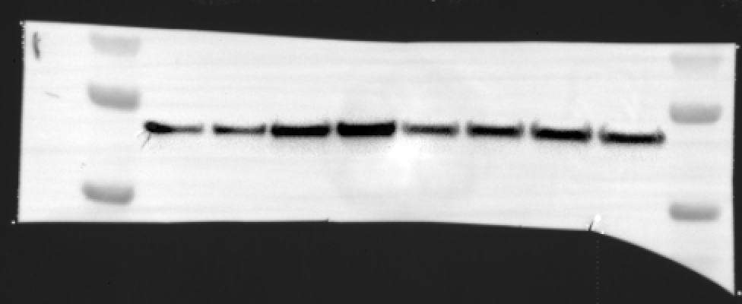
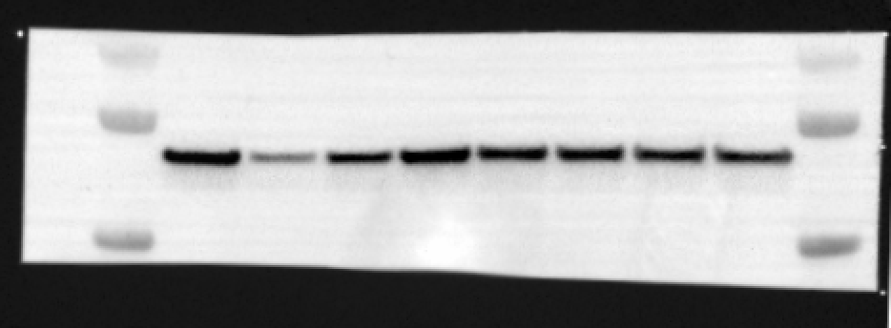
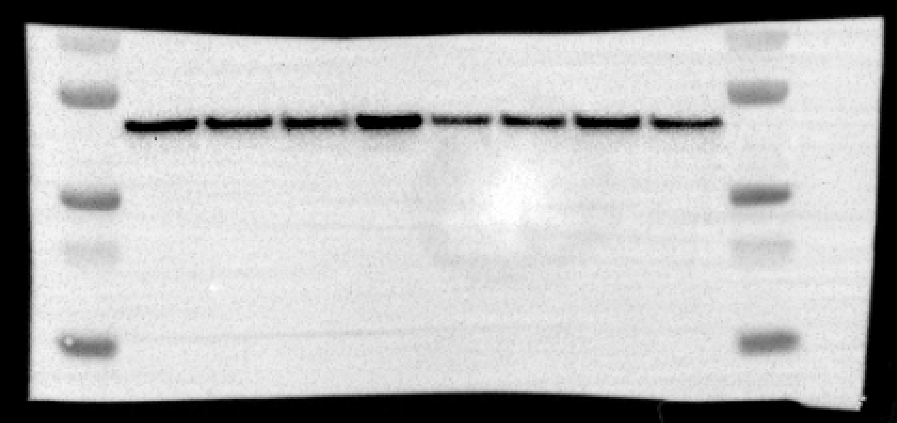

actin
actin
actin

BR1 | Cas13 | actin | Cas/actin | kd |  | BR2 | Cas13 | actin | Cas/actin | kd |  | BR3 | Cas13 | actin | Cas/actin | kd
NT | 6490712.52 | 4862676 | 1.3348025902 | 1 |  | NT | 8955648.2982 | 6442911.25 | 1.3900002578 | 1 |  | NT | 4400822.3333 | 5833795.3333 | 0.75436693985 | 1
perfect match | 2104157.52 | 3443437.4118 | 0.61106309434 | 0.45779285929 |  | perfect match | 1213260.9474 | 2285757 | 0.5307917453 | 0.38186449415 |  | perfect match | 1269167.6667 | 5320400 | 0.23854741498 | 0.31622199009
MM6+1 | 3188536.32 | 6613713.7647 | 0.48210981507 | 0.36118435686 |  | MM6+1 | 3523507.7193 | 4562945.375 | 0.77220028506 | 0.55553967041 |  | MM6+1 | 1942599 | 4922118.3333 | 0.39466726894 | 0.52317678319
MM6+2 | 5994762.52 | 7339569.3529 | 0.81677306007 | 0.61190551028 |  | MM6+2 | 9206316.5439 | 6392015.25 | 1.4402838829 | 1.0361752632 |  | MM6+2 | 4295847 | 6569170 | 0.65394060437 | 0.86687336072
MM6+7 | 1131311.52 | 4512222.2941 | 0.25072158379 | 0.18783420532 |  | MM6+7 | 3610531.7368 | 5530806.5 | 0.65280384277 | 0.46964296526 |  | MM6+7 | 624049.66667 | 2532809.6667 | 0.24638632538 | 0.32661336595
MM6A+8 | 5610123.20 | 5832565.3529 | 0.96186203849 | 0.72060246629 |  | MM6A+8 | 6491057.7895 | 5323081.875 | 1.2194172365 | 0.8772784247 |  | MM6A+8 | 4140843 | 3991317.3333 | 1.0374627358 | 1.3752759844
MM6+22 | 4376307.68 | 6542437 | 0.66891093946 | 0.50113098699 |  | MM6+22 | 4287928.5088 | 5348182.625 | 0.8017543172 | 0.57680156009 |  | MM6+22 | 3957916.3333 | 5267416.6667 | 0.75139609866 | 0.99606180886
MM6+23 | 4108656.44 | 5723934.0588 | 0.71780289531 | 0.53775959126 |  | MM6+23 | 5209290.7018 | 4855989.625 | 1.0727557314 | 0.77176657011 |  | MM6+23 | 3690978 | 4439936.6667 | 0.83131320942 | 1.1020011158

Suppl. Figure 3
3b. Western blot of RfxCas13d TAT-targeting exp.
BR2*
BR3
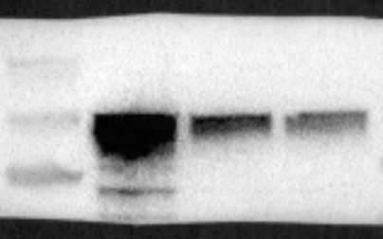
BR1
TAR2
NT
TAR1
TAR2
NT
TAR1
NT
TAR1
TAR2
 |  |  |  |  | Cas13 | actin | Cas/actin | Cas k/d
 |  |  |  | NT-1 | 19710769 | 7400066 | 2.6635936761 | 1
 |  |  |  | TAR1-1 | 9290820 | 9934461 | 0.93521128122 | 0.35110883827
LwaCas13a
 |  |  |  | TAR2-1 | 6152570 | 10704373 | 0.57477163772 | 0.21578803212

 |  |  |  | NT-2 | 16442930 | 6689869 | 2.4578851992 | 1
 |  |  |  | TAR1-2 | 6349528 | 6479310 | 0.97996978073 | 0.39870445578
 |  |  |  | TAR2-2 | 5848491 | 6129062 | 0.95422284846 | 0.38822921784
actin
 |  |  |  | NT-3 | 15,160,193 | 5,230,223 | 2.8985748791 | 1
 |  |  |  | TAR1-3 | 5,766,156 | 6,896,941 | 0.83604542942 | 0.28843326955
 |  |  |  | TAR2-3 | 5,912,943 | 7,974,887 | 0.74144536468 | 0.25579651919

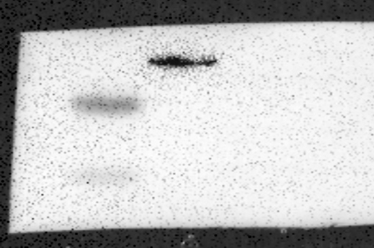

TAT

3c. RfxCas13d TAT-targeting exp.
 | EGFP (non-target)
BR1 | NT | TAR1 | TAR2
 | 195076 | 34732 | 29277
 | 175785 | 19139 | 15624
 | 268209 | 66329 | 18993
 | 291575 | 92701 | 35451
 | 277696 | 38602 | 33772
...

Suppl. Figure 4
 |  |  | 4d. RfxCas13d NLS Western
 | EGFP (non-target)
TAR | NT | TAR
BR1*
BR2
BR3
BR4
BR5
11288 | 192231 | 2623
6744 | 510468 | 3083
NT
TAR
NT
TAR
NT
TAR
NT
TAR
NT
TAR
10288 | 444757 | 5306
RfxCas13d
12774 | 460777 | 3530
11713 | 485627 | 7031
14357 | 251719 | 8120
11194 | 390929.83 | 4948.8333
0.0180629 | 1 | 0.0126591
...
actin
TAR | NT | TAR
16220 | 117900 | 4513
22067 | 278801 | 12155
28850 | 205807 | 14101
16163 | 559231 | 4990
16981 | 244766 | 7670
 | 131741 | 3096
...
 | 256374.33 | 7754.1667
 | 1 | 0.0302455
...
 |  |  | 4d. RfxCas13d NLS Western
 | NT | TAR
 | 206197 | 8164
...

Suppl. Figure 7
...
 | mCherry (target) |  |  | EGFP (non target) |  |  |  |  | mCherry (target)
 | 976660 | 30795 | 34283 | 7316 | 8 | 1 |  |  | 456957 | 9550 | 16100
 | 739932 | 15321 | 28295 |  | 51 | 1 |  |  | 416153.667 | 7885.83333 | 12300.6667
 | 760939 | 27297 | 42435 | 3914 | 10 | 1 |  |  | 1 | 0.01894933 | 0.02955799
 | 716136 | 17152 | 31922 | 12037 | 2 | 4
 | 1005308 | 19520 | 22085 | 10145 | 2 | 1
 | 898003 | 23663 | 25616 | 4764 | 4 | 0
 | 924008 | 17558 | 22500 | 10630 | 2 | 1
 | 811381 | 19509.0833 | 27799.0833 | 6850.54545 | 17.5 | 13.4166667
 | 1 | 0.02404429 | 0.03426144 | 1 | 0.00255454 | 0.00195848

40ng/mL
20ng/mL
140ng/mL
70ng/mL
NT
TAR1
TAR2
NT
TAR1
TAR2
NT
TAR1
TAR2
NT
TAR1
TAR2
7d&e. Western blot of non target EGFP titration exp.
 |  |  |  |  |  |  |  | BR1 | RfxCas13d | EGFP | actin
 |  |  |  |  |  |  | 140ng/mL | NT | 7248534 | 11948264.00 | 4504861.6375
RfxCas13d
RfxCas13d
 |  |  |  |  |  |  |  | TAR1 | 3795697.4286 | 4599312.00 | 3800994.3125
 |  |  |  |  |  |  |  | TAR2 | 3427736.2857 | 5352512.00 | 3753229.4875
 |  |  |  |  |  |  | 70ng/mL | NT | 6193132.7143 | 10470668.00 | 3118016.025
BR1
BR1
 |  |  |  |  |  |  |  | TAR1 | 3355673.7143 | 2827343.00 | 3243269.8
actin
actin
 |  |  |  |  |  |  |  | TAR2 | 3221176.4286 | 1771733.00 | 3275951.5
 |  |  |  |  |  |  | 40ng/mL | NT | 5068846.8571 | 6432343.00 | 2789196.6125
 |  |  |  |  |  |  |  | TAR1 | 2209200.1429 | 1080478.00 | 2974460.7875
EGFP
EGFP
 |  |  |  |  |  |  |  | TAR2 | 3182442.1429 | 937329.00 | 3612108.45
 |  |  |  |  |  |  | 20ng/mL | NT | 5423592 | 3949991.00 | 4005801.45
 |  |  |  |  |  |  |  | TAR1 | 2310554.8571 | 54308.00 | 4167121.4375
 |  |  |  |  |  |  |  | TAR2 | 2489795.4286 | 324083.00 | 3971518.15
...
RfxCas13d
 |  |  |  |  |  |  | 140ng/mL
...
BR2
 |  |  |  |  |  |  | 70ng/mL
actin
...
 |  |  |  |  |  |  | 40ng/mL
EGFP
...
 |  |  |  |  |  |  | 20ng/mL
...
 |  |  |  |  |  |  | 140ng/mL
RfxCas13d
...
BR3
 |  |  |  |  |  |  | 70ng/mL
actin
...
 |  |  |  |  |  |  | 40ng/mL
...
EGFP
...
 |  |  |  |  |  |  | 20ng/mL
...

