Sample Location
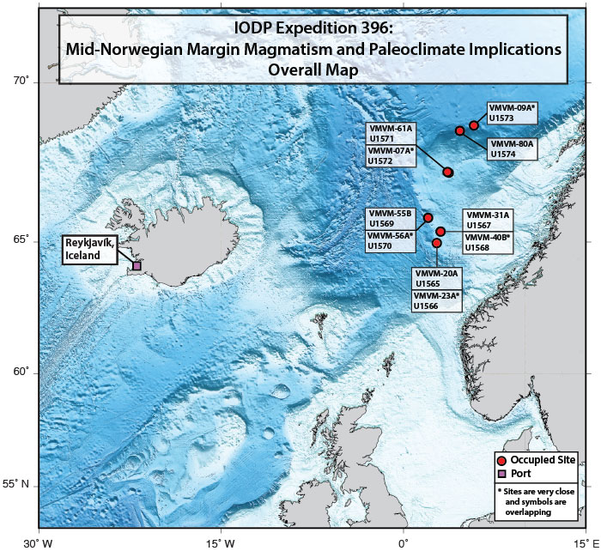
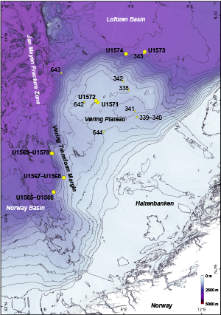
All samples analyzed come from IODP Expedition 396, Norwegian Sea, 2021

Site Coordinates: Site U1567B-11X (65°21.7683′N, 3°3.2083′E)

Sample Prep
Subsampling of U1567 utilized a newer technique (Furlong & Scherer, 2024), whereby five mm deep V-channel samples were cut from the core surface and placed in aluminum carriers with three 10 cm long V-shaped troughs.

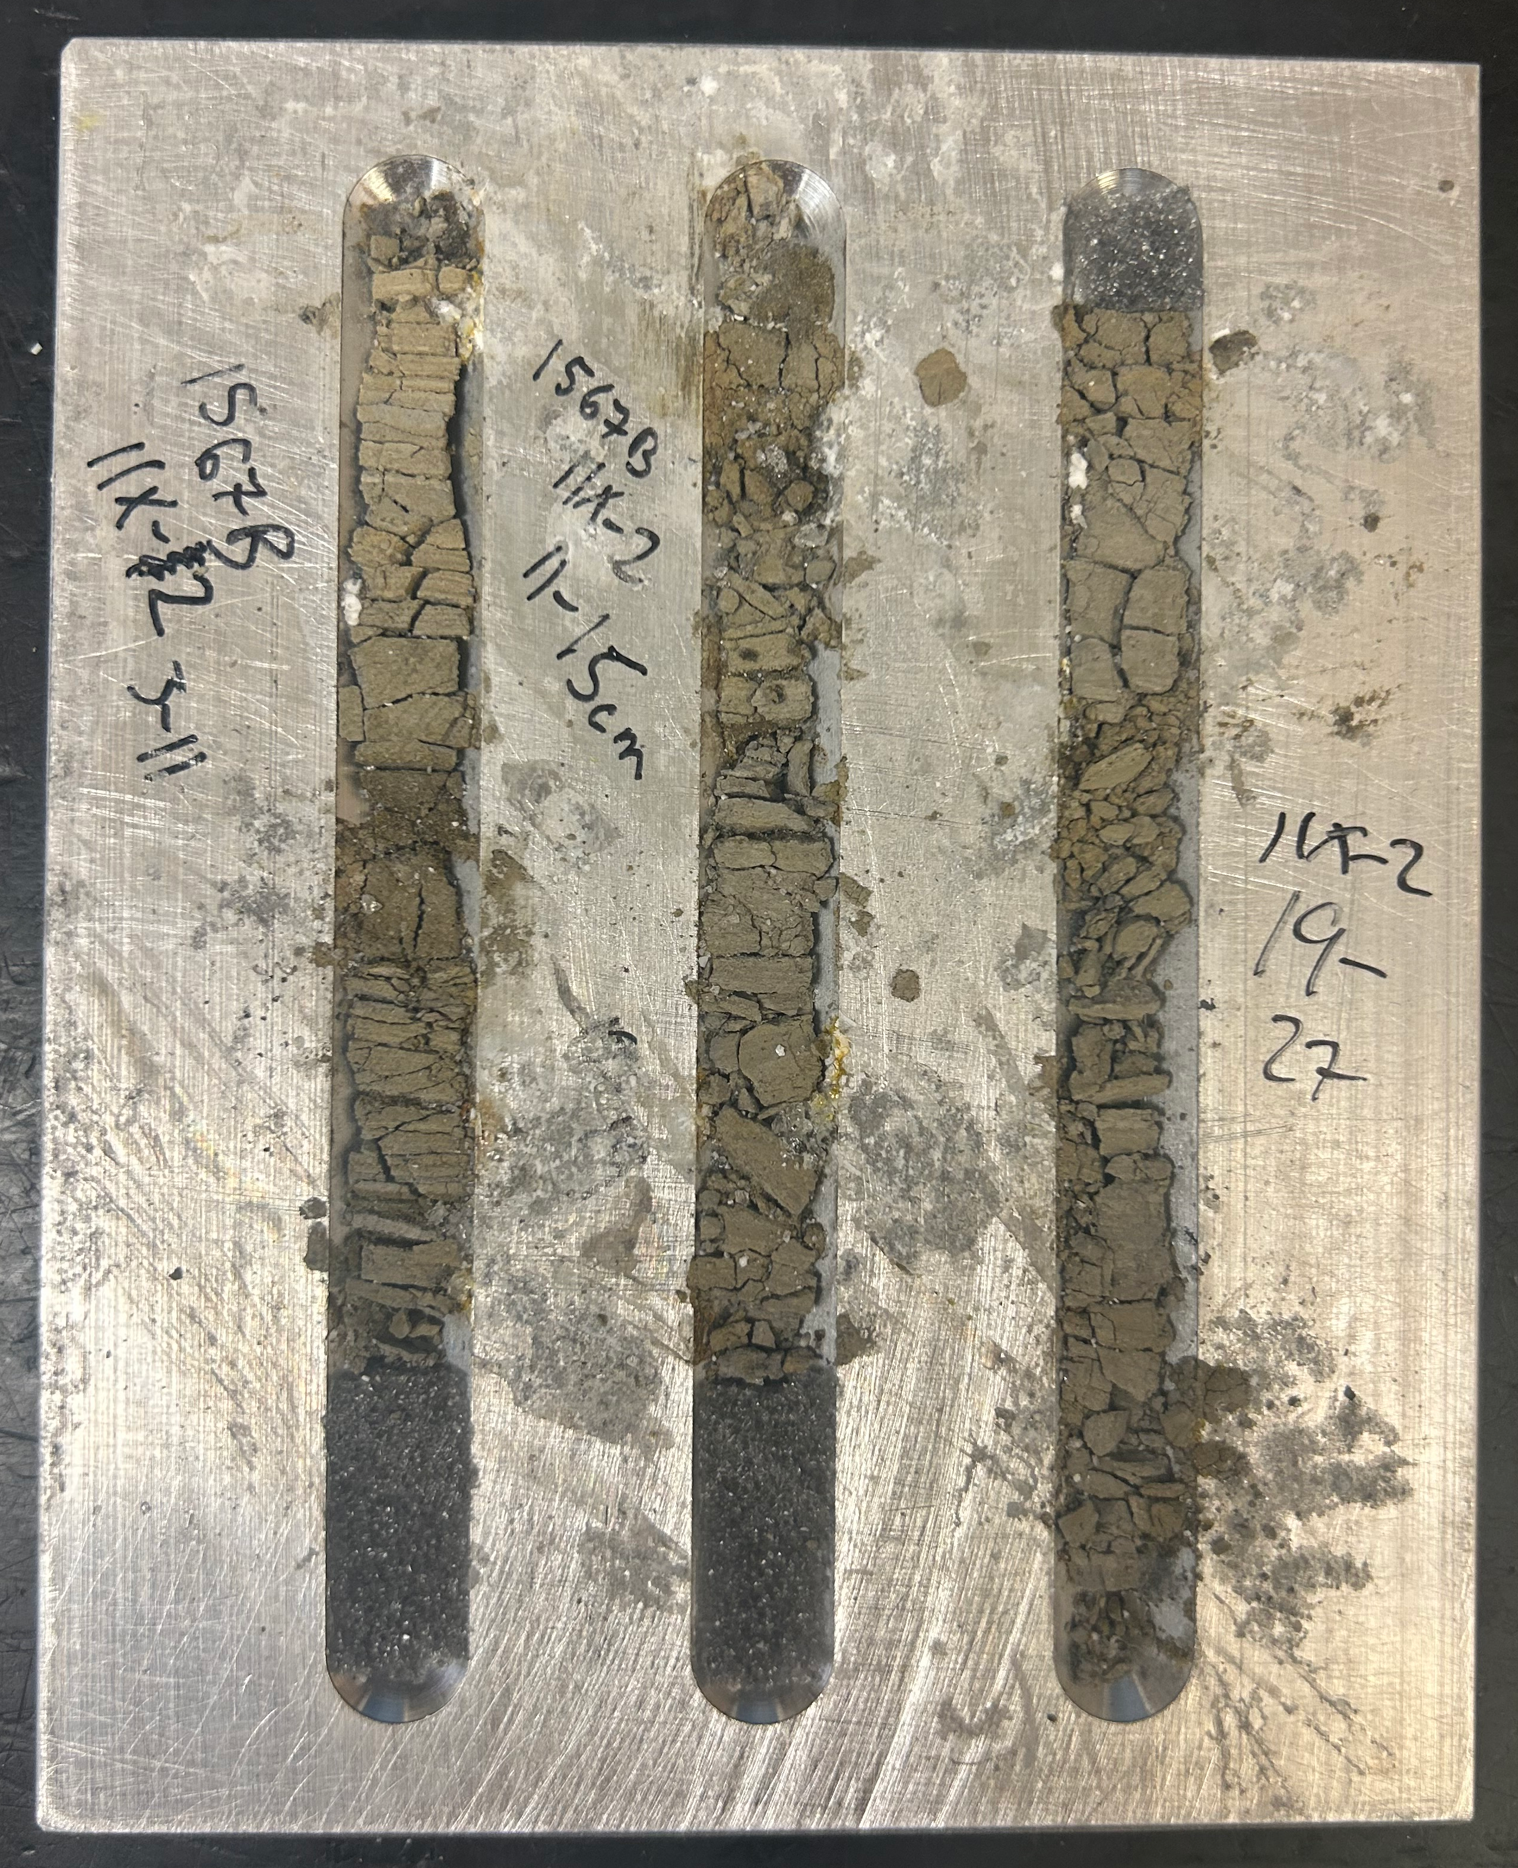
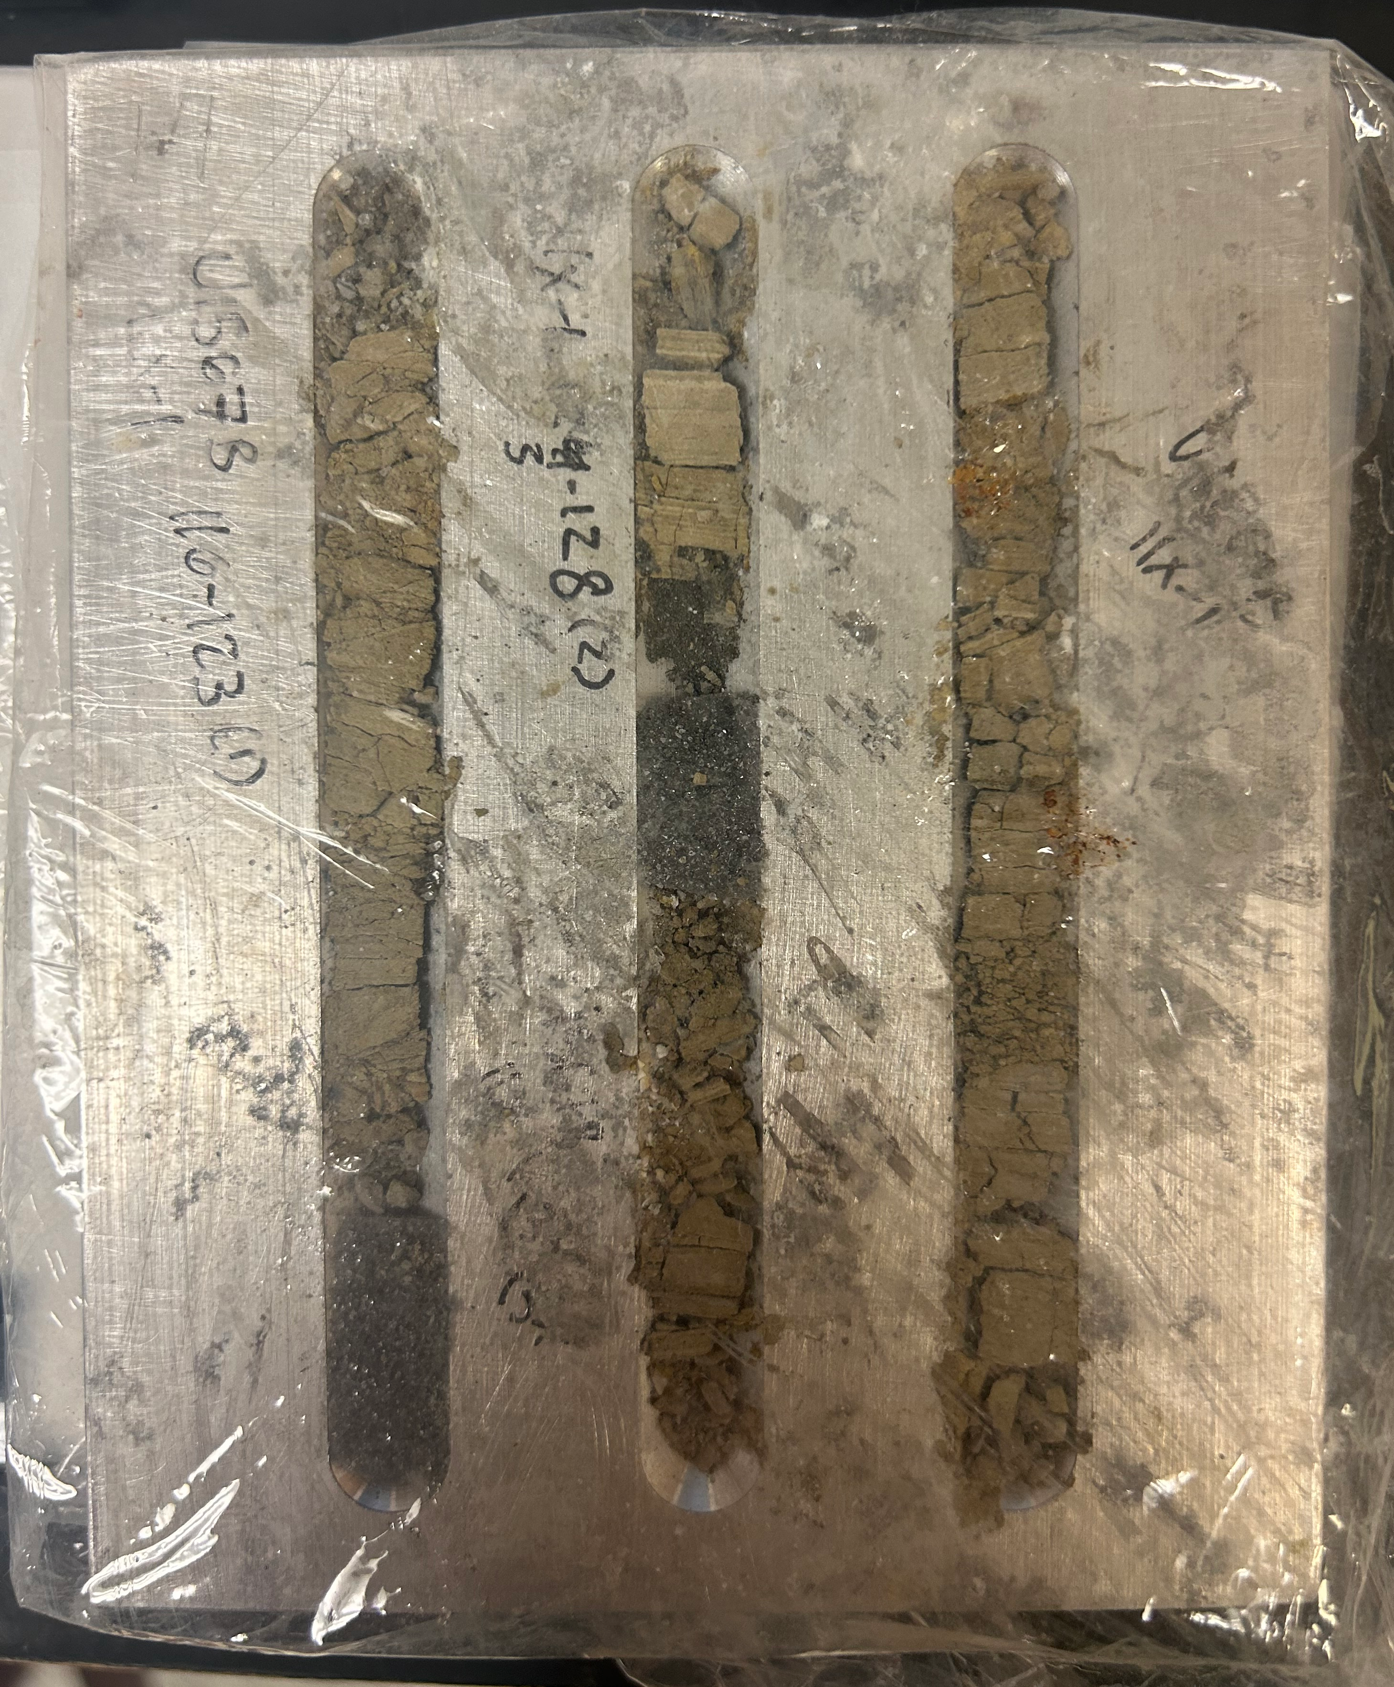
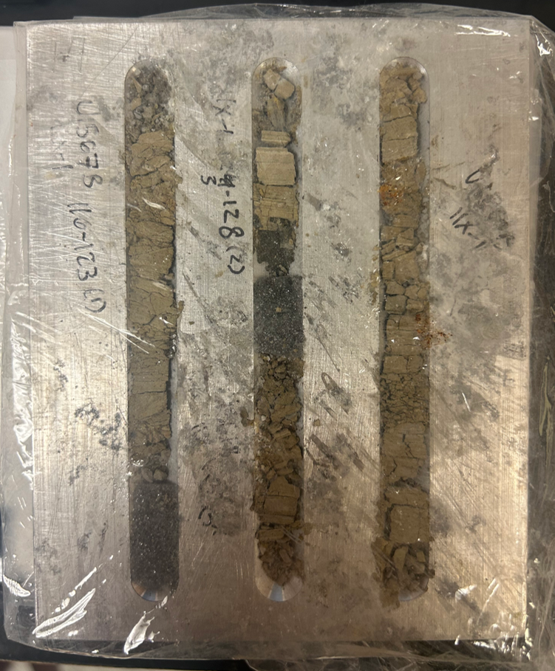

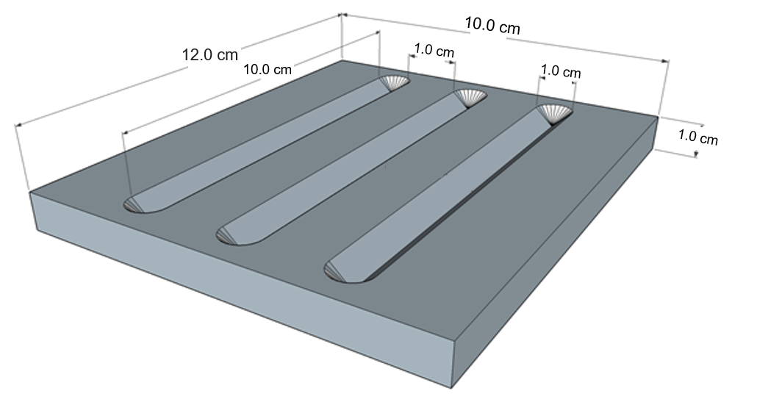

The purpose of this sampling method was to preserve in situ microstratigraphy of the cores for analysis.
This new sampling technique allows for appropriately sized carriers, or trays, to be directly placed in the low vacuum Scanning Electron Microscope (SEM).
This sampling was completed before all other subsampling of the core, but the shallow V-channel depth preserves the integrity of the main sample half for other analyses.
Following sampling, each tray was imaged using a Leica M80 stereo zoom microscope at 12.5x magnification. The photos were taken in one cm by one cm increments and digitally stitched to create a continuous high-resolution picture of the channels.
Specific strategies for targeted microstratigraphic subsampling analysis using SEM and Energy Dispersive X-Ray Spectroscopy (EDS) with elemental mapping capability, was guided by the initial optical analyses.

Hemiaulus Taxonomy
UNKNOWN Hemiaulus Sp. (1) |  | UNKNOWN Hemiaulus Sp. (2) |  |  | UNKNOWN Hemiaulus Sp. (3) | UNKNOWN Hemiaulus Sp. (4) | UNKNOWN Hemiaulus Sp. (5)
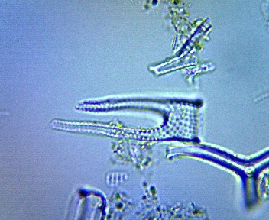
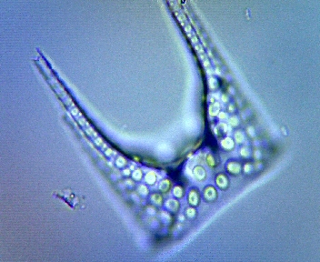
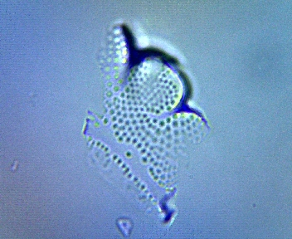

Identified Hemiaulus Sp.

Hemiaulus affinis
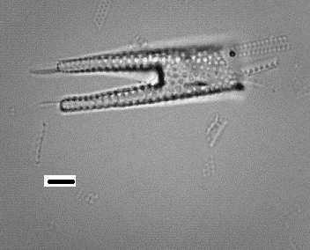

 |  |  | Aleksandrova, G. N., Oreshkina, T. V., Yakovleva, A. I., & Radionova, E. P. (2012). Diatoms and dinocysts from the Late Paleocene–Early Eocene biosiliceous facies of the Middle Trans-Ural region. Stratigraphy and Geological Correlation, 20(4), 68–94.

Hemiaulus curvatulus
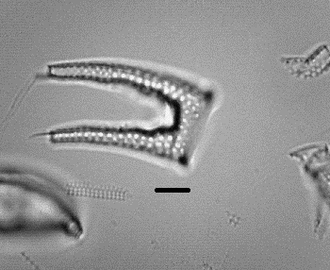
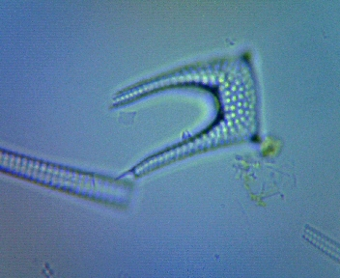

 |  |  | (Strelnikova, 1971; Homann, 1991; Oreshkina & Radionova, 2014)

Hemiaulus danicus
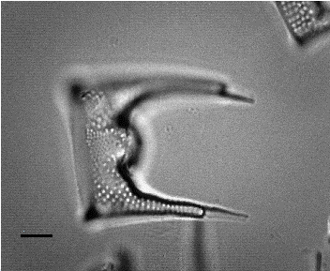

 | (Harwood, 1988; Homann, 1991)

Hemiaulus hostilis

 | (Homann, 1991)

Hemiaulus kittonii
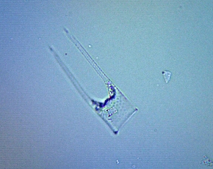

 | Harwood, D. M. (1988). Upper Cretaceous and lower Paleocene diatom and silicoflagellate biostratigraphy of Seymour Island, eastern Antarctic Peninsula. In R. M. Feldmann & M. O. Woodburne (Eds.), Geology and Paleontology of Seymour Island, Antarctic Peninsula (Vol. 169, pp. 55–129). Geological Society of America.

Hemiaulus mitra
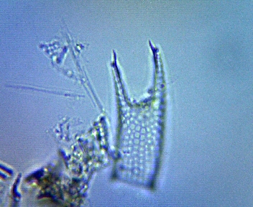

 | Homann, M. (1991). Die Diatomeen der Fur-Formation (Alttertiär, Dänemark). Palaeontographica, Abteilung B, 224, 1–137.

Hemiaulus muticus
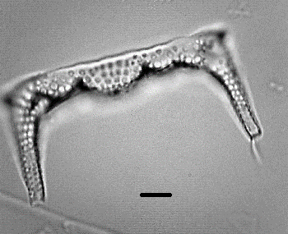
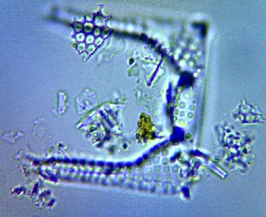

 |  |  |  | Strelnikova, N. I. (1979). Diatomovye vodorosli verkhnemelovykh otlozhenii Kavkaza. In R. N. Dzinoridze (Ed.), Atlas pozdnemelovoy fauny i flory Severnogo Kavkaza (p. 55, pl. 166, fig. 18). Tbilisi, USSR: Metsniereba.

Hemiaulus polymorphus
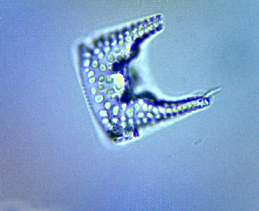

 | Fenner, J. (1985). Late Cretaceous to Oligocene planktic diatoms. In H. M. Bolli, J. B. Saunders, & K. Perch-Nielsen (Eds.), Plankton Stratigraphy (pp. 713–762). Cambridge University Press.

Hemiaulus proteus
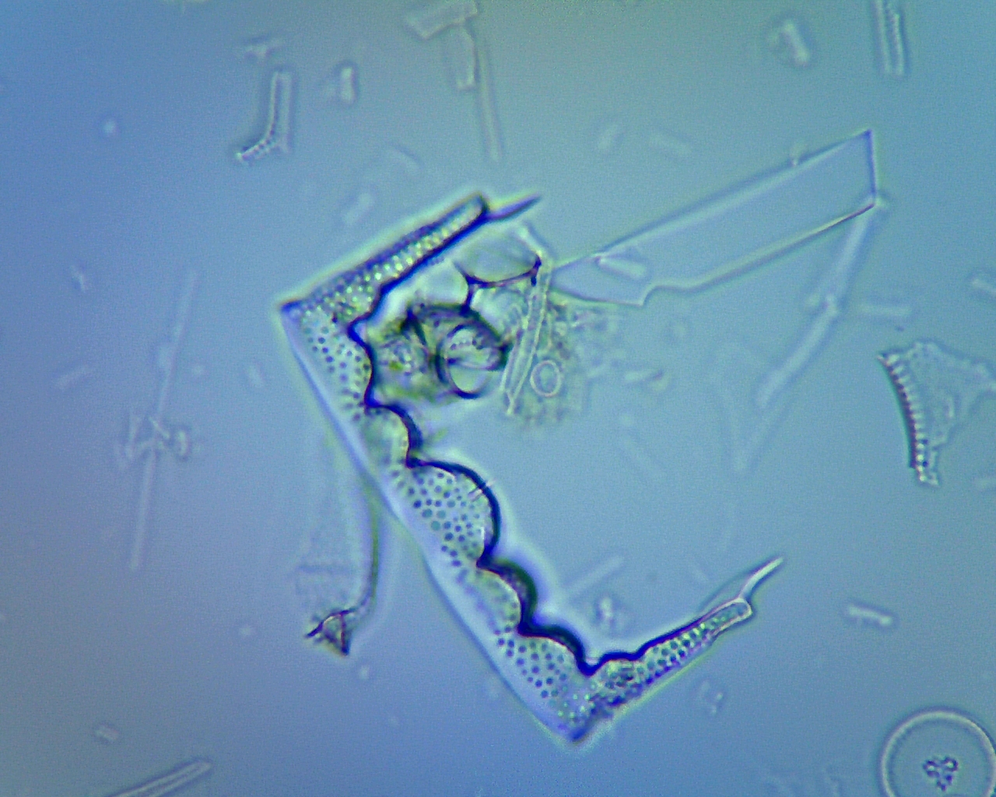

 |  | (Fenner, 1985)

Hemiaulus weissii

 | (Harwood, 1988; Homann, 1991)

Centric Taxonomy
Arachnoidiscus indicus
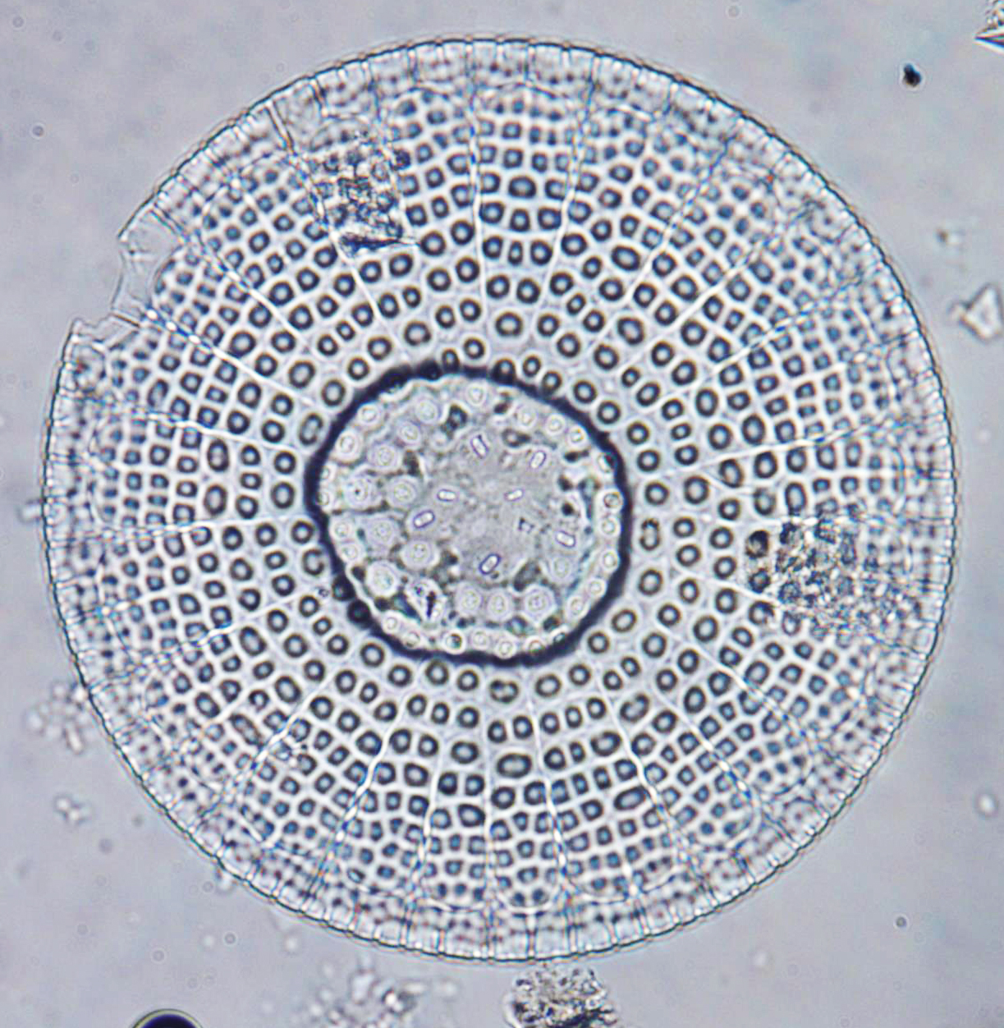

 | (Homann, 1991)

Coscinodiscus Sp.
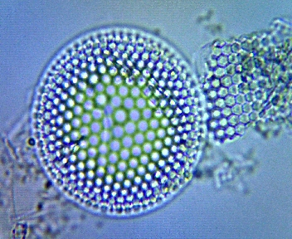
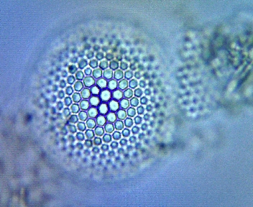

 |  |  | (Fenner, 1985; Homann, 1991)

Coscinodiscus Sp.
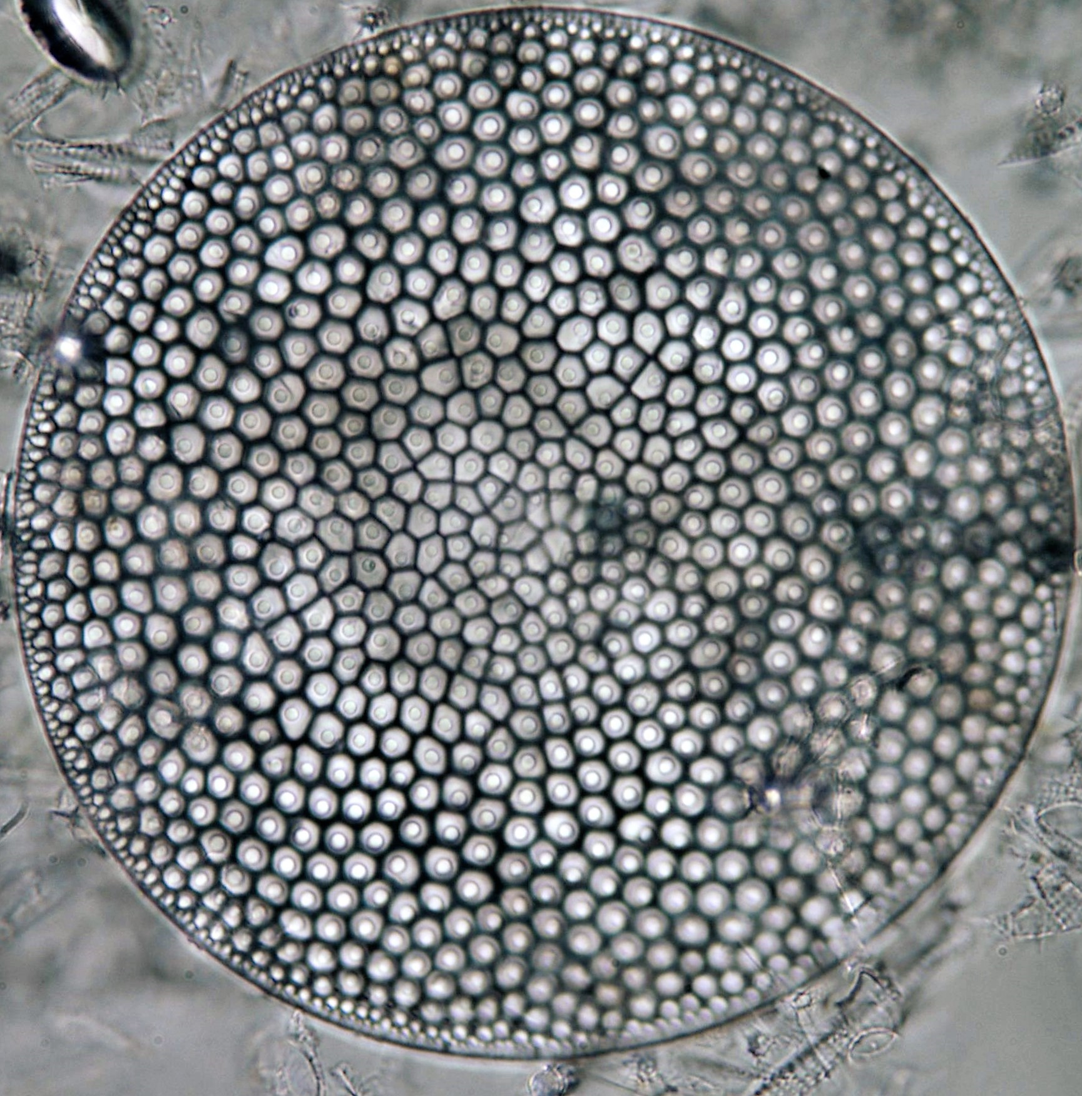

 | (Fenner, 1985; Homann, 1991)

Paralia sp.

 | Crawford, R. M., Sims, P. A., & Hajós, M. (1990). The morphology and taxonomy of the centric diatom genus Paralia. I. Paralia siberica comb. nov. Diatom Research, 5(2), 241–252.

Pseudostictodiscus picus

 | (Fenner, 1985; Homann, 1991)

Pterotheca kittoniana

 | (Fenner, 1985; Homann, 1991)

Pterotheca Sp.

 | (Fenner, 1985; Homann, 1991)

Solium exsculptum

 | Ross, R., & Sims, P. A. (1987). Further genera of the Biddulphiaceae (Diatoms) with interlocking linking spines. Bulletin of the British Museum (Natural History), Botany Series, 16(4), 269–311.

Stephanopyxis turris
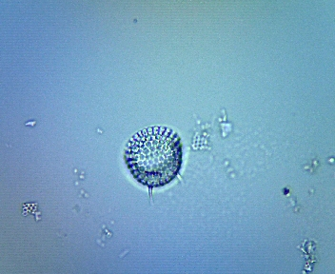

 | (Homann, 1991)

Trochosira mirabilis

 | Sims, P. A. (1988). The fossil genus Trochosira, its morphology, taxonomy and systematics. Diatom Research, 3(2), 245–257.

Trinacria ventriculosa
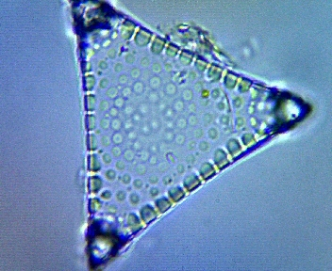

 | (Aleksandrova et al., 2012; Oreshkina & Radionova, 2014)

Trinacria excavata f. tetragona
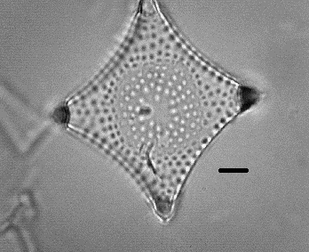

 |  | Fenner, J. (1977). Cenozoic diatom biostratigraphy of the equatorial and southern Atlantic Ocean. In P. R. Supko, N. T. Perch-Nielsen, et al. (Eds.), Initial Reports of the Deep Sea Drilling Project (Vol. 39, pp. 491–624). U.S. Government Printing Office.

Trinacria excavata
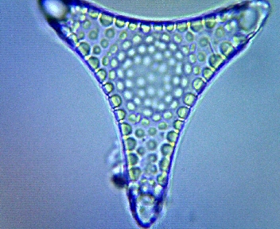

 |  | (Harwood, 1988; Homann, 1991)

Pennate Taxonomy
Grunoviella gemmata

 | Sabbe, K., & Vyverman, W. (1995). Taxonomy, morphology and ecology of some widespread representatives of the diatom genus Opephora. European Journal of Phycology, 30(4), 235-249.

Rhaphoneis morsiana

 | Khokhlova, I. E., & Oreshkina, T. V. (1999). Early Paleogene siliceous microfossils of the Middle Volga region: Stratigraphy and paleogeography. Geodiversitas, 21(3), 429-451.

Sceptroneis Sp.
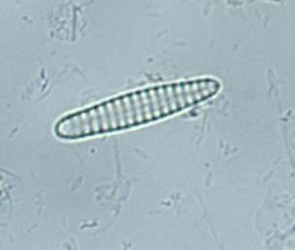

 |  | (Oreshkina, 2012; Oreshkina & Radionova, 2014)
Sceptroneis Sp.

