Supplementary Fig 1
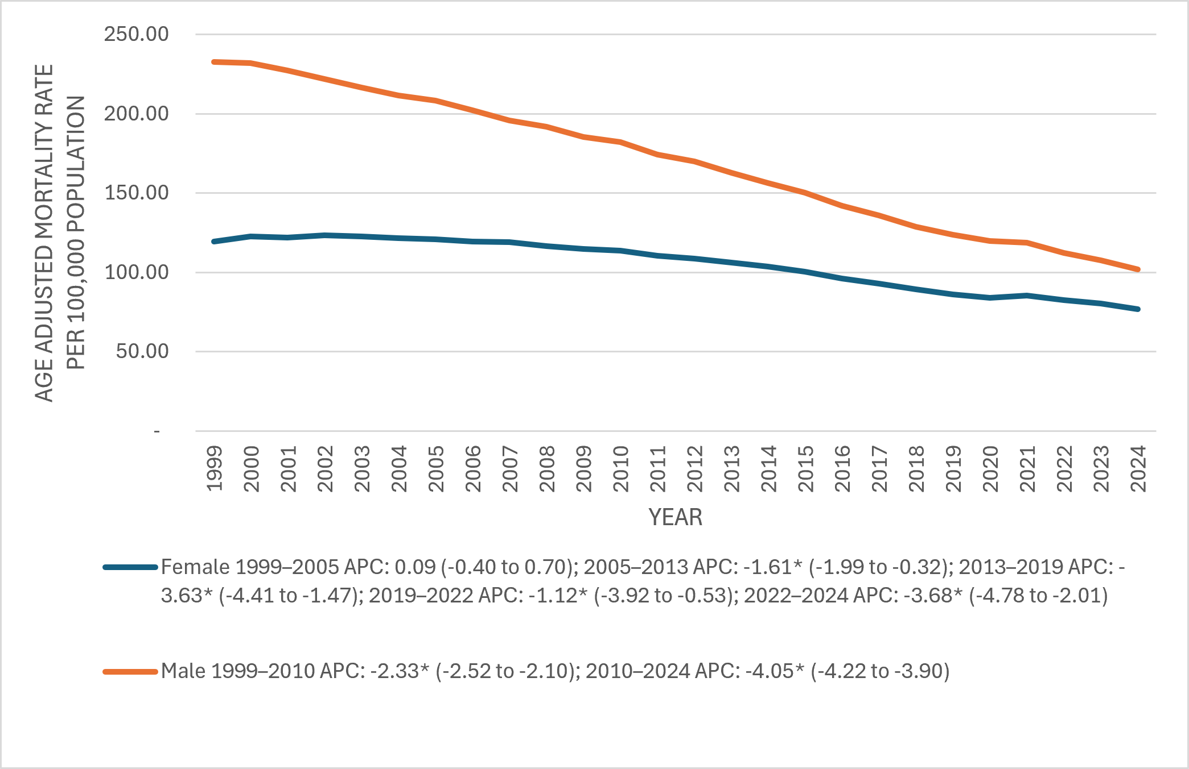
Supplementary Figure 1 Individual Lung Cancer related Age-Adjusted Mortality Rates per 100,000, Stratified by Gender in Adults in the United States, 1999 to 2024

Supplementary Fig 2
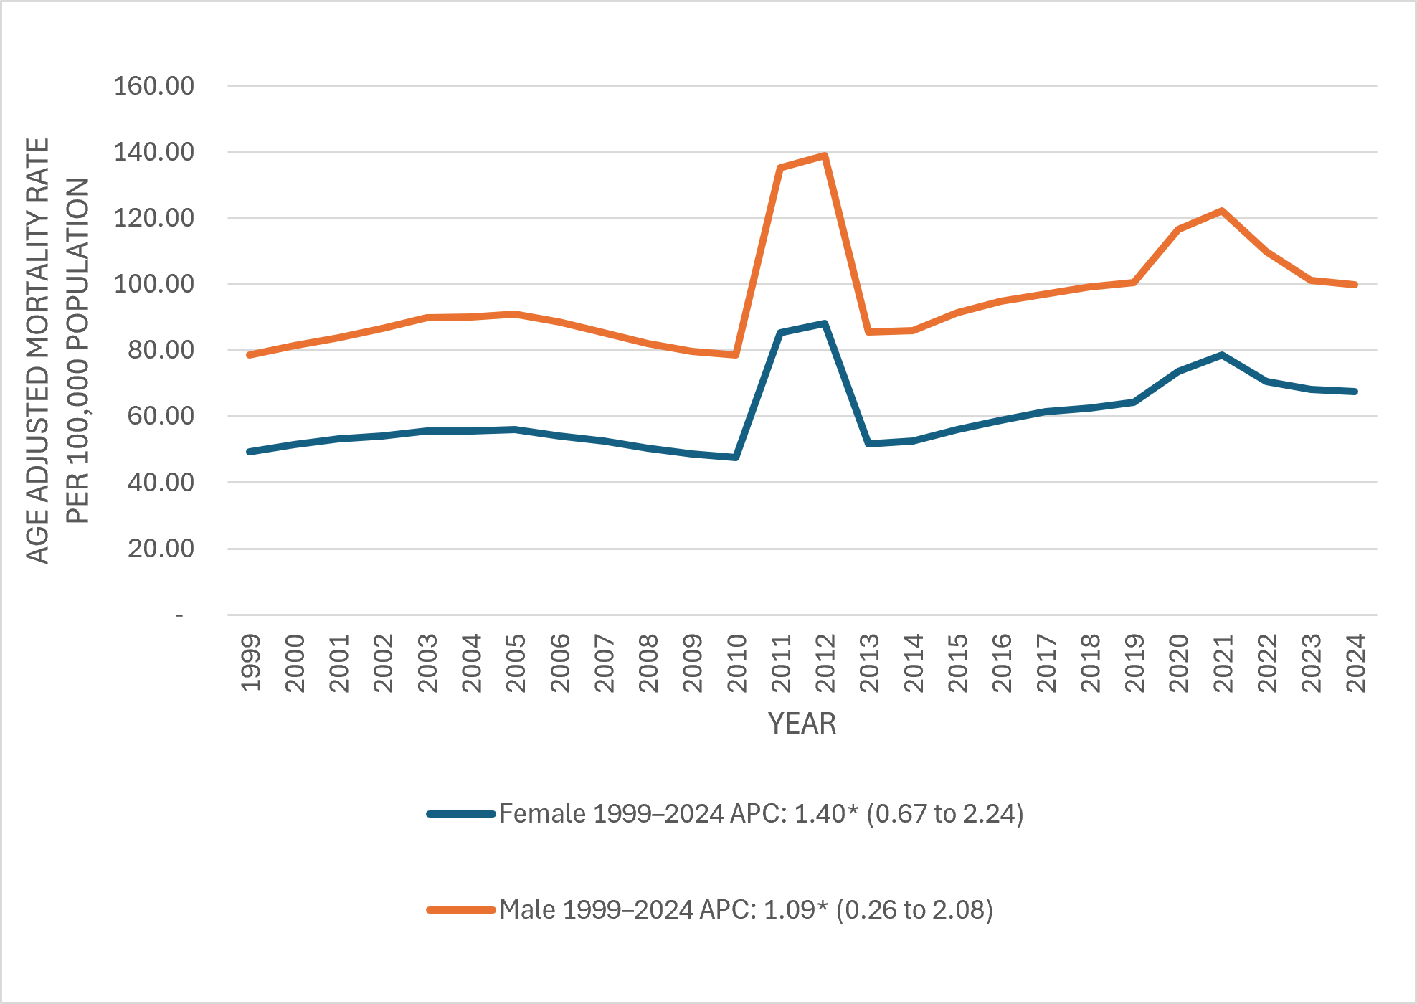
Supplementary Figure 2 Individual Chronic Kidney Disease related Age-Adjusted Mortality Rates per 100,000, Stratified by Gender in Adults in the United States, 1999 to 2024

Supplementary Fig 3
Supplementary Figure 3 Individual Lung Cancer related Age-Adjusted Mortality Rates per 100,000, Stratified by Race in Adults in the United States, 1999 to 2024
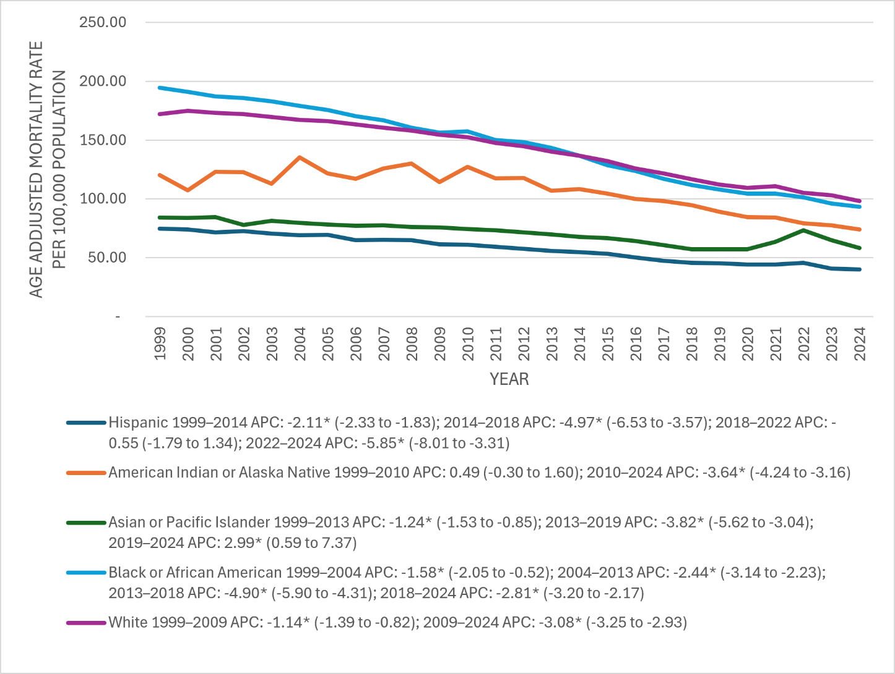

 | `

Supplementary Fig 4
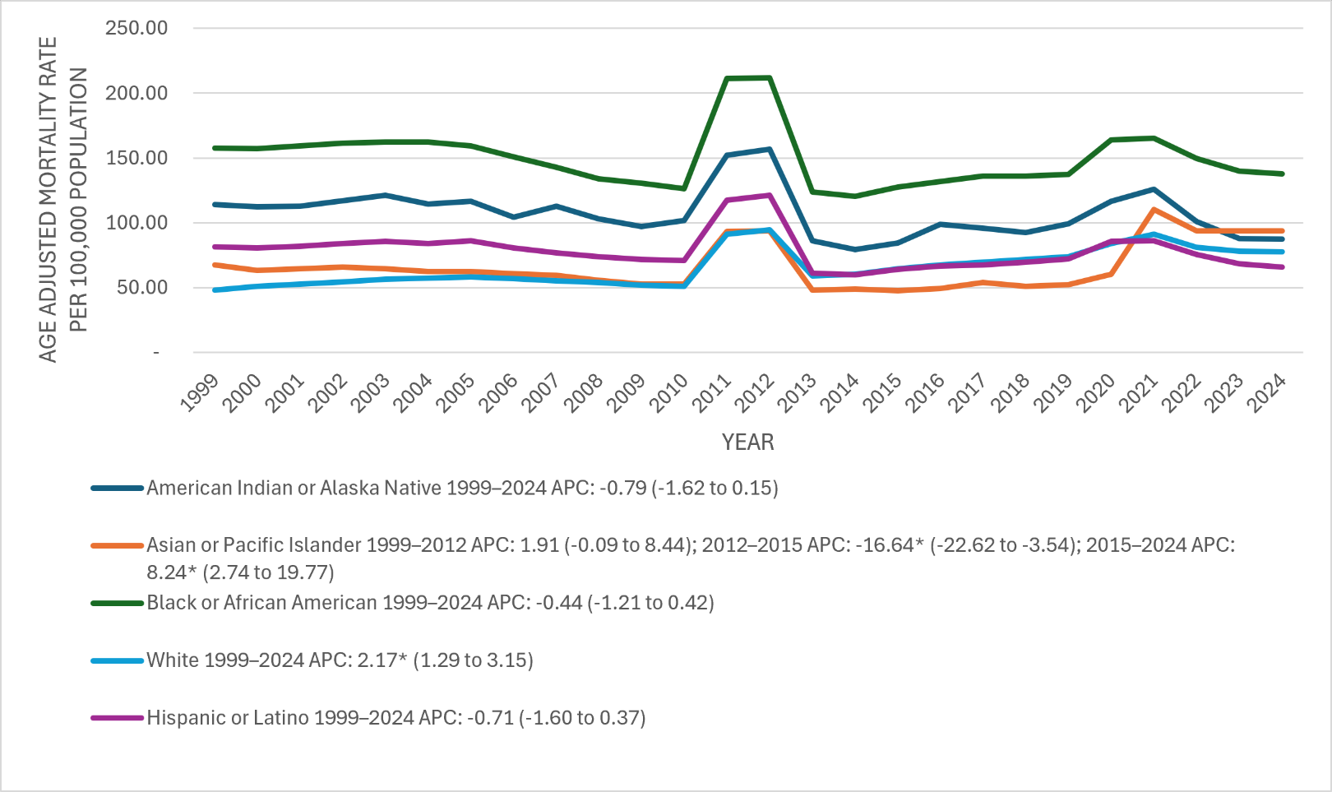
Supplementary Figure 4 Individual Chronic Kidney Disease related Age-Adjusted Mortality Rates per 100,000, Stratified by Race in Adults in the United States, 1999 to 2024

