Fornell-Larcker
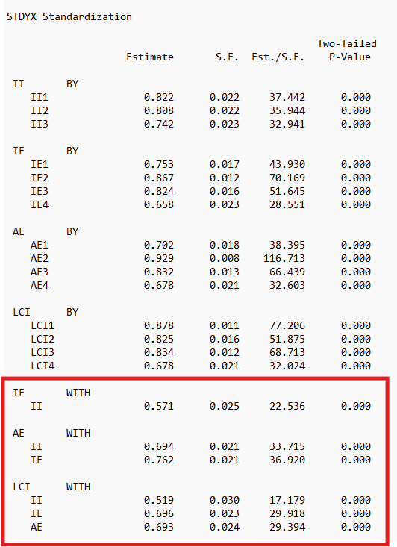
Dimensions | AVE | √AVE | II | IE | AE | LCI
II | .626 | .791 | 1,000
IE | .608 | .780 | .571 | 1,000
AE | .627 | .792 | .694 | .762 | 1,000
LCI | .652 | .807 | .519 | .696 | .693 | 1,000

