Table 2
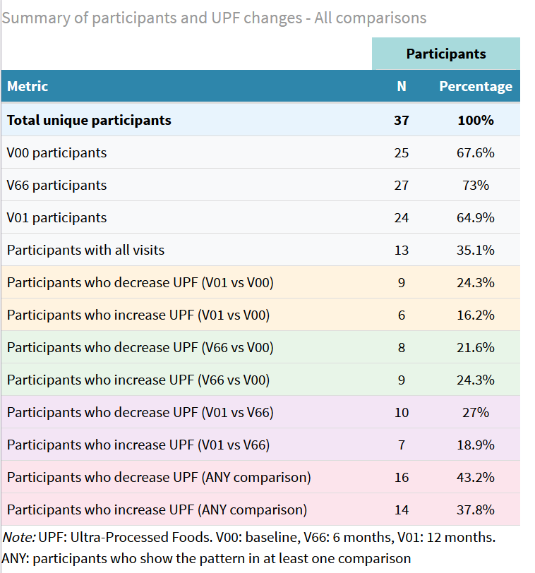
Table 2. Characteristics of the PREDIMED-Plus study sample at baseline and after 6 and 12 months of follow-up.
 | Global decrease |  |  |  | Decrease from basal to 6 months |  |  | Decrease from 6 to 12 months
 | Basal | 6 months | 12 months | p-value1 | Basal | 6 months | p-value1 | 6 months | 12 months | p-value1
N | 9 | 8 | 9 |  | 8 | 8 |  | 10 | 10
Age, years (mean (SD)) | 62.56 (3.57) | 62.62 (3.81) | 62.56 (3.57) | 0.999 | 62.50 (5.50) | 62.50 (5.50) | 1 | 63.40 (6.29) | 63.40 (6.29) | 1
Female sex (%) | 1 (11.1) | 0 ( 0.0) | 1 (11.1) | 0.618 | 0 ( 0.0) | 0 ( 0.0) | 1 | 2 ( 20.0) | 2 ( 20.0) | 1
UPF consumption2 (p50 [IQR]) | 206.45 (175.00) | 144.61 (107.60) | 135.71 (108.72) | 0.497 | 244.29 (163.34) | 131.45 (114.32) | 0.132 | 168.18 (116.92) | 120.11 (107.94) | 0.352
Energy intake3 (mean (SD)) | 2 263.51 (615,52) | 2 407.44 (676,57) | 2 425.06 (719,39) | 0.648 | 2665.20 (517.89) | 2173.00 (751.32) | 0.149 | 2459.10 (335.66) | 2156.57 (430.72) | 0.097
Weight (Kg) (mean (SD)) | 85.00 (14.17) | 86.75 (14.26) | 83.22 (12.84) | 0.870 | 86.75 (11.99) | 85.25 (11.54) | 0.802 | 89.30 (15.26) | 87.90 (14.51) | 0.836
BMI (p50 [IQR] / mean (SD)) | 29.49 [28.39, 31.31] | 29.00 [28.00, 30.50] | 29.00 [28.00, 31.00] | 0.633 | 30.32 (2.01) | 29.62 (2.00) | 0.501 | 32.50 (4.20) | 32.40 (4.30) | 0.959
Smoking (%) | 2 (22.2) | 1 (12.5) | 0 ( 0.0) | 0.335 | 1 ( 12.5) | 1 ( 12.5) | 1 | 1 ( 10.0) | 0 ( 0.0) | 1
Alcohol4 (p50 [IQR]) | 13.70 [10.40, 36.23] | 9.50 [4.25, 16.75] | 8.91 [2.17, 36.23] | 0.328 | 11.94 [8.91, 19.33] | 8.00 [5.00, 16.75] | 0.344 | 9.50 [2.75, 10.00] | 5.83 [1.57, 11.05] | 0.910
SD: Standard deviation. IQR: interquartile range. UPF: ultra-processed food. BMI: body mass index in Kg/m2. 1p-value obtained by oneway ANOVA for normal continuous variables, Kruskall-Wallis test for non-normal continuous variables and chi-square for categorical variables. 2UPF consumption in g/day adjusted by Kcal/day intake. 3Energy intake in Kcal/day. 4Alcohol consumption measured in gr/day.

