Domain 1
Domain 1: Risk of bias arising from the randomization process

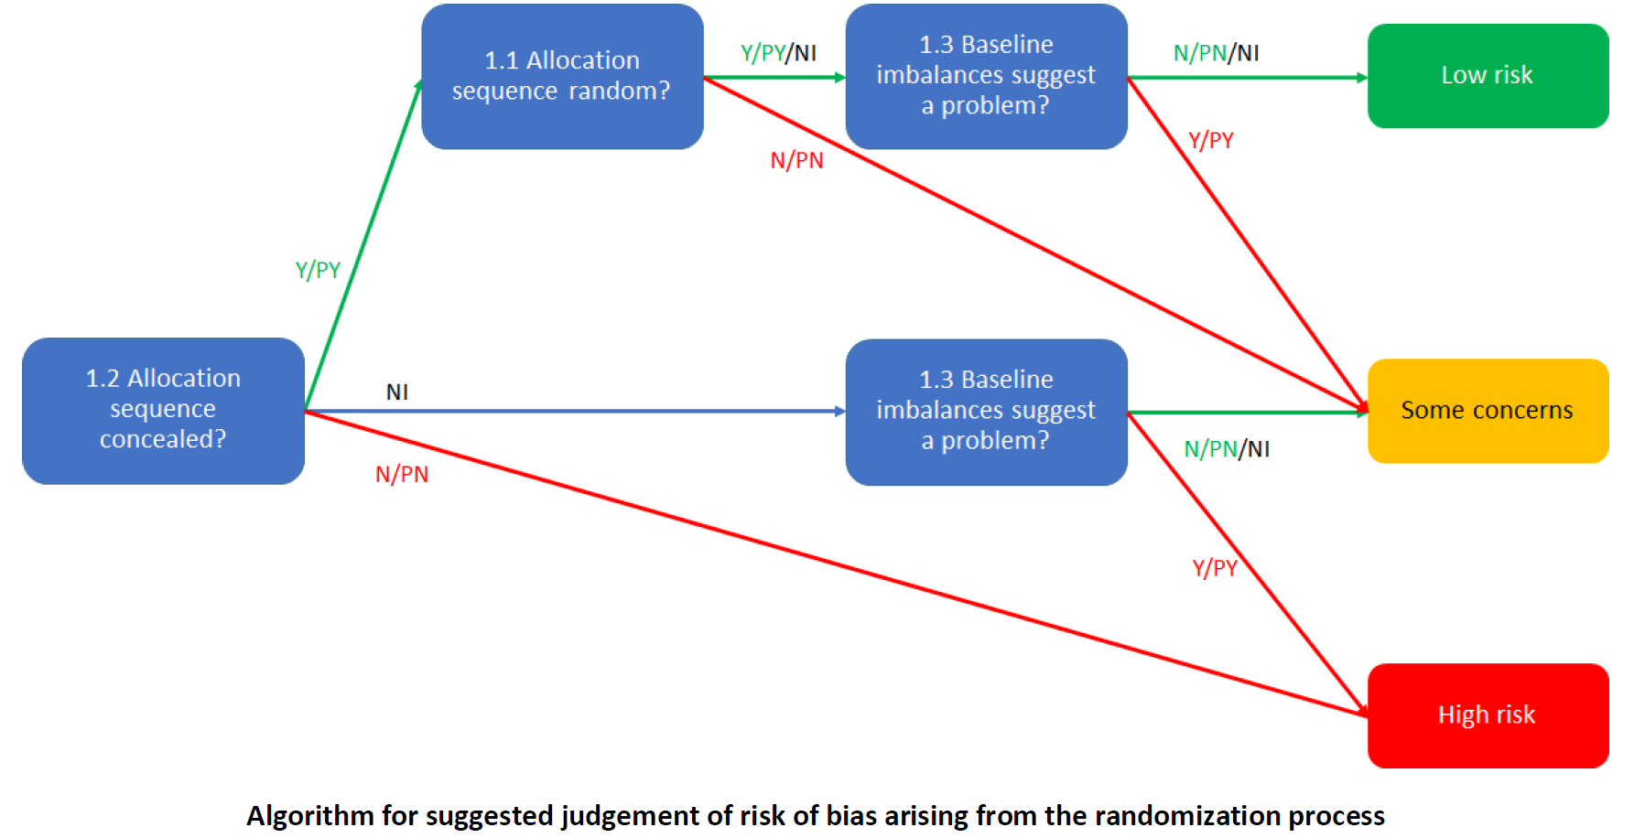
Endnote reference | 1.1 Was the allocation sequence random? |  | 1.2 Was the allocation sequence concealed until participants were enrolled and assigned to interventions? |  | 1.3 Did baseline differences between intervention groups suggest a problem with the randomization process? |  | Risk of bias judgement | Optional: What is the predicted direction of bias arising from the randomization process?
 | Judgement | Rationale | Judgement | Rationale | Judgement | Rationale
{Aguilera, 2024 #14079} | Y | Randomization table in app | Y | Stated allocation concealment | PY | Big difference in baseline daily steps (2,277 for adaptive arm, 3,701 for control), although difference not tested statistically | Some concerns | Unpredictable
{Bickmore, 2013 #12506} | NI | Not stated | NI | Not stated | PY | Big difference in baseline daily steps (~6,300 in ACT arm vs ~7,700 in control arm), though other variables were fine | High risk | Unpredictable
{Carrasco-Hernandez, 2020 #14374} | Y | Random-group table using "computer methods" | NI | Unclear if study staff could access the whole random-group table, and would therefore know upcoming allocations | PY | Several baseline imbalances (proportion female (11% difference, p=0.09), age (2.5 years difference, p=0.05), smoking cessation attempts (0.26 difference, p=0.045), maximum abstinence time (3.2 difference, p=0.003), Charlson index (0.25 difference, p=0.06) | High risk | Unpredictable
{Caso, 2021 #12593} | NI | "Individual randomisation sequence", no further information | NI | Not stated | PN | No obvious baseline differences | Some concerns | Unpredictable
{Collombon, 2024 #24737} | PY | Automatic randomisation within the registration portal | PY | Likely assigned at enrollment | N | No obvious baseline differences | Low risk | NA
{Coppens, 2024 #24723} | Y | Randomised within the app | PY | Randomization within app | PY | Few baseline characteristics presented, but one big difference (minutes of sport per week) | Some concerns | Unpredictable
{Coppens, 2025 #25268} | N | Alternating | PN | Alternating, so could have been visible to study staff | NI | No baseline characteristics given by group | High risk | Unpredictable
{Hassoon, 2021 #12970} | PY | Stated random.org was used (unclear how this works with the smart form) | Y | Stated allocation concealment | PN | No obvious baseline differences | Low risk | NA
{Marcuzzi, 2023 #26774} | Y | "web-based trial management system" | Y | Stated concealed | PN | No obvious baseline differences | Low risk | NA
{Nakata, 2022 #15082} | PY | Biostatistician prepared a "random number sequence" | PY | A staff member had access to the randomisation table, which was only opened after everyone had been recruited - not explicitly fine, but probably fine | PN | One large baseline difference, but not concerning | Low risk | Unpredictable
{Oh, 2025 #24735} | PY | Randomised within the app | PY | Randomization within app | PY | One large baseline difference (age SD), which is concerning given one is almost 7 times as large as the other | Some concerns | Unpredictable
{Persell, 2020 #13583} | Y | Computer-generated sequence | Y | Stated allocation concealment | PN | No obvious baseline differences | Low risk | NA
{Rabbi, 2015 #13641} | Y | "Random number generator" | NI | Not stated | NI | No reported baseline variables for each group, stated "participants in the groups were similar in terms of level of active lifestyle and experience with using mobile-based self-management tools." but without supporting evidence, and these are not all the variables available | Some concerns | Unpredictable
{Sandal, 2021 #13734} | Y | Web-based trial management system | Y | Stated to be concealed | N | No obvious baseline differences | Low risk | NA
{Yom-Tov, 2017 #15065} | NI | Just stated as "randomized" | PY | Stated physicians were blinded to randomization | NI | No obvious baseline differences, but only age, gender, and HbA1c presented | Low risk | NA
{Zhou, 2018 #14044} | Y | Computer-based random number generator | Y | Randomization was after run-in period, implemented by the app | N | No obvious baseline differences | Low risk | NA
{Zhou, 2018 #15074} | NI | Just stated as "randomized" | NI | Not stated | N | No obvious baseline differences (noting low number of participants) | Some concerns | Unpredictable

Domain 2 ITT
Domain 2: Risk of bias due to deviations from the intended interventions (effect of assignment to intervention)

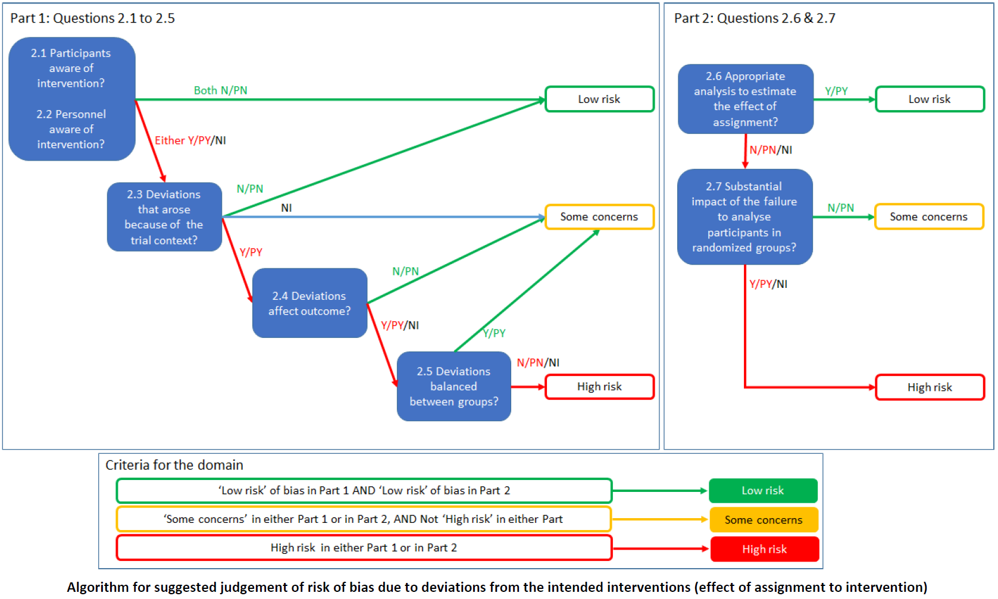
Endnote reference | 2.1. Were participants aware of their assigned intervention during the trial? |  | 2.2. Were carers and people delivering the interventions aware of participants' assigned intervention during the trial? |  | 2.3. If Y/PY/NI to 2.1 or 2.2: Were there deviations from the intended intervention that arose because of the trial context? |  | 2.4 If Y/PY to 2.3: Were these deviations likely to have affected the outcome? |  | 2.5. If Y/PY/NI to 2.4: Were these deviations from intended intervention balanced between groups? |  | 2.6 Was an appropriate analysis used to estimate the effect of assignment to intervention? |  | 2.7 If N/PN/NI to 2.6: Was there potential for a substantial impact (on the result) of the failure to analyse participants in the group to which they were randomized? |  | Risk of bias judgement | Optional: What is the predicted direction of bias due to deviations from intended interventions?
 | Judgement | Rationale | Judgement | Rationale | Judgement | Rationale | Judgement | Rationale | Judgement | Rationale | Judgement | Rationale | Judgement | Rationale
{Aguilera, 2024 #14079} | Y | Stated not blinded | Y | Staff stated as not blinded | PN | Deviations unlikely in the trial context | NA |  | NA |  | N | Per protocol (needed 28 days of step data), linear mixed-effects model | NI | 9 participants were excluded overall for lack of step data, 5 in the adaptive arm vs 2 in each other arm: could be an issue, but probably somewhere between NI and PY | High risk | Unpredictable
{Bickmore, 2013 #12506} | NI | Not stated | NI | Not stated | PN | Deviations unlikely in the trial context | NA |  | NA |  | PY | Likely ITT, linear mixed-effects model | NA |  | Low risk | NA
{Carrasco-Hernandez, 2020 #14374} | N | Participants stated to be blinded to allocation (both groups thought they received usual care) | NI | Not stated | PN | Deviations unlikely because of context | NA |  | NA |  | N | Per protocol for the outcomes extracted | PN | High attrition, but everyone analysed according to randomised group | Some concerns | NA
{Caso, 2021 #12593} | NI | Not stated | NI | Not stated | PN | Deviations unlikely in the trial context | NA |  | NA |  | PY | Likely ITT, ANCOVA | NA |  | Low risk | NA
{Collombon, 2024 #24737} | NI | Not stated | NI | Not stated | PN | Deviations unlikely in the trial context | NA |  | NA |  | PY | Likely ITT, multilevel linear regression | NA |  | Low risk | NA
{Coppens, 2024 #24723} | PN | Stated double blind, though no further information | PN | Stated double blind, though no further information | NA |  | NA |  | NA |  | PY | Likely ITT, ANOVA, though little detail | NA |  | Low risk | NA
{Coppens, 2025 #25268} | PN | Stated double blind, though no further information | PN | Stated double blind, though no further information | NA |  | NA |  | NA |  | PY | Likely ITT, linear mixed-effects model | NA |  | Low risk | NA
{Hassoon, 2021 #12970} | Y | Stated not blinded | NI | Not stated | PN | Deviations unlikely in the trial context | NA |  | NA |  | Y | ITT, linear regression | NA |  | Low risk | NA
{Marcuzzi, 2023 #26774} | Y | Stated not blinded | NI | Not stated | PN | Deviations unlikely in the trial context | NA |  | NA |  | Y | ITT, logistic regression (dichotomisation of continuous variable) | NA |  | Low risk | NA
{Nakata, 2022 #15082} | NI | Not stated | NI | Not stated | PN | Deviations unlikely in the trial context | NA |  | NA |  | PY | Likely ITT, ANCOVA | NA |  | Low risk | NA
{Oh, 2025 #24735} | N | Stated blinded | N | Stated blinded | NA |  | NA |  | NA |  | PY | Likely ITT, linear mixed-effects model | NA |  | Low risk | NA
{Persell, 2020 #13583} | Y | Stated not blinded | Y | Stated not blinded | PN | Deviations unlikely in the trial context | NA |  | NA |  | Y | ITT, ANCOVA | NA |  | Low risk | NA
{Rabbi, 2015 #13641} | N | Stated participants were unaware of their study condition | Y | Stated experimenters had full knowledge of the assignments | PN | Deviations unlikely in the trial context | NA |  | NA |  | PY | Likely ITT, t-test, mean difference | NA |  | Low risk | NA
{Sandal, 2021 #13734} | Y | Stated not blinded | NI | Not stated | PN | Deviations unlikely in the trial context | NA |  | NA |  | Y | ITT, logistic regression (dichotomisation of continuous variable) | NA |  | Low risk | NA
{Yom-Tov, 2017 #15065} | NI | Not stated | NI | Not stated | PN | Deviations unlikely in the trial context | NA |  | NA |  | PY | Likely ITT, likely linear regression (not explicitly stated) | NA |  | Low risk | NA
{Zhou, 2018 #14044} | Y | Stated not blinded | NI | Not stated | PN | Deviations unlikely in the trial context | NA |  | NA |  | Y | ITT, linear mixed-effects model | NA |  | Low risk | NA
{Zhou, 2018 #15074} | Y | Stated not blinded | NI | Not stated | PN | Deviations unlikely in the trial context | NA |  | NA |  | Y | ITT, linear mixed-effects model | NA |  | Low risk | NA

Domain 3
Domain 3: Risk of bias due to missing outcome data

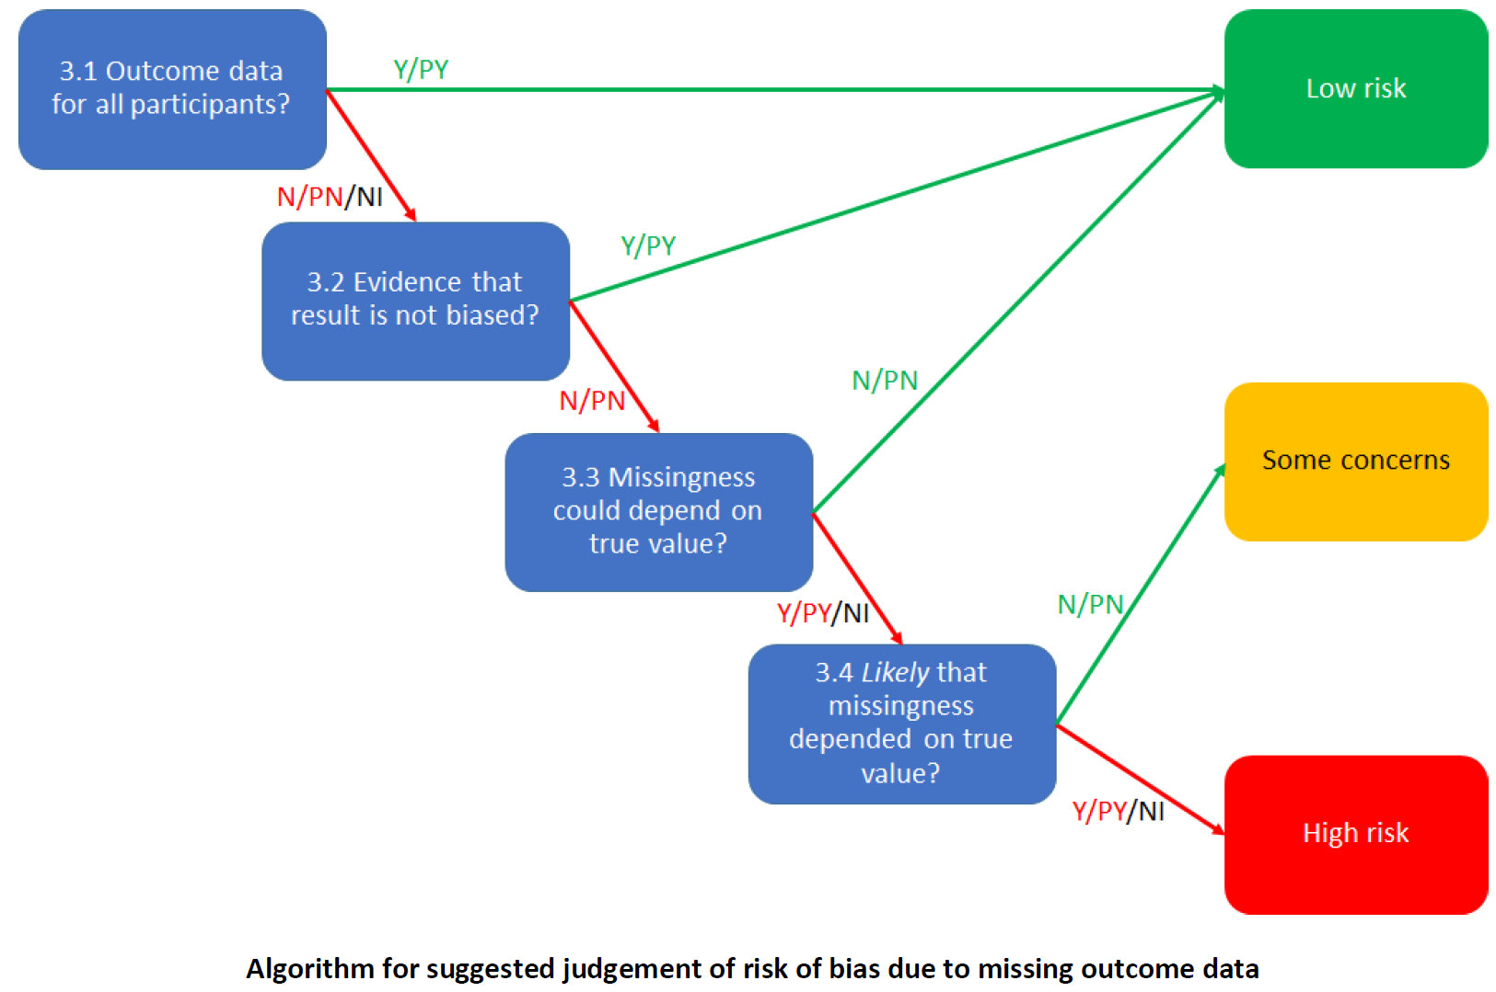
Endnote reference | 3.1 Were data for this outcome available for all, or nearly all, participants randomized? |  | 3.2 If N/PN/NI to 3.1: Is there evidence that the result was not biased by missing outcome data? |  | 3.3 If N/PN to 3.2: Could missingness in the outcome depend on its true value? |  | 3.4 If Y/PY/NI to 3.3: Is it likely that missingness in the outcome depended on its true value? |  | Risk of bias judgement | Optional: What is the predicted direction of bias due to missing outcome data?
 | Judgement | Rationale | Judgement | Rationale | Judgement | Rationale | Judgement | Rationale
{Aguilera, 2024 #14079} | PN | 14% balanced attrition, as well as an average of 20 missing days of step counts for each participant (control group had more, adaptive group had fewer missing days) | N | No evidence | PY | People with insufficient or "incorrect" step counts were excluded from the analysis | PY | People with insufficient or "incorrect" step counts were excluded from the analysis | High risk | Unpredictable
{Bickmore, 2013 #12506} | NI | 5.7% attrition, but <100 steps treated as missing too | N | No evidence | PY | Probably: people could drop out due to inactivity, or if expecting to be inactive, may not wear the pedometer | PY | Non-response or withdrawal likely affected by ability to perform physical activity | High risk | Unpredictable
{Carrasco-Hernandez, 2020 #14374} | N | 60% attrition | N | Participants were not lost to follow-up randomly, little other evidence, so no evidence the result was not biased by missing outcome data | Y | There was evidence the "variables associated with the dropout probability indicated a lack of treatment efficacy", although this was relating to smoking cessation not physical activity | NI | It is possible that people who did not improve physical activity could have dropped out, but I don't necessarily think it is "likely" - the primary outcome was smoking, where it is likely if the participants didn't stop smoking, they were more likely to drop out | High risk | Unpredictable
{Caso, 2021 #12593} | PY | 8.8% attrition | NA |  | NA |  | NA |  | Low risk | NA
{Collombon, 2024 #24737} | N | 33% to 57% unbalanced attrition | N | No evidence, drop-out related to participant characteristics and intervention group | Y | Non-response or withdrawal may have been affected by ability or willingness to perform physical activity | PY | Non-response or withdrawal likely affected by ability to perform physical activity | High risk | Unpredictable
{Coppens, 2024 #24723} | N | 69% attrition to posttest, 86% attrition to follow-up test | N | No evidence | Y | Non-response or withdrawal may have been affected by ability or willingness to perform physical activity | PY | Non-response or withdrawal likely affected by ability to perform physical activity | High risk | Unpredictable
{Coppens, 2025 #25268} | N | 65% attrition to posttest, 78% attrition to follow-up test | N | No evidence | Y | Non-response or withdrawal may have been affected by ability or willingness to perform physical activity | PY | Non-response or withdrawal likely affected by ability to perform physical activity | High risk | Unpredictable
{Hassoon, 2021 #12970} | PY | 6.7% attrition | NA |  | NA |  | NA |  | Low risk | NA
{Marcuzzi, 2023 #26774} | N | 42% attrition | N | No evidence for physical activity | Y | Non-response or withdrawal may have been affected by ability to perform physical activity | PY | Non-response or withdrawal likely affected by ability to perform physical activity | High risk | Unpredictable
{Nakata, 2022 #15082} | Y | <1% attrition | NA |  | NA |  | NA |  | Low risk | NA
{Oh, 2025 #24735} | Y | <7% attrition | NA |  | NA |  | NA |  | Low risk | NA
{Persell, 2020 #13583} | PN | 11% attrition | N | No evidence | Y | Non-response or withdrawal may have been affected by ability or willingness to perform physical activity | PY | Non-response or withdrawal likely affected by ability to perform physical activity | High risk | Unpredictable
{Rabbi, 2015 #13641} | Y | 0% attrition | NA |  | NA |  | NA |  | Low risk | NA
{Sandal, 2021 #13734} | N | 24% attrition | N | No evidence for physical activity | Y | Non-response or withdrawal may have been affected by ability to perform physical activity | PY | Non-response or withdrawal likely affected by ability to perform physical activity | High risk | Unpredictable
{Yom-Tov, 2017 #15065} | NI | No reported attrition, but no participant flowchart or other information about recruitment | N | No evidence | Y | Non-response or withdrawal may have been affected by ability to perform physical activity | PY | Non-response or withdrawal likely affected by ability to perform physical activity | High risk | Unpredictable
{Zhou, 2018 #14044} | PY | 6.3% attrition | NA |  | NA |  | NA |  | Low risk | NA
{Zhou, 2018 #15074} | Y | 0% attrition | NA |  | NA |  | NA |  | Low risk | NA

Domain 4
Domain 4: Risk of bias in measurement of the outcome

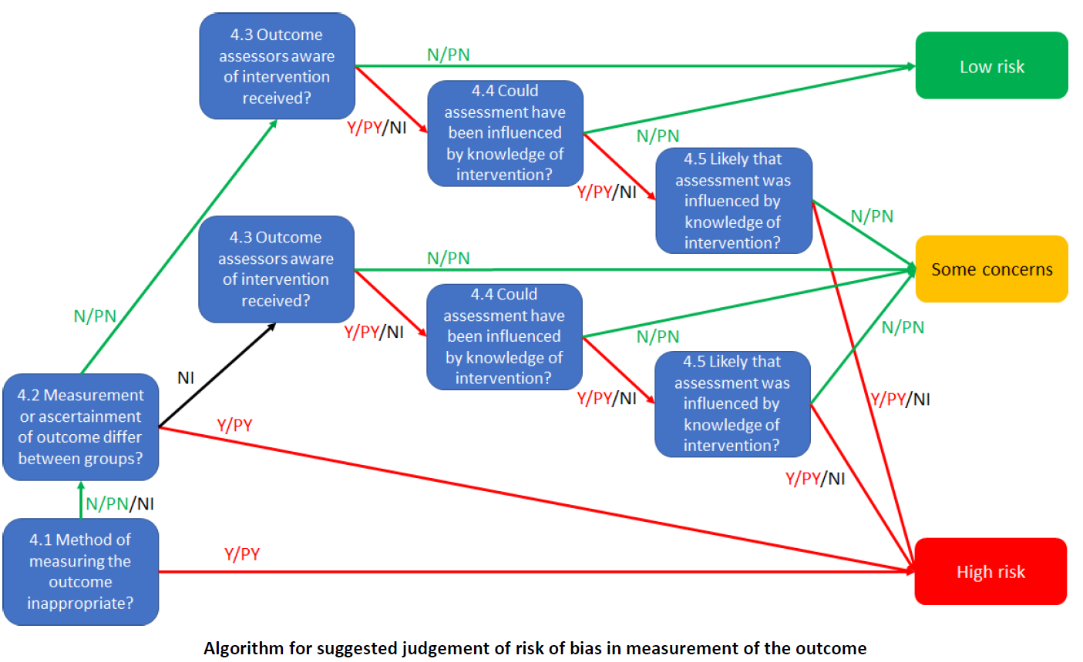
Endnote reference | 4.1 Was the method of measuring the outcome inappropriate? |  | 4.2 Could measurement or ascertainment of the outcome have differed between intervention groups? |  | 4.3 If N/PN/NI to 4.1 and 4.2: Were outcome assessors aware of the intervention received by study participants? |  | 4.4 If Y/PY/NI to 4.3: Could assessment of the outcome have been influenced by knowledge of intervention received? |  | 4.5 If Y/PY/NI to 4.4: Is it likely that assessment of the outcome was influenced by knowledge of intervention received? |  | Risk of bias judgement | Optional: What is the predicted direction of bias in measurement of the outcome?
 | Judgement | Rationale | Judgement | Rationale | Judgement | Rationale | Judgement | Rationale | Judgement | Rationale
{Aguilera, 2024 #14079} | N | Smartphone pedometer | N | Same app | N | Pedometer was objective | NA |  | NA |  | Low risk | NA
{Bickmore, 2013 #12506} | N | Pedometer | N | Same pedometer | NI | Not stated | N | Objective assessment | NA |  | Low risk | NA
{Carrasco-Hernandez, 2020 #14374} | PN | Self-report, but uses the IPAQ, which seems fine | PN | Same questionnaire | N | Self-report, and participants were blinded | NA |  | NA |  | Low risk | NA
{Caso, 2021 #12593} | Y | Self-report, when the participants were instructed to download an app to measure, then report, daily step counts | NA |  | NA |  | NA |  | NA |  | High risk | Unpredictable
{Collombon, 2024 #24737} | N | Accelerometer, also self-report | N | Same accelerometer & questionnaire | N | Accelerometer was objective | NA |  | NA |  | Low risk | NA
{Coppens, 2024 #24723} | PN | Self-report using EHIS-PAQ | N | Same questionnaire | PN | Stated double blind & self-reported | NA |  | NA |  | Low risk | NA
{Coppens, 2025 #25268} | PN | Self-report using EHIS-PAQ | N | Same questionnaire | PN | Stated double blind & self-reported | NA |  | NA |  | Low risk | NA
{Hassoon, 2021 #12970} | PN | "Sensors" | N | Same sensors | N | Sensors were objective | NA |  | NA |  | Low risk | NA
{Marcuzzi, 2023 #26774} | PN | Self-report | PN | Same questionnaire | Y | Self-report, and participants were not blinded | Y | Self-reported physical activity, allocation known | PY | Self-reported physical activity, allocation known, may well have affected responses | High risk | Unpredictable
{Nakata, 2022 #15082} | N | Accelerometer | N | Same accelerometer & questionnaire | N | Sensors were objective | NA |  | NA |  | Low risk | NA
{Oh, 2025 #24735} | N | Smartphone pedometer | N | Same app | N | Pedometer was objective | NA |  | NA |  | Low risk | NA
{Persell, 2020 #13583} | PY | Self-report, little information about questionnaire | NA |  | NA |  | NA |  | NA |  | High risk | Unpredictable
{Rabbi, 2015 #13641} | PN | Accelerometer, possibly with self-report too | N | Same app & questionnaire | PY | For questionnaires, the questioner was aware of intervention allocation | PN | Possible, but unlikely, especially as accelerometer data likely makes up the majority of walking time | NA |  | Low risk | NA
{Sandal, 2021 #13734} | PN | Self-report, and question was both non-comprehensive and around physical activity over the past year while the intervention lasted 9 months, so some overlap between baseline and follow-up. Probably ok, but not the best outcome | PN | Same questionnaire | Y | Self-report, and participants were not blinded | Y | Self-reported physical activity, allocation known | PY | Self-reported physical activity, allocation known, may well have affected responses (only 4 options) | High risk | Unpredictable
{Yom-Tov, 2017 #15065} | N | Smartphone pedometer | N | Same smartphone pedometer | N | Pedometer was objective | NA |  | NA |  | Low risk | NA
{Zhou, 2018 #14044} | N | Smartphone pedometer | N | Same app | N | Pedometer was objective | NA |  | NA |  | Low risk | NA
{Zhou, 2018 #15074} | PN | Likely smartphone pedometer | PN | Likely recorded by the same app | N | Stated to be objective | NA |  | NA |  | Low risk | NA

Domain 5
Domain 5: Risk of bias in selection of the reported result

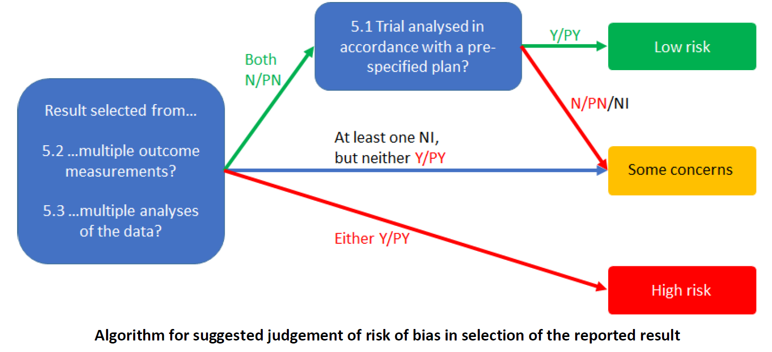
Endnote reference | 5.1 Were the data that produced this result analysed in accordance with a pre-specified analysis plan that was finalized before unblinded outcome data were available for analysis? |  | 5.2. Is the numerical result being assessed likely to have been selected, on the basis of the results, from multiple eligible outcome measurements (e.g. scales, definitions, time points) within the outcome domain? |  | 5.3. Is the numerical result being assessed likely to have been selected, on the basis of the results, from multiple eligible analyses of the data? |  | Risk of bias judgement | Optional: What is the predicted direction of bias due to selection of the reported result?
 | Judgement | Rationale | Judgement | Rationale | Judgement | Rationale
{Aguilera, 2024 #14079} | N | Protocol stated the analysis would be intention-to-treat using a full-information maximum likelihood (to handle missing data), but the anaysis was a linear mixed model with no information about using full-information maximum likelihood | N | Objective step count | PN | Unlikely to have been selected | Some concerns | Unpredictable
{Bickmore, 2013 #12506} | N | No protocol or analysis plan reported | N | Objective step count | PN | Unlikely to have been selected | Some concerns | Unpredictable
{Carrasco-Hernandez, 2020 #14374} | N | No pre-specified analysis plan | PN | Unlikely, although IPAQ could have been analysed continuously, rather than "improved, no change, or declined" | PN | Unlikely to have been selected | Some concerns | Unpredictable
{Caso, 2021 #12593} | N | No protocol or analysis plan reported | NI | Unclear why reported step count was not used rather than self-reported days with more than 7,000 steps | PN | Unlikely to have been selected | Some concerns | Unpredictable
{Collombon, 2024 #24737} | N | Protocol doesn't give an analysis plan, and there was no analysis plan available in the OSF page for the study | N | Objective & subjective step count, limited options here | PN | Unlikely to have been selected | Some concerns | Unpredictable
{Coppens, 2024 #24723} | N | No protocol or analysis plan reported | PN | One questionnaire, a few ways to analyse it, but seems reasonable | PN | Unlikely to have been selected | Some concerns | Unpredictable
{Coppens, 2025 #25268} | N | No protocol or analysis plan reported | NI | Numerical results not given, just p values | NI | Numerical results not given, just p values | Some concerns | Unpredictable
{Hassoon, 2021 #12970} | N | No protocol or analysis plan reported | N | Objective step count | PN | Unlikely to have been selected | Some concerns | Unpredictable
{Marcuzzi, 2023 #26774} | Y | Protocol available, analysis used was pre-specified | N | Unlikely to have been selected on the basis of results | N | Unlikely to have been selected | Low risk | NA
{Nakata, 2022 #15082} | N | No protocol or analysis plan reported | N | Objective step count | PN | Unlikely to have been selected | Some concerns | Unpredictable
{Oh, 2025 #24735} | N | No protocol or analysis plan reported (the clinicaltrials.gov supplement doesn't have a full statistical analysis plan) | N | Objective step count | PN | Unlikely to have been selected | Some concerns | Unpredictable
{Persell, 2020 #13583} | Y | No deviations from protocol | PN | Only one questionnaire | PN | Unlikely to have been selected | Low risk | NA
{Rabbi, 2015 #13641} | N | No protocol or analysis plan reported | PY | Only walking data presented, no other physical activity or inactivity reported, despite the study discussing running and stationary time being recorded by the app and these being relevant outcomes | PN | Unlikely to have been selected | High risk | Favours experimental
{Sandal, 2021 #13734} | Y | Protocol and statistical analysis plan available, analysis used was pre-specified, although another analysis was pre-specified but not reported (ordinal logistic regression) | N | Unlikely to have been selected on the basis of results | N | Unlikely to have been selected | Low risk | NA
{Yom-Tov, 2017 #15065} | N | No protocol or analysis plan reported | N | Objective minutes of walking | PN | Unlikely to have been selected | Some concerns | Unpredictable
{Zhou, 2018 #14044} | N | No protocol or analysis plan reported | N | Objective step count | PN | Unlikely to have been selected | Some concerns | Unpredictable
{Zhou, 2018 #15074} | N | No protocol or analysis plan reported | N | Objective step count | PN | Unlikely to have been selected | Some concerns | Unpredictable

