TableS2
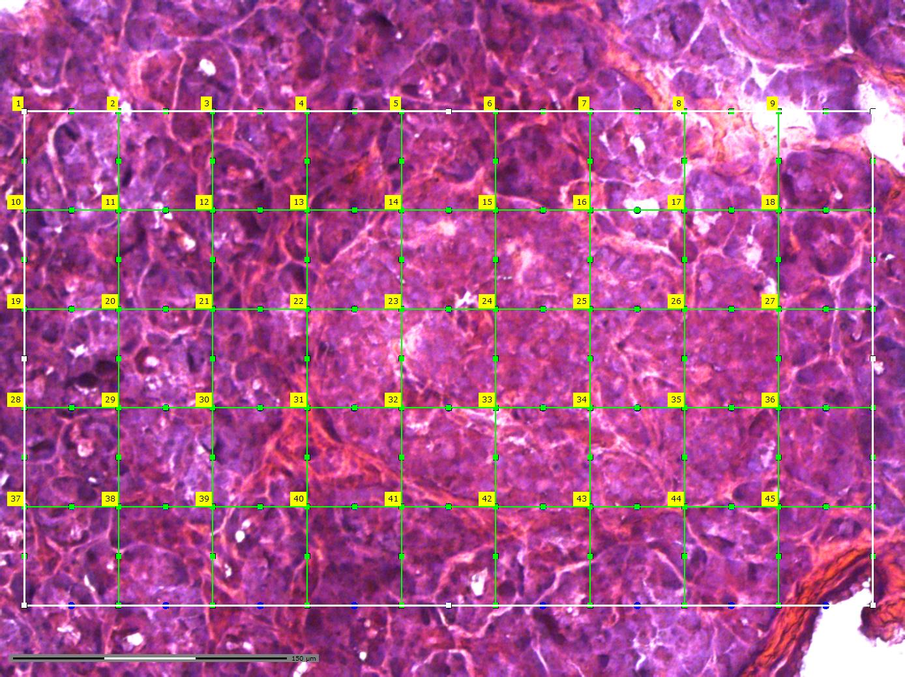
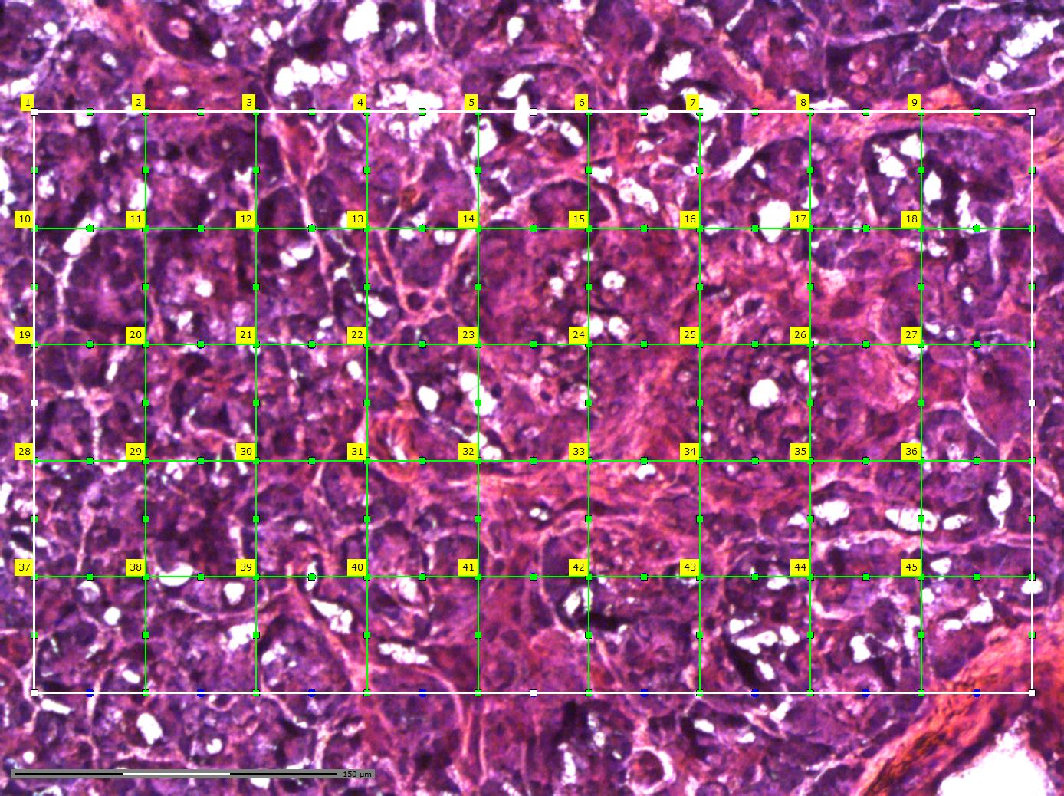
Supplementary Table 2 | LCM pixelation scheme and tissue pixel collection information. Details of the laser capture microdissection pixelation strategy used to sample the target islet and surrounding peri-islet tissue. The table includes section information, grid positions, collection status, and the corresponding nanoPOTS sample locations used for downstream proteomic processing.

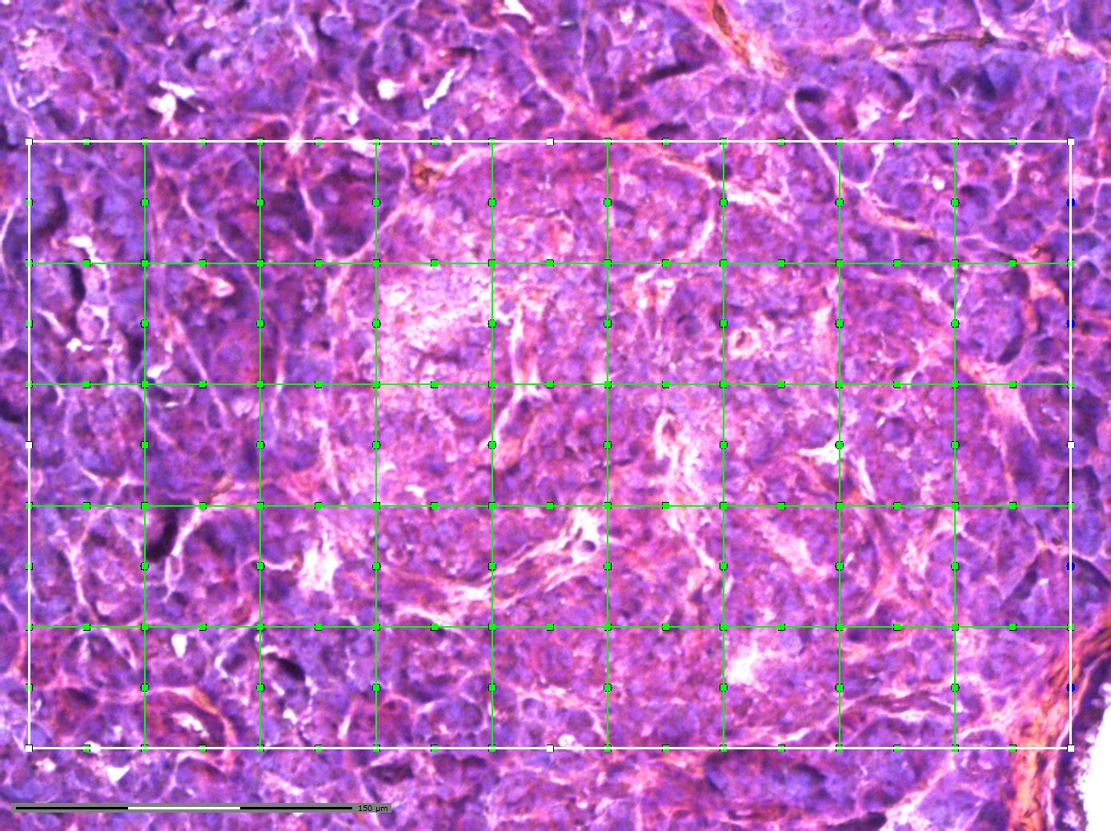
 |  | nanoPOTS column
Slide# | Simple Slide # in this study | 3 | 4 | 5 | 6 | 7 | 8 | 9 | 10 | 11
Slide 60 | Slide 1 | x60A3 | x60A4 | x60A5 | x60A6 | x60A7 | x60A8 | x60A9 | x60A10 | x60A11 | A
 |  | x60B3 | x60B4 | x60B5 | x60B6 | x60B7 | x60B8 | x60B9 | x60B10 | x60B11 | B
 |  | x60C3 | x60C4 | x60C5 | x60C6 | x60C7 | x60C8 | x60C9 | x60C10 | x60C11 | C
 |  | x60D3 | x60D4 | x60D5 | x60D6 | x60D7 | x60D8 | x60D9 | x60D10 | x60D11 | D
 |  | x60E3 | x60E4 | x60E5 | x60E6 | x60E7 | x60E8 | x60E9 | x60E10 | x60E11 | E

Slide 64 | Slide 3 | x64A3 | x64A4 | x64A5 | x64A6 | x64A7 | x64A8 | x64A9 | x64A10 | x64A11 | A
 |  | x64B3 | x64B4 | x64B5 | x64B6 | x64B7 | x64B8 | x64B9 | x64B10 | x64B11 | B
 |  | x64C3 | x64C4 | x64C5 | x64C6 | x64C7 | x64C8 | x64C9 | x64C10 | x64C11 | C
 |  | x64D3 | x64D4 | x64D5 | x64D6 | x64D7 | x64D8 | x64D9 | x64D10 | x64D11 | D
 |  | x64E3 | x64E4 | x64E5 | x64E6 | x64E7 | x64E8 | x64E9 | x64E10 | x64E11 | E

Slide 68 | Slide 4 | x68A3 | x68A4 | x68A5 | x68A6 | x68A7 | x68A8 | x68A9 | x68A10 | x68A11 | A
 |  | x68B3 | x68B4 | x68B5 | x68B6 | x68B7 | x68B8 | x68B9 | x68B10 | x68B11 | B
 |  | x68C3 | x68C4 | x68C5 | x68C6 | x68C7 | x68C8 | x68C9 | x68C10 | x68C11 | C
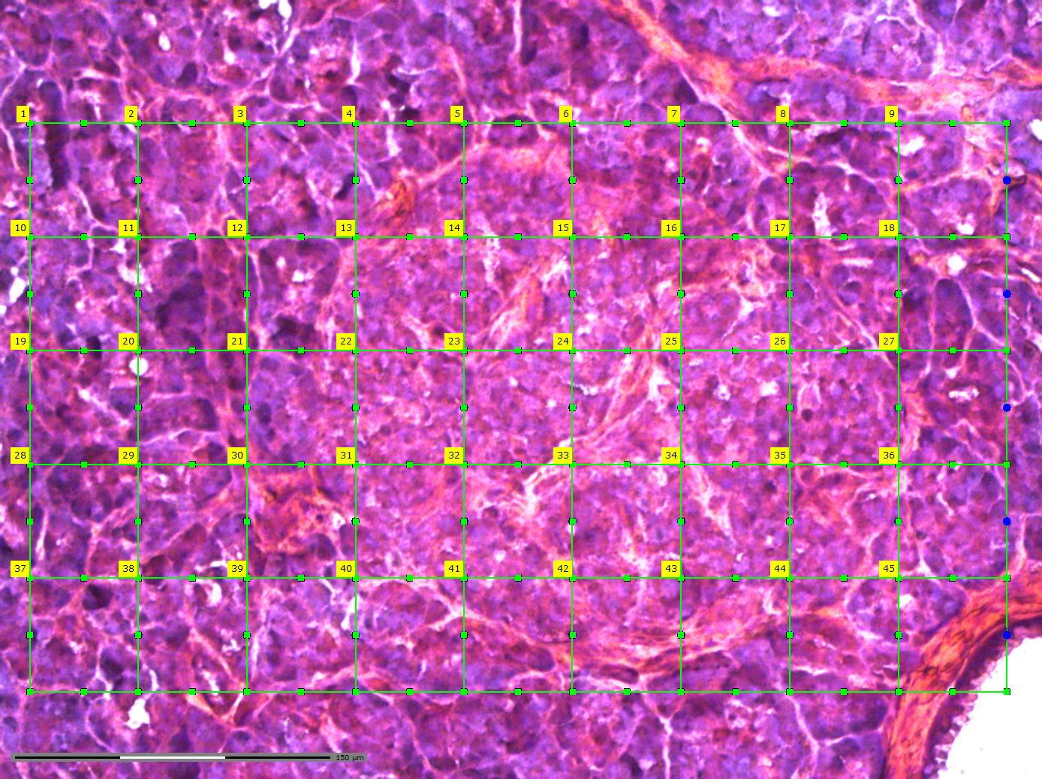
 |  | x68D3 | x68D4 | x68D5 | x68D6 | x68D7 | x68D8 | x68D9 | x68D10 | x68D11 | D
 |  | x68E3 | x68E4 | x68E5 | x68E6 | x68E7 | x68E8 | x68E9 | x68E10 | x68E11 | E

Slide 72 | Slide 5 | x72A3 | x72A4 | x72A5 | x72A6 | x72A7 | x72A8 | x72A9 | x72A10 | x72A11 | A
 |  | x72B3 | x72B4 | x72B5 | x72B6 | x72B7 | x72B8 | x72B9 | x72B10 | x72B11 | B
 |  | x72C3 | x72C4 | x72C5 | x72C6 | x72C7 | x72C8 | x72C9 | x72C10 | x72C11 | C
 |  | x72D3 | x72D4 | x72D5 | x72D6 | x72D7 | x72D8 | x72D9 | x72D10 | x72D11 | D
 |  | x72E3 | x72E4 | x72E5 | x72E6 | x72E7 | x72E8 | x72E9 | x72E10 | x72E11 | E

 |  | Missing sample

