RoB2 - Domain 1
Domain 1: Risk of bias arising from the randomization process

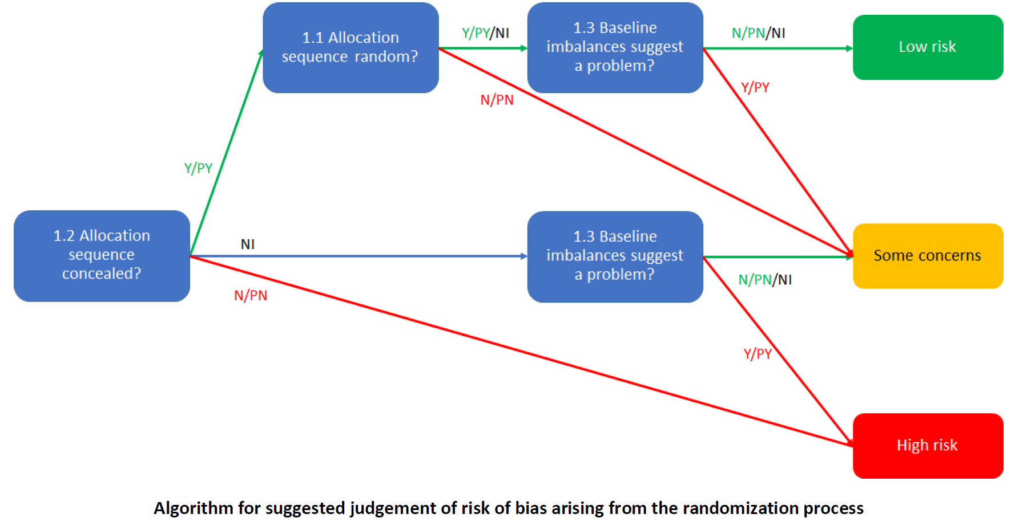
Endnote reference | 1.1 Was the allocation sequence random? |  | 1.2 Was the allocation sequence concealed until participants were enrolled and assigned to interventions? |  | 1.3 Did baseline differences between intervention groups suggest a problem with the randomization process? |  | Risk of bias judgement | Optional: What is the predicted direction of bias arising from the randomization process?
 | Judgement | Rationale | Judgement | Rationale | Judgement | Rationale
{Dulin, 2022 #1695} | NI | Not stated | NI | Not stated | NI | No baseline characteristics of allocated population, only analysis sample | Some concerns | Unpredictable
{Guertler, 2025 #6955} | Y | Computer generated randomization | Y | Stated "Group allocation was not revealed to students until they provided informed consent", and those conducting introductions were blinded | PN | Some baseline imbalances, but consistent with cluster randomization | Low risk | NA
{Haug, 2022 #6231} | Y | Computer generated randomization | Y | Stated "recruiting prevention experts were blinded to the group allocation of school classes until the study participants had provided their informed consent" | N | No obvious baseline imbalances | Low risk | NA
{Zill, 2019 #1856} | Y | Computer generated list of numbers | Y | "Concealed allocation" | N | No obvious imbalances | Low risk | NA

RoB2 - Domain 2 ITT
Domain 2: Risk of bias due to deviations from the intended interventions (effect of assignment to intervention)

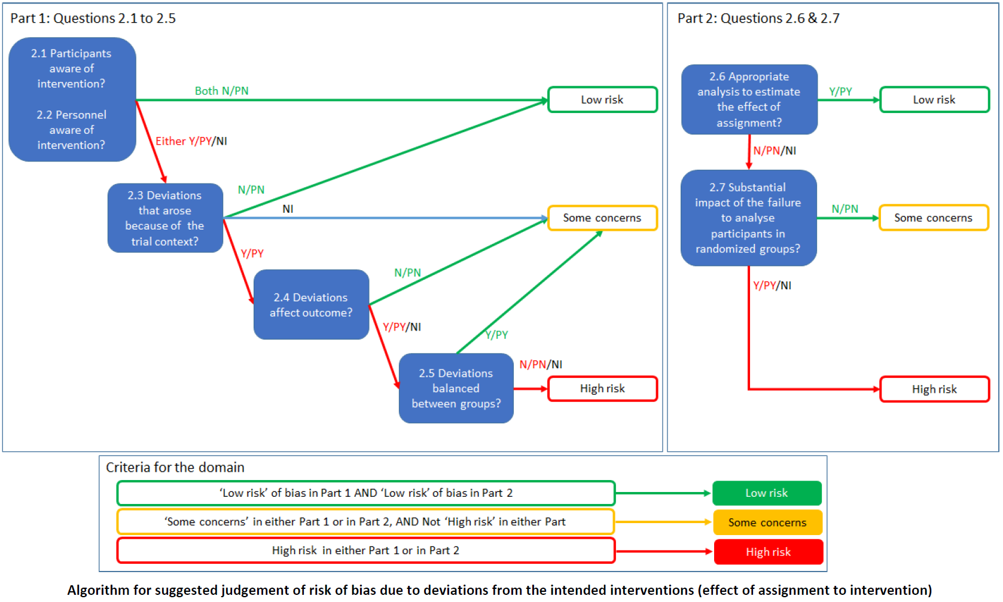
Endnote reference | 2.1. Were participants aware of their assigned intervention during the trial? |  | 2.2. Were carers and people delivering the interventions aware of participants' assigned intervention during the trial? |  | 2.3. If Y/PY/NI to 2.1 or 2.2: Were there deviations from the intended intervention that arose because of the trial context? |  | 2.4 If Y/PY to 2.3: Were these deviations likely to have affected the outcome? |  | 2.5. If Y/PY/NI to 2.4: Were these deviations from intended intervention balanced between groups? |  | 2.6 Was an appropriate analysis used to estimate the effect of assignment to intervention? |  | 2.7 If N/PN/NI to 2.6: Was there potential for a substantial impact (on the result) of the failure to analyse participants in the group to which they were randomized? |  | Risk of bias judgement | Optional: What is the predicted direction of bias due to deviations from intended interventions?
 | Judgement | Rationale | Judgement | Rationale | Judgement | Rationale | Judgement | Rationale | Judgement | Rationale | Judgement | Rationale | Judgement | Rationale
{Dulin, 2022 #1695} | NI | Not stated | NI | Not stated | PN | Deviations unlikely because of context | NA |  | NA |  | PY | Likely ITT, ANOVA | NA |  | Low risk | NA
{Guertler, 2025 #6955} | Y | Stated participants were only blinded until informed consent given | PN | Some school staff unblinded, but most not | PN | Deviations unlikely because of context | NA |  | NA |  | Y | ITT, generalized linear model, multiple imputation | NA |  | Low risk | NA
{Haug, 2022 #6231} | PY | Not stated explicitly, but likely given context and specification of staff blinding | PY | Not stated explicitly, but likely given context (some classes randomized to intervention, some to control) | PN | Deviations unlikely because of context | NA |  | NA |  | Y | ITT, GLMM, multiple imputation | NA |  | Low risk | NA
{Zill, 2019 #1856} | NI | Not stated | Y | Outcome assessors were aware of group allocation | PN | Deviations unlikely because of context | NA |  | NA |  | Y | ITT, ANCOVA | NA |  | Low risk | NA

RoB2 - Domain 3
Domain 3: Risk of bias due to missing outcome data

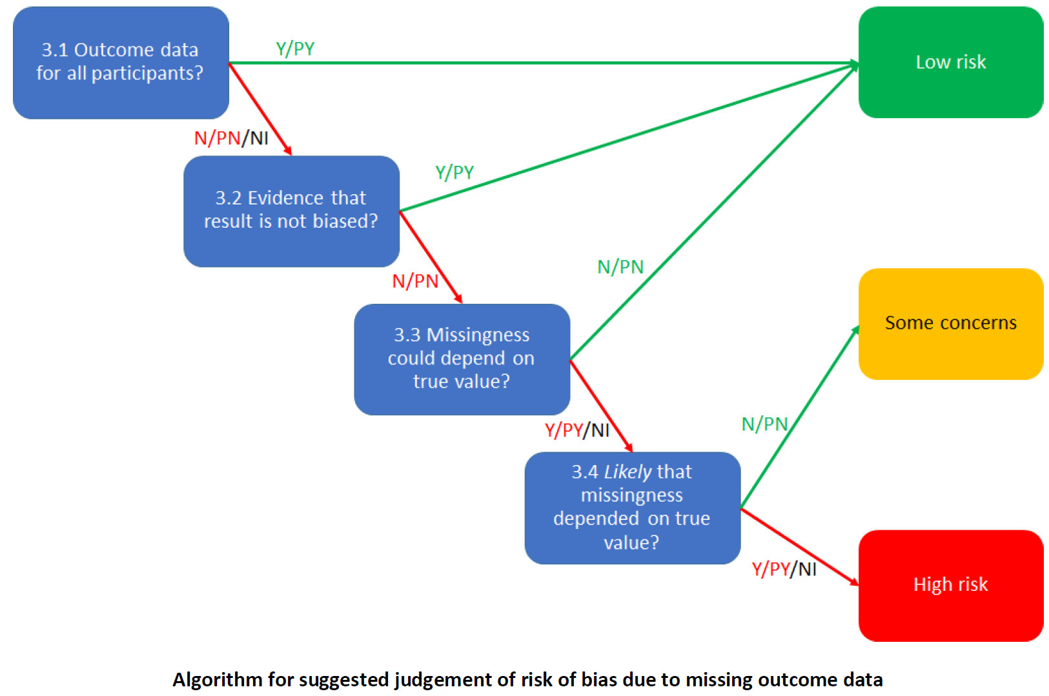
Endnote reference | 3.1 Were data for this outcome available for all, or nearly all, participants randomized? |  | 3.2 If N/PN/NI to 3.1: Is there evidence that the result was not biased by missing outcome data? |  | 3.3 If N/PN to 3.2: Could missingness in the outcome depend on its true value? |  | 3.4 If Y/PY/NI to 3.3: Is it likely that missingness in the outcome depended on its true value? |  | Risk of bias judgement | Optional: What is the predicted direction of bias due to missing outcome data?
 | Judgement | Rationale | Judgement | Rationale | Judgement | Rationale | Judgement | Rationale
{Dulin, 2022 #1695} | N | >40% attrition overall (unclear attrition by study group) | N | No evidence presented | Y | People who do not reduce/abstain from drinking could be more likely to drop-out | PY | People who do not reduce/abstain from drinking are probably more likely to drop-out | High risk | Unpredictable
{Guertler, 2025 #6955} | N | 66% and 75% unbalanced attrition | N | No evidence the result was not biased by missing data | Y | Missingness was related to baseline alcohol use | Y | People who do not reduce/abstain from drinking are probably more likely to drop-out | High risk | Unpredictable
{Haug, 2022 #6231} | N | 23% to 36% unbalanced attrition | N | No evidence the result was not biased by missing data | Y | Missingness likely related to alcohol use | Y | People who do not reduce/abstain from drinking are probably more likely to drop-out | High risk | Unpredictable
{Zill, 2019 #1856} | N | Imbalanced, high attrition: 37% in the intervention group, 23% in the control group | N | No evidence presented | Y | People who do not reduce/abstain from drinking could be more likely to drop-out | PY | People who do not reduce/abstain from drinking are probably more likely to drop-out | High risk | Unpredictable

RoB2 - Domain 4
Domain 4: Risk of bias in measurement of the outcome

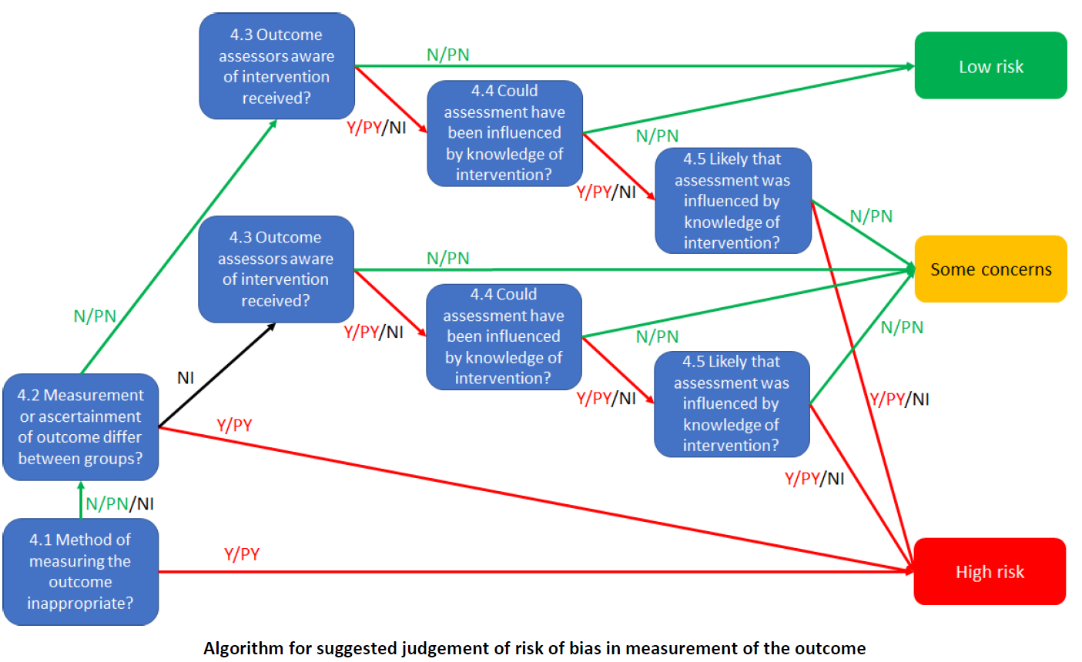
Endnote reference | 4.1 Was the method of measuring the outcome inappropriate? |  | 4.2 Could measurement or ascertainment of the outcome have differed between intervention groups? |  | 4.3 If N/PN/NI to 4.1 and 4.2: Were outcome assessors aware of the intervention received by study participants? |  | 4.4 If Y/PY/NI to 4.3: Could assessment of the outcome have been influenced by knowledge of intervention received? |  | 4.5 If Y/PY/NI to 4.4: Is it likely that assessment of the outcome was influenced by knowledge of intervention received? |  | Risk of bias judgement | Optional: What is the predicted direction of bias in measurement of the outcome?
 | Judgement | Rationale | Judgement | Rationale | Judgement | Rationale | Judgement | Rationale | Judgement | Rationale
{Dulin, 2022 #1695} | PN | Self-report (30 day recall) | N | Same questionnaire | NI | Not stated if participants were blinded | Y | Self-reported alcohol consumption could have been influenced by knowledge of group allocation | NI | Unclear as participant blinding not reported, but possible | High risk | Unpredictable
{Guertler, 2025 #6955} | PN | Self-report | N | Same questionnaire | Y | Self-report, participants not blinded | Y | Self-reported alcohol consumption could have been influenced by knowledge of group allocation | PY | Self-reported alcohol use was probably influenced by knowledge of group allocation | High risk | Unpredictable
{Haug, 2022 #6231} | PN | Self-report | N | Same questionnaire | PY | Assessors blinded, but self-report, and participants not blinded | Y | Self-reported alcohol consumption could have been influenced by knowledge of group allocation | PY | Self-reported alcohol use was probably influenced by knowledge of group allocation | High risk | Unpredictable
{Zill, 2019 #1856} | PN | Self-report (30- and 7- day recall) | N | Same questionnaire | NI | Not stated if participants were blinded | Y | Self-reported alcohol consumption could have been influenced by knowledge of group allocation | NI | Unclear as participant blinding not reported, but possible | High risk | Unpredictable

RoB2 - Domain 5
Domain 5: Risk of bias in selection of the reported result

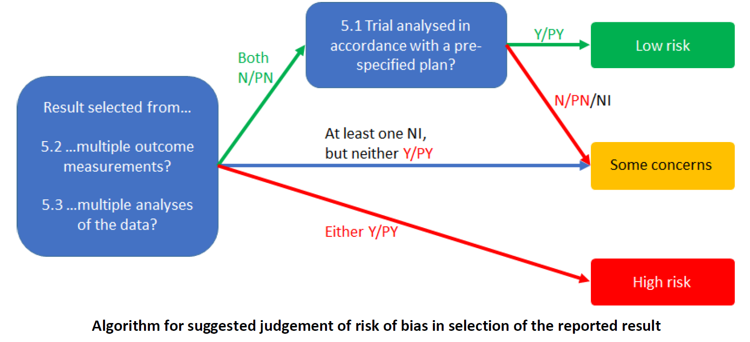
Endnote reference | 5.1 Were the data that produced this result analysed in accordance with a pre-specified analysis plan that was finalized before unblinded outcome data were available for analysis? |  | 5.2. Is the numerical result being assessed likely to have been selected, on the basis of the results, from multiple eligible outcome measurements (e.g. scales, definitions, time points) within the outcome domain? |  | 5.3. Is the numerical result being assessed likely to have been selected, on the basis of the results, from multiple eligible analyses of the data? |  | Risk of bias judgement | Optional: What is the predicted direction of bias due to selection of the reported result?
 | Judgement | Rationale | Judgement | Rationale | Judgement | Rationale
{Dulin, 2022 #1695} | N | The protocol says the outcomes would be measured at 16 weeks, not 12 weeks, and this was not explained. Percent abstinent days was also not reported in the ANOVA | N | Limited options, likely fine | N | Limited options, likely fine | Some concerns | Unpredictable
{Guertler, 2025 #6955} | Y | No relevant deviations from published protocol | N | Limited options, likely fine | PN | Possible, as different distributions in the generalized linear models may give different results, but likely fine | Low risk | NA
{Haug, 2022 #6231} | Y | No deviations from published protocol | N | All outcomes reported | N | All options reported | Low risk | NA
{Zill, 2019 #1856} | Y | No deviations from protocol for relevant outcomes | N | Limited options, likely fine | N | Limited options, likely fine | Low risk | NA

