RoB2 - Domain 1
Domain 1: Risk of bias arising from the randomization process

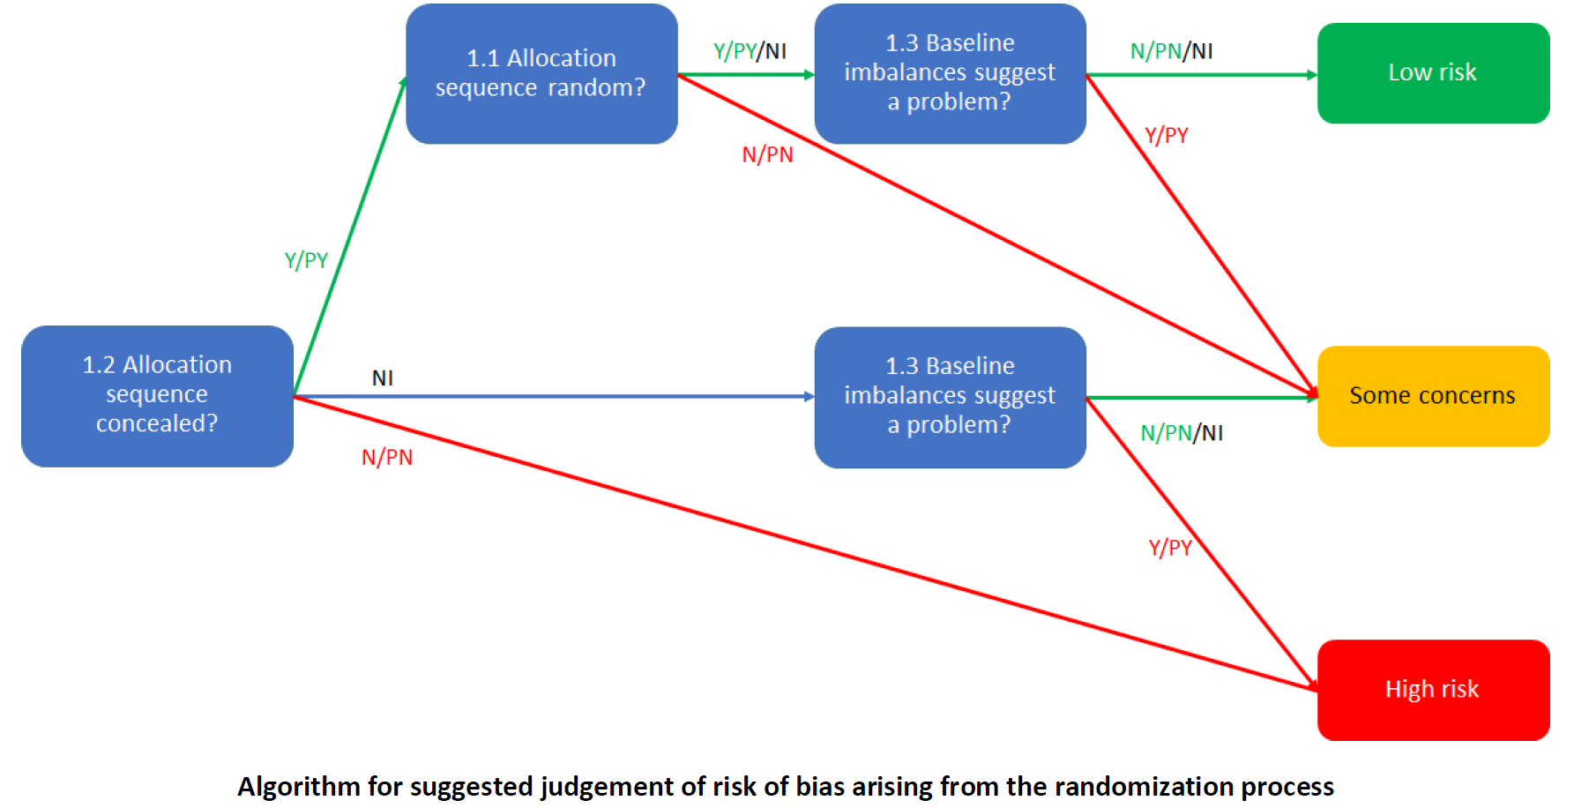
Endnote reference | 1.1 Was the allocation sequence random? |  | 1.2 Was the allocation sequence concealed until participants were enrolled and assigned to interventions? |  | 1.3 Did baseline differences between intervention groups suggest a problem with the randomization process? |  | Risk of bias judgement | Optional: What is the predicted direction of bias arising from the randomization process?
 | Judgement | Rationale | Judgement | Rationale | Judgement | Rationale
{Bricker, 2024 #4204} | NI | Not stated | NI | Not stated | N | No obvious baseline imbalances | Some concerns | Unpredictable
{Carrasco-Hernandez, 2020 #3717} | Y | Random-group table using "computer methods" | NI | Unclear if study staff could access the whole random-group table, and would therefore know upcoming allocations | PY | Several baseline imbalances (proportion female (11% difference, p=0.09), age (2.5 years difference, p=0.05), smoking cessation attempts (0.26 difference, p=0.045), maximum abstinence time (3.2 difference, p=0.003), Charlson index (0.25 difference, p=0.06) | High risk | Unpredictable
{Faro, 2023 #4214} | Y | Table of random blocks of different sizes (8 and 12 participants) | Y | Stated in Sadasivam 2022 that "study staff were blinded to both randomization and allocation", and that randomization and allocation were automated within the app | PN | Baseline imbalances of ~10% in sex and education level between the 4 intervention groups (p<0.05 for both), only 8 baseline variables presented, probably not enough to suggest a problem | Low risk | NA
{Masaki, 2020 #3762} | Y | Computer-generated random sequence | NI | Not stated | N | No obvious baseline imbalances | Some concerns | Unpredictable
{Olano-Espinosa, 2022 #4298} | PY | Randomized via "computer software" | Y | Stated in protocol that randomizatino was masked until after recruitment | N | No obvious baseline imbalances | Low risk | NA
{Perski, 2019 #3899} | PY | Simple randomization in-app | NI | Not stated | Y | The authors stated there was a coding error that caused the allocation ratio to change over time (8% to 19%), which is lower than the allocated 20% | High risk | Unpredictable
{Sadasivam, 2016 #4243} | Y | Prespecified, block-randomization allocation table (blocks of 10) | NI | Not stated | N | No obvious baseline imbalances | Some concerns | Unpredictable
{Guertler, 2025 #7387} | Y | Computer generated randomization | Y | Stated "Group allocation was not revealed to students until they provided informed consent", and those conducting introductions were blinded | PN | Some baseline imbalances, but consistent with cluster randomization | Low risk | NA
{Guo, 2023 #4763} | NI | "randomization sequence with a 1:1 allocation ratio and permuted block of 4, 8, or 12 was generated by a non-investigator" - no mention of how the randomisation was generated | Y | Sequentially numbered, sealed, opaque envelopes | N | No obvious baseline imbalances | Low risk | NA
{Haug, 2022 #3604} | Y | Computer generated randomization | Y | Stated "recruiting prevention experts were blinded to the group allocation of school classes until the study participants had provided their informed consent" | N | No obvious baseline imbalances | Low risk | NA
{Hors-Fraile, 2022 #4731} | Y | Java-script | NI | Not stated | N | No obvious baseline imbalances | Some concerns | Unpredictable
{Jackson, 2024 #4759} | Y | Randomization within Qualtrics | Y | Randomised after baseline questionnaire | N | No obvious baseline imbalances | Low risk | NA

RoB2 - Domain 2 ITT
Domain 2: Risk of bias due to deviations from the intended interventions (effect of assignment to intervention)

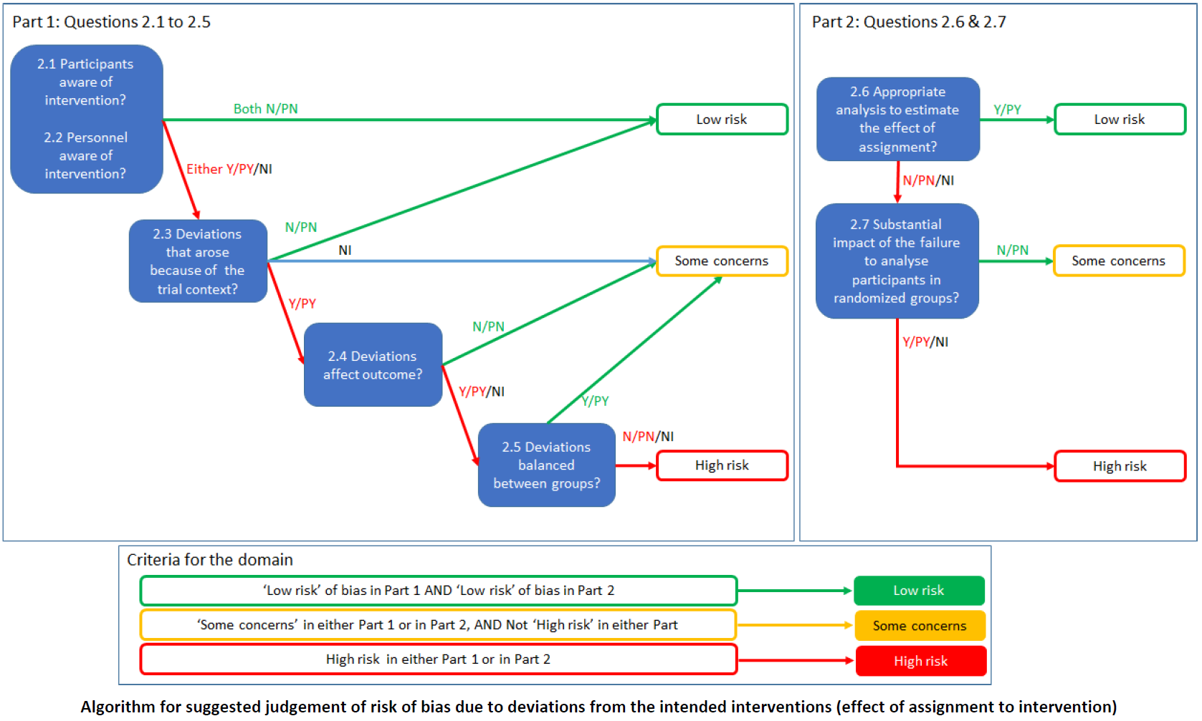
Endnote reference | 2.1. Were participants aware of their assigned intervention during the trial? |  | 2.2. Were carers and people delivering the interventions aware of participants' assigned intervention during the trial? |  | 2.3. If Y/PY/NI to 2.1 or 2.2: Were there deviations from the intended intervention that arose because of the trial context? |  | 2.4 If Y/PY to 2.3: Were these deviations likely to have affected the outcome? |  | 2.5. If Y/PY/NI to 2.4: Were these deviations from intended intervention balanced between groups? |  | 2.6 Was an appropriate analysis used to estimate the effect of assignment to intervention? |  | 2.7 If N/PN/NI to 2.6: Was there potential for a substantial impact (on the result) of the failure to analyse participants in the group to which they were randomized? |  | Risk of bias judgement | Optional: What is the predicted direction of bias due to deviations from intended interventions?
 | Judgement | Rationale | Judgement | Rationale | Judgement | Rationale | Judgement | Rationale | Judgement | Rationale | Judgement | Rationale | Judgement | Rationale
{Bricker, 2024 #4204} | N | Stated as "double-blind" | PN | Research staff stated to be blinded to assignments in protocol | NA |  | NA |  | NA |  | Y | ITT, logistic regression | NA |  | Low risk | NA
{Carrasco-Hernandez, 2020 #3717} | N | Participants stated to be blinded to allocation (both groups thought they received usual care) | NI | Not stated | PN | Deviations unlikely because of context | NA |  | NA |  | Y | ITT, logistic regression | NA |  | Low risk | NA
{Faro, 2023 #4214} | NI | Not stated, unclear if participants knew of the interventions and therefore which one they received | N | Staff stated to have been blinded at follow-up | PN | Deviations unlikely because of context | NA |  | NA |  | Y | ITT, logistic regression | NA |  | Low risk | NA
{Masaki, 2020 #3762} | N | Participants stated to be blinded to allocation | Y | Research staff stated to be not blinded | PN | Deviations unlikely because of context | NA |  | NA |  | Y | ITT, logistic regression | NA |  | Low risk | NA
{Olano-Espinosa, 2022 #4298} | Y | Stated participants were not blinded | Y | Stated staff were not blinded | PN | Deviations unlikely because of context | NA |  | NA |  | Y | ITT, logistic regression | NA |  | Low risk | NA
{Perski, 2019 #3899} | NI | Not stated (unclear if participants knew they were in an experimental study) | NI | Not stated | PN | Deviations unlikely because of context | NA |  | NA |  | Y | ITT, logistic regression | NA |  | Low risk | NA
{Sadasivam, 2016 #4243} | NI | Not stated | N | Staff stated to have been blinded at follow-up | PN | Deviations unlikely because of context | NA |  | NA |  | PY | Likely ITT, Chi-squared analysis | NA |  | Low risk | NA
{Guertler, 2025 #7387} | Y | Stated participants were only blinded until informed consent given | PN | Some school staff unblinded, but most not | PN | Deviations unlikely because of context | NA |  | NA |  | Y | ITT, generalized linear model, multiple imputation | NA |  | Low risk | NA
{Guo, 2023 #4763} | Y | Stated participants were not blinded | Y | Research staff stated to be not blinded | PN | Deviations unlikely because of context | NA |  | NA |  | Y | ITT, logistic regression | NA |  | Low risk | NA
{Haug, 2022 #3604} | PY | Not stated explicitly, but likely given context and specification of staff blinding | PY | Not stated explicitly, but likely given context (some classes randomized to intervention, some to control) | PN | Deviations unlikely because of context | NA |  | NA |  | Y | ITT, GLMM, multiple imputation | NA |  | Low risk | NA
{Hors-Fraile, 2022 #4731} | N | Participants stated to be blinded to allocation | N | No one involved with delivering intervention - app only | NA |  | NA |  | NA |  | PN | Per-protocol: dropouts excluded, with a study-specific definition of "dropout" that included no longer interacting with the app, and no information on the number of dropouts | Y | Participants not interacting the interventions enough were likely less likely to stop smoking, and the number of dropouts by group were not reported | High risk | Unpredictable
{Jackson, 2024 #4759} | NI | Not stated | N | Staff stated to have been blinded | PN | Deviations unlikely because of context | NA |  | NA |  | Y | ITT, log-binomial regression | NA |  | Low risk | NA

RoB2 - Domain 3
Domain 3: Risk of bias due to missing outcome data

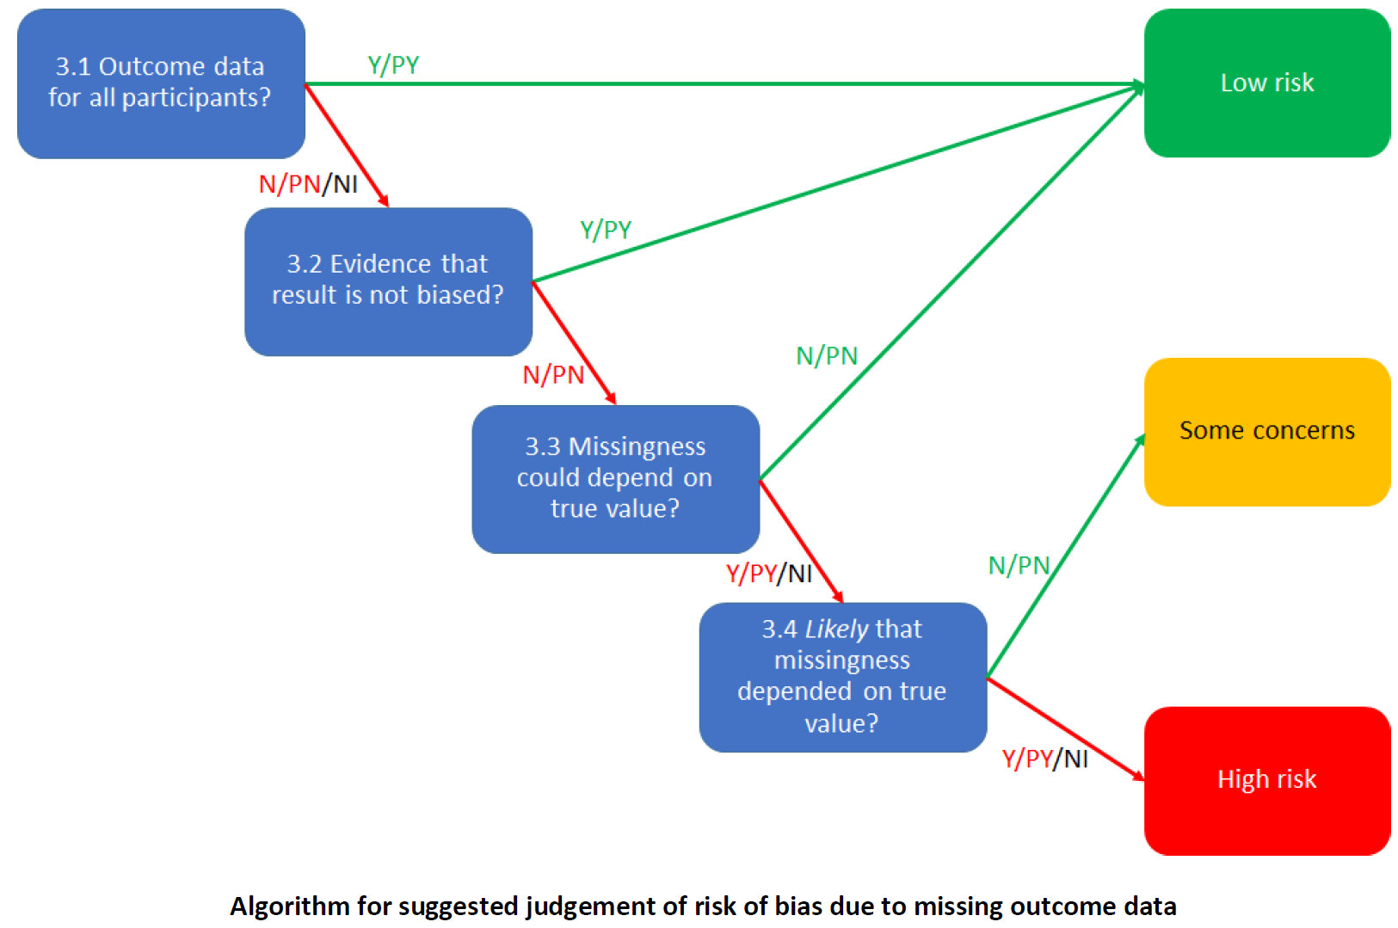
Endnote reference | 3.1 Were data for this outcome available for all, or nearly all, participants randomized? |  | 3.2 If N/PN/NI to 3.1: Is there evidence that the result was not biased by missing outcome data? |  | 3.3 If N/PN to 3.2: Could missingness in the outcome depend on its true value? |  | 3.4 If Y/PY/NI to 3.3: Is it likely that missingness in the outcome depended on its true value? |  | Risk of bias judgement | Optional: What is the predicted direction of bias due to missing outcome data?
 | Judgement | Rationale | Judgement | Rationale | Judgement | Rationale | Judgement | Rationale
{Bricker, 2024 #4204} | Y | Only 4% attrition | NA |  | NA |  | NA |  | Low risk | NA
{Carrasco-Hernandez, 2020 #3717} | N | 60% attrition | N | Participants were not lost to follow-up randomly, little other evidence, so no evidence the result was not biased by missing outcome data | Y | There was evidence the "variables associated with the dropout probability indicated a lack of treatment efficacy" | Y | It is probable that people were more likely to drop out if they did not abstain from smoking, so missingness related to the outcome | High risk | Unpredictable
{Faro, 2023 #4214} | N | 46% attrition | PY | Results similar across complete case, assuming all drop-outs were smokers, and multiple imputation | NA |  | NA |  | Low risk | NA
{Masaki, 2020 #3762} | PY | 14% balanced attrition, substantially fewer withdrawals than events | NA |  | NA |  | NA |  | Low risk | NA
{Olano-Espinosa, 2022 #4298} | N | Over 50% attrition | N | No evidence the result was not biased by missing data | Y | Missingness likely related to smoking status | Y | It is probable that people were more likely to drop out if they did not abstain from smoking, so missingness related to the outcome | High risk | Unpredictable
{Perski, 2019 #3899} | N | >90% attrition in control arm, >80% in intervention arm | N | No evidence the result was not biased by missing data | Y | Missingness likely related to smoking status | Y | It is probable that people were more likely to drop out if they did not abstain from smoking, so missingness related to the outcome | High risk | Unpredictable
{Sadasivam, 2016 #4243} | PY | Around 20% reported balanced attrition | NA |  | NA |  | NA |  | Low risk | NA
{Guertler, 2025 #7387} | N | 66% and 75% unbalanced attrition | N | No evidence the result was not biased by missing data | Y | Missingness related to cigarettes smoked per day at baseline | Y | It is probable that people were more likely to drop out if they did not abstain from smoking, so missingness related to the outcome | High risk | Unpredictable
{Guo, 2023 #4763} | N | 27% attrition | N | No evidence the result was not biased by missing data | Y | Missingness likely related to smoking status | Y | It is probable that people were more likely to drop out if they did not abstain from smoking, so missingness related to the outcome | High risk | Unpredictable
{Haug, 2022 #3604} | N | 23% to 36% unbalanced attrition | N | No evidence the result was not biased by missing data | Y | Missingness likely related to smoking status | Y | It is probable that people were more likely to drop out if they did not abstain from smoking, so missingness related to the outcome | High risk | Unpredictable
{Hors-Fraile, 2022 #4731} | NI | Unclear number of dropouts | N | No evidence the result was not biased by missing data | Y | Missingness likely related to smoking status | Y | It is probable that people were more likely to drop out if they did not abstain from smoking, so missingness related to the outcome | High risk | Unpredictable
{Jackson, 2024 #4759} | N | 64% to 66% attrition | N | No evidence the result was not biased by missing data | Y | Missingness likely related to smoking status | Y | It is probable that people were more likely to drop out if they did not abstain from smoking, so missingness related to the outcome | High risk | Unpredictable

RoB2 - Domain 4
Domain 4: Risk of bias in measurement of the outcome

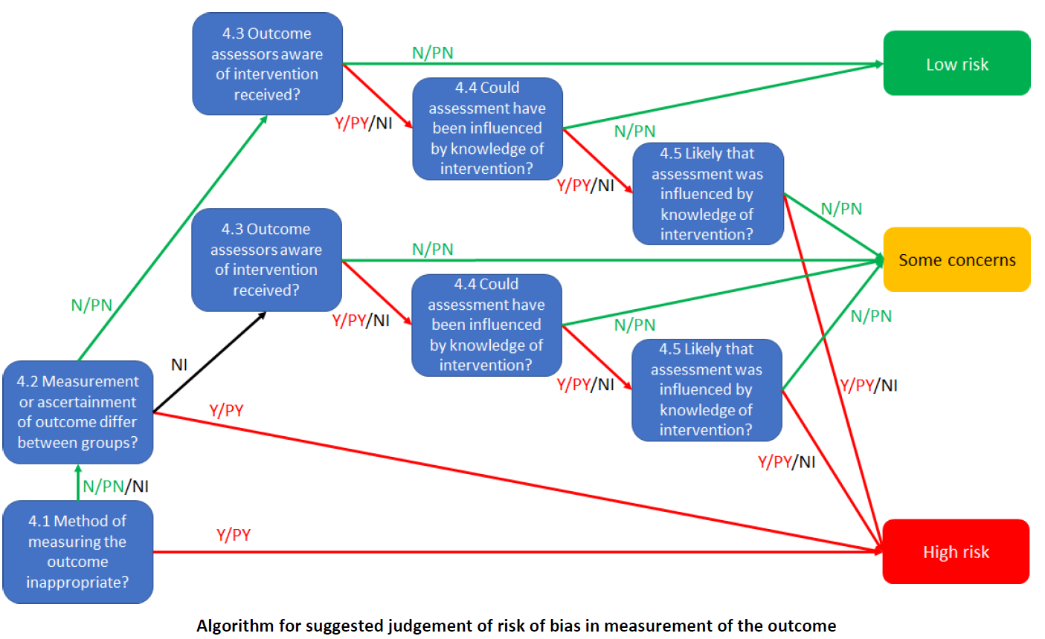
Endnote reference | 4.1 Was the method of measuring the outcome inappropriate? |  | 4.2 Could measurement or ascertainment of the outcome have differed between intervention groups? |  | 4.3 If N/PN/NI to 4.1 and 4.2: Were outcome assessors aware of the intervention received by study participants? |  | 4.4 If Y/PY/NI to 4.3: Could assessment of the outcome have been influenced by knowledge of intervention received? |  | 4.5 If Y/PY/NI to 4.4: Is it likely that assessment of the outcome was influenced by knowledge of intervention received? |  | Risk of bias judgement | Optional: What is the predicted direction of bias in measurement of the outcome?
 | Judgement | Rationale | Judgement | Rationale | Judgement | Rationale | Judgement | Rationale | Judgement | Rationale
{Bricker, 2024 #4204} | PN | Self-report | N | Everyone had the same survey | PN | Self-report, participants stated to have been blinded, but that doesn't seem possible with these interventions | NA |  | NA |  | Low risk
{Carrasco-Hernandez, 2020 #3717} | N | CO and urine cotinine | N | Everyone had the same tests | NI | Not stated | N | Objective assessment | NA |  | Low risk | NA
{Faro, 2023 #4214} | PN | Self-report with additional saliva test for those reporting quitting (not mandatory, $50 incentive) | N | Everyone had the same outcome assessment | NI | Mainly self-report, and it's unclear if participants were blinded | PY | Self-report of smoking abstinence, so intervention status could influence likelihood of claiming abstinence | PY | Self-reported smoking was probably influenced by knowledge of group allocation | High risk | Unpredictable
{Masaki, 2020 #3762} | PN | Self-report with biochemical validation | N | Everyone had the same tests | PY | Self-report (participants blinded) and biochemical verification (staff not blinded) | PN | Self-report unlikely to be influenced, objective assessment unlikely to be influenced | NA |  | Low risk | NA
{Olano-Espinosa, 2022 #4298} | N | Self-report and CO test | N | Everyone had the same tests | Y | No blinding | PN | Self-report could have been, but CO test is objective | NA |  | Low risk | NA
{Perski, 2019 #3899} | PN | Self-report | N | Everyone had the same survey | NI | Unclear if participants were blinded | Y | Self-report of smoking abstinence, so intervention status could influence likelihood of claiming abstinence | PY | Self-reported smoking was probably influenced by knowledge of group allocation | High risk | Unpredictable
{Sadasivam, 2016 #4243} | PN | Self-report | N | Everyone had the same survey | NI | Unclear if participants were blinded | Y | Self-report of smoking abstinence, so intervention status could influence likelihood of claiming abstinence | PY | Self-reported smoking was probably influenced by knowledge of group allocation | High risk | Unpredictable
{Guertler, 2025 #7387} | PN | Self-report | N | Everyone had the same survey | Y | Self-report, participants not blinded | Y | Self-report of smoking abstinence, so intervention status could influence likelihood of claiming abstinence | PY | Self-reported smoking was probably influenced by knowledge of group allocation | High risk | Unpredictable
{Guo, 2023 #4763} | N | CO test | N | Everyone had the same tests | Y | Staff not blinded | N | Objective assessment | NA |  | Low risk | NA
{Haug, 2022 #3604} | PN | Self-report | N | Everyone had the same survey | PY | Assessors blinded, but self-report, and participants not blinded | Y | Self-report of smoking abstinence, so intervention status could influence likelihood of claiming abstinence | PY | Self-reported smoking was probably influenced by knowledge of group allocation | High risk | Unpredictable
{Hors-Fraile, 2022 #4731} | PN | Self-report | N | Everyone had the same survey | N | Participants blinded, intervention all in app (no study contact) | NA |  | NA |  | Low risk | NA
{Jackson, 2024 #4759} | PN | Self-report | N | Everyone had the same survey | NI | Unclear if participants were blinded | Y | Self-report of smoking abstinence, so intervention status could influence likelihood of claiming abstinence | PY | Self-reported smoking was probably influenced by knowledge of group allocation | High risk | Unpredictable

RoB2 - Domain 5
Domain 5: Risk of bias in selection of the reported result

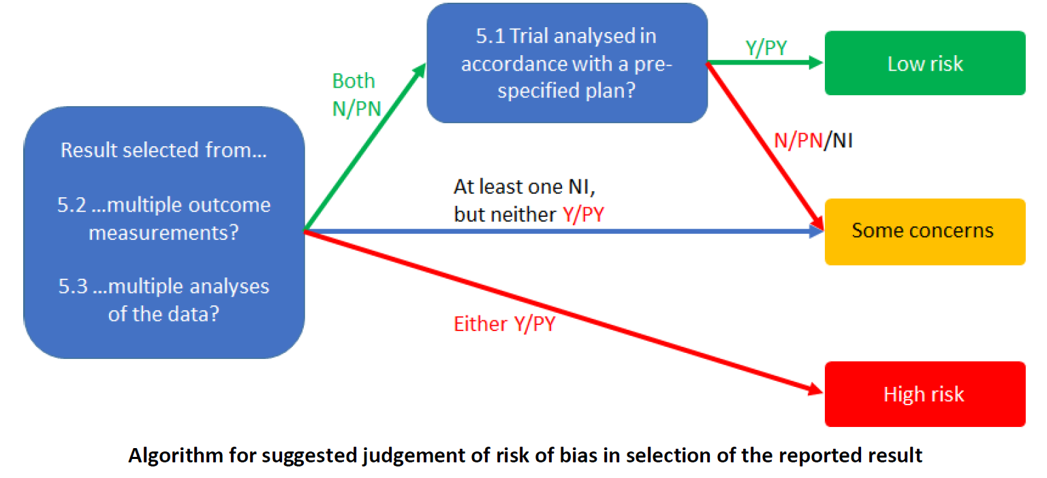
Endnote reference | 5.1 Were the data that produced this result analysed in accordance with a pre-specified analysis plan that was finalized before unblinded outcome data were available for analysis? |  | 5.2. Is the numerical result being assessed likely to have been selected, on the basis of the results, from multiple eligible outcome measurements (e.g. scales, definitions, time points) within the outcome domain? |  | 5.3. Is the numerical result being assessed likely to have been selected, on the basis of the results, from multiple eligible analyses of the data? |  | Risk of bias judgement | Optional: What is the predicted direction of bias due to selection of the reported result?
 | Judgement | Rationale | Judgement | Rationale | Judgement | Rationale
{Bricker, 2024 #4204} | Y | No deviations from published protocol | N | Only one possible outcome here | N | Only one analysis here | Low risk | NA
{Carrasco-Hernandez, 2020 #3717} | N | No pre-specified analysis plan | N | Only one possible outcome here | PN | Although the covariables in the analysis could have been selected on the basis of the results, I don't think it likely | Some concerns | Favours experimental
{Faro, 2023 #4214} | Y | No deviations from published protocol | N | Only one possible outcome here | N | I don't see many other options here | Low risk | NA
{Masaki, 2020 #3762} | Y | No deviations from published protocol | N | Only one possible outcome here | N | Only one analysis here | Low risk | NA
{Olano-Espinosa, 2022 #4298} | Y | No deviations from published protocol | N | Only one possible outcome here | N | Only one analysis here | Low risk | NA
{Perski, 2019 #3899} | PY | There were deviations from the protocol, and unplanned sensitivity analyses, but the outcome of interest was reported in both the protocol and article | N | Only one possible outcome here | N | I don't see many other options here | Low risk | NA
{Sadasivam, 2016 #4243} | N | No protocol | N | Only one possible outcome here | N | I don't see many other options here | Some concerns | Favours experimental
{Guertler, 2025 #7387} | Y | No relevant deviations from published protocol | N | Limited options, likely fine | PN | Possible, as different distributions in the generalized linear models may give different results, but likely fine | Low risk | NA
{Guo, 2023 #4763} | PY | Unclear if protocol was published before outcome data were available for analysis, but stated analysts were blinded to group allocation | N | All outcomes reported | N | All options reported | Low risk | NA
{Haug, 2022 #3604} | Y | No deviations from published protocol | N | All outcomes reported | N | All options reported | Low risk | NA
{Hors-Fraile, 2022 #4731} | PN | Protocol doesn't seem to mention dropouts being defined as in the study, which could heavily affect the results (number of dropouts not reported, but results given only for non-dropouts) | N | All outcomes reported | PY | Dropouts could have been included in the analyses, but weren't | High risk | Favours experimental
{Jackson, 2024 #4759} | Y | No relevant deviations from published protocol | N | All outcomes reported | N | All options reported | Low risk | NA

